Metadata
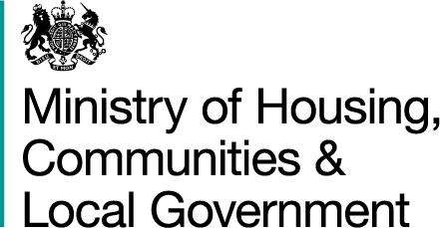

Background
These tables show the numbers of hereditaments in receipt of small business rate relief, mandatory and discretionary rate relief as at 31 December 2019 for local authorities in England. Therefore this is a snapshot of the reliefs that have been given based on the relief criteria in place at the time.

Statistical information relating to business rates is available on the Department’s website at |  | https://www.gov.uk/government/collections/national-non-domestic-rates-collected-by-councils

Index of Tables

Metadata | Background information about these statistics

Hereditaments LA DropDown | LA Drop down version of the NNDR1S Hereditaments Data. This will show the data for a selected local authority.

NNDR1S Hereditaments Data | Local authority data provided on 2020-21 NNDR1 'Supplementary Data' form on the number of hereditaments in receipts of mandatory and discretionary reliefs and small business rate relief.

Definitions
For definitions of data items see the 2020-21 NNDR1 Statistical Release pdf document on the MHCLG website at the link below

2020-21 NNDR statistical release

Uses of the data
The data in this additional table associated with the Statistical Release are used to inform government policy on national non-domestic rates. It also allows for monitoring of the results of any policy or financial changes to non-domestic rates or reliefs.

Data collection and quality
This information is collected on the NNDR1 Supplementary. The figures are as reported by local authorities at 31 December 2019 and were submitted at the same time as their main NNDR1 forms for 2020-21. While there are some basic validations included within the form, the level of scrutiny of these validations are less than those made to the main release of data. Hereditaments receiving retail discount was not collected at the time of the 2020-21 NNDR1 collection. However, figures are being collected within an additional collection exercise that is running in response to changes to reliefs announced in January and March 2020. These will be published in due course.

Public Enquiries
For enquiries about these data please contact: nndr.statistics@communities.gov.uk

Published: 6 April 2020

Next release: March 2021

