Figure 10
Overall numbers of UK armed forces deaths whilst on training or exercise

Figure 10 presents the number of UK armed forces deaths on training or exercise by activity type
Figure 10: UK armed forces1 deaths2 whilst on training3 or exercise by activity type, numbers.
1 January 2000 to 29 February 2020

Source: Defence Statistics Health
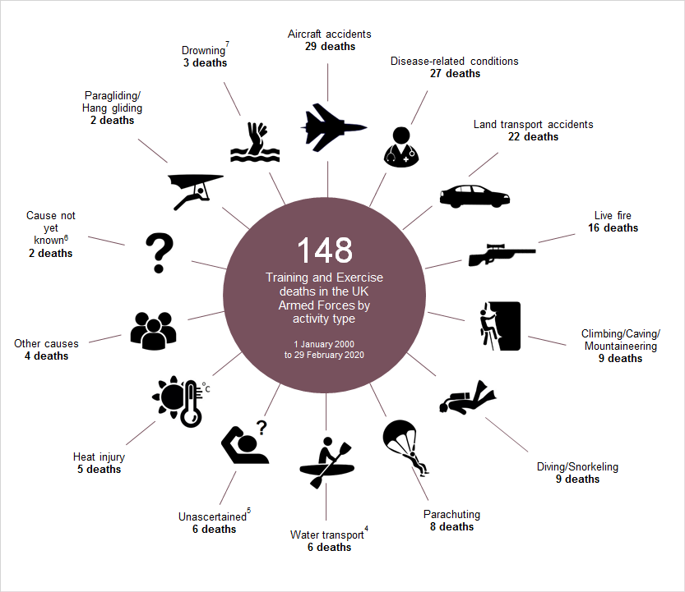

1 Figures are for regular and reservist personnel 'on duty'.
2 Figures are for all causes of death and therefore include those deaths that occurred due to injury or natural causes whilst on training or exercise.
3 Figures are for all types of training and exercise.
4 Includes Kayaking, Rafting, Canoeing, Yachting and all other water transport.
5 Deaths which have been investigated by a coroner or by the Procurator Fiscal for Scotland and for which no definitive medical cause of death can be found.
6 Deaths which have not yet been investigated by a coroner or investigations are ongoing.
7 Not water transport related.

