Contents

Vocational and Other Qualifications Quarterly: October to December (quarter 4) 2019
 |  | England

Table 1 | Number of certificates awarded by qualification type

Table 2 | Number of certificates awarded by qualification level

Table 3 | Number of certificates awarded by sector subject area

Table 4 | Number of certificates awarded in the past 5 years

Table 5 | Number of certificates awarded in this quarter by second-tier sector subject area

Table 6 | The 50 qualifications with the highest number of certificates issued in this quarter

Table 7 | The 50 awarding organisations with the highest number of certificates issued in this quarter

Table 8 | The 50 awarding organisations with the highest number of certificates issued in the 12 months to this quarter end

Notes | Notes accompanying this release

Reference: Ofqual/20/6600/1
Release date: 27 February 2020
Head of Profession: Vikas Dhawan
Contact: data.analytics@ofqual.gov.uk

Certificates by type
Number of certificates awarded by qualification type
Comparison with the same quarter previous year and previous 12 months

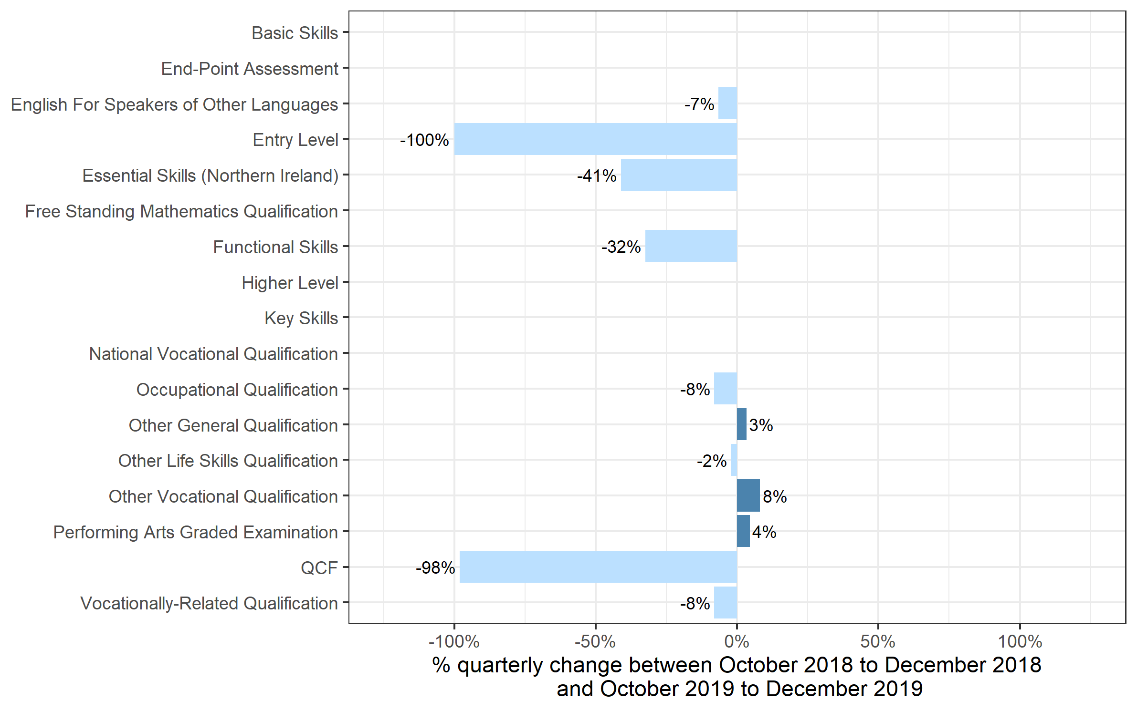
 | Quarterly comparison |  | Annual Comparison

Qualification Type | Oct to Dec 2018 | Oct to Dec 2019 | Jan to Dec 2018 | Jan to Dec 2019
Basic Skills | 0 | 0 | 0 | 0
End-Point Assessment | 30 | 1,010 | 75 | 1,070
English For Speakers of Other Languages | 59,500 | 55,535 | 364,625 | 386,325
Entry Level | 0~ | 0 | 12,435 | 470
Essential Skills (Northern Ireland) | 55 | 35 | 280 | 195
Free Standing Mathematics Qualification | 0 | 0 | 2,310 | 0
Functional Skills | 98,775 | 66,735 | 695,465 | 582,255
Higher Level | 0 | 0 | 170 | 0
Key Skills | 70 | 210 | 1,560 | 1,745
National Vocational Qualification | 0 | 0 | 0~ | 0~
Occupational Qualification | 159,865 | 146,780 | 758,345 | 686,040
Other General Qualification | 2,740 | 2,830 | 321,500 | 371,730
Other Life Skills Qualification | 59,255 | 57,910 | 306,465 | 290,815
Other Vocational Qualification | 105,275 | 113,845 | 408,500 | 489,860
Performing Arts Graded Examination | 101,640 | 106,175 | 455,755 | 490,345
QCF | 7,315 | 140 | 61,785 | 2,795
Vocationally-Related Qualification | 401,945 | 369,015 | 2,468,025 | 2,363,980
Total | 996,465 | 920,220 | 5,857,295 | 5,667,625

 |  |  |  |  | Note: Key Skills and End-Point Assessment qualifications are not shown because, due to small numbers, the percentage changes would not be meaningful. Other categories without visible bars have a change of 0% from last year's quarter 4.

Certificates by Level
Number of certificates awarded by qualification level
Comparison with the same quarter previous year and previous 12 months

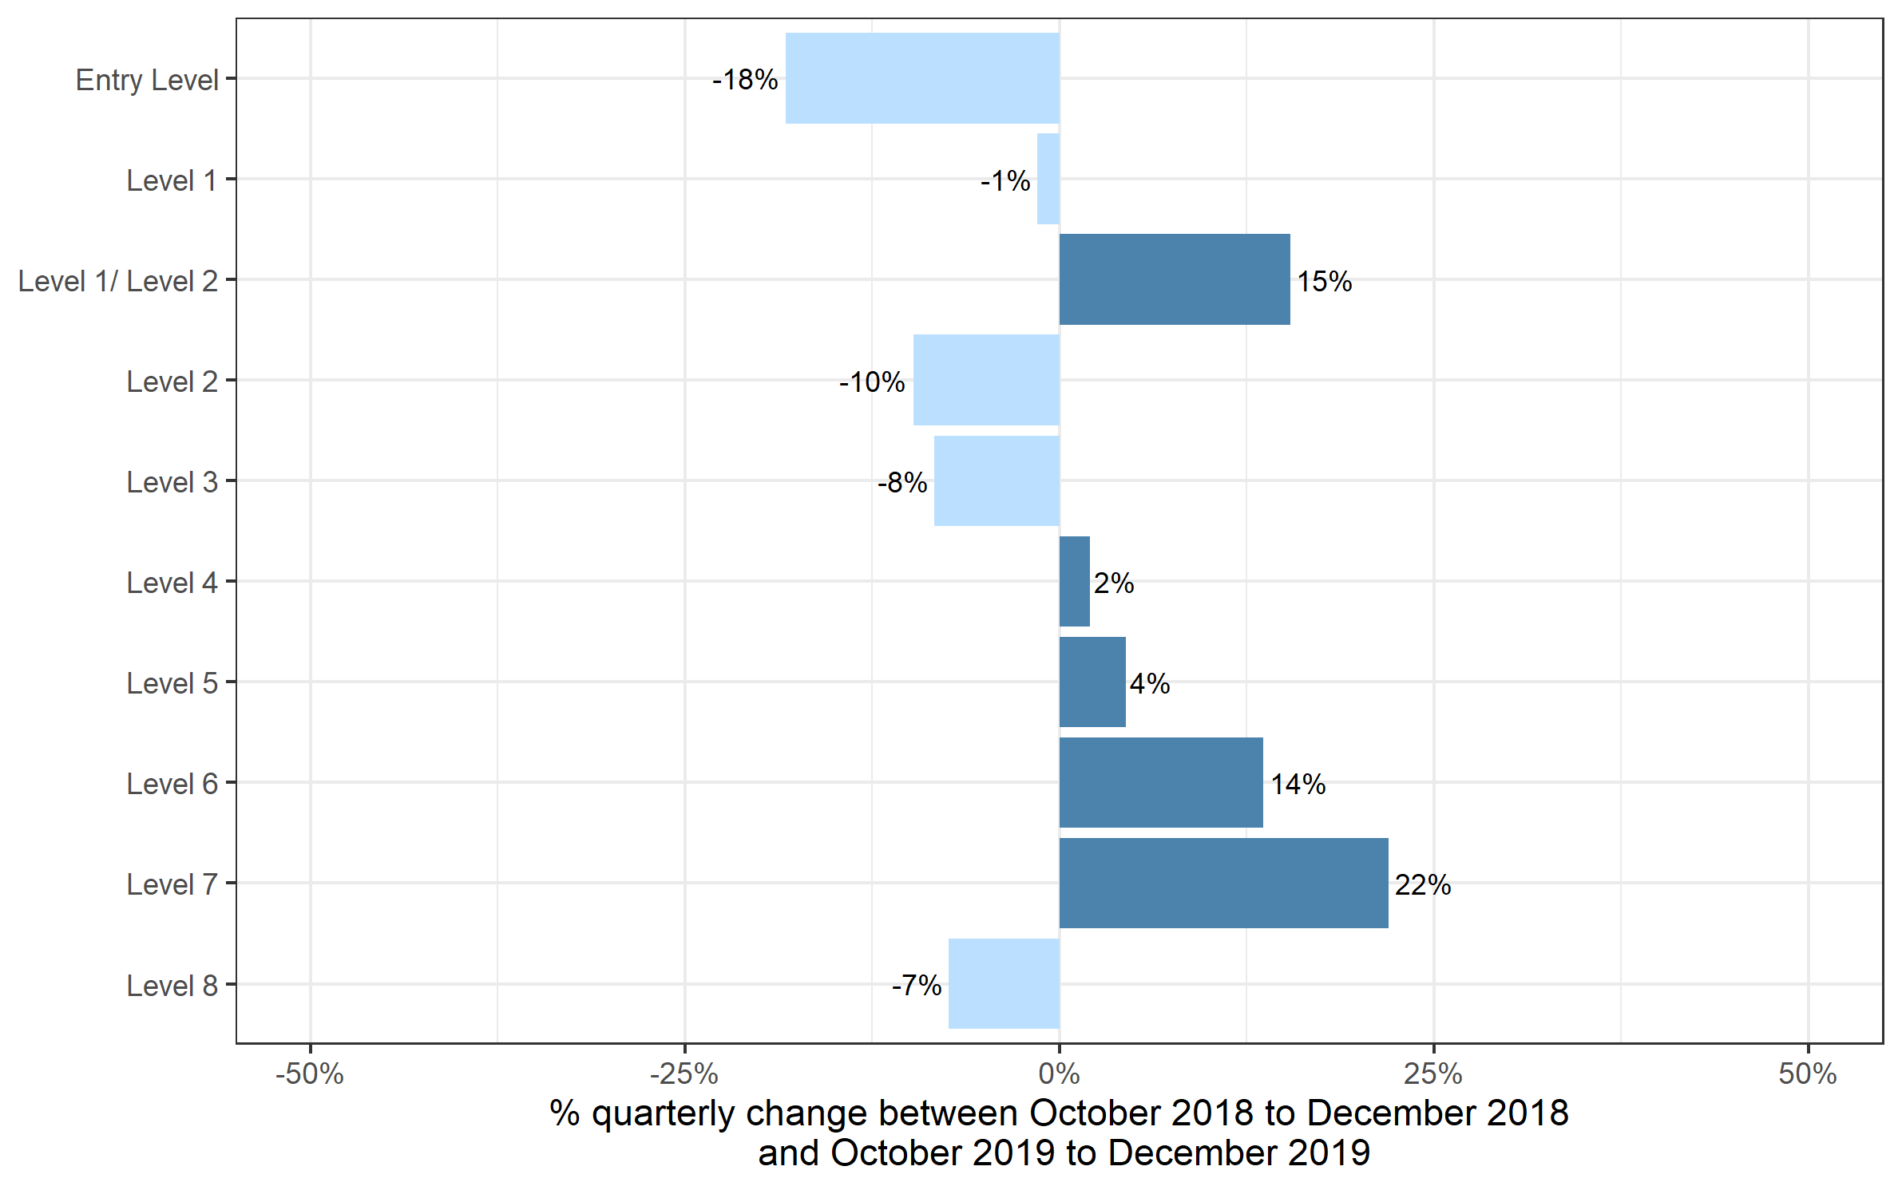
 | Quarterly comparison |  | Annual comparison

Qualification Level | Oct to Dec 2018 | Oct to Dec 2019 | Jan to Dec 2018 | Jan to Dec 2019
Entry Level | 92,760 | 75,815 | 723,875 | 681,605
Level 1 | 244,545 | 240,905 | 1,323,225 | 1,249,855
Level 1/ Level 2 | 1,175 | 1,355 | 274,880 | 316,130
Level 2 | 356,250 | 321,510 | 1,901,430 | 1,765,480
Level 3 | 270,440 | 247,800 | 1,479,815 | 1,497,165
Level 4 | 16,150 | 16,480 | 78,220 | 80,355
Level 5 | 11,035 | 11,525 | 52,680 | 51,440
Level 6 | 2,070 | 2,350 | 16,020 | 17,035
Level 7 | 1,985 | 2,425 | 6,985 | 8,380
Level 8 | 55 | 50 | 170 | 180
Total | 996,465 | 920,220 | 5,857,295 | 5,667,625

Certificates by SSA
Number of certificates awarded by sector subject area
Comparison with the same quarter previous year and previous 12 months

 | Quarterly comparison |  | Annual comparison

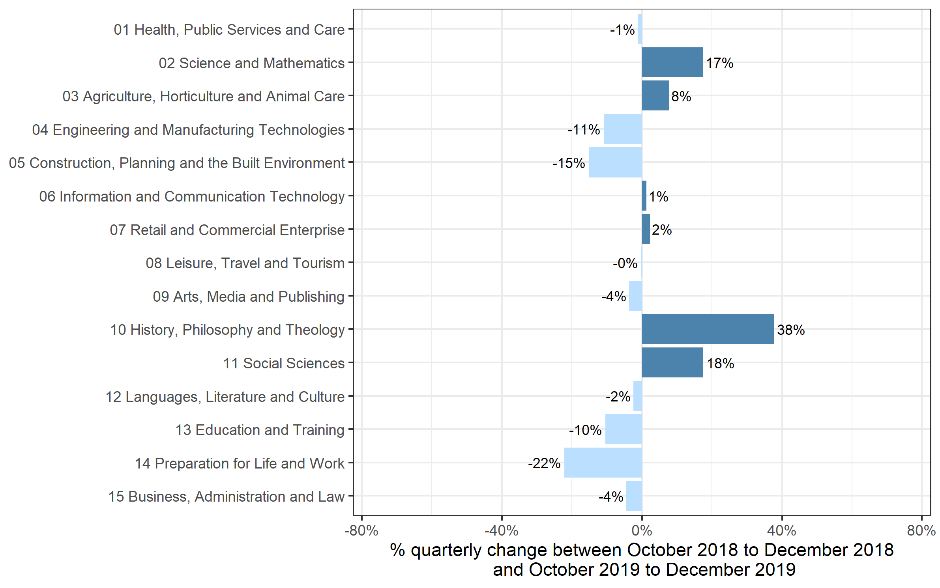
Sector Subject Area Code With Description | Oct to Dec 2018 | Oct to Dec 2019 | Jan to Dec 2018 | Jan to Dec 2019
01 Health, Public Services and Care | 242,775 | 240,035 | 1,144,360 | 1,166,220
02 Science and Mathematics | 1,970 | 2,310 | 117,335 | 111,760
03 Agriculture, Horticulture and Animal Care | 15,450 | 16,650 | 90,385 | 88,575
04 Engineering and Manufacturing Technologies | 57,515 | 51,260 | 304,645 | 294,445
05 Construction, Planning and the Built Environment | 92,000 | 78,105 | 368,385 | 408,185
06 Information and Communication Technology | 23,280 | 23,570 | 273,460 | 193,950
07 Retail and Commercial Enterprise | 74,600 | 76,270 | 399,160 | 369,225
08 Leisure, Travel and Tourism | 47,690 | 47,530 | 346,180 | 342,915
09 Arts, Media and Publishing | 121,380 | 116,925 | 727,405 | 760,885
10 History, Philosophy and Theology | 710 | 980 | 18,620 | 13,595
11 Social Sciences | 55 | 65 | 13,210 | 15,840
12 Languages, Literature and Culture | 18,800 | 18,340 | 126,795 | 122,085
13 Education and Training | 18,020 | 16,140 | 88,955 | 88,880
14 Preparation for Life and Work | 212,100 | 165,055 | 1,412,355 | 1,276,450
15 Business, Administration and Law | 70,120 | 66,995 | 426,050 | 414,620
Total | 996,465 | 920,220 | 5,857,295 | 5,667,625

Historical trends
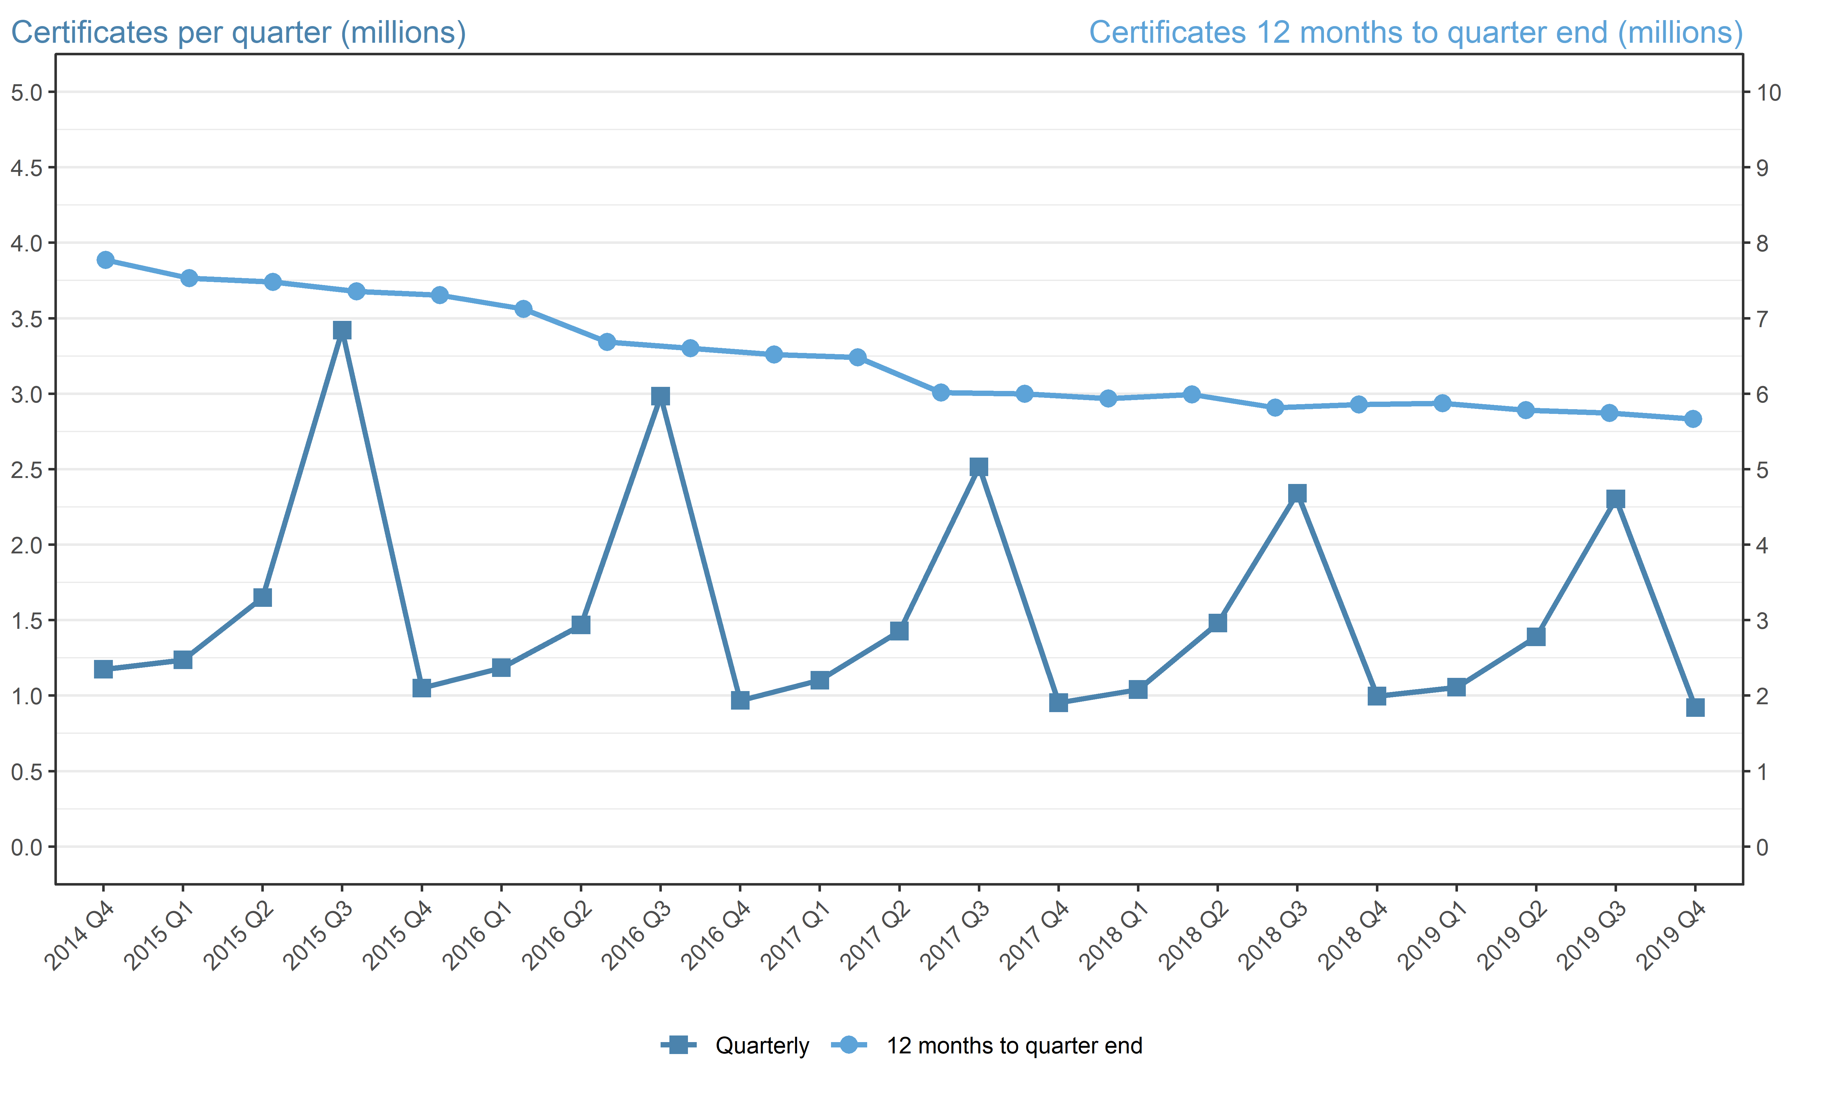
Number of certificates awarded in the past 5 years
Quarterly and 12 months to quarter end

Period | Quarterly | 12 months to quarter end
Jan to Mar 2015 | 1,236,985 | 7,773,390
Apr to Jun 2015 | 1,649,860 | 7,531,165
Jul to Sep 2015 | 3,420,865 | 7,482,140
Oct to Dec 2015 | 1,049,635 | 7,357,345
Jan to Mar 2016 | 1,184,800 | 7,305,160
Apr to Jun 2016 | 1,467,380 | 7,122,680
Jul to Sep 2016 | 2,983,140 | 6,684,960
Oct to Dec 2016 | 967,750 | 6,603,075
Jan to Mar 2017 | 1,102,280 | 6,520,550
Apr to Jun 2017 | 1,427,430 | 6,480,600
Jul to Sep 2017 | 2,515,840 | 6,013,295
Oct to Dec 2017 | 952,870 | 5,998,420
Jan to Mar 2018 | 1,040,435 | 5,936,575
Apr to Jun 2018 | 1,479,880 | 5,989,025
Jul to Sep 2018 | 2,340,515 | 5,813,700
Oct to Dec 2018 | 996,465 | 5,857,295
Jan to Mar 2019 | 1,055,295 | 5,872,155
Apr to Jun 2019 | 1,389,040 | 5,781,315
Jul to Sept 2019 | 2,303,070 | 5,743,870
Oct to Dec 2019 | 920,220 | 5,667,625

