Sheet1
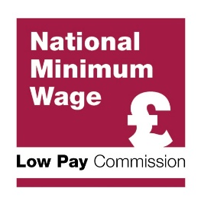
Median pay in the Annual Survey of Hours and Earnings (ASHE)

The table below sets out the figures used by the Low Pay Commission to calculate the bite of the National Living Wage and National Minimum Wage rates in each year from 2014 to 2019. This table is being published in response to a Freedom of Information request.

Median pay | 2014 | 2015 | 2016 | 2017 | 2018 | 2019
25+ | £12.20 | £12.38 | £12.76 | £13.01 | £13.35 | £13.82
21+ | £11.71 | £11.90 | £12.25 | £12.55 | £12.88 | £13.38
21-24 | £8.00 | £8.24 | £8.65 | £9.09 | £9.37 | £9.92
18-20 | £6.64 | £6.80 | £7.20 | £7.50 | £7.83 | £8.30
16-17 | £5.15 | £5.30 | £5.50 | £5.60 | £5.90 | £6.15
Apprentices | £4.60 | £5.02 | £5.30 | £5.60 | £5.90 | £6.21
Pay data is from ASHE. Data for 2019 is provisional, all other data is final.
Pay is defined as hourly pay, excluding overtime and shift-premium pay.
Data include workers not on adult rates but exclude workers with pay affected by absence.
Data for the 25+ age group include apprentices over the age of 25 who are not in the first year of their apprenticeship. Data for the 21-24, 18-20 and 16-17 age groups exclude apprentices. Data for apprentices includes all apprentices aged 16-18, and apprentices aged 19 and over in the first year of their course.

