Contents

Vocational and Other Qualifications Quarterly: July to September (quarter 3) 2019
 |  | England

Table 1 | Number of certificates awarded by qualification type

Table 2 | Number of certificates awarded by qualification level

Table 3 | Number of certificates awarded by sector subject area

Table 4 | Number of certificates awarded in the past 5 years

Table 5 | Number of certificates awarded in this quarter by second-tier sector subject area

Table 6 | The 50 qualifications with the highest number of certificates issued in this quarter

Table 7 | The 50 awarding organisations with the highest number of certificates issued in this quarter

Table 8 | The 50 awarding organisations with the highest number of certificates issued in the 12 months to this quarter end

Notes | Notes accompanying this release

Reference: Ofqual/19/6564/1
Release date: 28 November 2019
Head of Profession: Vikas Dhawan
Contact: data.analytics@ofqual.gov.uk

Certificates by type
Number of certificates awarded by qualification type
Comparison with the same quarter previous year and previous 12 months

 | Quarterly comparison |  | Annual Comparison

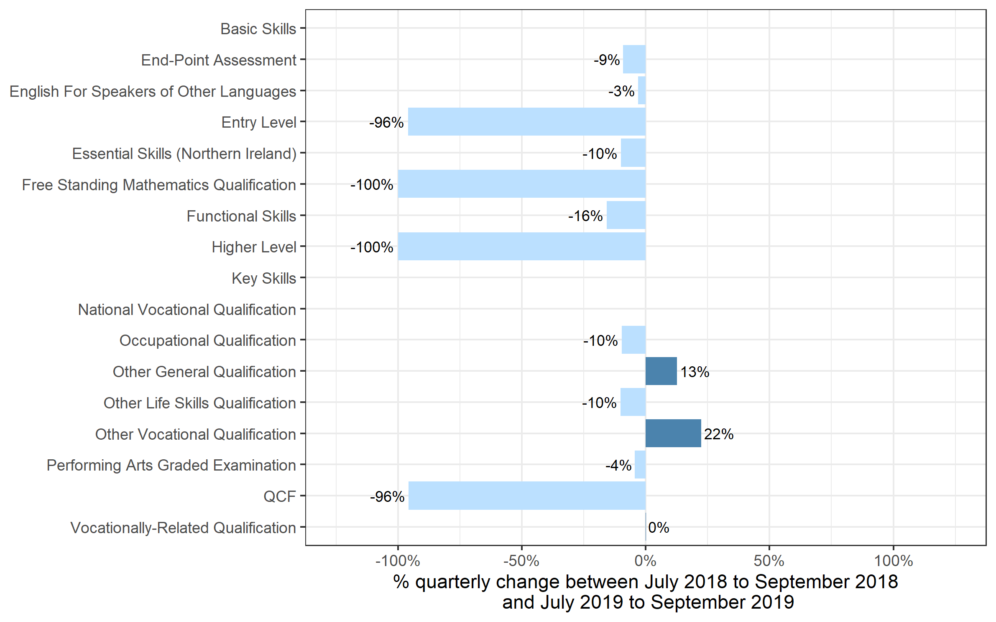
Qualification Type | Jul 2018 to Sep 2018 | Jul 2019 to Sep 2019 | Oct 2017 to Sep 2018 | Oct 2018 to Sep 2019
Basic Skills | 0 | 0 | 0~ | 0
End-Point Assessment | 10 | 10 | 40 | 90
English For Speakers of Other Languages | 145,725 | 141,140 | 372,040 | 403,820
Entry Level | 11,775 | 470 | 12,430 | 475
Essential Skills (Northern Ireland) | 60 | 55 | 300 | 215
Free Standing Mathematics Qualification | 2,195 | 0 | 2,310 | 0
Functional Skills | 249,635 | 210,310 | 705,610 | 614,290
Higher Level | 55 | 0 | 170 | 0
Key Skills | 0 | 600 | 60 | 1,605
National Vocational Qualification | 0 | 0~ | 5 | 0~
Occupational Qualification | 241,150 | 217,895 | 751,475 | 699,120
Other General Qualification | 296,170 | 333,595 | 320,495 | 371,640
Other Life Skills Qualification | 119,085 | 107,005 | 285,920 | 292,490
Other Vocational Qualification | 101,370 | 124,010 | 389,040 | 481,740
Performing Arts Graded Examination | 168,995 | 161,615 | 463,090 | 490,710
QCF | 15,695 | 665 | 104,990 | 9,970
Vocationally-Related Qualification | 1,003,775 | 1,004,725 | 2,423,460 | 2,396,845
Total | 2,355,705 | 2,302,095 | 5,831,440 | 5,763,020

 |  |  |  |  | Note: The bars for Key Skills and National Vocational Qualification qualifications are not shown because, due to small numbers, the percentage changes would not be meaningful

Certificates by Level
Number of certificates awarded by qualification level
Comparison with the same quarter previous year and previous 12 months
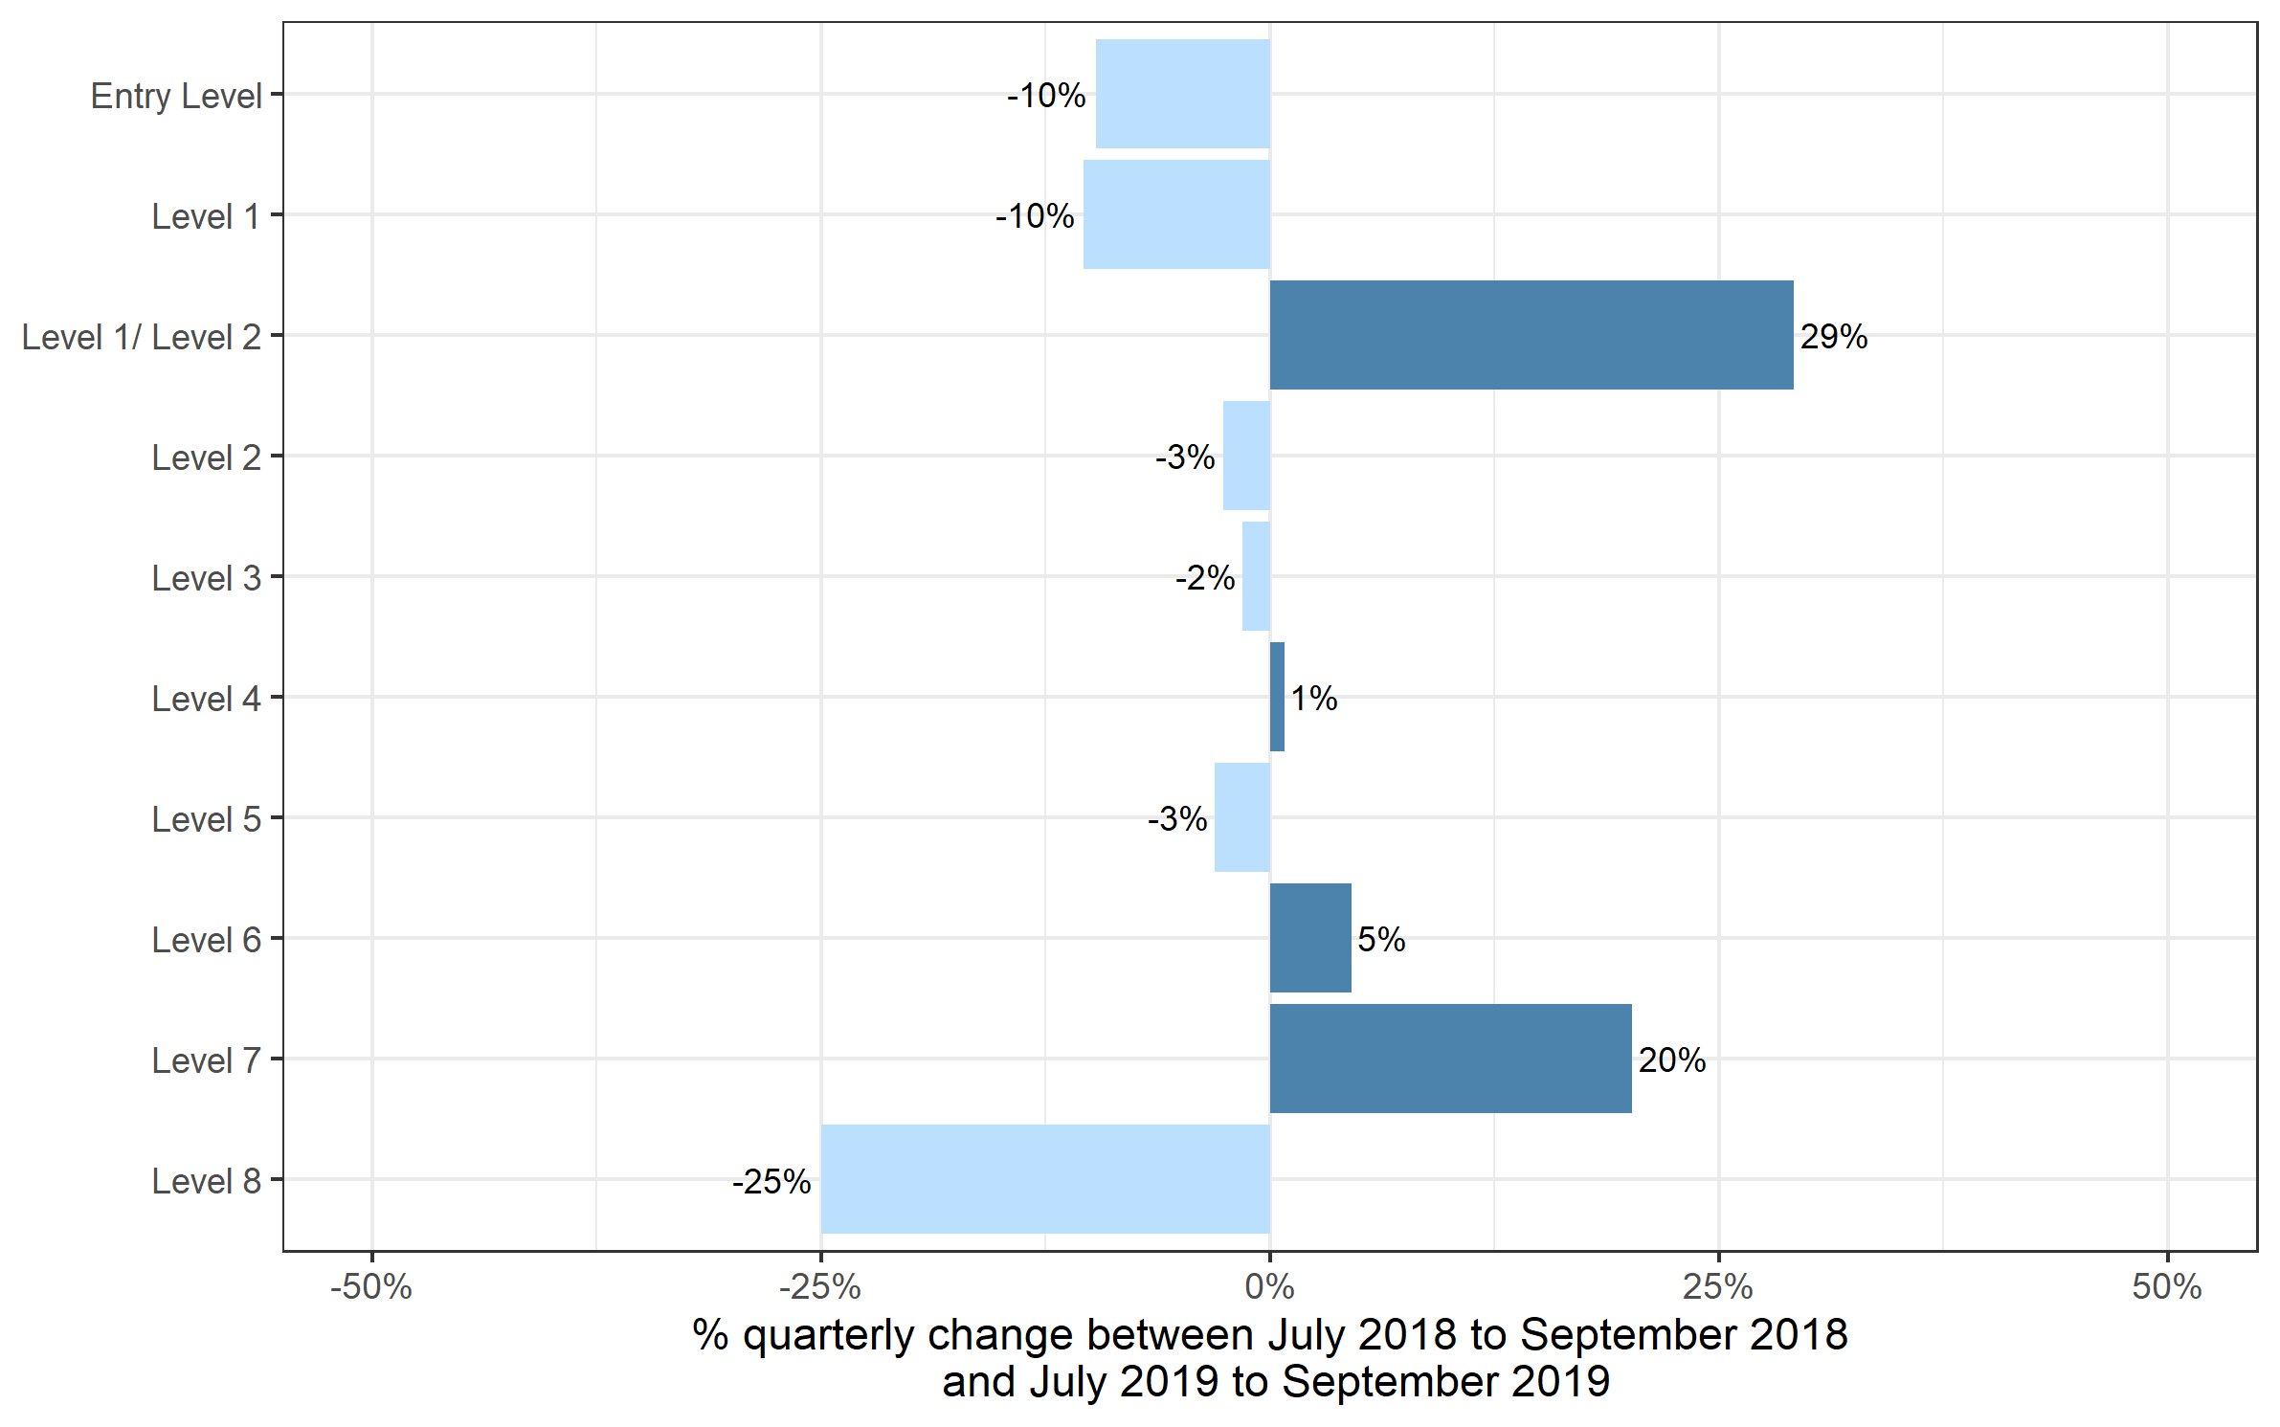
 | Quarterly comparison |  | Annual comparison

Qualification Level | Jul 2018 to Sep 2018 | Jul 2019 to Sep 2019 | Oct 2017 to Sep 2018 | Oct 2018 to Sep 2019
Entry Level | 337,350 | 304,615 | 721,855 | 709,865
Level 1 | 481,670 | 431,665 | 1,322,790 | 1,260,065
Level 1/ Level 2 | 191,645 | 247,560 | 275,170 | 315,950
Level 2 | 672,815 | 655,195 | 1,914,385 | 1,801,880
Level 3 | 617,890 | 608,400 | 1,444,985 | 1,519,405
Level 4 | 27,255 | 27,480 | 77,885 | 80,035
Level 5 | 18,765 | 18,190 | 51,830 | 50,950
Level 6 | 6,270 | 6,560 | 16,155 | 16,755
Level 7 | 1,995 | 2,395 | 6,215 | 7,940
Level 8 | 50 | 35 | 175 | 185
Total | 2,355,705 | 2,302,095 | 5,831,440 | 5,763,020

Certificates by SSA
Number of certificates awarded by sector subject area
Comparison with the same quarter previous year and previous 12 months

 | Quarterly comparison |  | Annual comparison
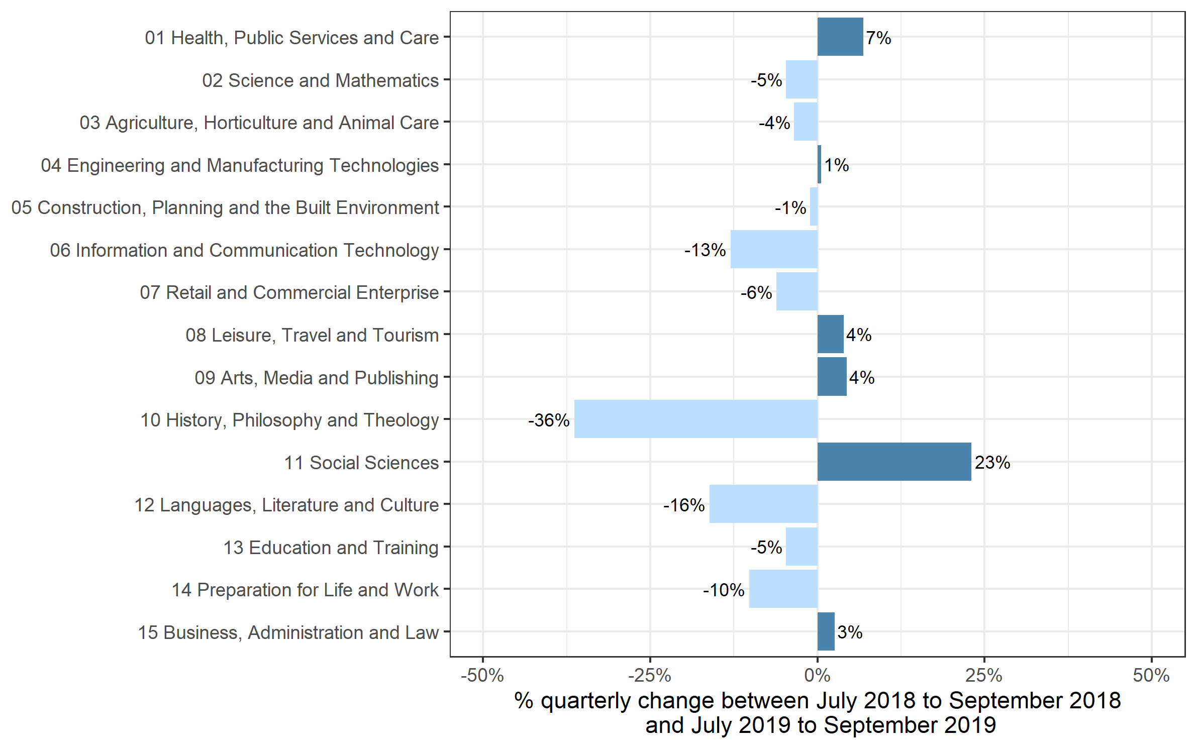
Sector Subject Area Code With Description | Jul 2018 to Sep 2018 | Jul 2019 to Sep 2019 | Oct 2017 to Sep 2018 | Oct 2018 to Sep 2019
01 Health, Public Services and Care | 361,535 | 386,190 | 1,135,275 | 1,168,960
02 Science and Mathematics | 94,375 | 89,930 | 107,950 | 103,025
03 Agriculture, Horticulture and Animal Care | 40,120 | 38,715 | 87,800 | 87,380
04 Engineering and Manufacturing Technologies | 120,470 | 121,145 | 299,775 | 300,090
05 Construction, Planning and the Built Environment | 133,605 | 132,140 | 342,895 | 422,080
06 Information and Communication Technology | 111,495 | 97,055 | 273,760 | 193,475
07 Retail and Commercial Enterprise | 141,575 | 132,840 | 407,335 | 367,555
08 Leisure, Travel and Tourism | 154,590 | 160,685 | 344,620 | 343,075
09 Arts, Media and Publishing | 327,890 | 342,170 | 735,305 | 769,420
10 History, Philosophy and Theology | 13,830 | 8,800 | 16,930 | 11,845
11 Social Sciences | 11,485 | 14,130 | 11,625 | 14,295
12 Languages, Literature and Culture | 60,170 | 50,470 | 121,515 | 118,790
13 Education and Training | 32,865 | 31,320 | 86,050 | 90,765
14 Preparation for Life and Work | 584,680 | 525,190 | 1,430,225 | 1,355,135
15 Business, Administration and Law | 167,015 | 171,320 | 430,375 | 417,130
Total | 2,355,705 | 2,302,095 | 5,831,440 | 5,763,020

Historical trends
Number of certificates awarded in the past 5 years
Quarterly and 12 months to quarter end
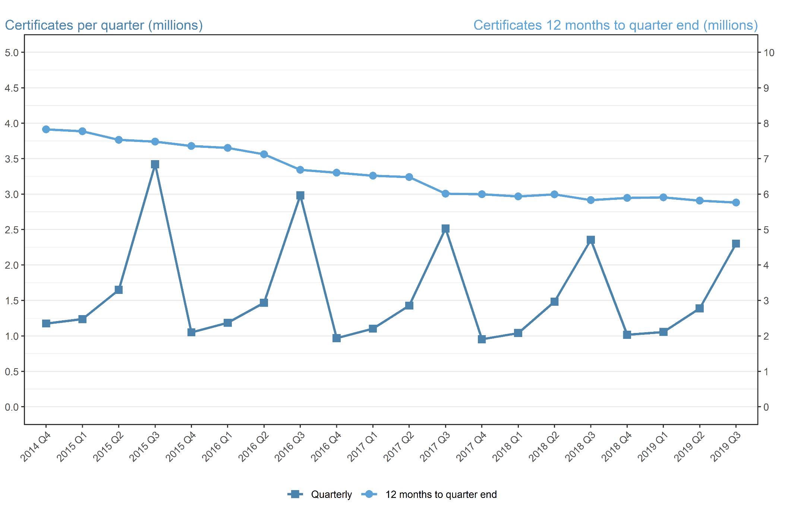
Period | Quarterly | 12 months to quarter end
Oct to Dec 2014 | 1,174,430 | 7,826,520
Jan to Mar 2015 | 1,236,985 | 7,773,390
Apr to Jun 2015 | 1,649,860 | 7,531,165
Jul to Sep 2015 | 3,420,865 | 7,482,140
Oct to Dec 2015 | 1,049,635 | 7,357,345
Jan to Mar 2016 | 1,184,800 | 7,305,160
Apr to Jun 2016 | 1,467,380 | 7,122,680
Jul to Sep 2016 | 2,983,140 | 6,684,960
Oct to Dec 2016 | 967,750 | 6,603,075
Jan to Mar 2017 | 1,102,280 | 6,520,550
Apr to Jun 2017 | 1,427,430 | 6,480,600
Jul to Sep 2017 | 2,515,840 | 6,013,295
Oct to Dec 2017 | 952,870 | 5,998,420
Jan to Mar 2018 | 1,039,825 | 5,935,970
Apr to Jun 2018 | 1,483,040 | 5,991,575
Jul to Sep 2018 | 2,355,705 | 5,831,440
Oct to Dec 2018 | 1,016,595 | 5,895,165
Jan to Mar 2019 | 1,055,290 | 5,910,625
Apr to Jun 2019 | 1,389,040 | 5,816,630
Jul to Sept 2019 | 2,302,095 | 5,763,020

