2. Model Overview
BDUK Model Overview and Structure

A standard model structure is required so as to facilitate efficient analysis of supplier responses and ongoing reporting. The model is intended to be independent of technology with the supplier determining the appropriate network components and subcomponents to be costed. The diagram below provides an overview of the key components of the model. The supplier is required to provide each tab. Tabs coloured yellow must be provided in exactly the format shown in this template and shouldn't be amended in any way. There is greater flexibility around the exact format of the blue coloured tabs.
The purpose and content of each tab is briefly discussed below:

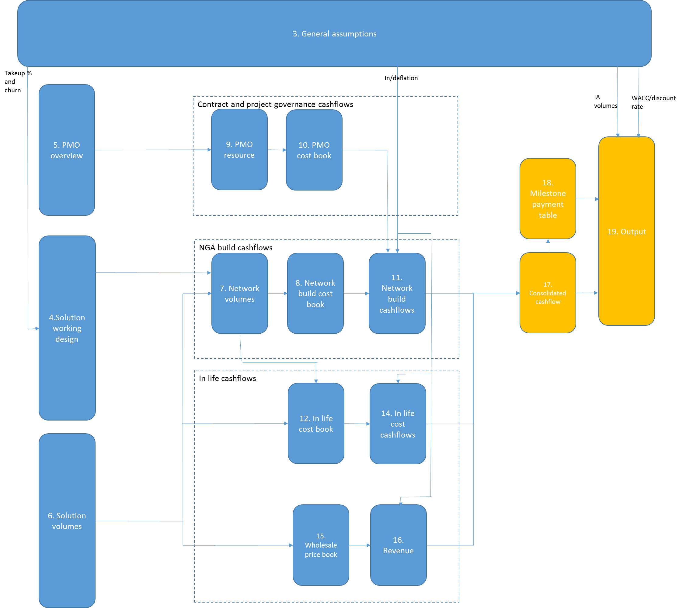

1. Version control
Supplier to update each time a revised model is submitted to the local body
Description must adequately summarise any changes made from prior versions
2. Model overview
This sheet
3. General Assumptions
Cells shown in green to be populated by the supplier
This tab MUST include the following:
Identify the 80 quarters (20 years) over which the bid is to be evaluated. Revenues and costs outside of this 80 quarter window will not be considered in the evaluation
Suppliers project specific Internal rate of return ("IRR") used as the discount rate in this model. Note the model evaluates the bid over a 20 year period on a discounted cashflow basis. Given the IRR is used as the discount rate the post subsidy net present value over the 20 year cashflow period should be zero. Bidders must justify the IRR specified with reference to the Bidder’s company weighted average cost of capital "WACC" together with any project-specific adjustments for risk)
Quarterly inflation/deflation rates used in the model. Rates to be separately identified for at least revenue, opex, capex non PMO related and PMO. Additional rates over and above this minimum requirement can be included as required
Quarterly takeup rates for the products specifically covered by the supplier's solution
Quarterly churn rates for the products specifically covered by the suppliers solution
End state premises passed in the intervention area (ie Superfast white premises passed)
End state premises passed in the intervention area at a speed in excess of 30Mbps (ie white premises passed at superfast speed)
It is recognised that suppliers may wish to adapt the format of this tab to suit their own solution design. This is OK provided the data included ultimately meets the minimum requirements set out above

4. Solution Working Design
Overview of high level solution design
Free form specific to the supplier's proposed solution. Suggest include schematics showing overall relationship between major network components with brief explanatory text
Intended to provide an appropriate context of the overall model

5. PMO overview
Overview of proposed governance and project management structure
Free form specific to the Bidder's proposed solution. Suggest include organisation charts, overview of proposed control environment etc

6. Solution Volumes
Cells shown in green to be populated by the supplier
This tab MUST include the following:
All premises passed by the NGA infrastructure (including all grey/black premises incidentally passed as a result of the supplier's proposed NGA solution and any white premises receiving speeds less than 30Mbps) for each quarter in the 80 quarter evaluation period
Connected premises (including all grey/black premises incidentally passed as a result of the supplier's proposed NGA solution and any white premises receiving speeds less than 30Mbps) for each quarter in the 80 quarter evaluation period. Note this should be driven directly from the takeup assumptions on the general assumptions tab
Churned volumes (including all grey/black premises incidentally passed as a result of the supplier's proposed NGA solution and any white premises receiving speeds less than 30Mbps) for each quarter in the 80 quarter evaluation period. Note this should be driven directly from the churn assumptions on the general assumptions tab
New connections (over and above churn) for each quarter in the 80 quarter evaluation period. Note this should be driven directly from the takeup assumptions on the general assumptions tab
Totals coloured orange (currently in rows 48-49) feed into the calc sheet (hidden tab) and that link must be prepassed
It is recognised that suppliers may wish to adapt the format of this tab to suit their own solution design. This is OK provided the data included ultimately meets the minimum requirements set out above

7. Network volumes
Cells shown in green to be populated by the supplier
This tab MUST include the following:
Delivery volumes for all major network components (as defined by the supplier in line with their solution set out on tab 4)
Network component volumes to be provided on both a cumulative and incremental (ie growth in quarter) basis for each quarter in the 80 quarter evaluation period
As noted above the supplier is free to define network components and subcomponents appropriate to their specific solution
Each of the 80 quarters being evaluated to be flagged as D (deployment), PD (Post deployment) or PT (post term). Note that there must be 28 PD quarters (7 years).
It is recognised that suppliers may wish to adapt the format of this tab to suit their own solution design. This is OK provided the data included ultimately meets the minimum requirements set out above

8. Network build Cost Book
Cells shown in green to be populated by the supplier
This tab MUST include the following:
Unit capex build costs for all network components and subcomponents (as defined by the supplier on tab 7)
Unit opex build costs for all network components and subcomponents (as defined by the supplier on tab 7)
Planning and design costs for each major network component MUST be separately identified (recognising this may require the introdution of a specific volume driver)
As noted above the supplier is free to define network components and subcomponents appropriate to their specific solution subject to the separate inclusion of planning costs for each major network category
These Q1 unit costs will be inflated/deflated by the factors provided on the general assumptions tab
It is recognised that suppliers may wish to adapt the format of this tab to suit their own solution design. This is OK provided the data included ultimately meets the minimum requirements set out above

9. PMO resource
Cells shown in green to be populated by the supplier
This tab MUST include the following:
FTE days worked per quarter in the 80 quarter evaluation period for all PMO resources consistent with the overview provided on tab 5
Note PMO costs will ONLY BE CONSIDERED in the deployment period identified on tab 7

10. PMO Cost Book
Cells shown in green to be populated by the supplier
This tab MUST include the following:
Annual salaries and associated daily capitalised labour rate for each resource identified on tab 9.
Where resources are contract as opposed to employed then a daily rate should be provided in lieu of annual salary

11. Network build cashflows
Network build costs (both Capex and Opex) by quarter by network components and PMO resources detailed on tabs 7 and 9
This tab shows unit cost x volume (adjusted for inflation/deflation). That volume may be network or product related depending on the suppliers solution
Totals coloured orange (currently in rows 32-39) feed into the cashflow analysis (tab 17) and that link must be prepassed
Totals are set to automatically populate based on the costs type (Capex non PMO, Capex PMO, Opex) entered in the green cells. Care should be taken to preserve the Sumif formulae or to ensure that cost categories add down

12. In life Cost Book
Cells shown in green to be populated by the supplier
This tab MUST include the following:
Unit in life Opex costs for all network components and subcomponents (as defined by the supplier on tab 7) - WHERE RELEVANT
Unit in life Capex costs for all network components and subcomponents (as defined by the supplier on tab 7) - WHERE RELEVANT
Unit in life Opex costs for all product sales (as defined by the supplier on tab 6) - WHERE RELEVANT
Unit in life Capex costs for all product sales (as defined by the supplier on tab 6) - WHERE RELEVANT
These Q1 unit costs will be inflated/deflated by the factors provided on the general assumptions tab
It is recognised that any given supplier will have its own model for inlife costs that may be product driven, network driven or a cpombination of the two. The structure of the inlife cost book should be adjusted to fit the suppliers model. The key requirement from BDUK is that key cost drivers and their associated volumes and unit costs are clearly identifed

14. In life cost cashflows
In life costs by quarter by network component and/or product type consistent with tab 12 and tabs 6 and 7 as appropriate
This tab shows unit in life cost x appropriate volume (adjusted for inflation/deflation)
Totals coloured orange (currently in rows 30-33) feed into the cashflow analysis (tab 17) and that link must be prepassed
Totals are set to automatically populate based on the costs type (Capex, Opex) entered in the green cells. Care should be taken to preserve the Sumif formulae or to ensure that cost categories add down

15. Wholesale price book
Cells shown in green to be populated by the supplier
This tab MUST include the following:
Prices for all products (as defined by the supplier on tab 6)
Prices to be split into connection/installation vs subscription/recurring costs
These Q1 prices will be inflated/deflated by the factors provided on the general assumptions tab
It is recognised that any given supplier will have its own model for wholesale pricing and the structure of the wholesale price book should be adjusted to fit the suppliers model.

16. Revenue
Revenue by quarter by product type consistent with tabs 15 and 6
This tab shows price x appropriate volume (adjusted for inflation/deflation)
Total (currently in row 26) feeds into the cashflow analysis (tab 17) and that link must be prepassed

17. Cashflow
This tab must not be amended or changed
Takes the outputs from tabs 11, 14 and 16 and calculates the NPV gap. This represents the maximum discounted value of any grant that would ordinarily be considered

18. Milestone payment table
Cells shown in green to be populated by the supplier
This tab MUST include the following:
The nominal (money) value of the proposed grant request by milestone type by quarter
The tab then calculates the NPV of those proposed payments and will flag if the grant requested exceeds the gap determine on tab 17
A check is also made to ensure that the capex incurred to date always exceeds the grant claimed

19. Output
This tab must not be amended or changed
Pulls key outputs from across the model into one summary sheet.

20. Calc sheet
This tab must not be amended or changed
This sheet is used to split cashflows into deployment, post deployment and post term and to determine when breakeven occurs
This tab is a intermediate working sheet with no specific standalone outputs

3.General Assumptions
 |  | Quarter number
 |  | Financial Qtrs & year | Q3 18/19 | Q4 18/19 | Q1 19/20 | Q2 19/20 | Q3 19/20 | Q4 19/20 | Q1 20/21 | Q2 20/21 | Q3 20/21 | Q4 20/21 | Q1 21/22 | Q2 21/22 | Q3 21/22 | Q4 21/22 | Q1 22/23 | Q2 22/23 | Q3 22/23 | Q4 22/23 | Q1 23/24 | Q2 23/24 | Q3 23/24 | Q4 23/24 | Q1 24/25 | Q2 24/25 | Q3 24/25 | Q4 24/25 | Q1 25/26 | Q2 25/26 | Q3 25/26 | Q4 25/26 | Q1 26/27 | Q2 26/27 | Q3 26/27 | Q4 26/27 | Q1 27/28 | Q2 27/28 | Q3 27/28 | Q4 27/28 | Q1 28/29 | Q2 28/29 | Q3 28/29 | Q4 28/29 | Q1 29/30 | Q2 29/30 | Q3 29/30 | Q4 29/30 | Q1 30/31 | Q2 30/31 | Q3 30/31 | Q4 30/31 | Q1 31/32 | Q2 31/32 | Q3 31/32 | Q4 31/32 | Q1 32/33 | Q2 32/33 | Q3 32/33 | Q4 32/33 | Q1 33/34 | Q2 33/34 | Q3 33/34 | Q4 33/34 | Q1 34/35 | Q2 34/35 | Q3 34/35 | Q4 34/35 | Q1 35/36 | Q2 35/36 | Q3 35/36 | Q4 35/36 | Q1 36/37 | Q2 36/37 | Q3 36/37 | Q4 36/37 | Q1 37/38 | Q2 37/38 | Q3 37/38 | Q4 37/38 | Q1 38/39 | Q2 38/39 | Q3 38/39 | Q4 38/39 | Q1 39/40 | Q2 39/40 | Q3 39/40 | Q4 39/40 | Q1 40/41 | Q2 40/41

Weighted average cost of capital
 | Project specific IRR (used as discount rate)

In/deflation factors
 | Qtly Opex Inflation/Deflation assumption
 | Qtly Revenue Inflation/Deflation assumption
 | Qtly Capex Inflation/Deflation assumption
 | Qtly PMO Inflation/Deflation assumption

Cum In/deflation factors
 | Qtly Opex Inflation/Deflation assumption |  | 100% | 100% | 100% | 100% | 100% | 100% | 100% | 100% | 100% | 100% | 100% | 100% | 100% | 100% | 100% | 100% | 100% | 100% | 100% | 100% | 100% | 100% | 100% | 100% | 100% | 100% | 100% | 100% | 100% | 100% | 100% | 100% | 100% | 100% | 100% | 100% | 100% | 100% | 100% | 100% | 100% | 100% | 100% | 100% | 100% | 100% | 100% | 100% | 100% | 100% | 100% | 100% | 100% | 100% | 100% | 100% | 100% | 100% | 100% | 100% | 100% | 100% | 100% | 100% | 100% | 100% | 100% | 100% | 100% | 100% | 100% | 100% | 100% | 100% | 100% | 100% | 100% | 100% | 100% | 100% | 100% | 100% | 100% | 100%
 | Qtly Revenue Inflation/Deflation assumption |  | 100% | 100% | 100% | 100% | 100% | 100% | 100% | 100% | 100% | 100% | 100% | 100% | 100% | 100% | 100% | 100% | 100% | 100% | 100% | 100% | 100% | 100% | 100% | 100% | 100% | 100% | 100% | 100% | 100% | 100% | 100% | 100% | 100% | 100% | 100% | 100% | 100% | 100% | 100% | 100% | 100% | 100% | 100% | 100% | 100% | 100% | 100% | 100% | 100% | 100% | 100% | 100% | 100% | 100% | 100% | 100% | 100% | 100% | 100% | 100% | 100% | 100% | 100% | 100% | 100% | 100% | 100% | 100% | 100% | 100% | 100% | 100% | 100% | 100% | 100% | 100% | 100% | 100% | 100% | 100% | 100% | 100% | 100% | 100%
 | Qtly Capex Inflation/Deflation assumption |  | 100% | 100% | 100% | 100% | 100% | 100% | 100% | 100% | 100% | 100% | 100% | 100% | 100% | 100% | 100% | 100% | 100% | 100% | 100% | 100% | 100% | 100% | 100% | 100% | 100% | 100% | 100% | 100% | 100% | 100% | 100% | 100% | 100% | 100% | 100% | 100% | 100% | 100% | 100% | 100% | 100% | 100% | 100% | 100% | 100% | 100% | 100% | 100% | 100% | 100% | 100% | 100% | 100% | 100% | 100% | 100% | 100% | 100% | 100% | 100% | 100% | 100% | 100% | 100% | 100% | 100% | 100% | 100% | 100% | 100% | 100% | 100% | 100% | 100% | 100% | 100% | 100% | 100% | 100% | 100% | 100% | 100% | 100% | 100%
 | Qtly PMO Inflation/Deflation assumption |  | 100% | 100% | 100% | 100% | 100% | 100% | 100% | 100% | 100% | 100% | 100% | 100% | 100% | 100% | 100% | 100% | 100% | 100% | 100% | 100% | 100% | 100% | 100% | 100% | 100% | 100% | 100% | 100% | 100% | 100% | 100% | 100% | 100% | 100% | 100% | 100% | 100% | 100% | 100% | 100% | 100% | 100% | 100% | 100% | 100% | 100% | 100% | 100% | 100% | 100% | 100% | 100% | 100% | 100% | 100% | 100% | 100% | 100% | 100% | 100% | 100% | 100% | 100% | 100% | 100% | 100% | 100% | 100% | 100% | 100% | 100% | 100% | 100% | 100% | 100% | 100% | 100% | 100% | 100% | 100% | 100% | 100% | 100% | 100%
...
2
3
4
5

IA Volume | End state IA premise passed
IA Volume | End state IA premises passed at speed >30Mbs

Bidder to determine and populate product mix in line with their specific solution though this MUST be sourced directly from/be wholly consistent with the Wholesale Product template. Key BDUK requirement is ultimately visibility of the wholesale products on offer and the timing and roll out of takeup together with expected/modelled churn

4. Solution working design
Bidder to provide an overview of their solution that supports and provides a context for the financial model
Free form. Suggest include schematics showing overall relationship between major network components together with brief explanatory text

5. PMO overview
Bidder to provide overview of proposed governance and project management structure
Free form specific to the bidder's proposed solution. Suggest include organisation charts, overview of proposed control environment etc

7. Network vols
...
Financial Qtrs & year | Q3 18/19 | Q4 18/19 | Q1 19/20 | Q2 19/20 | Q3 19/20 | Q4 19/20 | Q1 20/21 | Q2 20/21 | Q3 20/21
Deployment /Post Deployment/Post Term
 | 0 | 0 | 0 | 0 | 0 | 0 | 0 | 0 | 0
 | 0 | 0 | 0 | 0 | 0 | 0 | 0 | 0 | 0
 | 0 | 0 | 0 | 0 | 0 | 0 | 0 | 0 | 0

 | 0 | 0 | 0 | 0 | 0 | 0 | 0 | 0 | 0

 | 0 | 0 | 0 | 0 | 0 | 0 | 0 | 0 | 0

 | 0 | 0 | 0 | 0 | 0 | 0 | 0 | 0 | 0

Key BDUK requirement is visibility of the volume and timing of delivery for major network components BOTH CAPEX and where appropriate OPEX Units and hence cost drivers to be clearly identified

11. Network build cashflows
...
Capex non PMO
Capex PMO |  | Number of QTRS | 0 | 0 | 0
 |  | Financial Qtrs & year | Q3 18/19 | Q4 18/19 | Q1 19/20
 |  | Deployment /Post Deployment/Post Term

 | Cost type | Network component name cost

 |  |  | £0 | £0 | £0
 |  |  | £0 | £0 | £0
 |  |  | £0 | £0 | £0
Formulae used to the right (in the uncoloured section) to be determined by supplier based on their specific solution ensuring drivers costs and inflation/deflation factors match Essentially looking for a volume*unit cost* inflation uplift calculation
 |  |  | £0 | £0 | £0

 |  |  | £0 | £0 | £0
 |  |  | £0 | £0 | £0
 |  |  | £0 | £0 | £0
 |  |  | £0 | £0 | £0

 |  |  | £0 | £0 | £0

 |  |  | £0 | £0 | £0

 |  |  | £0 | £0 | £0

 |  | PMO cost
 |  |  | £0 | £0 | £0
 |  |  | £0 | £0 | £0
 |  |  | £0 | £0 | £0
...

12. In life cost book
Supplier to define in-life cost components BOTH CAPEX AND OPEX as appropriate to solution. Key BDUK requirement is visibility of the key in life cost drivers, those driver volumes and unit costs for major network components and wholesale products

Inlife costs
Network related
Network component name | Network sub component | Supplier | Unit capex cost £ | Units | Unit opex Cost £ | Units
...

13. Not used
Deliberately blank

14. In life cost cashflows
...
Capex
Opex |  | Number of QTRS |  | 0 | 0 | 0
 |  | Financial Qtrs & year |  | Q3 18/19 | Q4 18/19 | Q1 19/20
 |  | Deployment /Post Deployment/Post Term

 | Cost type
 |  | Network related
 |  | Network component name | Network sub component
 |  |  |  | £0 | £0 | £0
 |  |  |  | £0 | £0 | £0
 |  |  |  | £0 | £0 | £0
Formulae used to the right (in the uncoloured section) to be determined by supplier based on their specific solution ensuring drivers costs and inflation/deflation factors match Essentially looking for a volume*unit cost* inflation uplift calculation
 |  |  |  | £0 | £0 | £0
 |  |  |  | £0 | £0 | £0
 |  |  |  | £0 | £0 | £0
 |  |  |  | £0 | £0 | £0

 |  | Revenue related opex
 |  | Wholesale product | Description
 |  |  |  | £0 | £0 | £0
 |  |  |  | £0 | £0 | £0
 |  |  |  | £0 | £0 | £0
 |  |  |  | £0 | £0 | £0
 |  |  |  | £0 | £0 | £0

 |  | Total in life capex |  | £0 | £0 | £0
 |  | Total in life opex |  | £0 | £0 | £0

 |  | Total in life costs |  | £0 | £0 | £0
...

15. Wholesale price book
Supplier to define and populate product and associated prices in line with their specific solution. MUST be sourced directly from the Wholesale Product template

Wholesale Access Products
Product ID (unique per product) | Product Name & Description | List key underpinning Solution Component (from Solution Comonent Template) | Wholesale Acces Line Speed (ranges) | Busy hour comitted rate (that could be consumed by the End User, pre-RSP intervention) | Download (Average expected performance at the End User exclude RSP) | Upload (Average expected performance at the End User exclude RSP) | Product development status | If 'Existing', estimated installed base | No. of premises forecast to take-up the product in your response to the NCO (Vol. 5) | Percentage of NCO take-up
...

16. Revenue
Number of QTRS |  | 0 | 0 | 0 | 0
Financial Qtrs & year |  | Q3 18/19 | Q4 18/19 | Q1 19/20 | Q2 19/20
Deployment /Post Deployment/Post Term

Recurring Revenue
Wholesale product | Description
 | Recurring | £0 | £0 | £0 | £0
 | Recurring | £0 | £0 | £0 | £0
 | Recurring | £0 | £0 | £0 | £0
 | Recurring | £0 | £0 | £0 | £0
Formulae used to the right (in the uncoloured section) to be determined by supplier based on their specific solution ensuring drivers costs and inflation/deflation factors match Essentially looking for a volume*unit price* inflation uplift calculation
 | Recurring | £0 | £0 | £0 | £0

Non recurring revenue
Wholesale product | Description
 | Connection | £0 | £0 | £0 | £0
 | Connection | £0 | £0 | £0 | £0
 | Connection | £0 | £0 | £0 | £0
 | Connection | £0 | £0 | £0 | £0
 | Connection | £0 | £0 | £0 | £0

Total revenue |  | £0 | £0 | £0 | £0

20. Calc sheet
Discount factor |  | 1.00 | 1.00 | 1.00 | 1.00

Number of QTRS |  | 0 | 0 | 0 | 0
Financial Qtrs & year |  | Q3 18/19 | Q4 18/19 | Q1 19/20 | Q2 19/20
Deployment /Post Deployment/Post Term
Supplier not to amend this schedule
cashflow pre grant |  | £0 | £0 | £0 | £0

Grant |  | £0 | £0 | £0 | £0

Post grant cashflow |  | £0 | £0 | £0 | £0

Term Cashflow |  | £0 | £0 | £0 | £0

Post term cashflow |  | £0 | £0 | £0 | £0

Term IRR | #NUM!

Bidder timeline IRR | #NUM!

Discounted post grant cashflow |  | £0 | £0 | £0 | £0
...

