Contents and Notes


Post-16 education: outcomes for level 3 achievements

Contents
Table 1: Annualised earnings in 2016-17 tax year for A level qualifications achieved in academic year 2010/11 by qualification title
Table 2: Annualised earnings in 2016-17 tax year for other level 3 qualifications achieved in academic year 2010/11 by sector subject area

Definitions:
Annualised earnings are calculated for learners that started or left employment part way through the tax year by adjusting their recorded earnings to the equivalent earnings had they been employed for the entire tax year.

The weighted median is calculated by ranking all learners’ annualised earnings and taking the value at which half of all learners weighted qualifications fall above and half fall below.

The lower quartile earnings is calculated by ranking all learners’ annualised earnings and taking the value at which three quarters of all learners weighted qualifications fall above and one quarter fall below.

The upper quartile earnings is calculated by ranking all learners’ annualised earnings and taking the value at which one quarter of all learners weighted qualifications fall above and three quarters fall below.

All earnings estimates are in nominal terms, i.e. not adjusted for inflation.

Table Footnotes
General Footnotes Relevant to All Tables
1) The data relate to 16, 17 and 18 year olds that achieved level 3 qualifications (A level and equivalent qualifications excluding advanced apprenticeships) in the academic year 2010/11 in England and observed earnings in the 2016-17 tax year using the Longitudinal Education Outcomes (LEO) study.

2) Learner counts are rounded to the nearest 10 learners. Totals may not sum due to rounding.

3) Earnings are rounded to the nearest £100.

4) Learners are only included in the figures if they have an earnings record on the P14 (HMRC data), a record of sustained employment on the P45 (HMRC data) and no record of further study at a Higher Education institution in the 2016-17 tax year.

5) Data are suppressed and marked with ‘c‘ for qualifications where there were fewer than 30 achievements.

6) Where a learner completes more than one qualification in the academic year, outcomes are reported against each qualification weighted equally between them.

Contact:
Rupesh Vekaria
Rupesh.Vekaria@education.gov.uk
Department for Education
Sanctuary Buildings
Great Smith Street
London
SW1P 3BT

Table 1 A level qualifications
Table 1: Annualised earnings in 2016-17 tax year for A level qualifications achieved in academic year 2010/11 by qualification title

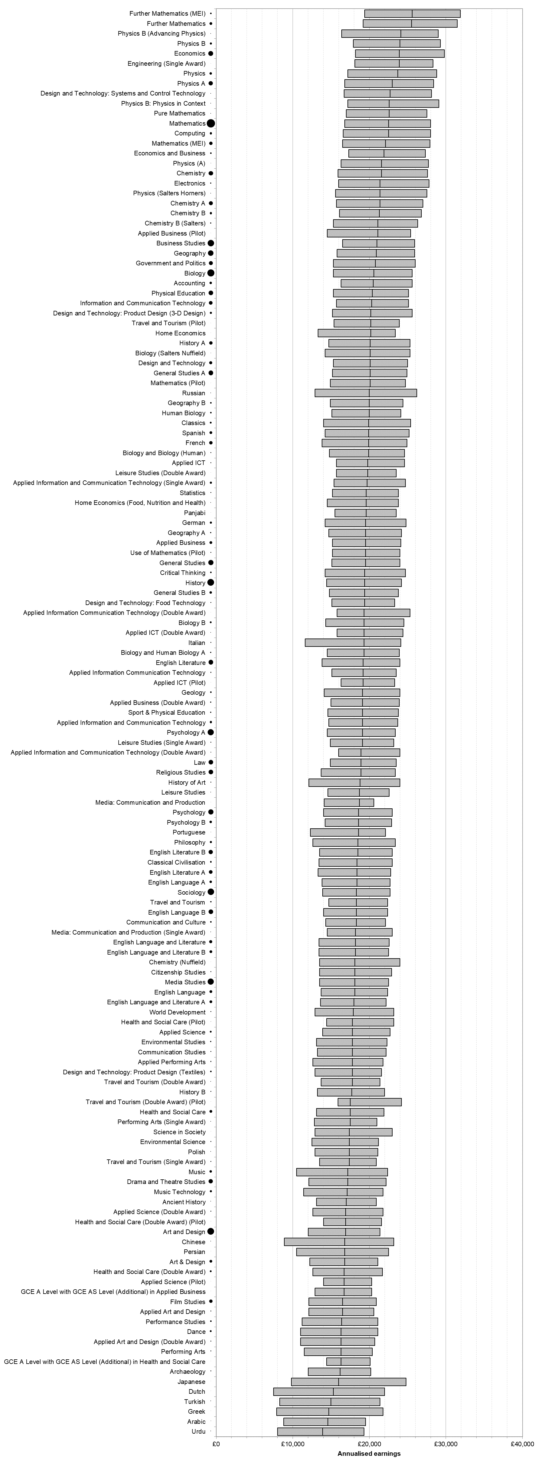
Qualification title | Learners | Lower quartile | Median | Upper quartile
GCE A Level Accounting | 3,940 | £16,300 | £20,500 | £25,600
GCE A Level Ancient History | 180 | £13,100 | £17,000 | £20,900
GCE A Level Applied Art and Design | 550 | £12,100 | £16,500 | £20,600
GCE A Level Applied Art and Design (Double Award) | 450 | £11,000 | £16,300 | £20,700
GCE A Level Applied Business | 5,250 | £15,200 | £19,500 | £24,100
GCE A Level Applied Business (Double Award) | 1,070 | £15,000 | £19,100 | £23,900
GCE A Level Applied Business (Pilot) | 40 | £14,500 | £21,100 | £25,400
GCE A Level Applied ICT | 470 | £15,700 | £19,800 | £24,600
GCE A Level Applied ICT (Double Award) | 260 | £15,800 | £19,300 | £24,400
GCE A Level Applied ICT (Pilot) | 110 | £16,300 | £19,200 | £23,300
GCE A Level Applied Information and Communication Technology | 3,430 | £14,700 | £19,100 | £23,700
GCE A Level Applied Information and Communication Technology (Double Award) | 340 | £16,000 | £18,900 | £24,000
GCE A Level Applied Information and Communication Technology (Single Award) | 2,640 | £15,400 | £19,700 | £24,700
GCE A Level Applied Information Communication Technology | 760 | £15,100 | £19,200 | £23,500
GCE A Level Applied Information Communication Technology (Double Award) | 80 | £15,800 | £19,300 | £25,300
GCE A Level Applied Performing Arts | 700 | £12,600 | £17,800 | £21,800
GCE A Level Applied Science | 1,960 | £13,900 | £17,800 | £22,700
GCE A Level Applied Science (Double Award) | 410 | £12,600 | £16,900 | £21,800
GCE A Level Applied Science (Pilot) | 40 | £14,000 | £16,700 | £20,300
GCE A Level Arabic | 140 | £8,800 | £14,600 | £19,500
GCE A Level Archaeology | 440 | £12,000 | £16,200 | £20,200
GCE A Level Art & Design | 4,510 | £12,200 | £16,800 | £21,100
GCE A Level Art and Design | 28,110 | £12,000 | £16,900 | £21,400
GCE A Level Bengali | c | c | c | c
GCE A Level Biblical Hebrew | c | c | c | c
GCE A Level Biology | 31,650 | £15,300 | £20,600 | £25,600
GCE A Level Biology (Salters Nuffield) | 130 | £14,200 | £20,100 | £25,300
GCE A Level Biology and Biology (Human) | 450 | £14,800 | £19,900 | £24,600
GCE A Level Biology and Human Biology A | 870 | £14,500 | £19,300 | £23,900
GCE A Level Biology B | 1,920 | £14,300 | £19,300 | £24,500
GCE A Level Business Studies | 25,000 | £16,500 | £21,000 | £25,900
GCE A Level Chemistry | 12,690 | £15,900 | £21,600 | £27,600
GCE A Level Chemistry (Nuffield) | 40 | £13,500 | £18,100 | £24,000
GCE A Level Chemistry A | 9,390 | £15,700 | £21,400 | £27,000
GCE A Level Chemistry B | 3,470 | £16,100 | £21,300 | £26,800
GCE A Level Chemistry B (Salters) | 820 | £15,300 | £21,100 | £26,300
GCE A Level Chinese | 230 | £8,900 | £16,800 | £23,200
GCE A Level Citizenship Studies | 670 | £13,500 | £18,100 | £22,900
GCE A Level Classical Civilisation | 1,900 | £13,400 | £18,400 | £23,000
GCE A Level Classics | 2,060 | £14,000 | £19,900 | £25,400
GCE A Level Communication and Culture | 1,760 | £14,300 | £18,300 | £22,100
GCE A Level Communication Studies | 450 | £13,200 | £17,800 | £22,200
GCE A Level Computing | 3,410 | £16,600 | £22,500 | £28,000
GCE A Level Critical Thinking | 1,400 | £14,200 | £19,400 | £24,700
GCE A Level Cymraeg Ail Iaith | c | c | c | c
GCE A Level Dance | 2,290 | £11,000 | £16,300 | £21,100
GCE A Level Design and Technology | 5,590 | £15,300 | £20,100 | £25,000
GCE A Level Design and Technology: Food Technology | 660 | £15,100 | £19,400 | £23,300
GCE A Level Design and Technology: Product Design (3-D Design) | 3,180 | £15,200 | £20,200 | £25,600
GCE A Level Design and Technology: Product Design (Textiles) | 1,680 | £12,900 | £17,800 | £21,600
GCE A Level Design and Technology: Systems and Control Technology | 170 | £16,700 | £22,700 | £28,100
GCE A Level Drama and Theatre Studies | 11,840 | £12,100 | £17,200 | £22,200
GCE A Level Dutch | 50 | £7,500 | £15,300 | £22,000
GCE A Level Economics | 15,790 | £18,200 | £23,900 | £29,800
GCE A Level Economics and Business | 1,410 | £17,300 | £21,900 | £27,300
GCE A Level Economics and Business Studies (Nuffield) | c | c | c | c
GCE A Level Electronics | 1,080 | £16,000 | £21,400 | £27,800
GCE A Level Engineering | c | c | c | c
GCE A Level Engineering (Single Award) | 150 | £18,100 | £23,900 | £28,300
GCE A Level English Language | 5,280 | £13,700 | £18,100 | £22,400
GCE A Level English Language A | 3,940 | £13,800 | £18,400 | £22,700
GCE A Level English Language and Literature | 6,410 | £13,400 | £18,200 | £22,600
GCE A Level English Language and Literature A | 4,540 | £13,600 | £18,000 | £22,200
GCE A Level English Language and Literature B | 4,450 | £13,400 | £18,200 | £22,500
GCE A Level English Language B | 13,070 | £14,000 | £18,300 | £22,400
GCE A Level English Literature | 14,520 | £13,800 | £19,200 | £24,000
GCE A Level English Literature A | 8,630 | £13,300 | £18,400 | £22,800
GCE A Level English Literature B | 12,100 | £13,500 | £18,500 | £23,000
GCE A Level Environmental Science | 440 | £12,500 | £17,400 | £21,200
GCE A Level Environmental Studies | 1,030 | £13,100 | £17,800 | £22,300
GCE A Level Film Studies | 7,020 | £12,100 | £16,500 | £20,900
GCE A Level French | 7,920 | £13,800 | £19,900 | £24,900
GCE A Level Further Mathematics | 5,540 | £19,200 | £25,500 | £31,500
GCE A Level Further Mathematics (MEI) | 1,310 | £19,400 | £25,600 | £31,900
GCE A Level Further Mathematics (Pilot) | c | c | c | c
GCE A Level General Studies | 16,470 | £15,100 | £19,500 | £24,000
GCE A Level General Studies A | 14,540 | £15,200 | £20,100 | £24,900
GCE A Level General Studies B | 3,820 | £14,800 | £19,400 | £23,800
GCE A Level Geography | 19,680 | £15,800 | £20,900 | £25,900
GCE A Level Geography A | 1,000 | £14,700 | £19,500 | £24,200
GCE A Level Geography B | 1,320 | £14,900 | £20,000 | £24,400
GCE A Level Geology | 1,480 | £14,100 | £19,100 | £24,000
GCE A Level German | 2,830 | £14,200 | £19,500 | £24,800
GCE A Level Government and Politics | 10,580 | £15,300 | £20,800 | £26,000
GCE A Level Greek | 40 | £7,900 | £14,700 | £21,800
GCE A Level Gujarati | c | c | c | c
GCE A Level Health and Social Care | 4,890 | £13,100 | £17,500 | £21,900
GCE A Level Health and Social Care (Double Award) | 2,260 | £12,600 | £16,700 | £21,700
GCE A Level Health and Social Care (Double Award) (Pilot) | 70 | £14,000 | £16,900 | £21,600
GCE A Level Health and Social Care (Pilot) | 140 | £14,400 | £17,800 | £23,200
GCE A Level History | 28,350 | £14,400 | £19,400 | £24,200
GCE A Level History A | 7,140 | £14,700 | £20,100 | £25,300
GCE A Level History B | 780 | £13,200 | £17,700 | £22,000
GCE A Level History of Art | 660 | £12,100 | £18,800 | £24,000
GCE A Level Home Economics | 50 | £13,300 | £20,200 | £23,400
GCE A Level Home Economics (Food, Nutrition and Health) | 260 | £14,500 | £19,600 | £23,800
GCE A Level Human Biology | 1,690 | £15,100 | £20,000 | £24,100
GCE A Level Information and Communication Technology | 8,250 | £15,700 | £20,300 | £25,100
GCE A Level Italian | 410 | £11,600 | £19,300 | £24,100
GCE A Level Japanese | 80 | £9,800 | £16,000 | £24,800
GCE A Level Latin | c | c | c | c
GCE A Level Law | 14,340 | £14,900 | £18,900 | £23,500
GCE A Level Leisure Studies | 190 | £14,600 | £18,700 | £22,600
GCE A Level Leisure Studies (Double Award) | 90 | £15,700 | £19,800 | £23,500
GCE A Level Leisure Studies (Single Award) | 480 | £14,900 | £19,100 | £23,200
GCE A Level Mathematics | 42,120 | £16,800 | £22,500 | £28,000
GCE A Level Mathematics (MEI) | 7,940 | £16,500 | £22,100 | £27,900
GCE A Level Mathematics (Pilot) | 60 | £14,900 | £20,100 | £24,700
GCE A Level Media Studies | 23,550 | £13,500 | £18,100 | £22,500
GCE A Level Media: Communication and Production | 50 | £14,100 | £18,700 | £20,600
GCE A Level Media: Communication and Production (Single Award) | 320 | £14,500 | £18,200 | £23,000
GCE A Level Modern Hebrew | c | c | c | c
GCE A Level Moving Image Arts | c | c | c | c
GCE A Level Music | 3,850 | £10,500 | £17,200 | £22,400
GCE A Level Music Technology | 2,730 | £11,400 | £17,100 | £21,800
GCE A Level Panjabi | 50 | £15,500 | £19,600 | £23,500
GCE A Level Performance Studies | 1,420 | £11,200 | £16,400 | £21,100
GCE A Level Performing Arts | 380 | £11,500 | £16,300 | £20,400
GCE A Level Performing Arts (Single Award) | 180 | £12,800 | £17,500 | £21,000
GCE A Level Persian | 50 | £10,500 | £16,800 | £22,500
GCE A Level Philosophy | 2,690 | £12,600 | £18,500 | £23,400
GCE A Level Physical Education | 13,600 | £15,300 | £20,400 | £25,100
GCE A Level Physics | 3,540 | £17,200 | £23,700 | £28,800
GCE A Level Physics (A) | 160 | £16,300 | £21,600 | £27,700
GCE A Level Physics (Salters Horners) | 280 | £15,600 | £21,400 | £27,500
GCE A Level Physics A | 11,350 | £16,800 | £23,000 | £28,400
GCE A Level Physics B | 2,900 | £17,900 | £24,000 | £29,300
GCE A Level Physics B (Advancing Physics) | 330 | £16,400 | £24,100 | £29,000
GCE A Level Physics B: Physics in Context | 320 | £17,200 | £22,600 | £29,100
GCE A Level Polish | 320 | £12,900 | £17,400 | £21,100
GCE A Level Portuguese | 150 | £12,300 | £18,600 | £22,100
GCE A Level Psychology | 18,000 | £14,000 | £18,600 | £23,000
GCE A Level Psychology A | 24,700 | £14,500 | £19,100 | £23,400
GCE A Level Psychology B | 3,790 | £14,200 | £18,600 | £22,900
GCE A Level Pure Mathematics | 190 | £17,000 | £22,600 | £27,500
GCE A Level Religious Studies | 13,480 | £13,700 | £18,900 | £23,400
GCE A Level Russian | 240 | £12,900 | £20,000 | £26,200
GCE A Level Science in Society | 110 | £12,900 | £17,400 | £23,000
GCE A Level Sociology | 26,100 | £13,900 | £18,300 | £22,700
GCE A Level Spanish | 4,490 | £14,200 | £19,900 | £25,200
GCE A Level Sport & Physical Education | 1,020 | £14,600 | £19,100 | £23,800
GCE A Level Statistics | 700 | £15,200 | £19,600 | £23,800
GCE A Level Technology and Design: Systems and Control | c | c | c | c
GCE A Level Travel and Tourism | 1,220 | £14,700 | £18,300 | £22,400
GCE A Level Travel and Tourism (Double Award) | 220 | £13,700 | £17,800 | £21,400
GCE A Level Travel and Tourism (Double Award) (Pilot) | 40 | £15,900 | £17,500 | £24,200
GCE A Level Travel and Tourism (Pilot) | 120 | £15,400 | £20,200 | £23,900
GCE A Level Travel and Tourism (Single Award) | 460 | £13,500 | £17,400 | £20,900
GCE A Level Turkish | 180 | £8,300 | £15,000 | £21,400
GCE A Level Urdu | 230 | £8,000 | £13,900 | £19,300
GCE A Level Use of Mathematics (Pilot) | 560 | £15,200 | £19,500 | £24,000
GCE A Level with GCE AS Level (Additional) in Applied Art and Design | c | c | c | c
GCE A Level with GCE AS Level (Additional) in Applied Business | 50 | £12,900 | £16,700 | £20,300
GCE A Level with GCE AS Level (Additional) in Applied Information and Communication Technology | c | c | c | c
GCE A Level with GCE AS Level (Additional) in Applied Science | c | c | c | c
GCE A Level with GCE AS Level (Additional) in Health and Social Care | 60 | £14,400 | £16,300 | £20,100
GCE A Level with GCE AS Level (Additional) in Travel and Tourism | c | c | c | c
GCE A Level World Development | 520 | £12,900 | £17,900 | £23,200

Table 2 other level 3 quals
Table 2: Annualised earnings in 2016-17 tax year for other level 3 qualifications achieved in academic year 2010/11 by sector subject area

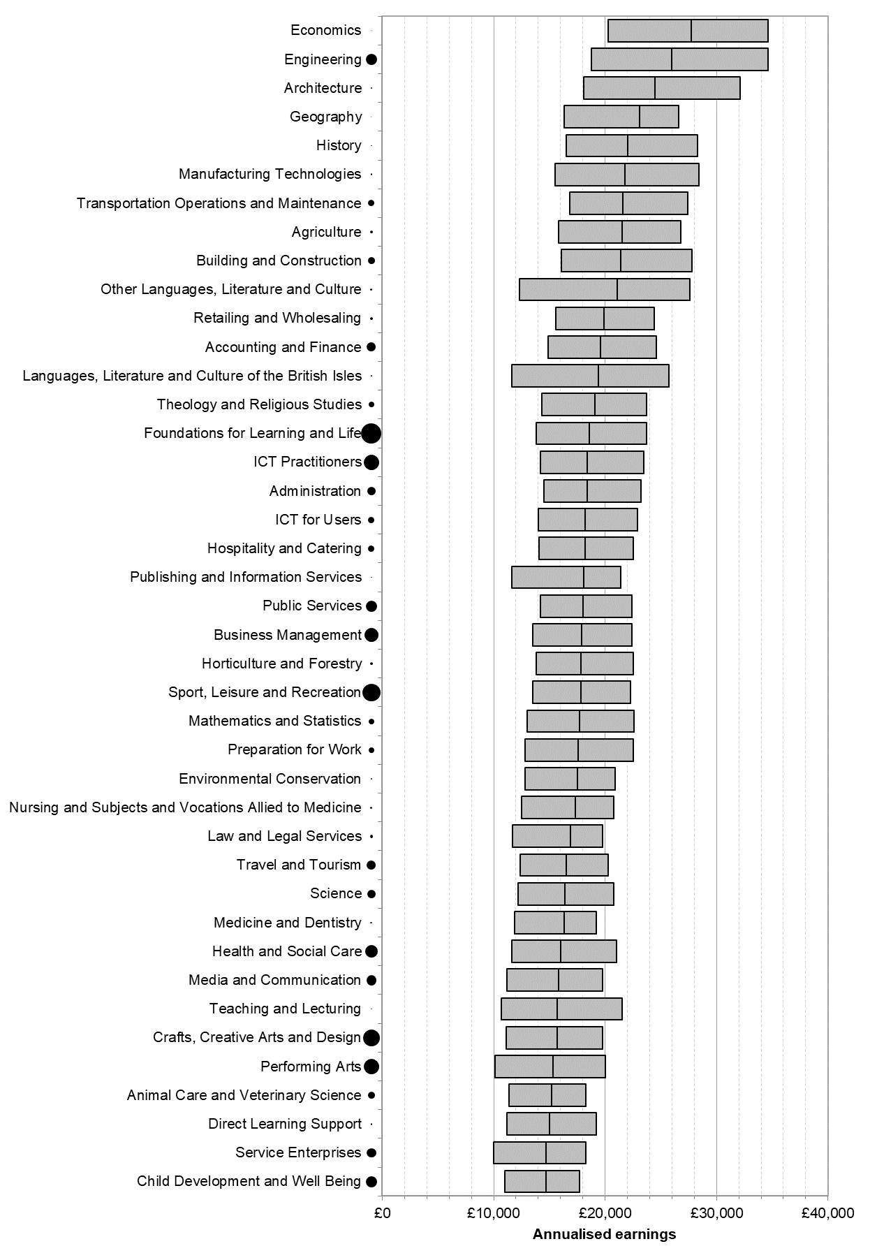
Sector Subject Area (Tier 2) |  | Learners | Lower quartile | Median | Upper quartile
1.1 | Medicine and Dentistry | 320 | £11,900 | £16,300 | £19,200
1.2 | Nursing and Subjects and Vocations Allied to Medicine | 280 | £12,500 | £17,300 | £20,800
1.3 | Health and Social Care | 13,190 | £11,600 | £16,000 | £21,000
1.4 | Public Services | 10,470 | £14,200 | £18,000 | £22,400
1.5 | Child Development and Well Being | 10,050 | £11,000 | £14,700 | £17,700
2.1 | Science | 5,520 | £12,200 | £16,400 | £20,800
2.2 | Mathematics and Statistics | 2,600 | £13,000 | £17,700 | £22,600
3.1 | Agriculture | 580 | £15,800 | £21,500 | £26,800
3.2 | Horticulture and Forestry | 630 | £13,800 | £17,800 | £22,500
3.3 | Animal Care and Veterinary Science | 4,220 | £11,400 | £15,200 | £18,300
3.4 | Environmental Conservation | 150 | £12,800 | £17,500 | £20,900
4.1 | Engineering | 9,540 | £18,800 | £26,000 | £34,600
4.2 | Manufacturing Technologies | 230 | £15,500 | £21,800 | £28,400
4.3 | Transportation Operations and Maintenance | 3,300 | £16,800 | £21,600 | £27,400
5.1 | Architecture | 140 | £18,100 | £24,500 | £32,100
5.2 | Building and Construction | 4,120 | £16,100 | £21,400 | £27,800
6.1 | ICT Practitioners | 19,490 | £14,200 | £18,400 | £23,500
6.2 | ICT for Users | 3,340 | £14,000 | £18,200 | £22,900
7.1 | Retailing and Wholesaling | 510 | £15,600 | £19,900 | £24,400
7.2 | Warehousing and Distribution | c | c | c | c
7.3 | Service Enterprises | 7,230 | £10,000 | £14,700 | £18,300
7.4 | Hospitality and Catering | 3,080 | £14,100 | £18,200 | £22,500
8.1 | Sport, Leisure and Recreation | 26,030 | £13,500 | £17,800 | £22,300
8.2 | Travel and Tourism | 6,670 | £12,400 | £16,500 | £20,300
9.1 | Performing Arts | 19,840 | £10,100 | £15,300 | £20,000
9.2 | Crafts, Creative Arts and Design | 22,100 | £11,100 | £15,700 | £19,800
9.3 | Media and Communication | 8,350 | £11,200 | £15,800 | £19,800
9.4 | Publishing and Information Services | 80 | £11,600 | £18,100 | £21,400
10.1 | History | 100 | £16,500 | £22,000 | £28,300
10.4 | Theology and Religious Studies | 2,400 | £14,300 | £19,100 | £23,700
11.1 | Geography | 40 | £16,300 | £23,100 | £26,600
11.3 | Politics | c | c | c | c
11.4 | Economics | 60 | £20,300 | £27,700 | £34,600
12.1 | Languages, Literature and Culture of the British Isles | 180 | £11,600 | £19,400 | £25,700
12.2 | Other Languages, Literature and Culture | 370 | £12,300 | £21,100 | £27,600
13.1 | Teaching and Lecturing | 100 | £10,700 | £15,700 | £21,500
13.2 | Direct Learning Support | 200 | £11,200 | £15,000 | £19,200
14.1 | Foundations for Learning and Life | 33,860 | £13,800 | £18,600 | £23,700
14.2 | Preparation for Work | 2,290 | £12,800 | £17,600 | £22,500
15.1 | Accounting and Finance | 6,740 | £14,900 | £19,600 | £24,600
15.2 | Administration | 5,180 | £14,500 | £18,400 | £23,200
15.3 | Business Management | 15,320 | £13,500 | £17,900 | £22,400
15.4 | Marketing and Sales | c | c | c | c
15.5 | Law and Legal Services | 730 | £11,700 | £16,900 | £19,800

