Front
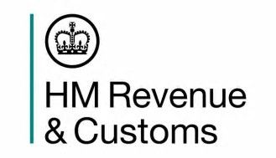
 |  |  | HM Revenue and Customs
 |  |  | KAI Benefits and Credits

Coverage: United Kingdom | Income Tax, National Insurance
Released: 22 August 2019 | Contributions, Tax Credits and
 | Child Benefit Statistics for
Revisions: There have been revisions to the numbers of recently arrived non-UK nationals claiming tax credits and Child Benefit in 2015-16 following data revisions. Tables A1, A2, B2 and B4 for 2015-16 have been updated accordingly. | Non-UK Nationals

 |  | 2013-14, 2014-15 and 2015-16

Media Contact:
HMRC Press Office
03000 585022

Statistical Contacts:

Tom Curd
tom.curd1@hmrc.gov.uk
HM Revenue and Customs

Nathan Prabhu-Naik
nathan.prabhu-naik@hmrc.gov.uk
HM Revenue and Customs

