Front
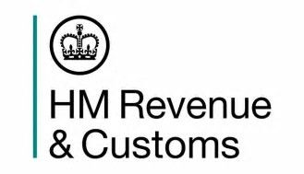
 |  |  | HM Revenue and Customs
 |  |  | KAI Benefits and Credits

Coverage: United Kingdom | Child and Working Tax Credit
Released: 31 July 2019 |  | Statistics:

 | Finalised annual awards
 |  | Suppliment on payments
 |  | 2017 to 2018
 |  | Geographical Analyses

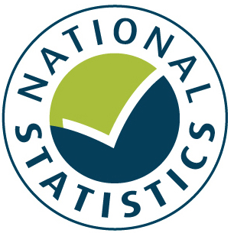
Media Contact:
HMRC Press Office
020 7147 2318

Statistical Contact:
Vishal Abhol
benefitsandcredits.analysis@hmrc.gov.uk
HM Revenue and Customs

 |  |  | A National Statistics Publication
 |  |  | © Crown Copyright 2019

