Fig 3.1
Figure 3.1: Types of parking, 2017 | Underlying Data for Figure 3.1: Types of parking, 2017

 |  | percentages
 | garage or car port - on plot | 35.6
 | garage or car port - off plot | 2.7
 | designated parking space - on plot | 24.8
 | designated parking space - off plot | 3.4
 | communal parking | 7.4
 | no designated parking provision | 26.0

Base: all dwellings
Note: underlying data are presented in Annex Table 3.2
Source: English Housing Survey, dwelling sample

Fig 3.2
Figure 3.2: Proportion of off-gas dwellings, by region, 2017 | Underlying Data for Figure 3.2: Proportion of off-gas dwellings, by region, 2017
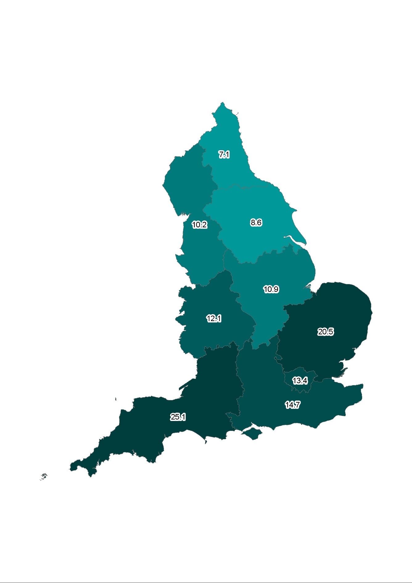
 |  | percentages
 | North East | 7.1
 | North West | 10.2
 | Yorkshire and the Humber | 8.6
 | East Midlands | 10.9
 | West Midlands | 12.1
 | East | 20.5
 | London | 13.4
 | South East | 14.7
 | South West | 25.1

Base: all dwellings
Note: underlying data are presented in Annex Table 3.4
Source: English Housing Survey, dwelling sample

Fig 3.3
Figure 3.3: Age of heating system, by tenure, 2017 | Underlying Data for Figure 3.3: Age of heating system, by tenure, 2017
 | all dwellings
 |  | owner occupied | private rented | local authority | housing association

 |  |  |  |  | percentages
 | less than 3 years old | 28.9 | 28.7 | 25.2 | 30.8
 | 3-12 years old | 45.0 | 45.4 | 54.7 | 51.0
 | more than 12 years old | 26.1 | 25.9 | 20.1 | 18.2

Base: all dwellings
Notes:
1) this figure refers to the age of the primary heating system. For central heating systems, this is the age of the boiler.

2) underlying data are presented in Annex Table 3.7
Source: English Housing Survey, dwelling sample

