Table 10
Table 10: Predicted time to clear AFCS claims1,2, by claim type

Table 10 provides summary results from the survival analysis, presenting the predicted number of working days at which 25%, 50%, 75% and 100% of claims will be cleared
1 April 2017 - 31 March 2019

Return to Contents

 | Predicted number of working days to clear 25%, 50%, 75% and 100% of claims |  |  |  | Significance of relationship between claim types
Claim type | 25% | 50% | 75% | 100% | Claim type | Injury claims | Survivors' claims | Reconsiderations | Appeals
Injury claims | 45 | 63 | 110 | 1,259 | Injury claims | - | .000 | .000 | .000
Survivors' claims | 74 | 181 | 305 | 620 | Survivor's | .000 | - | .000 | .000
Reconsiderations | 69 | 145 | 219 | 737 | Reconsiderations | .000 | .000 | - | .000
Appeals | 326 | 410 | 536 | 1,886 | Appeals | .000 | .000 | .000 | -

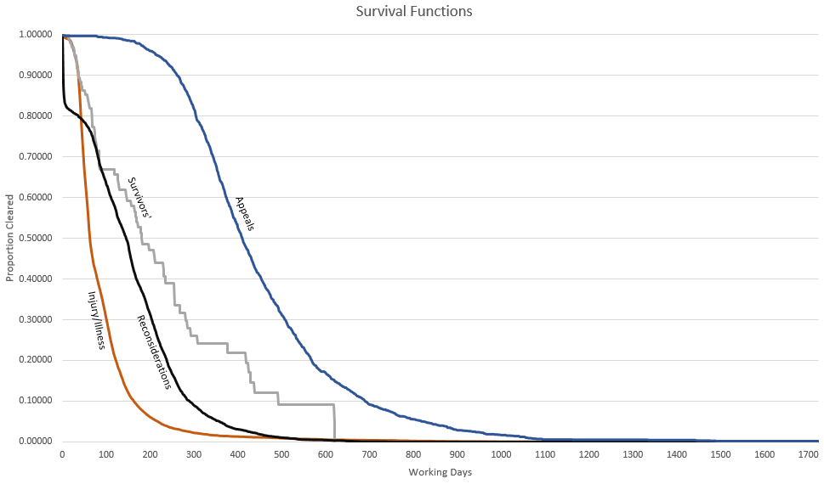

Source: Compensation and Pension System (CAPS)
Generated using a Kaplan Meier survival model.
1. From 1 April 2017, there was a change in the methodology used to calculate clearance times. Prior to this date, clearance times were calculated using the date DBS Veterans UK registered the claim on the CAPS.
From 1 April 2017, clearance times were calculated using the date DBS Veterans UK received the claim. For many claims, these dates are not the same.
2. The survival analysis included injury/illness claims, survivors' claims, reconsiderations and appeals that were cleared between 1 April 2017 and 31 Match 2019. It also included all injury/illness claims,
survivors' claims, reconsiderations and appeals that were pending as at 31 March 2019.

