Figure 6
Results: Differences in mental disorders among those previously deployed to Iraq/Afghanistan compared to those not previously deployed there

Figure 6 shows the rate ratio and CI for UK Armed Forces personnel seen at the MOD’s DCMH’s, for Iraq and/or Afghanistan by mental disorder in 2018/19

Figure 6 : UK Armed Forces personnel seen at the MOD’s DCMH’s, for Iraq and/or Afghanistan by mental disorder, Rate Ratio, 95% Confidence Interval1,2
2018/19
Source: Defence Statistics Health DS Database and DMICP

Return to Contents
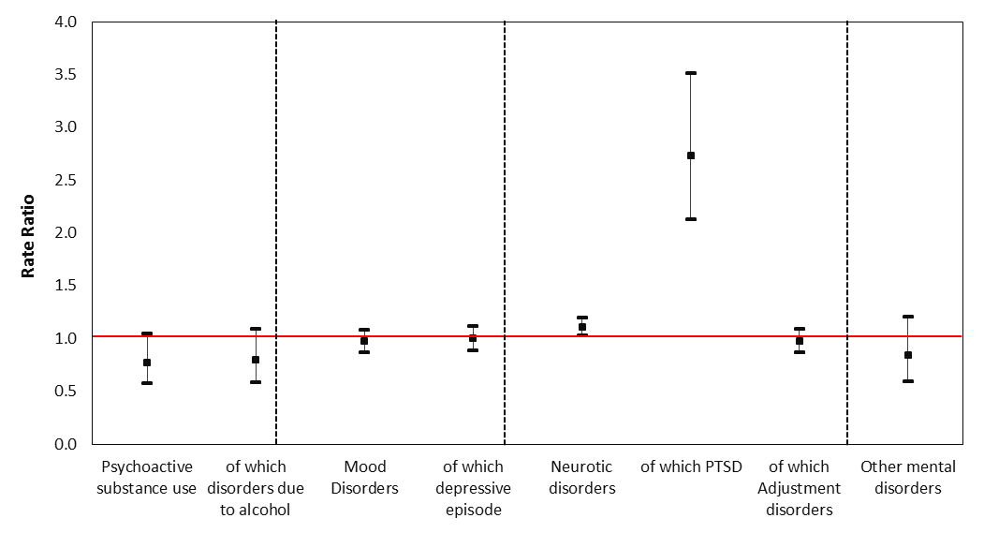
 |  |  |  |  |  |  |  |  |  | Underlying data: | RR | LCI | UCI
 |  |  |  |  |  |  |  |  |  | Psychoactive substance use | 0.8 | 0.6 | 1.0
 |  |  |  |  |  |  |  |  |  | of which disorders due to alcohol | 0.8 | 0.6 | 1.1
 |  |  |  |  |  |  |  |  |  | Mood Disorders | 1.0 | 0.9 | 1.1
 |  |  |  |  |  |  |  |  |  | of which depressive episode | 1.0 | 0.9 | 1.1
 |  |  |  |  |  |  |  |  |  | Neurotic disorders | 1.1 | 1.0 | 1.2
 |  |  |  |  |  |  |  |  |  | of which PTSD | 2.7 | 2.1 | 3.5
 |  |  |  |  |  |  |  |  |  | of which Adjustment disorders | 1.0 | 0.9 | 1.1
 |  |  |  |  |  |  |  |  |  | Other mental disorders | 0.8 | 0.6 | 1.2

1. Deployment to the wider theatre of operation (see BQR)
2. Data for Afghanistan between 1 January 2003 and 14 October 2005 were not available for person level deployment (see BQR).

Table 6 shows the number of patients seen and rate ratios by disorder and deployment 2018/19

Table 6: UK Armed Forces assessed at the MOD’s DCMH by ICD-10 and deployment, number and rate ratios1,2,3.
2018/19
Source: Defence Statistics (Health) DS Database and DMICP

 |  |  | Deployment - Theatres of operation1
 |  |  | Iraq and/or Afghanistan2 |  |  | of which |  |  |  |  |  | Not previously deployed
 |  | All patients seen |  |  |  | Iraq |  |  | Afghanistan3
ICD-10 description |  |  | Patients seen | Rate ratio | 95% CI | Patients seen | Rate ratio | 95% CI | Patients seen | Rate ratio | 95% CI | Patients seen
Psychoactive substance use |  | 176 | 73 | 0.8 | (0.6 - 1.0) | 50 | 1.0 | (0.7 - 1.3) | 58 | 0.7 | (0.5 - 1.0) | 103
of which disorders due to alcohol |  | 168 | 71 | 0.8 | (0.6 - 1.1) | 49 | 1.0 | (0.7 - 1.4) | 57 | 0.8 | (0.6 - 1.1) | 97
Mood disorders |  | 1343 | 632 | 1.0 | (0.9 - 1.1) | 359 | 1.0 | (0.9 - 1.1) | 532 | 1.0 | (0.9 - 1.1) | 711
of which depressive episode |  | 1192 | 569 | 1.0 | (0.9 - 1.1) | 323 | 1.0 | (0.9 - 1.2) | 480 | 1.0 | (0.9 - 1.1) | 623
Neurotic disorders |  | 2576 | 1296 | 1.1 | (1.0 - 1.2) | 692 | 1.1 | (1.0 - 1.2) | 1109 | 1.1 | (1.0 - 1.2) | 1280
of which PTSD |  | 301 | 215 | 2.7 | (2.1 - 3.5) | 118 | 2.7 | (2.0 - 3.6) | 195 | 2.9 | (2.3 - 3.8) | 86
of which Adjustment disorders |  | 1220 | 574 | 1.0 | (0.9 - 1.1) | 305 | 0.9 | (0.8 - 1.1) | 481 | 1.0 | (0.9 - 1.1) | 646
Other mental and behavioural disorders |  | 124 | 54 | 0.8 | (0.6 - 1.2) | 25 | 0.7 | (0.4 - 1.1) | 47 | 0.9 | (0.6 - 1.3) | 70

1. | Deployment to the wider theatre of operation (see BQR).
2. | Rate ratio compares personnel identified as deployed to these theatres of operation with those not identified as deployed to either theatre of operation.
3. | Figures for Afghanistan theatre of Operation for period October 2005 – present (see BQR).

Figure 14
Results : UK Armed Forces mental disorders at MOD DCMH 2007/08-2018/19

Figure 14 shows percentage personnel at risk for UK Armed Forces personnel with an initial assessment at the MOD’s DCMH, for psychoactive substance misuse due to alcohol, by gender between 2007/08 and 2018/19

Figure 14: UK Armed Forces personnel with an initial assessment at the MOD’s DCMH, for psychoactive substance misuse due to alcohol, by gender, percentage personnel at risk1,2,3,4.
2007/08 - 2018/19
Source: Defence Statistics Health DS Database and DMICP

Return to contents
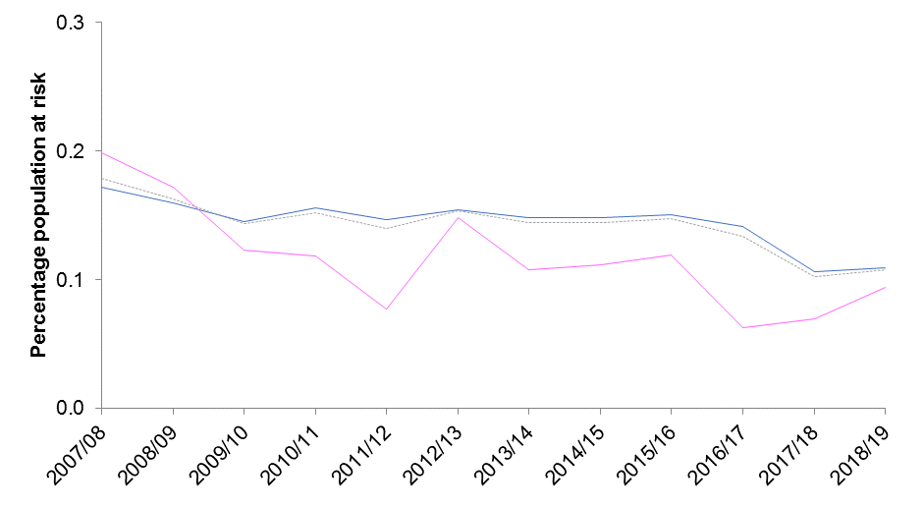
 | Underlying data: |  |  |  |  |  |  |  |  |  |  |  |  |  | 2007/08 |  |  | 2008/09 |  |  | 2009/10 |  |  | 2010/11 |  |  | 2011/12 |  |  | 2012/13 |  |  | 2013/14 |  |  | 2014/15 |  |  | 2015/16 |  |  | 2016/17 |  |  | 2017/18 |  |  | 2018/19
 |  | 2007/08 | 2008/09 | 2009/10 | 2010/11 | 2011/12 | 2012/131 | 2013/14 | 2014/15 | 2015/16 | 2016/17 | 2017/18 | 2018/19 |  | n | rate | 95% CI | n | rate | 95% CI | n | rate | 95% CI | n | rate | 95% CI | n | rate | 95% CI | n | rate | 95% CI | n | rate | 95% CI | n | rate | 95% CI | n | rate | 95% CI | n | rate | 95% CI | n | rate | 95% CI | n | rate | 95% CI
 | Male | 0.2 | 0.2 | 0.1 | 0.2 | 0.1 | 0.2 | 0.1 | 0.1 | 0.2 | 0.1 | 0.1 | 0.1 | Male | 310 | 1.7 | (1.5 - 1.9) | 286 | 1.6 | (1.4 - 1.8) | 266 | 1.5 | (1.3 - 1.6) | 283 | 1.6 | (1.4 - 1.7) | 259 | 1.5 | (1.3 - 1.6) | 261 | 1.5 | (1.4 - 1.7) | 236 | 1.5 | (1.3 - 1.7) | 223 | 1.5 | (1.3 - 1.7) | 221 | 1.5 | (1.3 - 1.7) | 206 | 1.4 | (1.2 - 1.6) | 152 | 1.1 | (0.9 - 1.2) | 153 | 1.1 | (0.9 - 1.3)
 | Female | 0.2 | 0.2 | 0.1 | 0.1 | 0.1 | 0.1 | 0.1 | 0.1 | 0.1 | 0.1 | 0.1 | 0.1 | Female | 36 | 2.0 | (1.3 - 2.6) | 31 | 1.7 | (1.1 - 2.3) | 23 | 1.2 | (0.8 - 1.9) | 22 | 1.2 | (0.7 - 1.8) | 14 | 0.8 | (0.4 - 1.3) | 26 | 1.5 | (1.0 - 2.2) | 18 | 1.1 | (0.6 - 1.7) | 18 | 1.1 | (0.7 - 1.8) | 19 | 1.2 | (0.7 - 1.9) | 10 | 0.6 | (0.3 - 1.2) | 11 | 0.7 | (0.3 - 1.2) | 15 | 0.9 | (0.5 - 1.6)
 | UK Armed Forces | 0.2 | 0.2 | 0.1 | 0.2 | 0.1 | 0.2 | 0.1 | 0.1 | 0.1 | 0.1 | 0.1 | 0.1 | UK Armed Forces | 355 | 1.8 | (1.6 - 2.0) | 321 | 1.6 | (1.4 - 1.8) | 290 | 1.4 | (1.3 - 1.6) | 305 | 1.5 | (1.4 - 1.7) | 273 | 1.4 | (1.2 - 1.6) | 287 | 1.5 | (1.4 - 1.7) | 254 | 1.4 | (1.3 - 1.6) | 241 | 1.4 | (1.3 - 1.6) | 240 | 1.5 | (1.3 - 1.7) | 216 | 1.3 | (1.2 - 1.5) | 163 | 1.0 | (0.9 - 1.2) | 168 | 1.1 | (0.9 - 1.2)

1. Dotted lines represent 2012/13 revised methodology to include electronic patient record data source (paragraph 68).
2. Percentages are based on the calculation of the absolute number and are presented to 1dp (See paragraph 71)
3. Excludes personnel where Initial diagnosis was not supplied (See BQR)
4. For some years the sum of males and females will not equal the overall UK Armed Forces total as there were some personnel missing demographic information (See BQR)

Figure 15
Results : UK Armed Forces mental disorders at MOD DCMH 2007/08-2018/19

Figure 15 shows percentage personnel at risk for UK Armed Forces personnel with an initial assessment at the MOD’s DCMH, for PTSD, by gender between 2007/08 and 2018/19

Figure 15: UK Armed Forces personnel with an initial assessment at the MOD’s DCMH, for PTSD, by gender, percentage personnel at risk1,2,3,4.
2007/08 - 2018/19
Source: Defence Statistics Health DS Database and DMICP

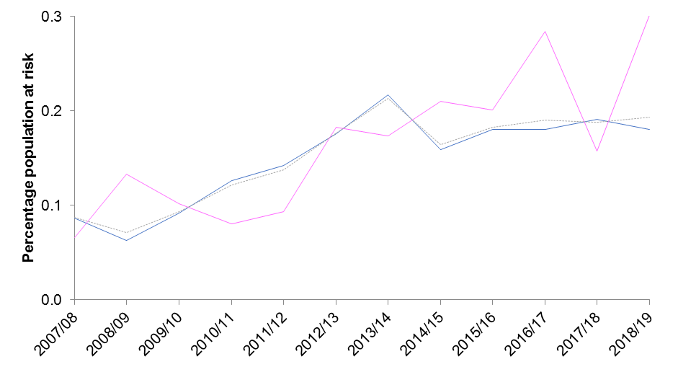
Return to Contents
 | Underlying data: |  |  |  |  |  |  |  |  |  |  |  |  |  | 2007/08 |  |  | 2008/09 |  |  | 2009/10 |  |  | 2010/11 |  |  | 2011/12 |  |  | 2012/13 |  |  | 2013/14 |  |  | 2014/15 |  |  | 2015/16 |  |  | 2016/17 |  |  | 2017/18 |  |  | 2018/19
 |  | 2007/08 | 2008/09 | 2009/10 | 2010/11 | 2011/12 | 2012/131 | 2013/14 | 2014/15 | 2015/16 | 2016/17 | 2017/18 | 2018/19 |  | n | rate | 95% CI | n | rate | 95% CI | n | rate | 95% CI | n | rate | 95% CI | n | rate | 95% CI | n | rate | 95% CI | n | rate | 95% CI | n | rate | 95% CI | n | rate | 95% CI | n | rate | 95% CI | n | rate | 95% CI | n | rate | 95% CI
 | Male | 0.1 | 0.1 | 0.1 | 0.1 | 0.1 | 0.2 | 0.2 | 0.2 | 0.2 | 0.2 | 0.2 | 0.2 | Male | 156 | 0.9 | (0.7 - 1.0) | 113 | 0.6 | (0.5 - 0.7) | 168 | 0.9 | (0.8 - 1.1) | 229 | 1.3 | (1.1 - 1.4) | 252 | 1.4 | (1.2 - 1.6) | 298 | 1.8 | (1.6 - 2.0) | 346 | 2.2 | (1.9 - 2.4) | 240 | 1.6 | (1.4 - 1.8) | 265 | 1.8 | (1.6 - 2.0) | 262 | 1.8 | (1.6 - 2.0) | 274 | 1.9 | (1.7 - 2.1) | 253 | 1.8 | (1.6 - 2.0)
 | Female | 0.1 | 0.1 | 0.1 | 0.1 | 0.1 | 0.2 | 0.2 | 0.2 | 0.2 | 0.3 | 0.2 | 0.3 | Female | 12 | 0.7 | (0.3 - 1.2) | 24 | 1.3 | (0.9 - 2.0) | 19 | 1.0 | (0.6 - 1.6) | 15 | 0.8 | (0.5 - 1.3) | 17 | 0.9 | (0.5 - 1.5) | 32 | 1.8 | (1.2 - 2.5) | 29 | 1.7 | (1.2 - 2.5) | 34 | 2.1 | (1.4 - 2.8) | 32 | 2.0 | (1.3 - 2.7) | 45 | 2.8 | (2.0 - 3.7) | 25 | 1.6 | (1.0 - 2.3) | 48 | 3.0 | (2.2 - 3.9)
 | UK Armed Forces | 0.1 | 0.1 | 0.1 | 0.1 | 0.1 | 0.2 | 0.2 | 0.2 | 0.2 | 0.2 | 0.2 | 0.2 | UK Armed Forces | 174 | 0.9 | (0.7 - 1.0) | 141 | 0.7 | (0.6 - 0.8) | 188 | 0.9 | (0.8 - 1.1) | 244 | 1.2 | (1.1 - 1.4) | 269 | 1.4 | (1.2 - 1.5) | 330 | 1.8 | (1.6 - 2.0) | 375 | 2.1 | (1.9 - 2.3) | 274 | 1.6 | (1.4 - 1.8) | 297 | 1.8 | (1.6 - 2.0) | 307 | 1.9 | (1.7 - 2.1) | 299 | 1.9 | (1.7 - 2.1) | 301 | 1.9 | (1.7 - 2.1)

1. Dotted lines represent 2012/13 revised methodology to include electronic patient record data source (paragraph 68).
2. Percentages are based on the calculation of the absolute number and are presented to 1dp (See paragraph 71)
3. Excludes personnel where Initial diagnosis was not supplied (See BQR)
4. For some years the sum of males and females will not equal the overall UK Armed Forces total as there were some personnel missing demographic information (See BQR)

