Contents

Vocational and Other Qualifications Quarterly: January to March (quarter 1) 2019
 |  | England
Summary | Main trends for this quarter

Table 1 | Number of certificates awarded by qualification type

Table 2 | Number of certificates awarded by qualification level

Table 3 | Number of certificates awarded by sector subject area

Table 4 | Number of certificates awarded in the past 5 years

Table 5 | Number of certificates awarded in this quarter by second-tier sector subject area

Table 6 | The 50 qualifications with the highest number of certificates issued in this quarter

Table 7 | The 50 awarding organisations with the highest number of certificates issued in this quarter

Table 8 | The 50 awarding organisations with the highest number of certificates issued in the 12 months to this quarter end

Notes | Notes accompanying this release

Reference: Ofqual/19/6512/1
Release date: 13 June 2019
Head of Profession: Vikas Dhawan
Contact: statistics@ofqual.gov.uk

Certificates by type
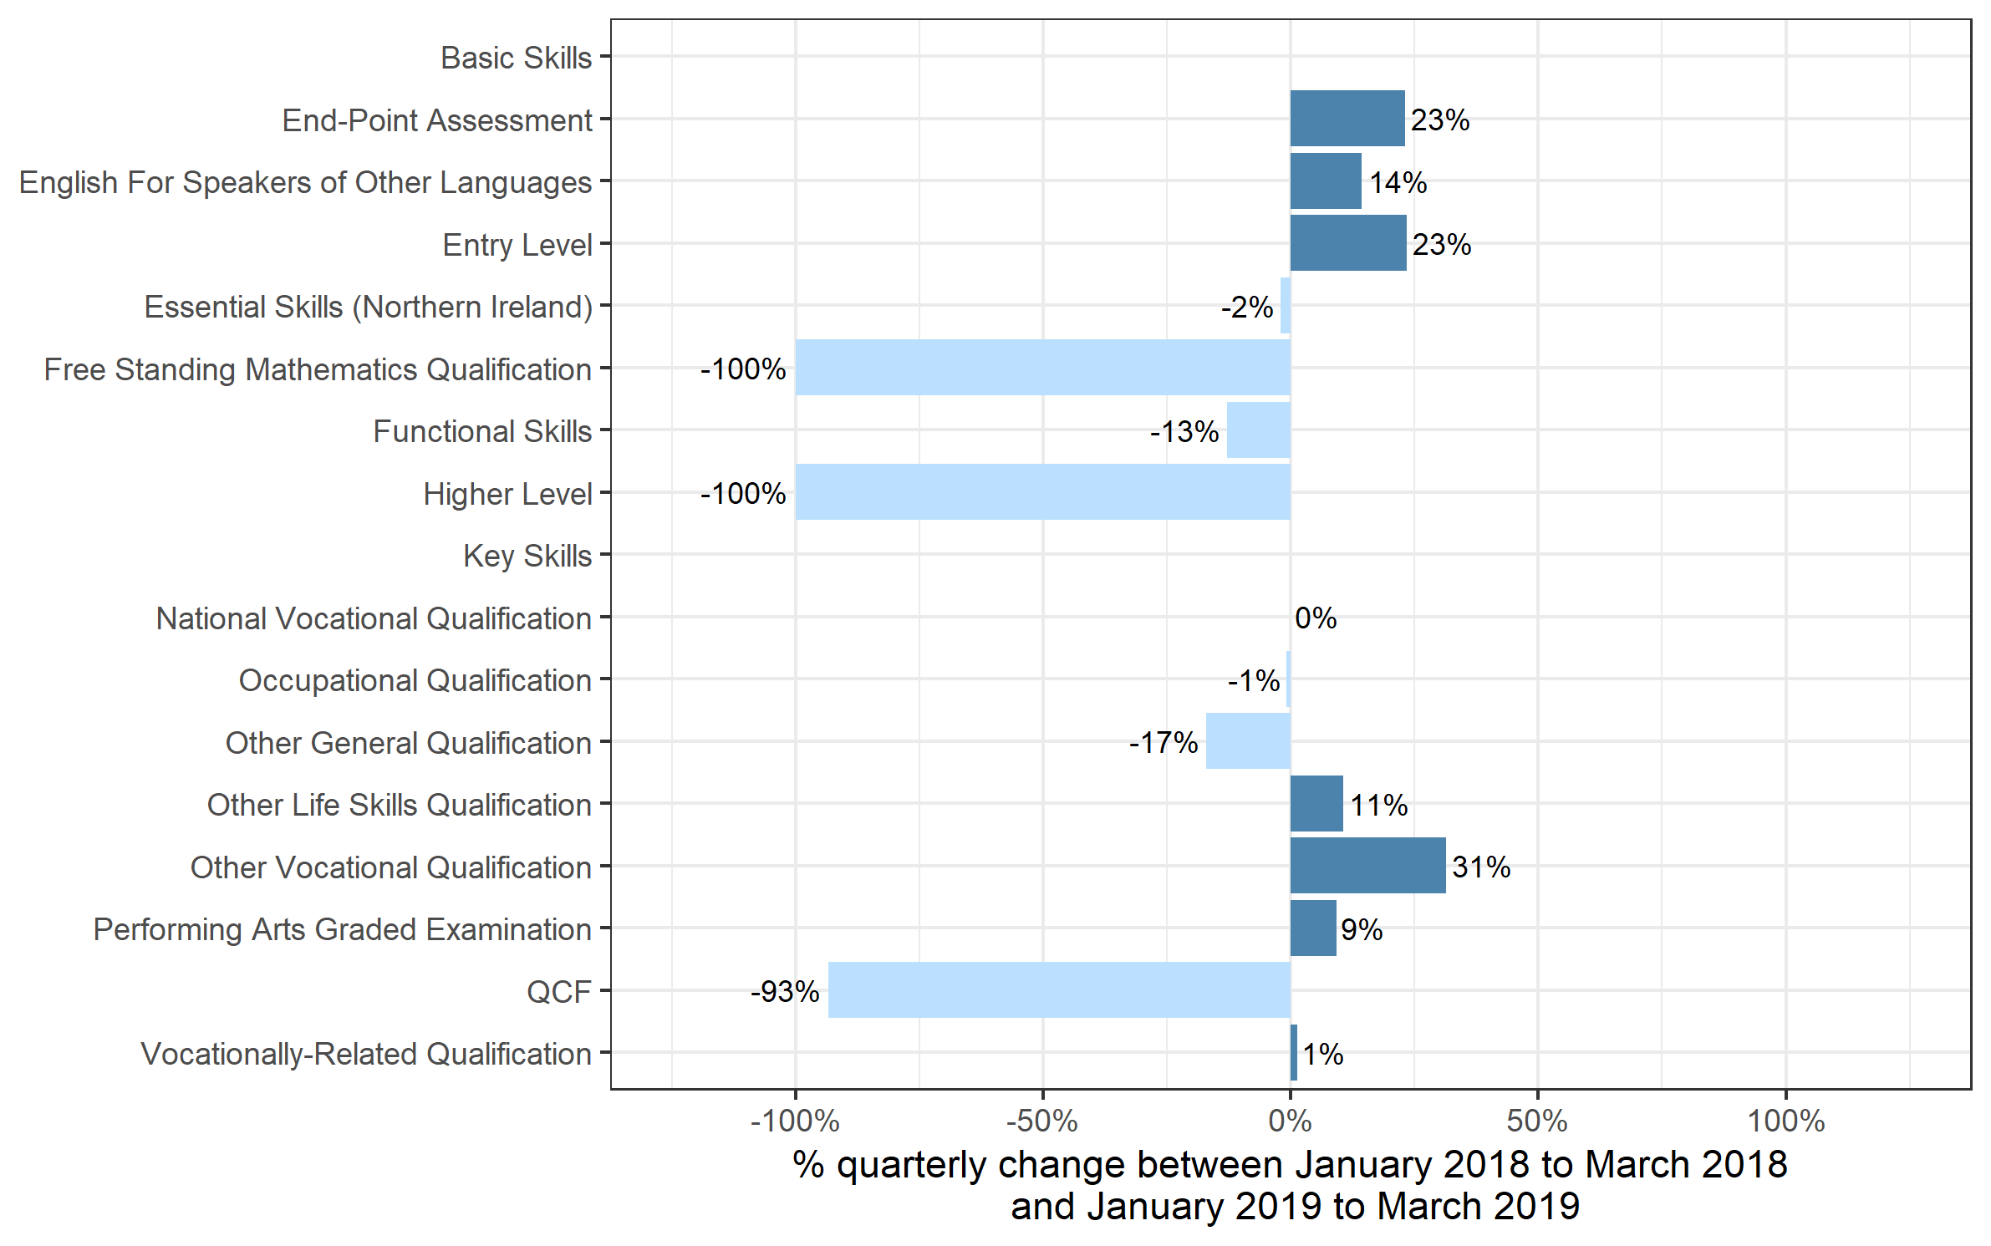
Number of certificates awarded by qualification level
Comparison with the same quarter previous year and previous 12 months

 | Quarterly comparison |  | Annual comparison

Qualification Type | Jan 2018 to Mar 2018 | Jan 2019 to Mar 2019 | Apr 2017 to Mar 2018 | Apr 2018 to Mar 2019
Basic Skills | - | - | 0~ | -
End-Point Assessment | 26 | 32 | 26 | 79
English For Speakers of Other Languages | 80,978 | 92,628 | 342,978 | 404,444
Entry Level | 1,412 | 1,742 | 37,427 | 19,835
Essential Skills (Northern Ireland) | 47 | 46 | 236 | 279
Free Standing Mathematics Qualification | 116 | - | 8,903 | 2,781
Functional Skills | 137,808 | 120,055 | 738,876 | 673,684
Higher Level | 79 | - | 214 | 97
Key Skills | - | 5 | 2,320 | 76
National Vocational Qualification | 0~ | 0~ | 18 | 0~
Occupational Qualification | 165,889 | 164,417 | 723,165 | 757,546
Other General Qualification | 6,145 | 5,098 | 331,745 | 278,784
Other Life Skills Qualification | 50,760 | 56,118 | 266,949 | 308,620
Other Vocational Qualification | 94,613 | 124,251 | 295,971 | 430,229
Performing Arts Graded Examination | 74,125 | 80,933 | 463,808 | 473,144
QCF | 24,453 | 1,591 | 506,768 | 46,251
Vocationally-Related Qualification | 403,375 | 408,373 | 2,216,562 | 2,474,630
Total | 1,039,827 | 1,055,290 | 5,935,968 | 5,870,480

 |  |  |  |  | Note: the percentage changes for Higher Level and Free Standing Mathematics Qualifications were greater than the ranges shown on the chart and have therefore been restricted to 100% to better aid interpretation of the rest of the chart.

Certificates by Level
Number of certificates awarded by qualification level
Comparison with the same quarter previous year and previous 12 months

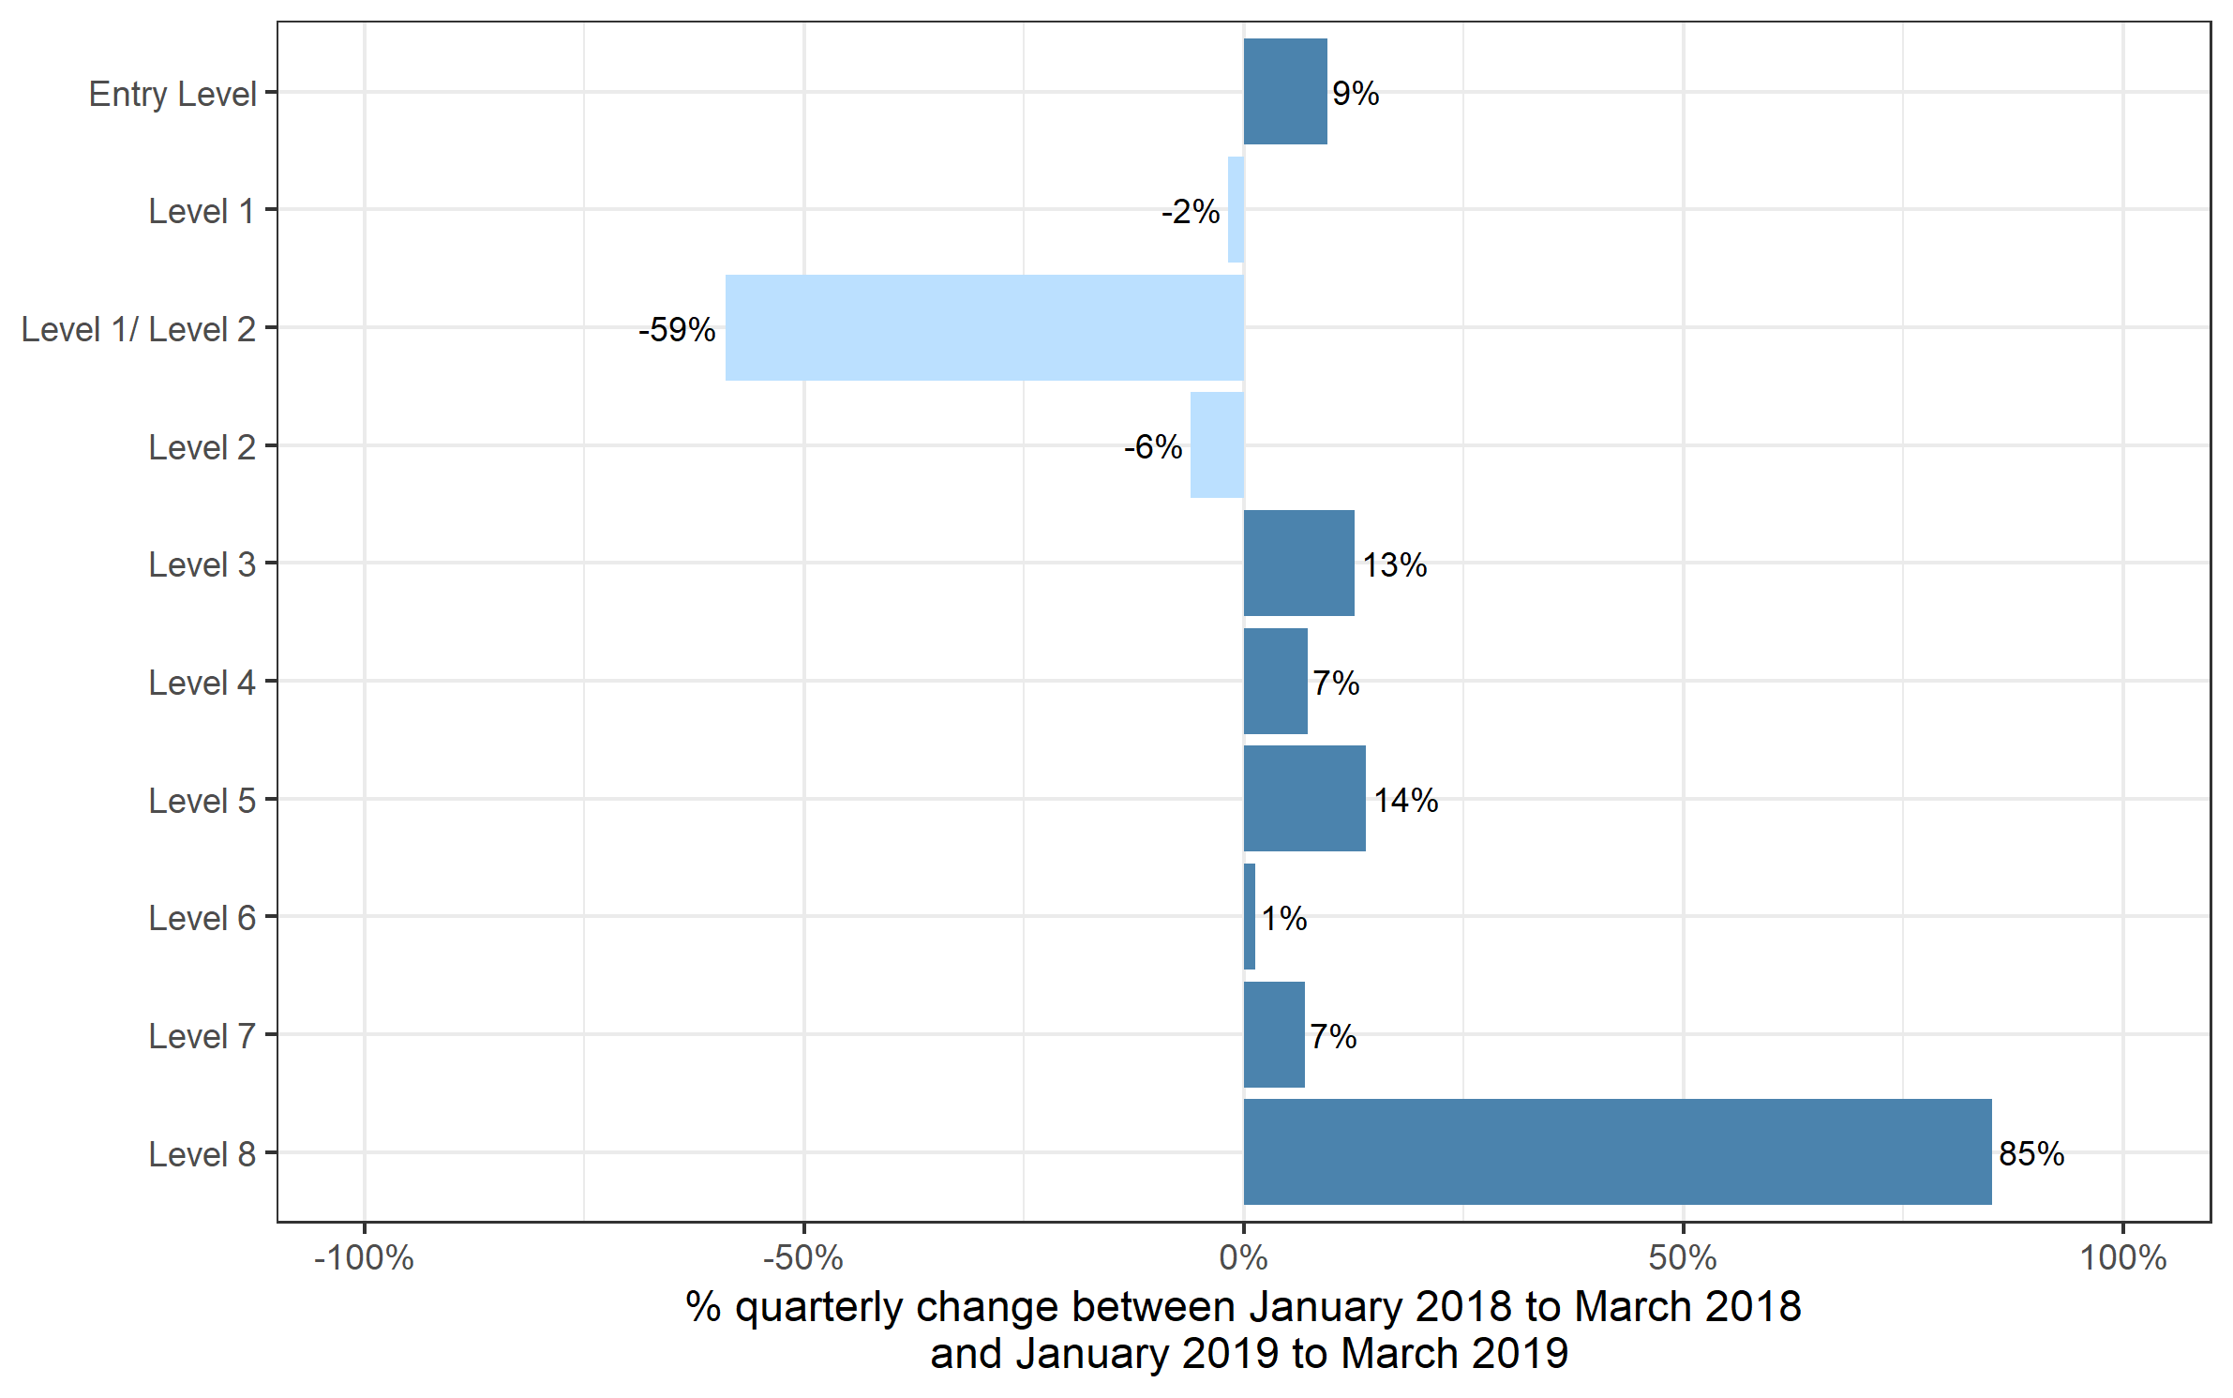
 | Quarterly comparison |  | Annual comparison

Qualification Level | Jan 2018 to Mar 2018 | Jan 2019 to Mar 2019 | Apr 2017 to Mar 2018 | Apr 2018 to Mar 2019
Entry Level | 118,770 | 130,026 | 720,971 | 746,073
Level 1 | 254,767 | 250,111 | 1,337,351 | 1,330,000
Level 1/ Level 2 | 2,621 | 1,076 | 313,467 | 271,611
Level 2 | 385,982 | 362,513 | 2,104,003 | 1,856,176
Level 3 | 246,555 | 277,688 | 1,311,393 | 1,509,793
Level 4 | 16,351 | 17,545 | 77,717 | 79,426
Level 5 | 9,807 | 11,165 | 47,923 | 54,038
Level 6 | 3,373 | 3,417 | 16,957 | 16,062
Level 7 | 1,554 | 1,662 | 6,008 | 7,093
Level 8 | 47 | 87 | 178 | 208
Total | 1,039,827 | 1,055,290 | 5,935,968 | 5,870,480

Certificates by SSA
Number of certificates awarded by sector subject area
Comparison with the same quarter previous year and previous 12 months

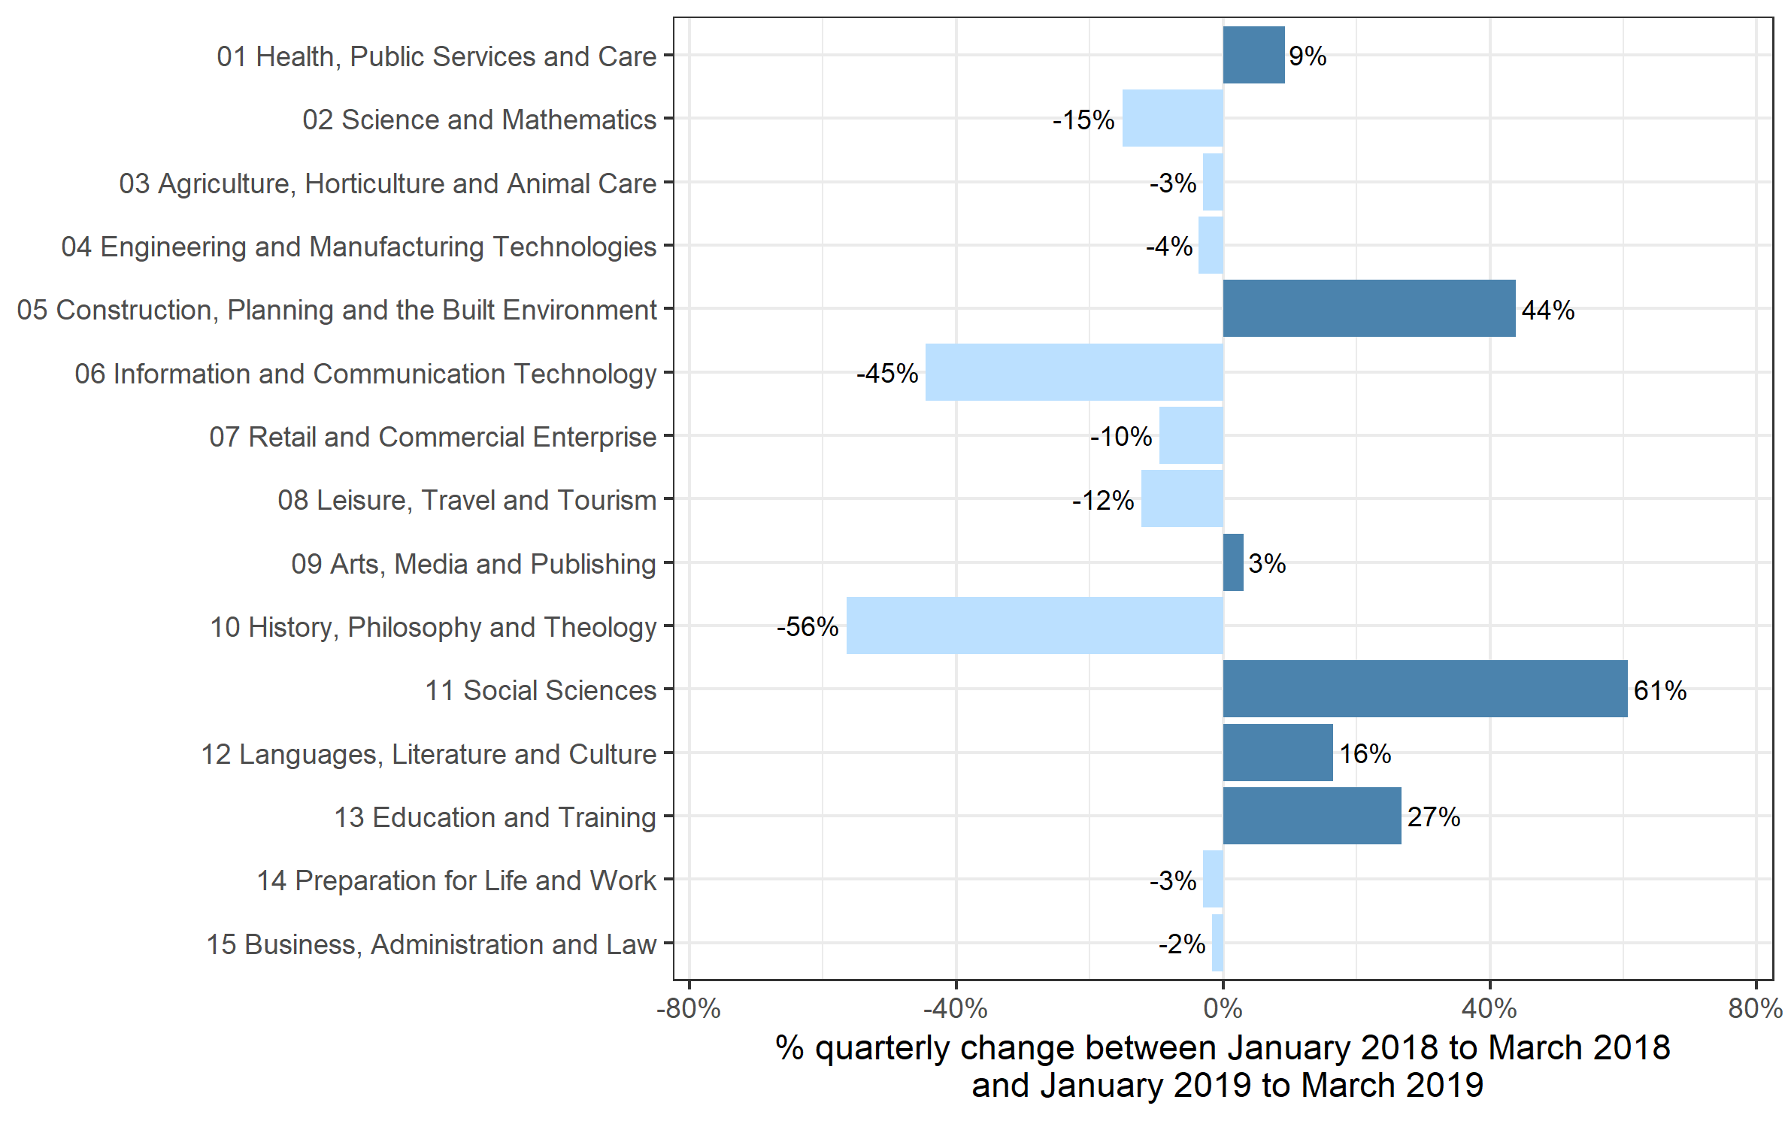
 | Quarterly comparison |  | Annual comparison

Sector Subject Area Code With Description | Jan 2018 to Mar 2018 | Jan 2019 to Mar 2019 | Apr 2017 to Mar 2018 | Apr 2018 to Mar 2019
01 Health, Public Services and Care | 243,849 | 266,488 | 1,105,726 | 1,167,041
02 Science and Mathematics | 3,491 | 2,963 | 151,549 | 79,788
03 Agriculture, Horticulture and Animal Care | 14,848 | 14,392 | 88,732 | 89,927
04 Engineering and Manufacturing Technologies | 57,400 | 55,286 | 306,843 | 302,532
05 Construction, Planning and the Built Environment | 67,932 | 97,769 | 323,057 | 398,776
06 Information and Communication Technology | 47,804 | 26,499 | 305,131 | 252,156
07 Retail and Commercial Enterprise | 83,625 | 75,640 | 411,166 | 391,233
08 Leisure, Travel and Tourism | 46,468 | 40,778 | 325,164 | 340,488
09 Arts, Media and Publishing | 96,827 | 99,844 | 742,755 | 740,261
10 History, Philosophy and Theology | 193 | 84 | 24,282 | 16,949
11 Social Sciences | 56 | 90 | 11,935 | 11,680
12 Languages, Literature and Culture | 19,189 | 22,350 | 168,717 | 121,548
13 Education and Training | 16,370 | 20,756 | 79,506 | 93,339
14 Preparation for Life and Work | 268,603 | 260,438 | 1,459,592 | 1,441,040
15 Business, Administration and Law | 73,172 | 71,913 | 431,813 | 423,722
Total | 1,039,827 | 1,055,290 | 5,935,968 | 5,870,480

Historical trends
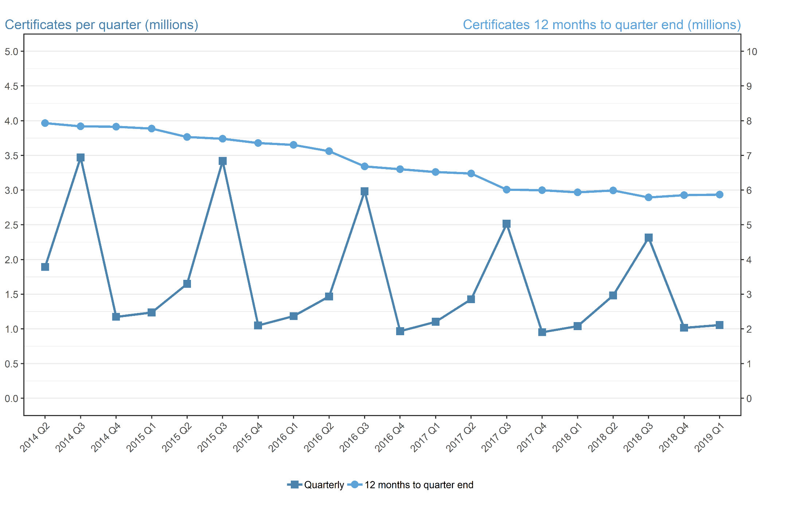
Number of certificates awarded in the past 5 years
Quarterly and 12 months to quarter end

Period | Quarterly | 12 months to quarter end
Apr to Jun 2014 | 1,892,089 | 7,931,964
Jul to Sep 2014 | 3,469,886 | 7,838,653
Oct to Dec 2014 | 1,174,432 | 7,826,526
Jan to Mar 2015 | 1,237,247 | 7,773,654
Apr to Jun 2015 | 1,649,861 | 7,531,426
Jul to Sep 2015 | 3,420,864 | 7,482,404
Oct to Dec 2015 | 1,049,634 | 7,357,606
Jan to Mar 2016 | 1,184,802 | 7,305,161
Apr to Jun 2016 | 1,467,381 | 7,122,681
Jul to Sep 2016 | 2,983,141 | 6,684,958
Oct to Dec 2016 | 967,750 | 6,603,074
Jan to Mar 2017 | 1,102,278 | 6,520,550
Apr to Jun 2017 | 1,427,429 | 6,480,598
Jul to Sep 2017 | 2,515,840 | 6,013,297
Oct to Dec 2017 | 952,872 | 5,998,419
Jan to Mar 2018 | 1,039,827 | 5,935,968
Apr to Jun 2018 | 1,483,038 | 5,991,577
Jul to Sep 2018 | 2,315,557 | 5,791,294
Oct to Dec 2018 | 1,016,595 | 5,855,017
Jan to Mar 2019 | 1,055,290 | 5,870,480

