Title
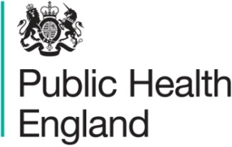

Seasonal influenza vaccine uptake amongst frontline healthcare workers (HCWs) in England
Final Monthly data for 1 September 2018 to 28 February 2019

This collection is a MANDATORY collection approved as such by Data Standards Assurance Service formerly the Burden Advice Assessment Service (BAAS), under license ROCR/OR/2209/001MAND.

