Contents

Vocational and Other Qualifications Quarterly: October to December (quarter 4) 2018
 |  | England
Summary | Main trends for this quarter

Table 1 | Number of certificates awarded by qualification type

Table 2 | Number of certificates awarded by qualification level

Table 3 | Number of certificates awarded by sector subject area

Table 4 | Number of certificates awarded in the past 5 years

Table 5 | Number of certificates awarded in this quarter by second-tier sector subject area

Table 6 | The 50 qualifications with the highest number of certificates issued in this quarter

Table 7 | The 50 awarding organisations with the highest number of certificates issued in this quarter

Table 8 | The 50 awarding organisations with the highest number of certificates issued in the 12 months to this quarter end

Notes | Notes accompanying this release

Reference: Ofqual/19/6479/1
Release date: 28 February 2019
Head of Profession: Vikas Dhawan
Contact: statistics@ofqual.gov.uk

Certificates by type
Number of certificates awarded by qualification type
Comparison with the same quarter previous year and previous 12 months

 | Quartely comparison |  | Annual Comparison
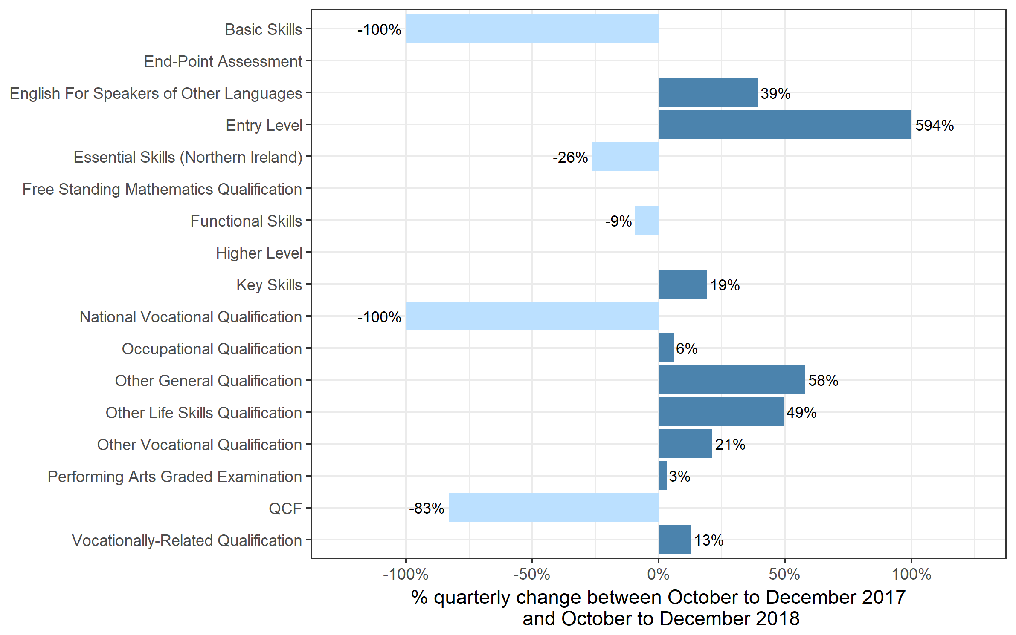
Qualification Type | Oct 2017 to Dec 2017 | Oct 2018 to Dec 2018 | Jan 2017 to Dec 2017 | Jan 2018 to Dec 2018
Basic Skills | 0~ | 0 | 0~ | 0
End-Point Assessment | 0 | 30 | 0 | 75
English For Speakers of Other Languages | 53,010 | 73,765 | 334,755 | 392,795
Entry Level | 65 | 435 | 36,805 | 19,505
Essential Skills (Northern Ireland) | 75 | 55 | 190 | 280
Free Standing Mathematics Qualification | 0 | 0 | 9,260 | 2,895
Functional Skills | 108,920 | 98,775 | 743,505 | 691,435
Higher Level | 0 | 0~ | 220 | 175
Key Skills | 60 | 70 | 2,385 | 70
National Vocational Qualification | 0~ | 0 | 30 | 0~
Occupational Qualification | 152,075 | 161,275 | 700,550 | 759,020
Other General Qualification | 1,735 | 2,740 | 348,125 | 279,830
Other Life Skills Qualification | 39,550 | 59,095 | 257,720 | 303,215
Other Vocational Qualification | 84,900 | 102,880 | 249,215 | 400,590
Performing Arts Graded Examination | 103,295 | 106,540 | 471,375 | 466,335
QCF | 52,975 | 8,920 | 724,965 | 69,110
Vocationally-Related Qualification | 356,030 | 400,930 | 2,117,615 | 2,466,675
Total | 952,695 | 1,015,520 | 5,996,725 | 5,852,015

 |  |  |  |  | Note: the percentage change for Entry Level was greater than the range shown on the chart and has therefore been restricted to 100% to aid better interpretation of the rest of the chart. End-Point Assessment is not displayed on the chart as it will not give any meaningful percentage change.

Certificates by Level
Number of certificates awarded by qualification level
Comparison with the same quarter previous year and previous 12 months

 | Quarterly comparison |  | Annual comparison

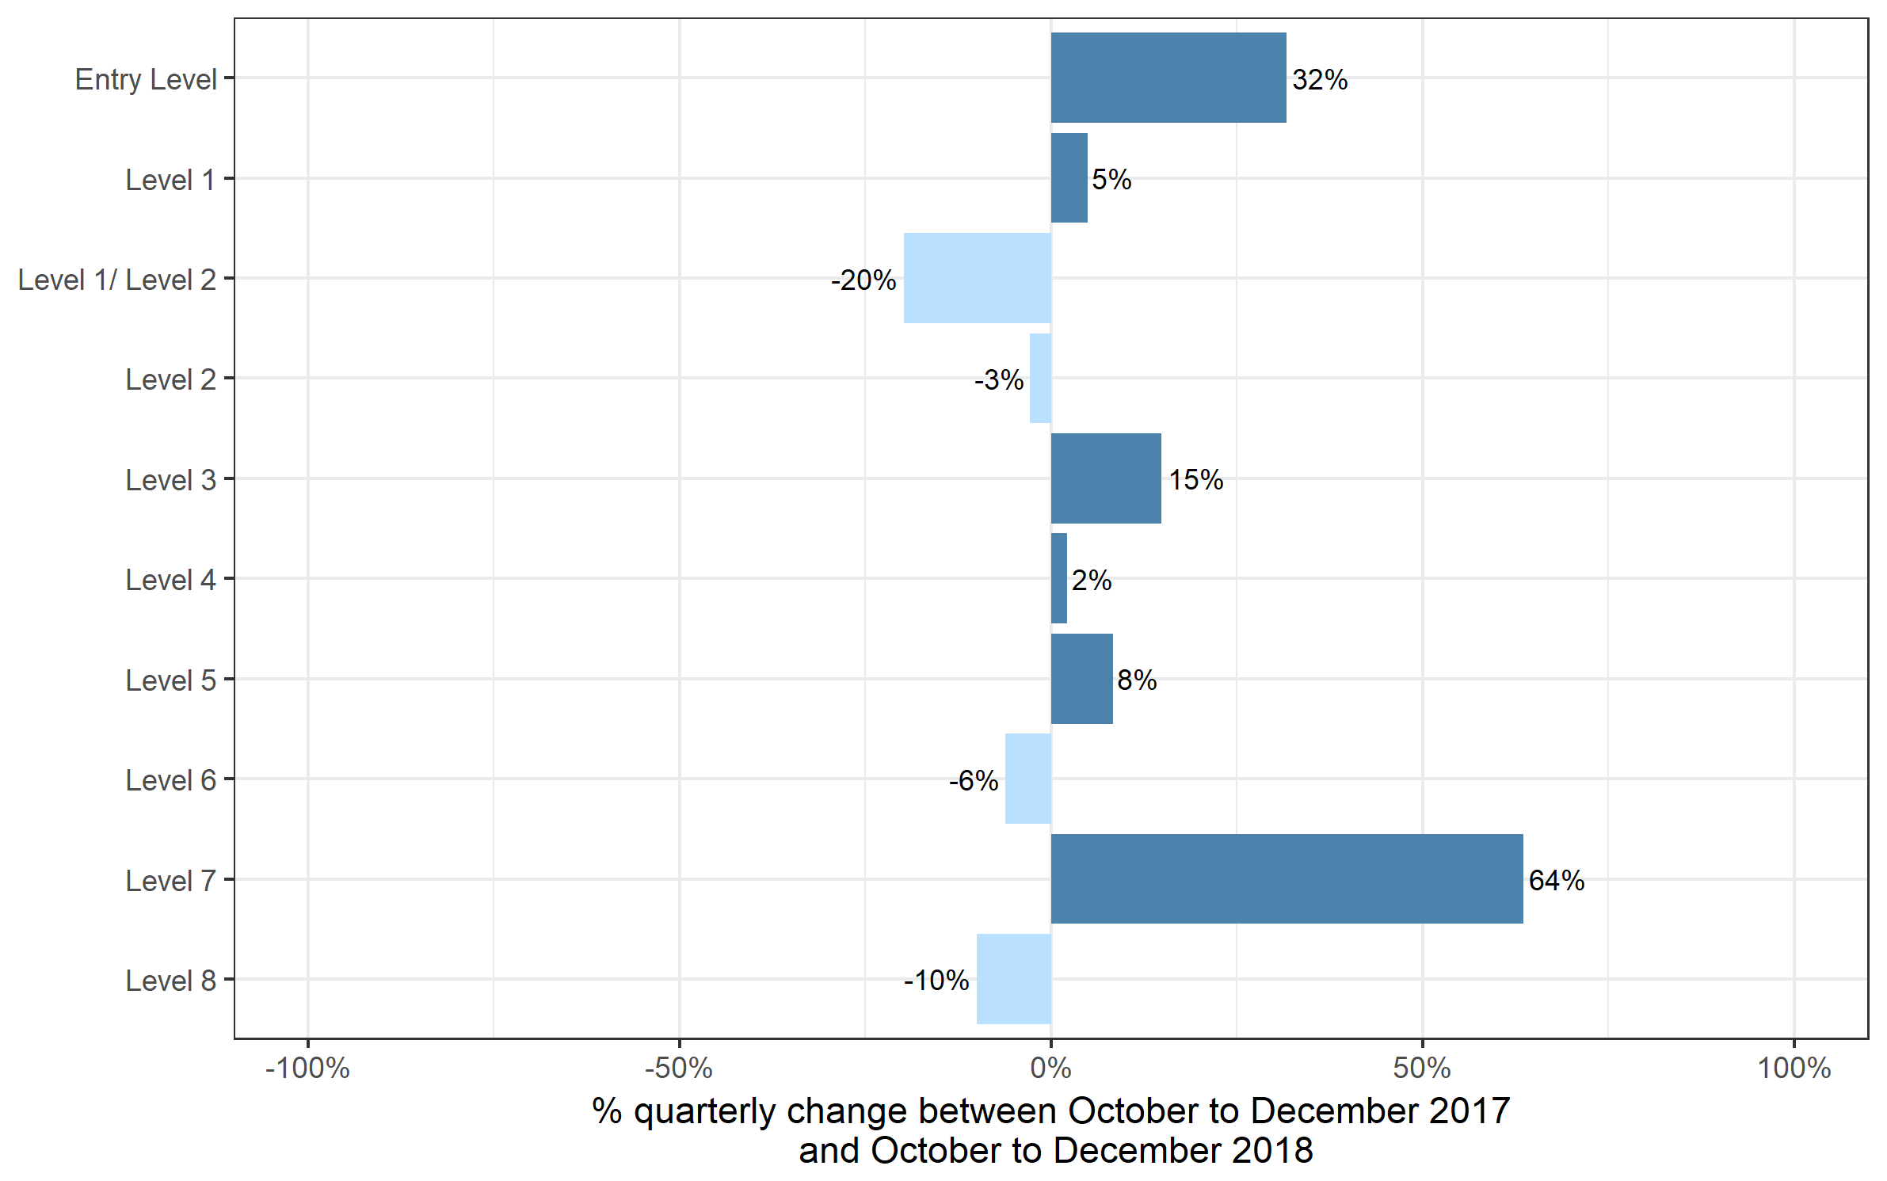
Qualification Level | Oct 2017 to Dec 2017 | Oct 2018 to Dec 2018 | Jan 2017 to Dec 2017 | Jan 2018 to Dec 2018
Entry Level | 79,060 | 104,075 | 722,150 | 734,815
Level 1 | 238,615 | 250,275 | 1,328,360 | 1,333,815
Level 1/ Level 2 | 1,465 | 1,175 | 329,715 | 273,155
Level 2 | 368,155 | 357,670 | 2,229,485 | 1,877,485
Level 3 | 235,920 | 271,020 | 1,242,150 | 1,478,655
Level 4 | 15,810 | 16,160 | 74,685 | 78,230
Level 5 | 10,185 | 11,035 | 47,140 | 52,680
Level 6 | 2,205 | 2,070 | 16,960 | 16,020
Level 7 | 1,215 | 1,985 | 5,900 | 6,985
Level 8 | 60 | 55 | 175 | 170
Total | 952,695 | 1,015,520 | 5,996,725 | 5,852,015

Certificates by SSA
Number of certificates awarded by sector subject area
Comparison with the same quarter previous year and previous 12 months

 | Quarterly comparison |  | Annual comparison

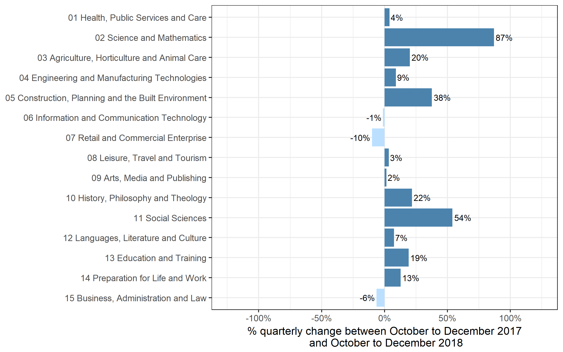
Sector Subject Area Code With Description | Oct 2017 to Dec 2017 | Oct 2018 to Dec 2018 | Jan 2017 to Dec 2017 | Jan 2018 to Dec 2018
01 Health, Public Services and Care | 233,700 | 242,805 | 1,111,620 | 1,144,400
02 Science and Mathematics | 1,055 | 1,970 | 156,215 | 80,315
03 Agriculture, Horticulture and Animal Care | 12,870 | 15,450 | 88,445 | 90,385
04 Engineering and Manufacturing Technologies | 52,505 | 57,285 | 309,400 | 302,620
05 Construction, Planning and the Built Environment | 66,625 | 91,730 | 313,720 | 368,520
06 Information and Communication Technology | 23,580 | 23,280 | 322,670 | 273,450
07 Retail and Commercial Enterprise | 82,780 | 74,630 | 427,710 | 399,220
08 Leisure, Travel and Tourism | 46,135 | 47,690 | 324,545 | 346,180
09 Arts, Media and Publishing | 124,335 | 126,275 | 752,440 | 737,245
10 History, Philosophy and Theology | 585 | 710 | 24,490 | 17,060
11 Social Sciences | 35 | 55 | 11,975 | 11,645
12 Languages, Literature and Culture | 17,990 | 19,335 | 183,560 | 118,385
13 Education and Training | 15,115 | 18,020 | 79,475 | 88,965
14 Preparation for Life and Work | 200,685 | 226,370 | 1,460,750 | 1,448,785
15 Business, Administration and Law | 74,700 | 69,910 | 429,710 | 424,840
Total | 952,695 | 1,015,520 | 5,996,725 | 5,852,015

Historical trends
Number of certificates awarded in the past 5 years
Quarterly and 12 months to quarter end
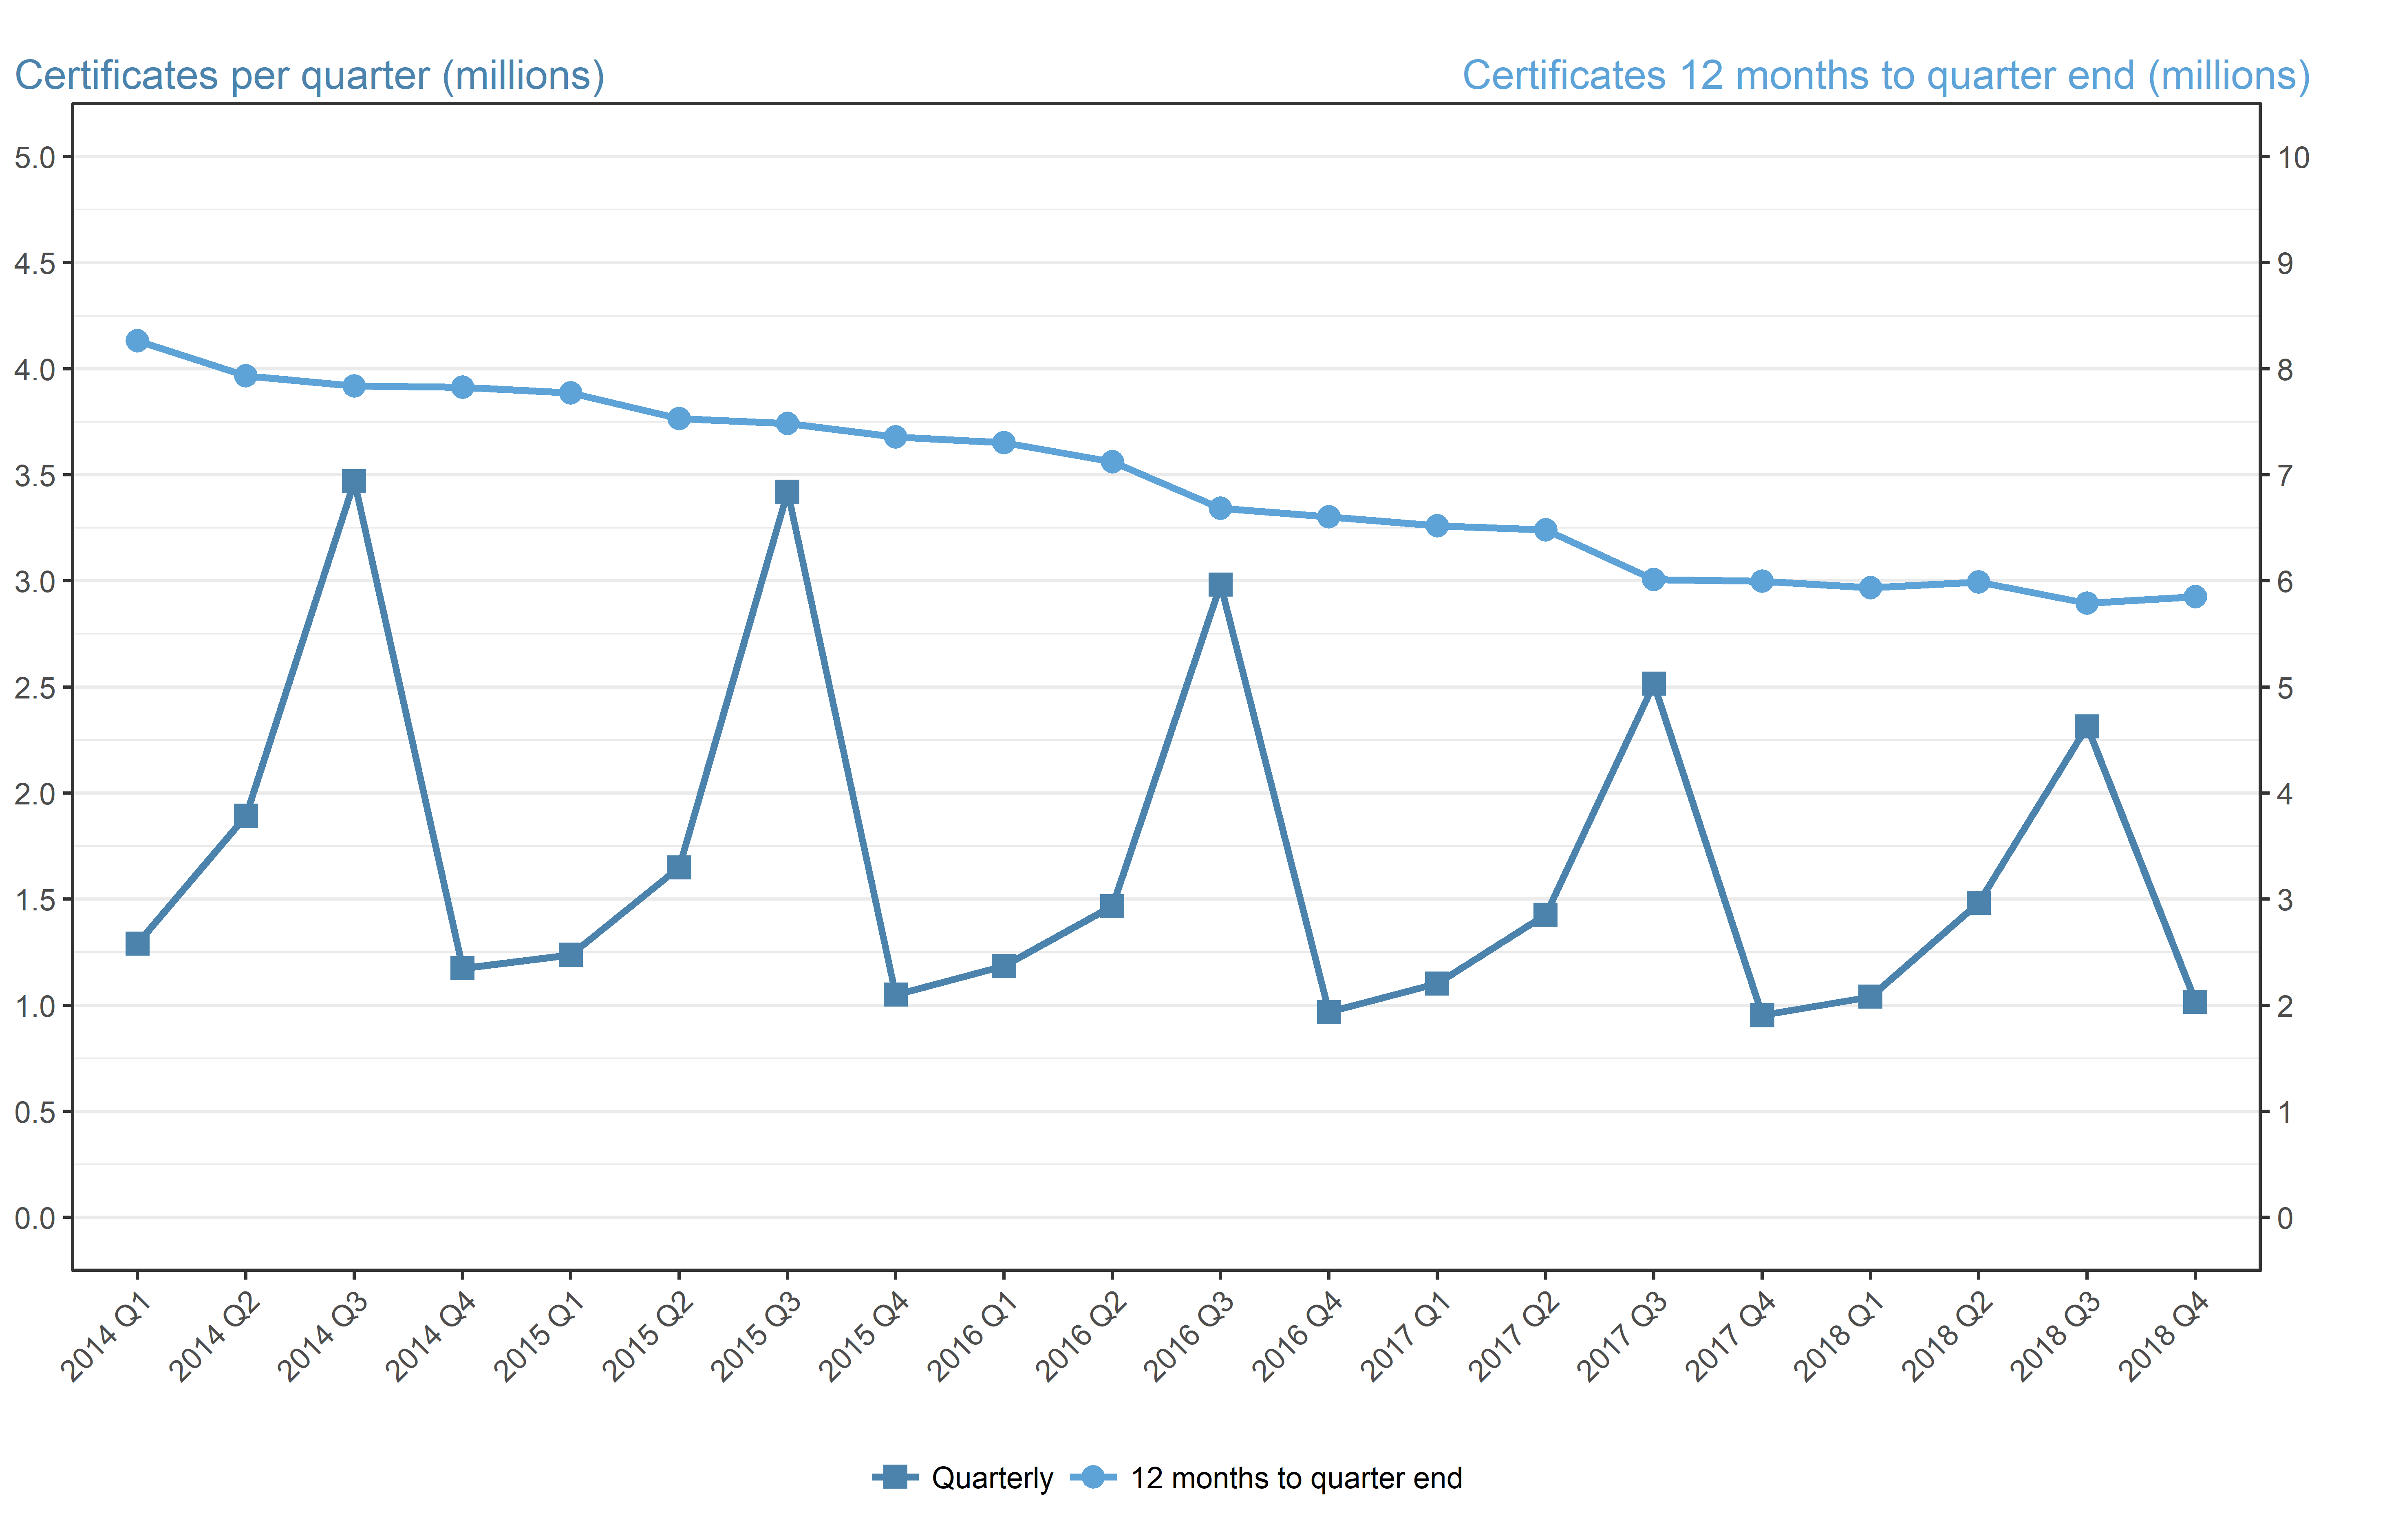
Period | Quarterly | 12 months to quarter end
Jan to Mar 2014 | 1,290,120 | 8,262,275
Apr to Jun 2014 | 1,892,090 | 7,931,965
Jul to Sep 2014 | 3,469,885 | 7,838,655
Oct to Dec 2014 | 1,174,430 | 7,826,525
Jan to Mar 2015 | 1,237,245 | 7,773,655
Apr to Jun 2015 | 1,649,860 | 7,531,425
Jul to Sep 2015 | 3,420,865 | 7,482,405
Oct to Dec 2015 | 1,049,505 | 7,357,475
Jan to Mar 2016 | 1,184,680 | 7,304,910
Apr to Jun 2016 | 1,467,360 | 7,122,405
Jul to Sep 2016 | 2,982,905 | 6,684,445
Oct to Dec 2016 | 967,705 | 6,602,645
Jan to Mar 2017 | 1,102,045 | 6,520,015
Apr to Jun 2017 | 1,426,915 | 6,479,570
Jul to Sep 2017 | 2,515,070 | 6,011,735
Oct to Dec 2017 | 952,695 | 5,996,725
Jan to Mar 2018 | 1,039,805 | 5,934,480
Apr to Jun 2018 | 1,482,310 | 5,989,875
Jul to Sep 2018 | 2,314,380 | 5,789,185
Oct to Dec 2018 | 1,015,520 | 5,852,015

