Contents

Vocational and Other Qualifications Quarterly: July to September (quarter 3) 2018
 |  | England
Summary | Main trends for this quarter

Table 1 | Number of certificates awarded by qualification type

Table 2 | Number of certificates awarded by qualification level

Table 3 | Number of certificates awarded by sector subject area

Table 4 | Number of certificates awarded in the past 5 years

Table 5 | Number of certificates awarded in this quarter by second-tier sector subject area

Table 6 | The 50 qualifications with the most number of certificates issued in this quarter

Table 7 | The 50 awarding organisations with the most number of certificates issued in this quarter

Table 8 | The 50 awarding organisations with the most number of certificates issued in the 12 months to this quarter end

Notes | Notes accompanying this release

Reference: Ofqual/18/6444/1
Release date: 29 November 2018
Head of Profession: Vikas Dhawan
Contact: statistics@ofqual.gov.uk

Certificates by type
Number of certificates awarded by qualification type
Comparison with the same quarter previous year and previous 12 months

 | Quarterly comparison |  | Annual Comparison

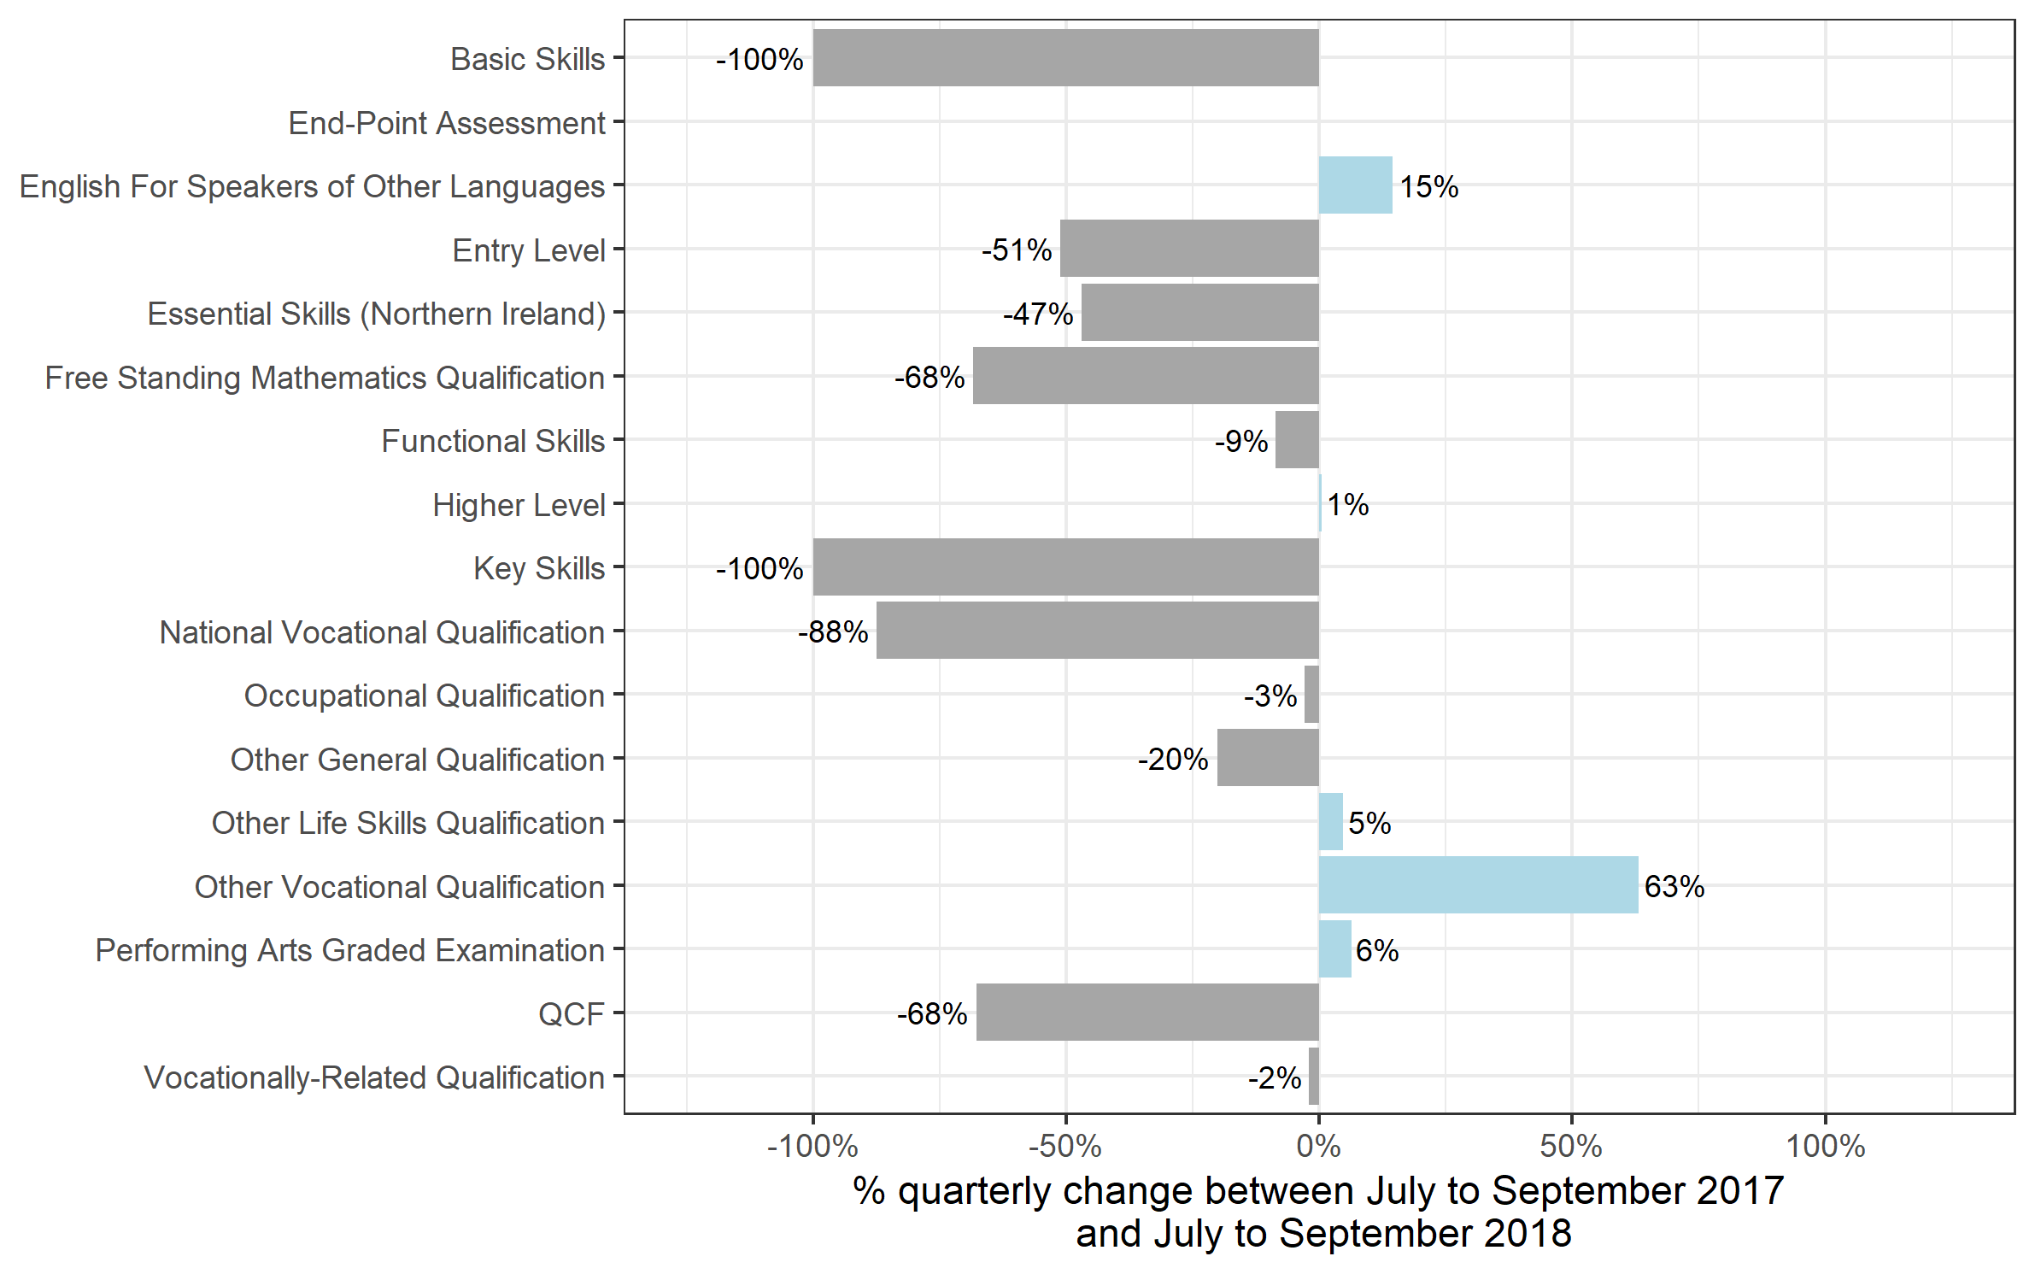
Qualification Type | Jul 2017 to Sep 2017 | Jul 2018 to Sep 2018 | Oct 2016 to Sep 2017 | Oct 2017 to Sep 2018
Basic Skills | 0~ | 0 | 0~ | 0~
End-Point Assessment | 0 | 0~ | 0 | 50
English For Speakers of Other Languages | 126,100 | 144,400 | 327,850 | 370,700
Entry Level | 34,600 | 16,900 | 37,000 | 19,700
Essential Skills (Northern Ireland) | 100 | 50 | 100 | 300
Free Standing Mathematics Qualification | 8,800 | 2,800 | 9,250 | 2,900
Functional Skills | 267,900 | 244,550 | 754,450 | 700,500
Higher Level | 3,950 | 3,950 | 9,550 | 9,500
Key Skills | 1,250 | 0 | 2,600 | 50
National Vocational Qualification | 0~ | 0~ | 350 | 100
Occupational Qualification | 227,800 | 221,050 | 668,200 | 705,850
Other General Qualification | 319,900 | 255,400 | 349,150 | 278,300
Other Life Skills Qualification | 106,650 | 111,700 | 243,250 | 271,300
Other Vocational Qualification | 60,450 | 98,600 | 198,450 | 380,150
Performing Arts Graded Examination | 139,500 | 148,400 | 411,600 | 402,850
QCF | 243,150 | 78,400 | 1,031,500 | 337,550
Vocationally-Related Qualification | 974,850 | 953,900 | 1,968,400 | 2,275,050
Total | 2,515,050 | 2,280,100 | 6,011,750 | 5,754,900

Certificates by level
Number of certificates awarded by qualification level
Comparison with the same quarter previous year and previous 12 months

 | Quarterly comparison |  | Annual comparison

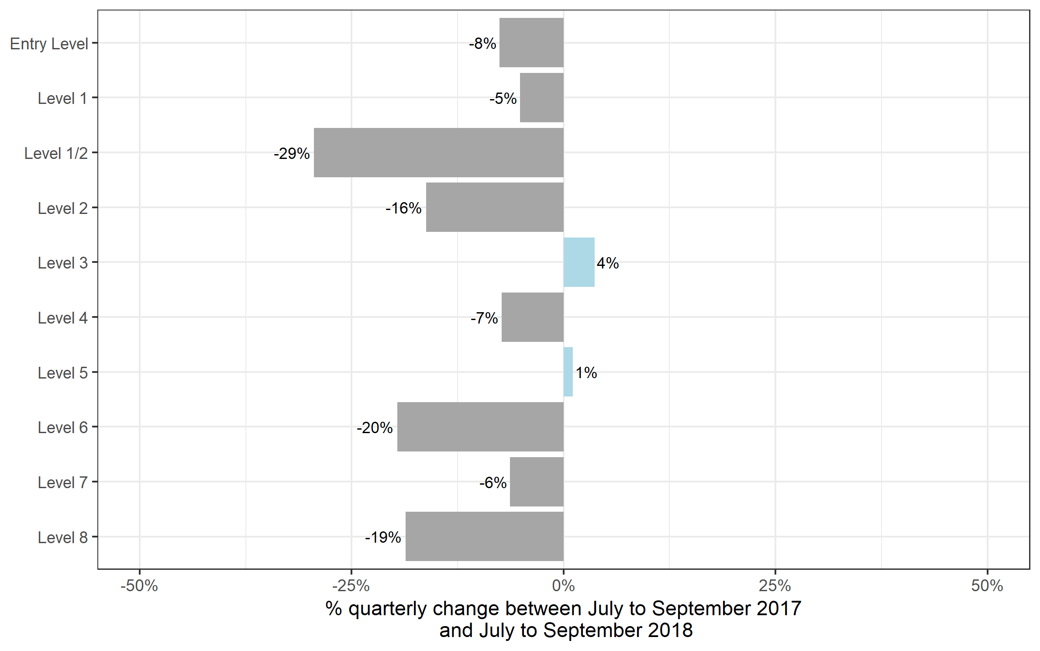
Qualification Level | Jul 2017 to Sep 2017 | Jul 2018 to Sep 2018 | Oct 2016 to Sep 2017 | Oct 2017 to Sep 2018
Entry Level | 344,300 | 318,350 | 725,250 | 702,850
Level 1 | 498,150 | 472,600 | 1,323,200 | 1,313,700
Level 1/2 | 269,150 | 189,900 | 330,900 | 273,450
Level 2 | 754,350 | 631,950 | 2,314,700 | 1,872,600
Level 3 | 592,000 | 613,650 | 1,177,900 | 1,440,750
Level 4 | 29,100 | 26,950 | 71,400 | 77,600
Level 5 | 18,400 | 18,600 | 45,950 | 51,700
Level 6 | 7,550 | 6,050 | 16,300 | 15,950
Level 7 | 2,100 | 2,000 | 5,900 | 6,200
Level 8 | 50 | 50 | 200 | 150
Total | 2,515,050 | 2,280,100 | 6,011,750 | 5,754,900

Certificates by SSA
Number of certificates awarded by sector subject area
Comparison with the same quarter previous year and previous 12 months

 | Quarterly comparison |  | Annual comparison
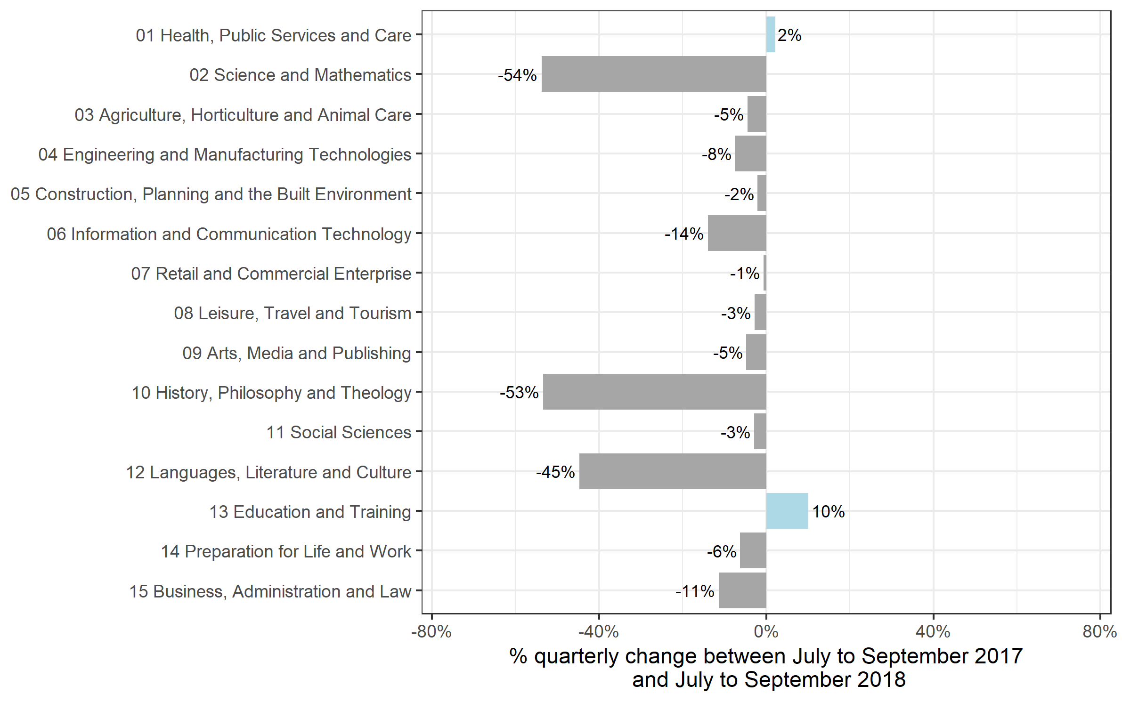
Sector Subject Area | Jul 2017 to Sep 2017 | Jul 2018 to Sep 2018 | Oct 2016 to Sep 2017 | Oct 2017 to Sep 2018
01 Health, Public Services and Care | 353,000 | 360,700 | 1,095,200 | 1,134,450
02 Science and Mathematics | 142,400 | 65,850 | 155,800 | 79,400
03 Agriculture, Horticulture and Animal Care | 41,900 | 40,000 | 91,300 | 87,700
04 Engineering and Manufacturing Technologies | 128,800 | 119,100 | 314,950 | 297,550
05 Construction, Planning and the Built Environment | 120,550 | 118,050 | 299,900 | 327,800
06 Information and Communication Technology | 129,100 | 111,150 | 344,250 | 273,400
07 Retail and Commercial Enterprise | 142,250 | 141,250 | 444,950 | 407,050
08 Leisure, Travel and Tourism | 159,100 | 154,600 | 328,750 | 344,600
09 Arts, Media and Publishing | 344,350 | 327,900 | 744,050 | 735,300
10 History, Philosophy and Theology | 20,400 | 9,500 | 24,350 | 12,600
11 Social Sciences | 11,850 | 11,500 | 11,950 | 11,600
12 Languages, Literature and Culture | 100,750 | 55,700 | 187,500 | 117,050
13 Education and Training | 29,700 | 32,700 | 80,000 | 85,900
14 Preparation for Life and Work | 604,450 | 566,700 | 1,465,650 | 1,412,250
15 Business, Administration and Law | 186,550 | 165,450 | 423,100 | 428,250
Total | 2,515,050 | 2,280,100 | 6,011,750 | 5,754,900

Historical trends
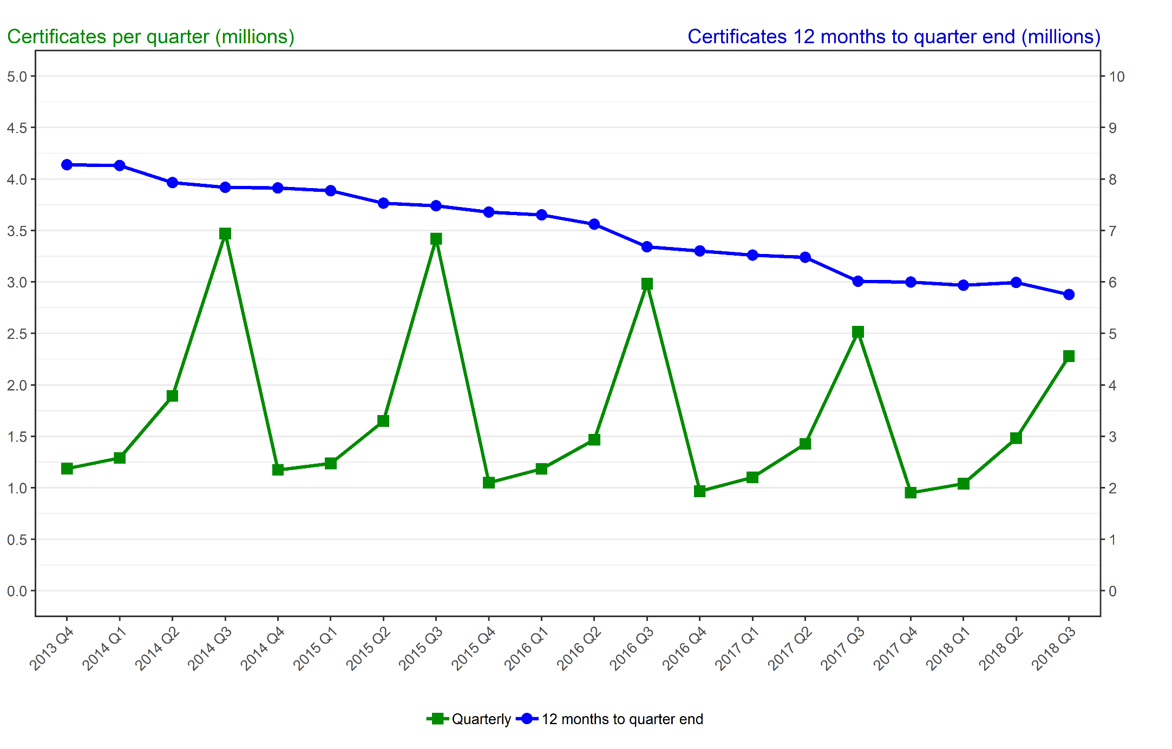
Number of certificates awarded in the past 5 years
Quarterly and 12 months to quarter end

Period | Quarterly | 12 months to quarter end
Oct to Dec 2013 | 1,186,550 | 8,278,150
Jan to Mar 2014 | 1,290,100 | 8,262,300
Apr to Jun 2014 | 1,892,100 | 7,931,950
Jul to Sep 2014 | 3,469,900 | 7,838,650
Oct to Dec 2014 | 1,174,450 | 7,826,550
Jan to Mar 2015 | 1,237,250 | 7,773,650
Apr to Jun 2015 | 1,649,850 | 7,531,450
Jul to Sep 2015 | 3,420,850 | 7,482,400
Oct to Dec 2015 | 1,049,500 | 7,357,500
Jan to Mar 2016 | 1,184,700 | 7,304,900
Apr to Jun 2016 | 1,467,350 | 7,122,400
Jul to Sep 2016 | 2,982,900 | 6,684,450
Oct to Dec 2016 | 967,700 | 6,602,650
Jan to Mar 2017 | 1,102,050 | 6,520,000
Apr to Jun 2017 | 1,426,900 | 6,479,550
Jul to Sep 2017 | 2,515,050 | 6,011,750
Oct to Dec 2017 | 952,700 | 5,996,750
Jan to Mar 2018 | 1,039,800 | 5,934,500
Apr to Jun 2018 | 1,482,300 | 5,989,900
Jul to Sep 2018 | 2,280,100 | 5,754,900

