Title


 | Smart Meter Statistics:
 | Quarter 3, 2018
 | Great Britain

This workbook was updated on 29 November 2018

Figure 3
Contents

 | Figure 3: Non-domestic quarterly smart and advanced meter installations by large suppliers

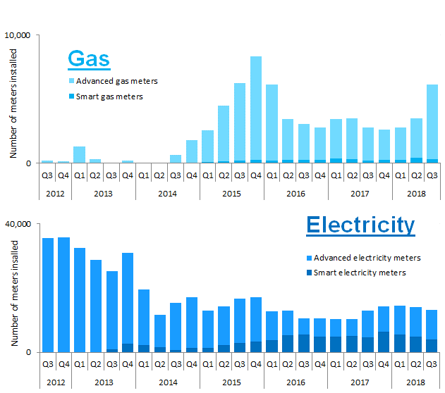

 |  | Note, the above chart excludes historic data which can be found in Tables 3a, 3b and 3c

