COVER
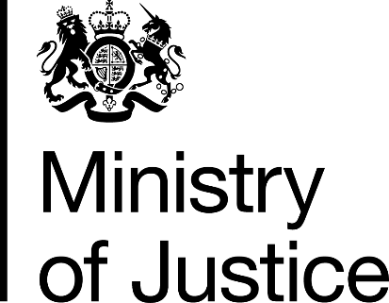

Her Majesty's Prison and Probation
Service
Annual Staff Equalities Report

2017/18

Ministry of Justice
Statistics Bulletin

Published 29th November 2018

