Notes
High needs: place allocations for the 2017 to 2018 academic year
This publication includes high needs place allocation data for institutions funded by Education & Skills Funding Agency (ESFA) for the 2017 to 2018 academic year. We've published this breakdown in the interests of transparency and to promote collaboration between local authorities and institutions.
Institution details are correct as at 31 August 2018 and reflect the outcomes of the:
high needs place change notification process

These numbers are the allocated volumes for the 2018 to 2019 academic year. The post-16 allocations covers the period 1 August 2017 to 31 July 2018. The pre-16 (excluding non-maintained special school) and post 16 academy allocations covers the period 1 September 2017 to 31 August 2018.

We've made two spreadsheets available.

Academies, non-maintained special schools and post-16 institutions
This spreadsheet shows allocated 2017 to 2018 academic year high needs place numbers for the following institution types:
· mainstream academies and free schools
· special academies and free schools
· alternative provision (AP) academies and free schools
· studio schools and UTCs
· further education (FE) including independent learning providers (ILPs)
· non-maintained special schools (NMSS)
· special post-16 institutions (SPI)
The above institutions receive high needs place funding direct from ESFA and 2017 to 2018 academic year allocations are based on the place numbers in this spreadsheet.

Maintained schools
This spreadsheet shows allocated 2017 to 2018 academic year high needs place numbers for the following institution types:
· maintained mainstream schools
· maintained special schools
· maintained pupil referral units (PRUs)
The above institutions receive high needs place funding direct from the local authority in which they are located. Places numbers are agreed locally and are likely to differ to those in this spreadsheet.
If a school converts to academy status, the place numbers in this spreadsheet will be used as the basis of funding from ESFA. However, if a variation to these place numbers is agreed between the school and local authority, and the local authority notifies to the project lead before conversion, then the updated place number will be used in the funding allocation.
It is important to recognise that these are allocated place volumes rather than individual placements for the 2017 to 2018
academic year. Place funding allocated to institutions is not specific to individual students or individual local authorities.
information on the high needs place funding system is available in the:
high needs funding operational guide 2017 to 2018

Technical note: hign needs place data sheet

You can easily filter the data to any of the fields in the data file. The header row (row 4) shows the column descriptors with the data directly under. In the bottom right of each field descriptor you can see a small downward pointing arrow - this is the button to activate the drop-down for the filter. When you press this button a filter list will appear. This will allow you to select all data, or any combination (whether single or multiple items).
When you have made your selection - press OK. Each filter is cumulative - so when you have set one filter, the other filters may have a smaller selection. It is important to reset the filters when you want to make a new selection otherwise you may not see all of the data. In the example below you can see all institution categories of the 'Academy' type are selected. The sub-total for each column is displayed above the header row (in row 3) - this total will change based on how the data is filtered but it will not change the overall column totals which are displayed in row 2.
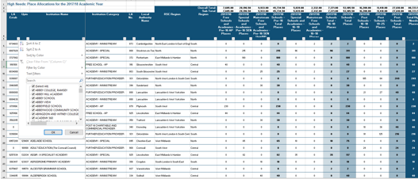

Each Institution has an associated 'Category' (column D), indicating the type of institution.
'2017/18 - Schools - Pre-16 Total Places' (column L) shows the allocated pre-16 places, '2017/18 - Schools - Total 16-18 Places' (column O) shows the allocated post-16 places in schools/academies, '2017/18 Post Schools - Total Places' (column S) shows the allocated post-16 places in FE/CCP and Special Post-16 Institutions and '2017/18 - Total High Needs Places' (column T) shows the overall number of allocated places.
The Unique Provider Identification Number (UPIN), is used by ESFA to identify an institution on internal systems and databases.
Please send any enquiries via the | ESFA enquiry form

 |  | © Crown copyright 2018

