Title


 | Non-Domestic and Domestic Renewable Heat Incentive (RHI)
 | monthly deployment data:
 | September 2018

Statistician responsible:
James White
James.White@beis.gov.uk
0300 068 8185

Chris Fairbanks
Chris.Fairbanks@beis.gov.uk
020 7215 2071

Press enquiries:
Joshua Snape
Joshua.Snape@beis.gov.uk
0207 215 3701

These statistics were published on 18 October 2018
These statistics will next be published on 22 November 2018

A publication timetable for all upcoming BEIS statistics is available online.

Key Statistics
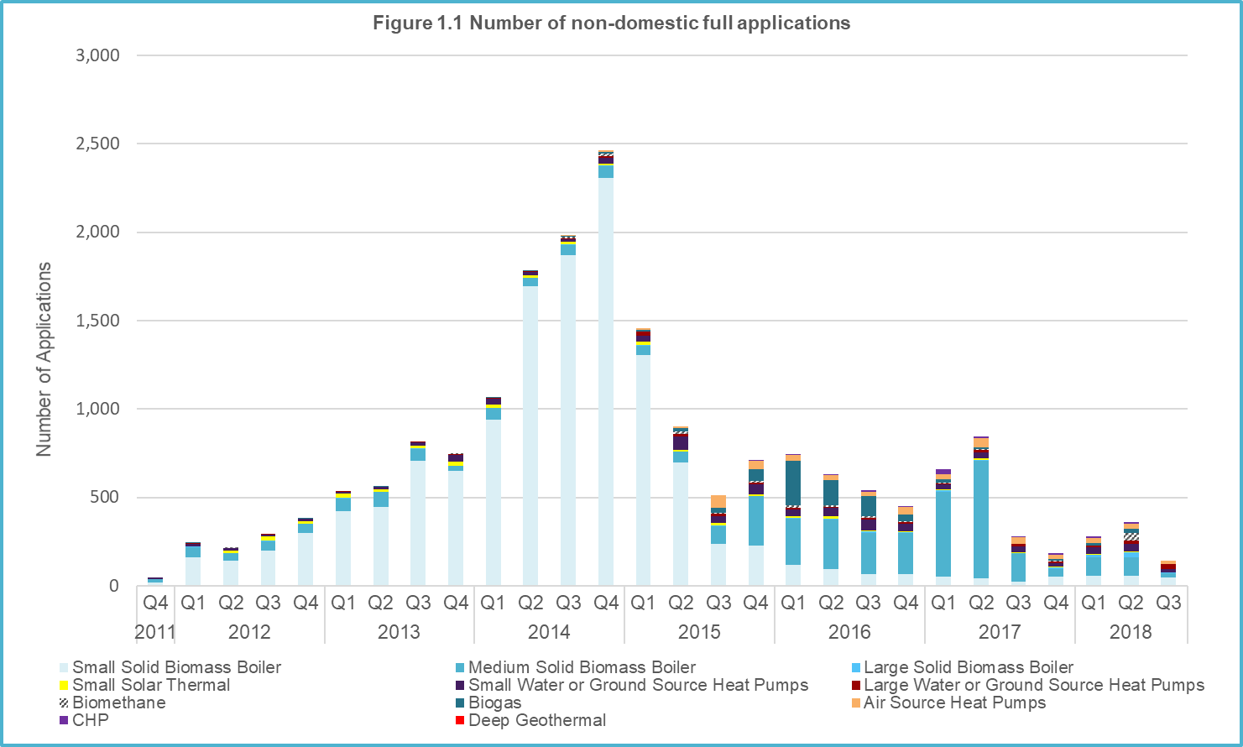
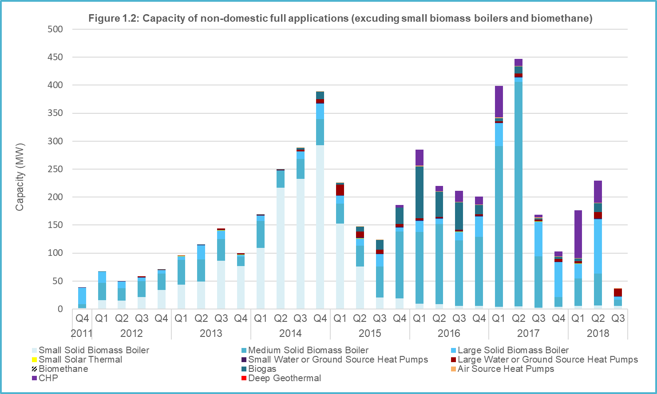
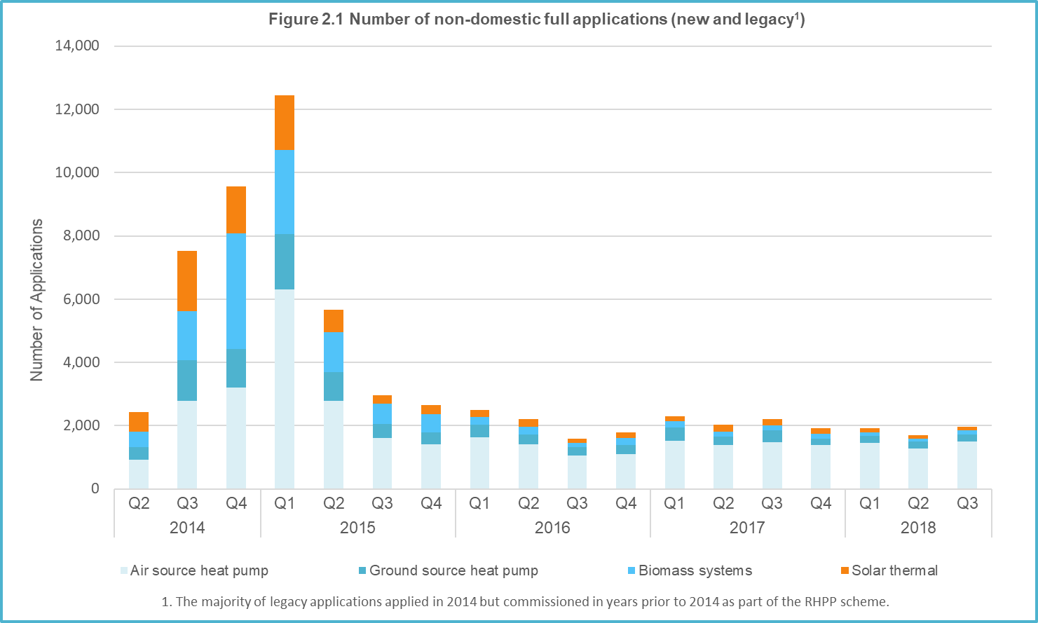
Key Statistics, September 2018

User Engagement
Please note that we have changed a number of our tables in order to improve accessibility and relevance. These changes were pre-announced in our preceding Official Statistics publication (published 20th September 2018). New table names and definitions will be used in all subsequent releases. Where appropriate, we have updated our time series in accordance with new definitions.
As part of these revisions, we have separated tables into several categories:
- monthly tables (beginning "M") break down data into a monthly time series. These will be published every month
- quarterly tables (beginning "Q") either break down data into a quarterly time series or produce statistics that are only updated every quarter (e.g. domestic average capacity estimates). These will be published every quarter, starting this quarter (therefore, they will next be published in January 2019)
- annual and supplementary tables (to be marked "A") are tables which change very little on a monthly basis or have no scheduled updates. As a result, these shall be included only on an annual basis (with the next publication in January 2019)
- all other tables give scheme statistics to date and will be published every month
Please direct any comments on the new format and definitions, as well as anything that you would like us to consider for future development to james.white@beis.gov.uk.
The next monthly Official Statistics will be published on 22nd November 2018 and will cover scheme data to the end of October 2018.
RHI Budget Management publications
The following degression budget management publications are updated monthly. Degression is a means of controlling the budget of the scheme (see the Glossary and Degression announcements tabs for more information).
RHI Non-domestic Degression: https://www.gov.uk/government/publications/rhi-mechanism-for-budget-management-estimated-commitments
RHI Domestic Degression: https://www.gov.uk/government/publications/domestic-rhi-mechanism-for-budget-management-estimated-commitments
BEIS also publishes monthly updates on the estimate of committed spend against the RHI budget cap. These can be found on the web pages above.
Renewable Heat Incentive, November 2011 - September 2018
 | Non-domestic scheme | Domestic scheme (new & legacy)
Full applications | 19,813 | 65,379
Full accreditations | 18,903 | 64,024
Total installed capacity of full applications (MW) | 4,993.5 | N/A - capacity estimates based on accredited applications
Total installed capacity of accredited full applications (MW) | 4,292.4 | 816.9
Tariff Guarantees (Stage 1 and 2) | 53 | N/A
Total capacity of Tariff Guarantees (Stage 1 and 2) (MW) | 100.6 | N/A
Heat paid for (GWh) | 27,195 | 3,035
Quarterly Key Statistics
NON-DOMESTIC
The non-domestic scheme had 18,903 accredited installations at the end of September 2018, with a total accredited capacity of approximately 4,292 MW. The majority of accredited installations are Small or Medium biomass. See Table 1.1 for more information.
Metered heat for the scheme to date totals approximately 27 TWh. The most significant sources of metered heat to date are Small and Medium Biomass (60% collectively) and biomethane injected to the gas grid (22%). See Table 1.5 for more information.
Q3 2018 saw a relatively small volume of new full applications (144 installations) compared with the average of the prior year (average 275 installations Q3 2017 - Q2 2018). New applications in Q3 2018 were also relatively small compared to the average of the prior year (37.5 MW capacity in Q3 2018 compared with an average of approximately 169 MW in Q3 2017 - Q2 2018). See Table Q1.1 for more information.
Approximately half of the new full applications in Q3 2018 were biomass (large, medium or small). Biomass also provided over half of new capacity, although one third of new capacity came from Large Ground and Water Source Heat Pumps. See Tables M1.2 and M1.3 for more information on deployment by technology over time.
At the end of September 2018, there were 53 Tariff Guarantee submissions, of which 9 had reached "Stage 2" in the application process and therefore been granted a tariff rate for future heat generation. A Tariff Guarantee allows applicants to secure a tariff rate before their installation is commissioned and fully accredited. The majority of Tariff Guarantees (and all those that were granted a tariff by the end of September 2018) were Biomethane. Given that Biomethane injects heat directly into the grid and doesn’t have a “capacity”, the total capacity of Tariff Guarantees to date (101 MW) underestimates the potential for heat generation. See Table 1.6 for more information on Tariff Guarantees received and the Ofgem website for more information on the Tariff Guarantee application process.
DOMESTIC
Please note that we have changed our definition of a domestic "application". These now include only accredited installations and those categorised as "in review". This harmonises the definition with the non-domestic scheme. The change has caused our estimate of domestic applications to drop by about 7%, as it removes installations that have been rejected or cancelled. Our definition of an "accredited" installation is unchanged.
This publication also estimates the total capacity of domestic accreditations for the first time, which will be updated monthly in subsequent publications.
The domestic scheme had 64,024 accredited installations at the end of September 2018, with a total accredited capacity of approximately 817 MW. Approximately half of all accredited installations are Air Source Heat Pumps (ASHPs). ASHPs and Biomass installations collectively account for over 80% of accredited capacity – whilst there is a higher volume of ASHPs, Biomass installations have higher capacities on average. See Table 2.1 and 2.6 for more information.
Applications to the domestic scheme during Q3 2018 were slightly above the average of the preceding year (1,976 applications in Q3 2018 compared with an average of 1,939 between Q3 2017 and Q2 2018). New applications were mainly ASHPs (75% of applications in Q3 2018), a trend consistent with prior quarters. See Table Q2.1 and Q2.2 for more information.
Heat paid for on the scheme to date totals approximately 3,035 GWh, of which Biomass accounts for approximately half due to larger average capacities and the large volume of biomass that applied during the first two years of the scheme. See Table 2.5 for more information.

Scheme background
Scheme background
Non Domestic Scheme
The RHI scheme helps to bridge the gap between the cost of renewable heating systems and the conventional alternatives. The Non-domestic RHI opened in November 2011. It supports the installation of renewable and low-carbon heating by businesses, charities and the public sector, as well as systems supplying heat to more than one domestic property. Eligible technologies include heat pumps, biomass boilers, solar thermal panels, deep geothermal, biogas and biomethane for injection.
RHI payments are made to the owner of the installation for a 20 year period for heat that is generated and used for an eligible purpose such as space, water or process heating. Producers of biomethane for injection into the gas grid may also apply to the scheme. All installations must be fitted with heat meters to determine the amount of renewable heat production being used for an eligible purpose. Payments are calculated by multiplying this heat output (kWh) by the relevant tariff rate for the technology being used (pence per kWh).
The scheme is administered by Ofgem E-serve. For more information on scheme policy please see the Non-domestic RHI webpage (https://www.gov.uk/non-domestic-renewable-heat-incentive) or the Ofgem non-domestic RHI website (https://www.ofgem.gov.uk/environmental-programmes/non-domestic-rhi) for guidance on eligibility criteria and how to apply.
Domestic Scheme
The Domestic RHI supports the installation of renewable and low-carbon-heating by individual households. The scheme opened in April 2014. RHI Payments are made over a 7 year period and, in most cases, will be estimated using values from the dwelling’s Energy Performance Certificate (EPC).
New applications can be made at any point, provided it is within 12 months of the commissioning of the system. Eligible technologies on the Domestic RHI scheme include air source heat pumps, ground source heat pumps, biomass boilers, biomass stoves with integrated boilers and solar thermal panels. All systems must be certified and installed under the Microgeneration Certification Scheme (MCS) or an equivalent scheme in order to qualify for payments.
Before applying for the Domestic RHI, applicants must install loft and cavity wall insulation where these measures are recommended by their EPC, unless there are valid reasons not to.
The scheme is administered by Ofgem E-serve. For more information on scheme policy please see the Domestic RHI webpage (https://www.gov.uk/domestic-renewable-heat-incentive), or the Ofgem domestic RHI website (https://www.ofgem.gov.uk/environmental-programmes/domestic-rhi) for guidance on eligibility criteria and how to apply.

