Contents

Vocational and Other Qualifications Quarterly: April to June (quarter 2) 2018
 |  | England
Summary | Main trends for this quarter

Table 1 | Number of certificates awarded by qualification type

Table 2 | Number of certificates awarded by qualification level

Table 3 | Number of certificates awarded by sector subject area

Table 4 | Number of certificates awarded in the past 5 years

Table 5 | Number of certificates awarded in this quarter by second-tier sector subject area

Table 6 | The 50 qualifications with the highest number of certificates issued in this quarter

Table 7 | The 50 awarding organisations with the highest number of certificates issued in this quarter

Table 8 | The 50 awarding organisations with the highest number of certificates issued in the 12 months to this quarter end

Notes | Notes accompanying this release

Reference: Ofqual/18/6421/1
Release date: 20 September 2018
Head of Profession: Vikas Dhawan
Contact: statistics@ofqual.gov.uk

Certificates by type
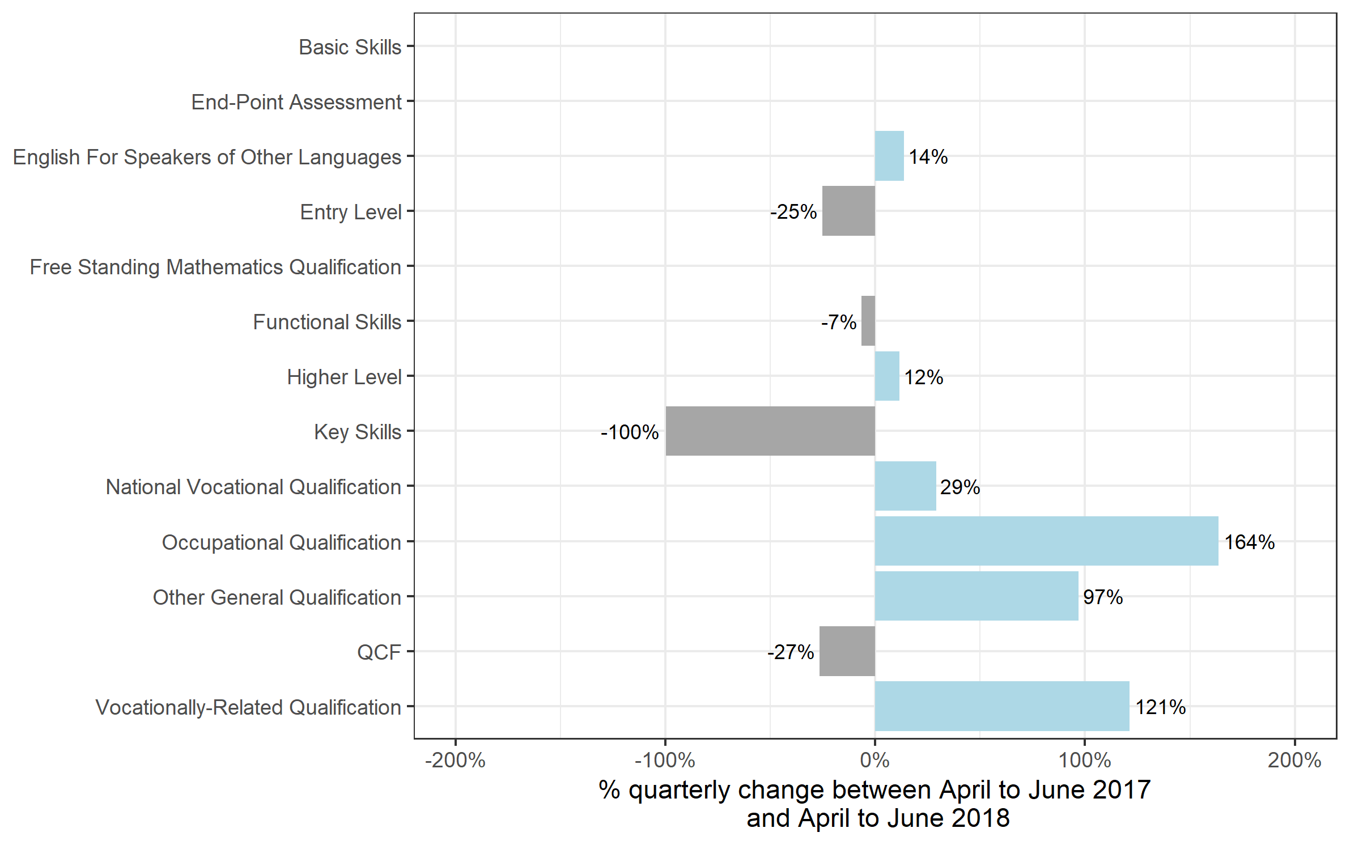
Number of certificates awarded by qualification type
Comparison with the same quarter previous year and previous 12 months

 | Quarterly comparison |  | Annual comparison

Qualification Type | Apr 2017 to Jun 2017 | Apr 2018 to Jun 2018 | Jul 2016 to Jun 2017 | Jul 2017 to Jun 2018
Basic Skills | 0 | 0 | 0~ | 0~
End-Point Assessment | 0 | 0~ | 0 | 50
English For Speakers of Other Languages | 61,250 | 69,600 | 250,750 | 266,900
Entry Level | 3,400 | 2,550 | 63,750 | 51,000
Free Standing Mathematics Qualification | 0 | 0 | 35,250 | 17,300
Functional Skills | 224,250 | 209,250 | 778,950 | 723,900
Higher Level | 3,000 | 3,350 | 10,900 | 11,750
Key Skills | 1,000 | 0~ | 3,200 | 1,300
National Vocational Qualification | 14,850 | 19,200 | 63,150 | 79,300
Occupational Qualification | 14,550 | 38,300 | 54,000 | 112,700
Other General Qualification | 45,200 | 89,100 | 802,400 | 500,150
QCF | 875,000 | 643,050 | 3,750,650 | 2,899,700
Vocationally-Related Qualification | 184,400 | 407,900 | 666,650 | 1,325,800
Total | 1,426,900 | 1,482,300 | 6,479,550 | 5,989,850

Certificates by level
Number of certificates awarded by qualification level
Comparison with the same quarter previous year and previous 12 months

 | Quarterly comparison |  | Annual comparison

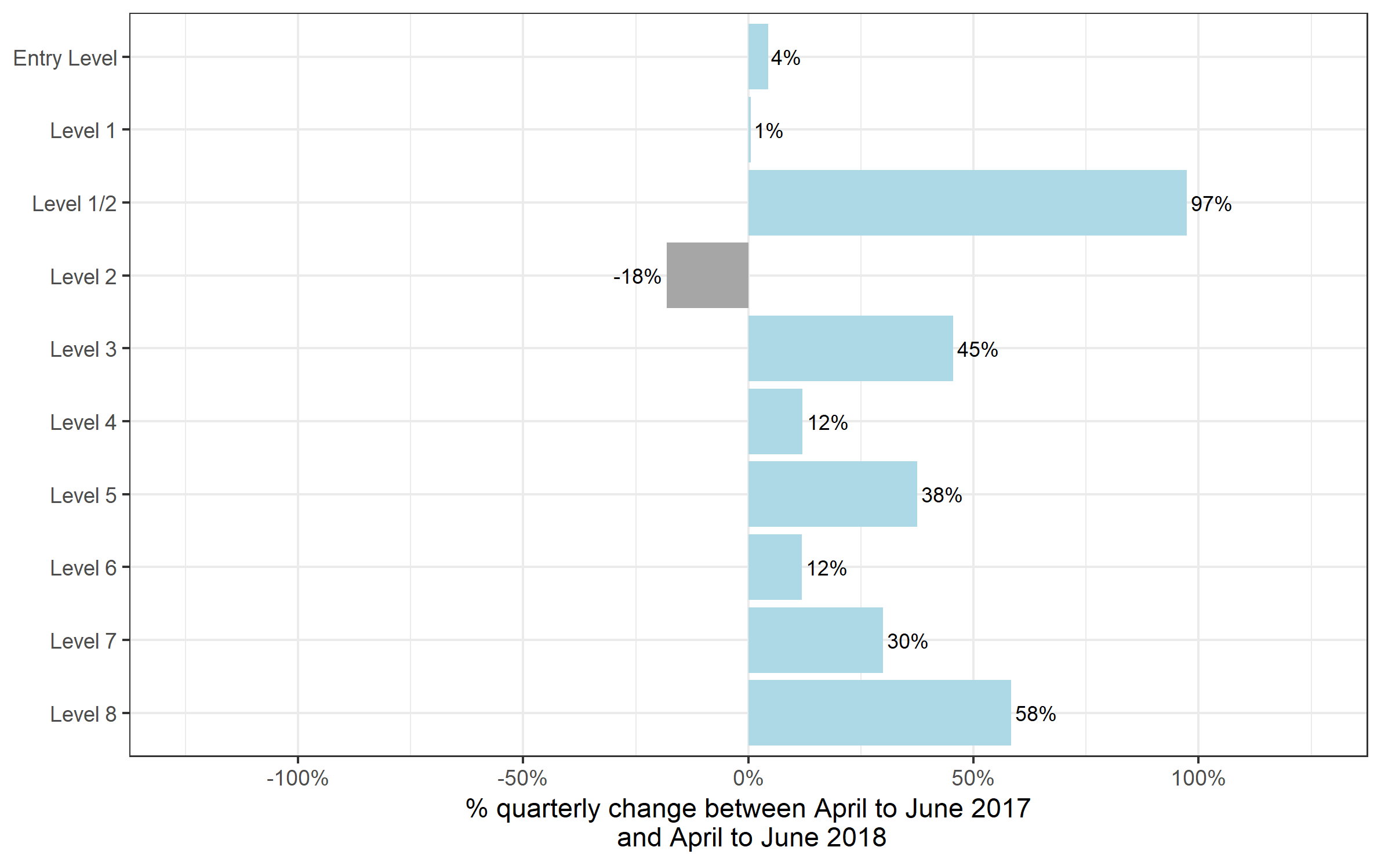
Qualification Level | Apr 2017 to Jun 2017 | Apr 2018 to Jun 2018 | Jul 2016 to Jun 2017 | Jul 2017 to Jun 2018
Entry Level | 178,850 | 186,700 | 770,050 | 728,800
Level 1 | 345,850 | 347,750 | 1,373,650 | 1,339,250
Level 1/2 | 40,250 | 79,450 | 649,450 | 352,650
Level 2 | 594,100 | 486,550 | 2,361,250 | 1,994,950
Level 3 | 236,900 | 344,600 | 1,191,000 | 1,419,050
Level 4 | 16,500 | 18,450 | 69,400 | 79,700
Level 5 | 9,500 | 13,050 | 44,650 | 51,500
Level 6 | 3,850 | 4,300 | 14,500 | 17,400
Level 7 | 1,100 | 1,450 | 5,300 | 6,350
Level 8 | 0~ | 0~ | 200 | 200
Total | 1,426,900 | 1,482,300 | 6,479,550 | 5,989,850

Certificates by SSA
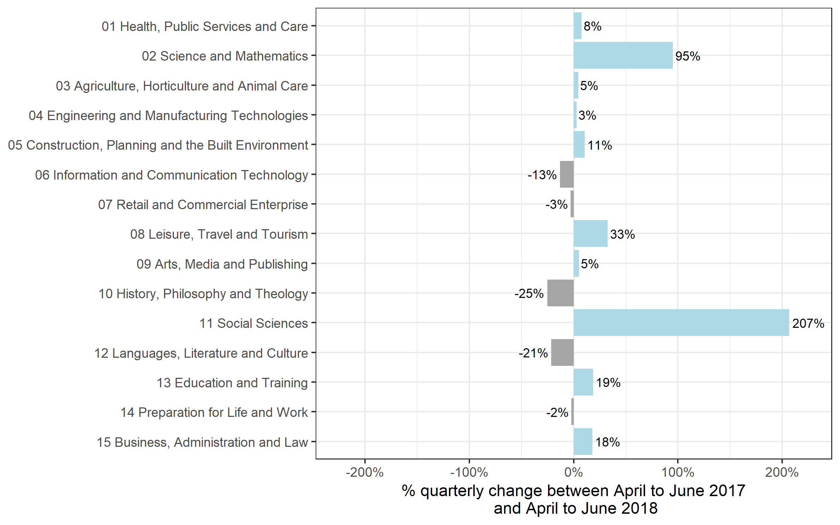
Number of certificates awarded by sector subject area
Comparison with the same quarter previous year and previous 12 months

 | Quarterly comparison |  | Annual comparison

Sector Subject Area | Apr 2017 to Jun 2017 | Apr 2018 to Jun 2018 | Jul 2016 to Jun 2017 | Jul 2017 to Jun 2018
01 Health, Public Services and Care | 275,200 | 296,200 | 1,089,000 | 1,126,750
02 Science and Mathematics | 4,650 | 9,050 | 195,350 | 155,950
03 Agriculture, Horticulture and Animal Care | 19,100 | 19,950 | 91,350 | 89,600
04 Engineering and Manufacturing Technologies | 66,900 | 68,650 | 321,650 | 307,650
05 Construction, Planning and the Built Environment | 67,900 | 75,100 | 288,100 | 329,900
06 Information and Communication Technology | 104,650 | 90,900 | 389,600 | 291,350
07 Retail and Commercial Enterprise | 102,550 | 99,350 | 464,800 | 408,000
08 Leisure, Travel and Tourism | 73,450 | 97,450 | 340,050 | 349,100
09 Arts, Media and Publishing | 177,250 | 186,250 | 756,200 | 751,750
10 History, Philosophy and Theology | 3,100 | 2,350 | 25,700 | 23,500
11 Social Sciences | 0~ | 50 | 10,700 | 11,950
12 Languages, Literature and Culture | 30,750 | 24,150 | 468,400 | 162,100
13 Education and Training | 18,300 | 21,700 | 79,750 | 82,900
14 Preparation for Life and Work | 386,000 | 376,550 | 1,541,900 | 1,450,450
15 Business, Administration and Law | 97,150 | 114,650 | 416,900 | 448,850
Total | 1,426,900 | 1,482,300 | 6,479,550 | 5,989,850

Historical trends
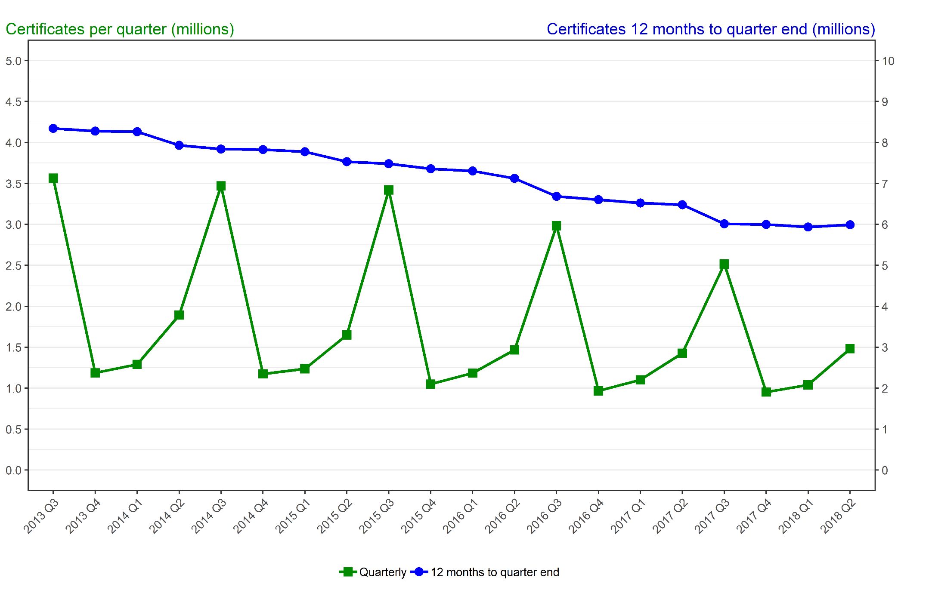
Number of certificates awarded in the past 5 years
Quarterly and 12 months to quarter end

Period | Quarterly | 12 months to quarter end
Jul to Sep 2013 | 3,563,200 | 8,343,550
Oct to Dec 2013 | 1,186,550 | 8,278,150
Jan to Mar 2014 | 1,290,100 | 8,262,300
Apr to Jun 2014 | 1,892,100 | 7,931,950
Jul to Sep 2014 | 3,469,900 | 7,838,650
Oct to Dec 2014 | 1,174,450 | 7,826,550
Jan to Mar 2015 | 1,237,250 | 7,773,650
Apr to Jun 2015 | 1,649,850 | 7,531,450
Jul to Sep 2015 | 3,420,850 | 7,482,400
Oct to Dec 2015 | 1,049,500 | 7,357,500
Jan to Mar 2016 | 1,184,700 | 7,304,900
Apr to Jun 2016 | 1,467,350 | 7,122,400
Jul to Sep 2016 | 2,982,900 | 6,684,450
Oct to Dec 2016 | 967,700 | 6,602,650
Jan to Mar 2017 | 1,102,050 | 6,520,000
Apr to Jun 2017 | 1,426,900 | 6,479,550
Jul to Sep 2017 | 2,515,050 | 6,011,750
Oct to Dec 2017 | 952,700 | 5,996,700
Jan to Mar 2018 | 1,039,800 | 5,934,450
Apr to Jun 2018 | 1,482,300 | 5,989,850

