OUTLINE


 |  |  |  | Estimation of Return on Investment (ROI) for publicly funded contraception in England

Email us
INTRODUCTION
This model calculates the Return on Investment (Benefit-Cost ratio) for publicly funded contraception in England. The ‘benefits’ can be regarded as the healthcare and non-healthcare cost savings that result from averting conceptions, through the use of publicly provided contraception. The ‘cost’ is the total amount of public money spent on contraception in a year. Averted pregnancies are calculated from the current pattern of contraceptive use compared to a hypothetical pattern of use if public provision were not available. An adjustment is made for the proportion of these pregnancies that are 'mistimed' rather than 'unwanted'.

Benefit-Cost Ratio |  | = | Benefits | = | total future cost savings from pregnancies averted by contraception | = | £2215.5m | = | £9.00
 |  |  | Costs |  | total annual public spend on contraception |  | £246.1m

 |  |  |  |  | i.e. every £1 spent on publicly funded contraception results in savings of £9.00
 |  |  |  |  | Assuming Scenario 1, a Total Public Sector perspective and a 10 years time horizon

Users should use the drop-down menus below to tailor Return on Investment results based on different scenarios, percepectives and time horizons:

SCENARIO SELECTION
Select a hypotherical scenario of how the pattern of contraception use may change if publically funded contraception were not avaliable:
Scenario: | Scenario 1 | ← Click here to change selection
Scenario 1 | LARCs replaced by pill and condom equally
Scenario 2 | LARCs replaced by pill, condom and no method equally
Scenario 3 | LARCs replaced by 'no method'
Scenario 4 | All methods replaced by privately purchased condoms
Scenario 5 | LARCs and sterilisation replaced by condoms and pill
Custom | Input custom percentages on "Sheet 1"

PERSPECTIVE SELECTION
Perspective: | Total Public Sector | ← Click here to change selection
Healthcare | Birth costs, abortion and miscarriage costs, and ongoing child healthcare costs
Non-Healthcare | Costs of education, child-related benefits, housing benefit, maternity benefits, and children in care
Total Public Sector | Total healthcare and non-healthcare savings

TIME HORIZON SELECTION
Time Horizon: | 10 years | ← Click here to change selection
1 year | Costs mostly relate to the costs of birth, as well as maternity benefits
5 years | Increasing impact of costs of welfare, and ongoing child healthcare costs
10 years | Increasing impact of costs of welfare and in particular, education

ROI over time for Scenario 1

 |  |  |  |  |  |  |  |  |  | Scenario 1
 |  |  |  |  |  |  |  |  |  | Time Horizon (years) | Perspective
 |  |  |  |  |  |  |  |  |  |  | Healthcare | Non-Healthcare | Total Public Sector
 |  |  |  |  |  |  |  |  |  | 1 | 1.51 | 0.36 | 1.86
 |  |  |  |  |  |  |  |  |  | 5 | 2.82 | 1.82 | 4.64
 |  |  |  |  |  |  |  |  |  | 10 | 3.68 | 5.32 | 9.00

MODEL STRUCTURE

Section 1 | Estimating the number of pregnancies averted by contraception

Section 2 | Estimating the cost savings of averted pregnancies

Section 3 | Public spending on contraception

Appendix | Inflation Index

2. COST SAVINGS
SECTION 2: COST SAVINGS FROM AVERTED PREGNANCIES

 | Scenario: | Scenario 1 | Time horizon: | 10 years | Population Cost Savings |  |  |  | Cost saving per pregnancy |  | Cost saving per live birth
 | Sheet | Cost saving category |  |  | UNADJUSTED | Unplanned (40%) | Mistimed (60%) | ADJUSTED | Unadjusted | Adjusted | Unadjusted | Adjusted
 |  | Healthcare Costs
 | 2.1 | Birth costs |  |  | £405.8m | £162.3m | £16.2m | £178.5m | £1,982 | £872 | £5,505 | £2,421
 | 2.1 | Abortion costs |  |  | £81.6m | - | - | £81.6m | £399 | £399 | - | -
 | 2.1 | Miscarriage costs |  |  | £16m | - | - | £16m | £78 | £78 | - | -
 | 2.2 | Ongoing child healthcare costs |  |  | £1349.7m | £539.9m | £53.8m | £593.7m | £6,591 | £2,899 | £18,309 | £8,054
 | 2.3 | Public health services for children |  |  | £81.6m | £32.6m | £4.2m | £36.9m | £398 | £180 | £1,107 | £500
 |  | Non-healthcare costs
 | 2.4 | Education |  |  | £1579.8m | £631.9m | £63m | £694.9m | £7,714 | £3,394 | £21,429 | £9,426
 | 2.5 | Child benefit |  |  | £372.6m | £149m | £14.9m | £163.9m | £1,820 | £800 | £5,055 | £2,223
 | 2.6 | Child tax credit |  |  | £585.2m | £234.1m | £23.3m | £257.4m | £2,858 | £1,257 | £7,938 | £3,492
 | 2.7 | Working tax credit (childcare part) |  |  | £48m | £19.2m | £1.9m | £21.1m | £234 | £103 | £651 | £286
 | 2.8 | Income support for lone parents |  |  | £36.8m | £14.7m | £1.5m | £16.2m | £180 | £79 | £499 | £220
 | 2.9 | Housing benefit |  |  | £106.2m | £42.5m | £4.2m | £46.7m | £519 | £228 | £1,441 | £634
 | 2.10 | Maternity benefits |  |  | £34.5m | £13.8m | £1.4m | £15.2m | £168 | £74 | £468 | £206
 | 2.11 | Children in care |  |  | £212m | £84.8m | £8.5m | £93.3m | £1,035 | £455 | £2,876 | £1,265
 |  | Total Healthcare Costs |  |  | £1934.8m | £734.8m | £74.3m | £906.8m | £9,448 | £4,428 | £26,245 | £12,300
 |  | Total Non-Healthcare Costs |  |  | £2975m | £1190m | £118.7m | £1308.7m | £14,528 | £6,391 | £40,356 | £17,752
 |  | Total Public Sector Costs |  |  | £4909.8m | £1924.9m | £193m | £2215.5m | £23,976 | £10,819 | £65,276 | £28,728

Unintended births:
 | ADJUSTMENT FOR MISTIMED BIRTHS
 |  |  |  |  |  |  |  |  |  |  |  | https://www.ncbi.nlm.nih.gov/pmc/articles/PMC3496824/#R16
 |  |  |  | 40% would not have occurred as intended births in the future |  |  |  |  | Montouchet and Trussell (2012) |  |  | https://www.ncbi.nlm.nih.gov/pubmed/16532609
 |  |  |  | 60% are 'mistimed': would have occurred as intended births at a later date |  |  |  |  | - citing evidence from US National Survey of Family Growth (2005)

 |  |  |  |  | Cost of mistimed birth = B – B/(1+r)d

 | Term | Definition |  |  |  |  |  | Value
 | B | Cost of birth |  |  |  |  |  | above
 | r | Discount rate |  |  |  |  |  | 3.50% | Montouchet and Trussell (2012)
 | d | Number of years by which birth delayed |  |  |  |  |  | 2 | Montouchet and Trussell (2012)

2.6
2.6 Child Tax Credits

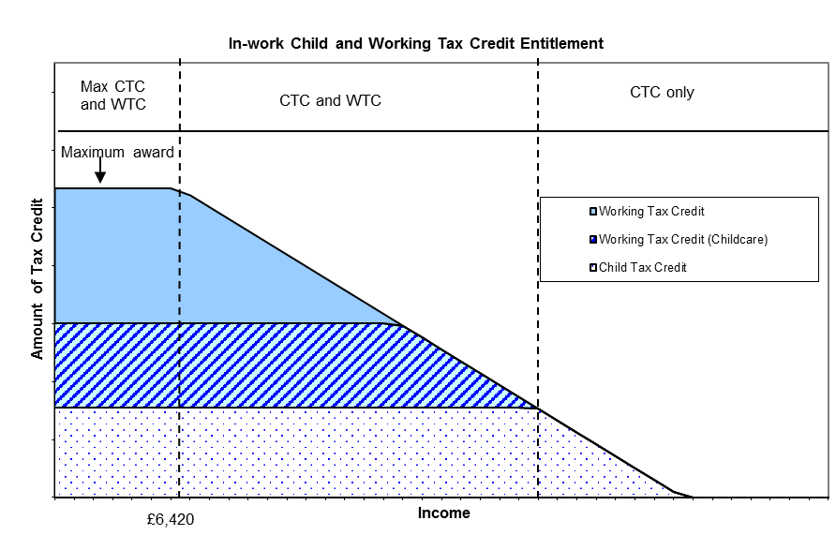
 | Child Tax Credit |  |  |  |  | Value |  |  | Source | Reference | Link
 | Total number of UK families (2017) |  |  |  |  | 7,983,000 |  |  | ONS | Sheet 3 Cell BJ21 | https://www.ons.gov.uk/peoplepopulationandcommunity/birthsdeathsandmarriages/families/datasets/familiesandhouseholdsfamiliesandhouseholds
 | Number of families claiming child tax credit (April 2017) |  |  |  |  | 3,700,200 |  |  | HMRC | Sheet 16 Cell J14 + J26 | https://www.gov.uk/government/statistics/personal-tax-credits-provisional-statistics-2013-to-2009
 | Proportion of all families claiming child tax credit |  |  |  |  | 46.35%
 | Number of families claiming who receive the maximum eligible amount |  |  |  |  | 2,860,600 |  |  | HMRC | Sheet 16 Cell J11+J13+J22
 | - proportion of those claiming who receive the maximum eligible amount |  |  |  |  | 77.3%
 | Number of families claiming who receive a tapering amount |  |  |  |  | 839,600 |  |  | HMRC | Sheet 16 Cell J12+J24
 | - proportion of those claiming who receive a tapering amount |  |  |  |  | 22.7%

 | Child Tax Credit Elements |  |  |  |  |  | Annual claim |  | .Gov | CTC Rates | https://www.gov.uk/government/publications/rates-and-allowances-tax-credits-child-benefit-and-guardians-allowance/tax-credits-child-benefit-and-guardians-allowance
 | Family element |  |  |  |  |  | £548
 | Child element (£2780 per child up to maximum 2 children) |  |  |  |  |  | £2,780
 |  |  |  |  | Number claiming | % claiming
 | Disabled child additional element |  |  |  | 185,200 | 2.32% | £3,140 |  | HMRC | Sheet 29 Cell K17 | https://www.gov.uk/government/statistics/personal-tax-credits-provisional-statistics-2013-to-2009
 | Severely disabled child additional element |  |  |  | 74,000 | 0.93% | £4,415 |  | HMRC | Sheet 31 Cell H15 |  | (April 2017)

 | Averted live births |  |  |  | Number | Maximum Costs | Adusted for taper
 | Which would be 1st child in the household = |  |  |  | 37,407 | £61.95m | £54.92m |  | Additional claim is family element + child element + percentage with disability
 | Which would be 2nd child in the household = |  |  |  | 11,164 | £15.66m | £13.88m |  | Additional claim is child element + percentage with disability (they would already be claiming the family element)
 | Which would be 3rd (or more) child = |  |  |  | 15,489 | £1.76m | £1.56m |  | Additional claim is the percentage with disability (they would already be claiming family element and maximum child element)
 | Total annual CTC costs |  |  |  | 73,720 | £79.37m | £70.36m

 | Time Horizon
 | Years | 0 | 1 | 2 | 3 | 4 | 5 | 6 | 7 | 8 | 9 | 10
 | Child Tax Credit Costs | 0 | £68m | £65.7m | £63.5m | £61.3m | £59.2m | £57.2m | £55.3m | £53.4m | £51.6m | £49.9m
 | Cumulative | 0 | £68m | £133.7m | £197.1m | £258.5m | £317.7m | £374.9m | £430.2m | £483.7m | £535.3m | £585.2m

 |  |  |  |  |  |  |  |  |  |  | 10 year cost saving per averted pregnancy | £2,857.66
 |  |  |  |  |  |  |  |  |  |  | 10 year cost saving per averted birth | £7,937.95

