Title


 | Smart Meter Statistics:
 | Quarter 2, 2018
 | Great Britain

This workbook was updated on 30 August 2018

Figure 1
Contents

 | Figure 1: Domestic quarterly smart meter installations by large suppliers

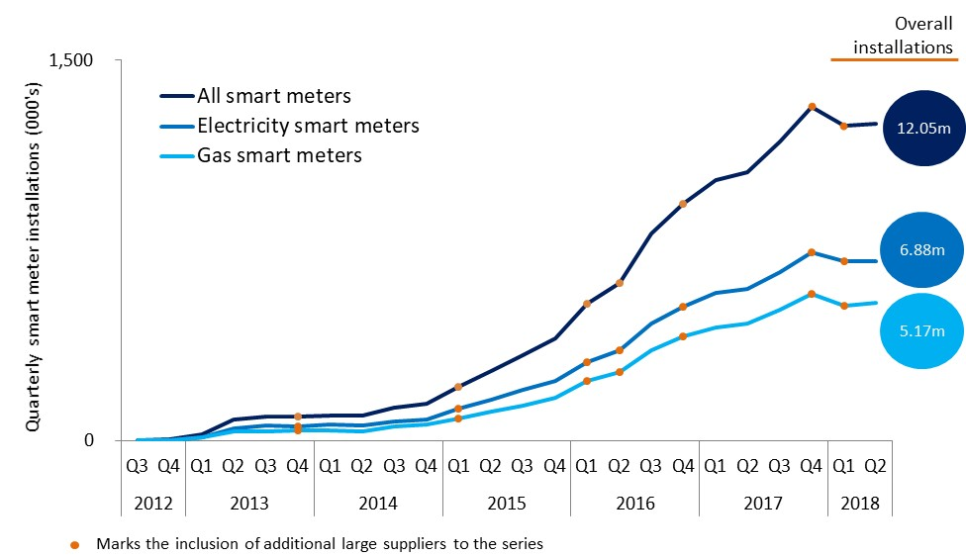

 | Note, the above chart excludes historic data which can be found in the accompanying Excel Table 1a.

Figure 2
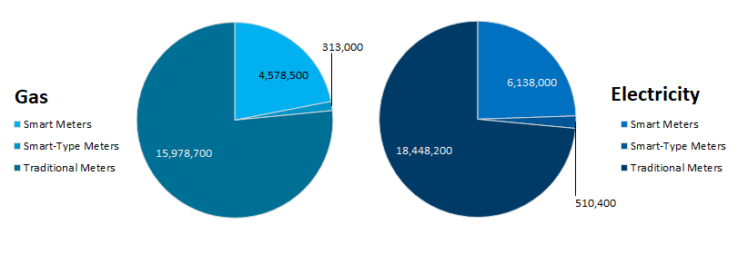
Contents

 | Figure 2: Domestic meters in operation by large suppliers, as at 30 June 2018

Figure 3
Contents

 | Figure 3: Non-domestic quarterly smart and advanced meter installations by large suppliers

 | Smart gas meters | Advanced gas meters
Q3 | 0 | 186
Q4 | 0 | 144
Q1 | 0 | 1321
Q2 | 0 | 290
Q3 | 0 | 60
Q4 | 0 | 184
Q1 | 0 | 24
Q2 | 0 | 59
Q3 | 0 | 647
Q4 | 30 | 1786
Q1 | 72 | 2497
Q2 | 129 | 4323
Q3 | 202 | 6018
Q4 | 257 | 8071
Q1 | 187 | 5948
Q2 | 247 | 3185
Q3 | 264 | 2797
Q4 | 228 | 2557
Q1 | 353 | 3105
Q2 | 290 | 3185
Q3 | 213 | 2565
Q4 | 276 | 2329
Q1 | 241 | 2521
Q2 | 411 | 3097

 | Smart electricity meters | Advanced electricity meters
Q3 | 0 | 35455
Q4 | 0 | 35834
Q1 | 0 | 32529
Q2 | 0 | 28722
Q3 | 946 | 24189
Q4 | 2590 | 28300
Q1 | 2175 | 17332
Q2 | 1445 | 10152
Q3 | 714 | 14700
Q4 | 1214 | 15955
Q1 | 1369 | 11534
Q2 | 2137 | 12073
Q3 | 2767 | 13888
Q4 | 3347 | 13832
Q1 | 3725 | 9015
Q2 | 5170 | 7865
Q3 | 5545 | 4972
Q4 | 4764 | 5716
Q1 | 4906 | 5385
Q2 | 5029 | 5307
Q3 | 4636 | 8248
Q4 | 6344 | 7825
Q1 | 5439 | 9114
Q2 | 4897 | 9033
Electricity

 |  | Note, the above chart excludes historic data which can be found in Tables 3a, 3b and 3c

