RTA calculator
BS EN ISO 7726: 2001 Ergonomics of the thermal environment - instruments for measuring physical quantities | CIBSE Guide A (2015) Environmental Design

Apendix C.4 | Section 1.6.6.4

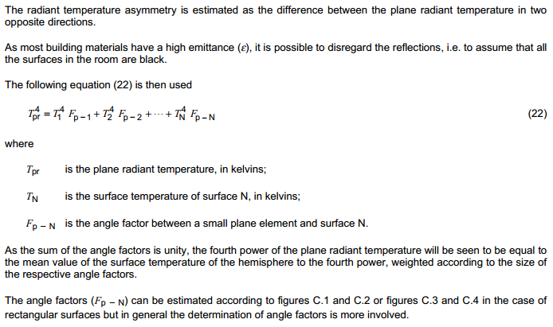

 | Problem definition

 | Determine the Radiant Temperature Asymmetry (RTA) resulting from an overhead radiant panel installation in a typical classroom configuration.
 | Angle factor derived for a rectangular radiant panel (see Appendix C.4 of BS EN ISO 7726: 2001)
 | Cells highlighted in yellow are data inputs.

 | Assumptions:
 | Typical classroom plan dimensions of 7.5m x 7.5m, ceiling height of 3m.
 | Consider RTA resulting from a single panel located directly above a seated person.
 | Range of panel widths considered: 300mm, 600mm, 750mm, 900mm, 1200mm
 | Assume panel length of 6m

 | Radiant panel width | 0.6 | m
 | Radiant panel length | 6 | m
 | a | 0.3 | m | Equal to half panel width
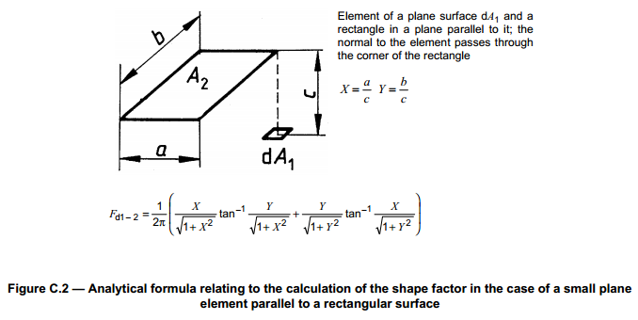
 | b | 3 | m | Equal to half panel length
 | Reference plane vertical height | 0.6 | m | CIBSE Guide A 1.6.6.4
 | Classroom floor to ceiling height | 3 | m
 | c | 2.4 | m

 | 1/2π | 0.1592
 | X = a/c | 0.1250
 | Y = b/c | 1.2500
 | X/√(1+X2) | 0.1240
 | Y/√(1+X2) | 1.2403
 | Y/√(1+Y2) | 0.7809
 | X/√(1+Y2) | 0.0781
 | Fpanel | 0.1092

 | Note Fpanel increased by a factor of 4, considering a person seated directly below the radiant panel (angle factor calculated based on a rectangle with 1/4 total area of radiant panel, see Figure C.2)

 | Assume temperature of radiant panel (e.g. Te is 50°C)
 | Assume other room surfaces have a surface temperature, Ts, of 20°C.

 | Te | 50 | °C
 | Te | 323 | K

 | Ts | 20 | °C
 | Ts | 293 | K

 | Plane radiant temperature calculations

 | Tpr,lower = Ts | 293 | K
 | Tpr,upper | 296.7 | K
 | RTA | 3.7 | K

