Internal Gains Data
CIBSE Guide A (2015 edition) |  |  |  |  | Summary
6.5.2 "It is well documented that nameplate power overstates the actual power and consequent heat gain."

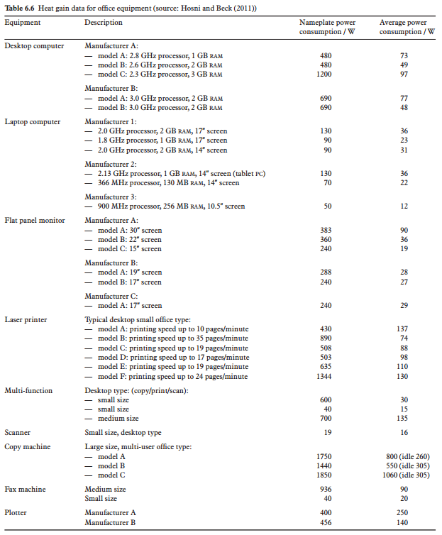
 |  |  |  |  | CIBSE Guide A (2015)

 |  |  |  |  |  | Average power consumption (W)
 |  |  |  |  | Item | Min. | Max. | Avg. | n
 |  |  |  |  | Desktop PC | 48 | 97 | 68.8 | 5
 |  |  |  |  | Laptop computer | 12 | 36 | 26.7 | 6
 |  |  |  |  | Flat panel monitor | 19 | 90 | 38.2 | 6

 |  |  |  |  | Menezes et al. (2013)

 |  |  |  |  |  | Average power consumption (W)
 |  |  |  |  | Item | Min. | Max. | Avg. | n
 |  |  |  |  | Desktop PC | 64.1 | 168.6 | 116.4 | 2
 |  |  |  |  | Laptop computer | 17.9 | 30.9 | 23.0 | 3
 |  |  |  |  | Flat panel monitor | 23.2 | 35.7 | 27.1 | 3

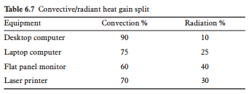

Menezes et al. (2013) "Benchmarking small power energy consumption in UK office buildings: a review of data published in CIBSE Guide F"

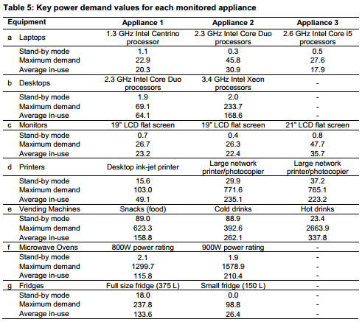

2013 ESFA ICT advisers figures
Item | Active (Watts) | Passive (Watts) | Generic Value (Watts)
Desktop Computer | 105 | 75 | 47
Apple iMac 21" | 113 | n/a | 53 | Reduce to 53 Active from ARUP report
Laptop | 35 | 5 | 15 | 15 from CIBSE full operation
Wireless Access Point | 12 | 10 | 12
Data Projector | 250 | n/a | 210
Interactive Whiteboard | 200 | n/a | 200
Speakers (2) | 35 | 5 | 9
IP Telephone | 4 | 5 | 4
Network Printer | 567 | 55 | 160

Diversity
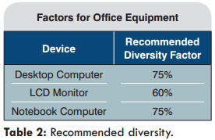
CIBSE Guide A (2015 edition)
6.5.3 "The actual peak internal heat gain for all office equipment in a single common area is less than the sum of the individual continuous gains due to diversity of use… it is a factor that accounts for a percentage of equipment being idle or turned off."

Wilkins & Hosni (2011) Plug load design factors - ASHRAE Journal article

Following diversity factors recommended for office equipment:

ESFA Scenarios
EFA ICT usage scenarios
Standard teaching space with 1:1 pupil:laptop | 10.2
Standard teaching space with 2:1 pupil:laptop | 6.5
Specialised IT teaching space | 27.0
Specialised teaching space (e.g. art, music, etc.) with 2:1 pupil:mac | 9.4
Standard teaching space with 1:1 pupil:tablet | 4.9
Note that the minimum and maximum values stated in the tables refer to the lowest and highest average power consumption for that device reported in the references consulted.

Data sources
1. CIBSE Guide A (2015 edition)
2. Menezes et al. (2013)
3. EFA Advisers ICT Figures
4. Johnston et al. (2011)
These data sources are referenced as the basis for the heat gain calculations given below for the EFA ICT usage scenarios.

Standard teaching space with 1:1 pupil:laptop
All pupils assumed to use a laptop during class, teacher also uses a laptop as well as data projector with speakers.
Room includes one wireless access point.

 |  | Gain per item (W) |  |  | Diversity (%) | Total per item (W) |  |  | Data source
Device | No. items | Min. | Max. | Typ. |  | Min. | Max. | Typ. | Min. | Max. | Typ. | Notes

Student laptop | 30 | 12 | 36 | 18 | 0.75 | 270 | 810 | 405 | 1 | 1 | 2 | Typical value based on laptop with 2.6GHz Intel Core i5 processors
Staff laptop | 1 | 12 | 36 | 18 | 0.75 | 9 | 27 | 13.5 | 1 | 1 | 2 | Typical value based on laptop with 2.6GHz Intel Core i5 processors
Data projector | 1 | 250 | 250 | 250 | 0.5 | 125 | 125 | 125 | 3 | 3 | 3 | Based on peak power consumption, diversity factor of 0.5 assumed
Speakers | 1 | 9 | 9 | 9 | 0.5 | 4.5 | 4.5 | 4.5 | 3 | 3 | 3 | Diversity factor of 0.5 assumed
Wireless Access Point | 1 | 12 | 12 | 12 | 1 | 12 | 12 | 12 | 3 | 3 | 3 | Diversity factor of 1 assumed

 |  |  |  |  | Room total ICT gain (W) | 421 | 979 | 560
 |  |  |  |  | Room area | 55 | 55 | 55
 |  |  |  |  | Room total ICT gain (W/m2) | 7.6 | 17.8 | 10.2

Standard teaching space with 2:1 pupil:laptop
Half of pupils assumed to use a laptop during class, teacher also uses a laptop as well as data projector with speakers.
Room includes one wireless access point.

 |  | Gain per item (W) |  |  | Diversity (%) | Total per item (W) |  |  | Data source
Device | No. items | Min. | Max. | Typ. |  | Min. | Max. | Typ. | Min. | Max. | Typ. | Notes

Student laptop | 15 | 12 | 36 | 18 | 0.75 | 135 | 405 | 202.5 | 1 | 1 | 2 | Typical value based on laptop with 2.6GHz Intel Core i5 processors
Staff laptop | 1 | 12 | 36 | 18 | 0.75 | 9 | 27 | 13.5 | 1 | 1 | 2 | Typical value based on laptop with 2.6GHz Intel Core i5 processors
Data projector | 1 | 250 | 250 | 250 | 0.5 | 125 | 125 | 125 | 3 | 3 | 3 | Based on peak power consumption, diversity factor of 0.5 assumed
Speakers | 1 | 9 | 9 | 9 | 0.5 | 4.5 | 4.5 | 4.5 | 3 | 3 | 3 | Diversity factor of 0.5 assumed
Wireless Access Point | 1 | 12 | 12 | 12 | 1 | 12 | 12 | 12 | 3 | 3 | 3 | Diversity factor of 1 assumed

 |  |  |  |  | Room total ICT gain (W) | 286 | 574 | 358
 |  |  |  |  | Room area | 55 | 55 | 55
 |  |  |  |  | Room total ICT gain (W/m2) | 5.2 | 10.4 | 6.5

Specialised IT teaching space
All pupils assumed to use desktop PC during class, teacher uses a laptop as well as data projector with speakers.
Room includes one wireless access point.

 |  | Gain per item (W) |  |  | Diversity (%) | Total per item (W) |  |  | Data source
Device | No. items | Min. | Max. | Typ. |  | Min. | Max. | Typ. | Min. | Max. | Typ. | Notes

Student desktop PC | 30 | 48 | 169 | 64 | 0.75 | 1080 | 3802.5 | 1440 | 1 | 2 | 2 | Typical value based on 2.3Ghz Intel Core Duo processors desktop PC
Student monitor | 30 | 19 | 90 | 36 | 0.6 | 342 | 1620 | 648 | 1 | 1 | 1 | Typical value based on 22" monitor
Staff laptop | 1 | 12 | 36 | 18 | 0.75 | 9 | 27 | 13.5 | 1 | 1 | 2 | Typical value based on laptop with 2.6GHz Intel Core i5 processors
Data projector | 1 | 250 | 250 | 250 | 0.5 | 125 | 125 | 125 | 3 | 3 | 3 | Based on peak power consumption, diversity factor of 0.5 assumed
Speakers | 1 | 9 | 9 | 9 | 0.5 | 4.5 | 4.5 | 4.5 | 3 | 3 | 3 | Diversity factor of 0.5 assumed
Wireless Access Point | 1 | 12 | 12 | 12 | 1 | 12 | 12 | 12 | 3 | 3 | 3 | Diversity factor of 1 assumed

 |  |  |  |  | Room total ICT gain (W) | 1573 | 5591 | 2243
 |  |  |  |  | Room area | 83 | 83 | 83
 |  |  |  |  | Room total ICT gain (W/m2) | 18.9 | 67.4 | 27.0

Specialised teaching space (e.g. art, music, etc.) with 2:1 pupil:mac
Teaching space is provided with 16 Apple iMac 21" computers as well as a data projector with speakers.
Room includes one wireless access point.

 |  | Gain per item (W) |  |  | Diversity (%) | Total per item (W) |  |  | Data source
Device | No. items | Min. | Max. | Typ. |  | Min. | Max. | Typ. | Min. | Max. | Typ. | Notes

Apple iMac 21" | 16 | 53 | 53 | 53 | 0.75 | 636 | 636 | 636 | 3 | 3 | 3 | Typical value based on 2.3Ghz Intel Core Duo processors desktop PC
Data projector | 1 | 250 | 250 | 250 | 0.5 | 125 | 125 | 125 | 3 | 3 | 3 | Based on peak power consumption, diversity factor of 0.5 assumed
Speakers | 1 | 9 | 9 | 9 | 0.5 | 4.5 | 4.5 | 4.5 | 3 | 3 | 3 | Diversity factor of 0.5 assumed
Wireless Access Point | 1 | 12 | 12 | 12 | 1 | 12 | 12 | 12 | 3 | 3 | 3 | Diversity factor of 1 assumed

 |  |  |  |  | Room total ICT gain (W) | 778 | 778 | 778
 |  |  |  |  | Room area | 83 | 83 | 83
 |  |  |  |  | Room total ICT gain (W/m2) | 9.4 | 9.4 | 9.4

Standard teaching space with 1:1 pupil:tablet
All pupils assumed to use a tablet device during class, teacher uses a laptop as well as data projector with speakers.
Room includes one wireless access point.

 |  | Gain per item (W) |  |  | Diversity (%) | Total per item (W) |  |  | Data source
Device | No. items | Min. | Max. | Typ. |  | Min. | Max. | Typ. | Min. | Max. | Typ. | Notes

Student tablet | 30 | 2.5 | 5 | 5 | 0.75 | 56.25 | 112.5 | 112.5 | 4 | 4 | 4 | Typical value based on tablet with 5W heat output (maximum value given in reference)
Staff laptop | 1 | 12 | 36 | 18 | 0.75 | 9 | 27 | 13.5 | 1 | 1 | 2 | Typical value based on laptop with 2.6GHz Intel Core i5 processors
Data projector | 1 | 250 | 250 | 250 | 0.5 | 125 | 125 | 125 | 3 | 3 | 3 | Based on peak power consumption, diversity factor of 0.5 assumed
Speakers | 1 | 9 | 9 | 9 | 0.5 | 4.5 | 4.5 | 4.5 | 3 | 3 | 3 | Diversity factor of 0.5 assumed
Wireless Access Point | 1 | 12 | 12 | 12 | 1 | 12 | 12 | 12 | 3 | 3 | 3 | Diversity factor of 1 assumed

 |  |  |  |  | Room total ICT gain (W) | 207 | 281 | 268
 |  |  |  |  | Room area | 55 | 55 | 55
 |  |  |  |  | Room total ICT gain (W/m2) | 3.8 | 5.1 | 4.9

