Table 1 and Figure 1
Table 1: Location of AFPS, WPS and AFCS recipients by UK country

Table 1 presents a summary of all recipients of an occupational pension under the AFPS (75 or 05), an ongoing pension under the WPS, and / or those that have been awarded compensation under the AFCS, by UK country, numbers and percentages |  |  |  |  |  |  |  |  |  | Figure 1 presents a summary of all UK recipients of an occupational pension under the AFPS (75 or 05), an ongoing pension under the WPS, and / or those that have been awarded compensation under the AFCS by country, percentages
As at 31 March 2018 |  |  |  |  |  |  |  |  |  | As at 31 March 2018
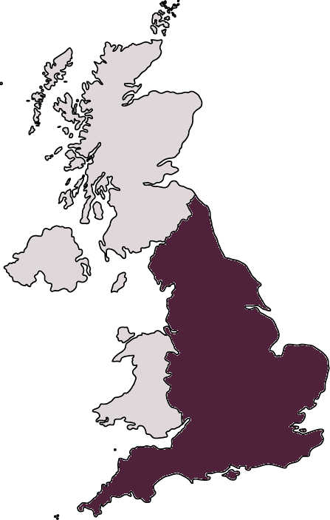
Northern Ireland
8%
4%
2%
Scotland
England
Wales
Overseas: 2%
Other UK: <1%
Unknown¹: 14%
70%
Country | All1 |  | Of which veterans1 |  | All AFPS2 | All WPS | Of which veterans3 | All AFCS | Of which veterans4
All | 477,681 |  | 444,362 |  | 373,430 | 118,000 | 101,630 | 39,229 | 22,057

UK | 404,710 |  | 374,005 |  | 308,808 | 107,591 | 92,541 | 36,410 | 20,540
England | 333,013 | 70% | 307,025 | 69% | 254,870 | 85,378 | 72,949 | 31,234 | 17,497
Wales | 20,555 | 4% | 19,079 | 4% | 15,045 | 6,692 | 5,841 | 1,534 | 895
Scotland | 36,456 | 8% | 34,318 | 8% | 27,502 | 10,646 | 9,435 | 2,381 | 1,443
N Ireland | 9,987 | 2% | 9,219 | 2% | 7,447 | 4,110 | 3,612 | 696 | 419
Other UK5 | 872 | <1% | 816 | <1% | 637 | 300 | 253 | 23 | 13
UK Unknown6 | 3,827 | 1% | 3,548 | 1% | 3,307 | 465 | 451 | 542 | 273

Overseas | 10,712 | 2% | 8,503 | 2% | 3,359 | 6,325 | 5,020 | 1,576 | 672

Unknown7 | 62,259 | 13% | 61,854 | 14% | 61,263 | 4,084 | 4,069 | 1,243 | 845
Sources: Compensation and Pension System; War Pension Computer System
1. Subtotals can't be summed as an individual may be in receipt under more than one scheme.
2. Includes ex-serving personnel who are in receipt of their pension. Does not include pensioners in receipt of AFPS 15.
Please see Background Quality Report for more details.
3. Includes Disablement Pensioners in receipt of an ongoing war pension as at 31 March 2018.
4. Includes individuals awarded compensation under the AFCS after leaving Service, and in-Service recipients of compensation
who had later left Service as at 31 March 2018.
5. Includes Channel Islands and the Isle of Man.
6. Includes pension and compensation recipients with a region of UK recorded but with no valid postcode as at 31 March 2018. |  |  |  |  |  |  |  |  |  | Sources: Compensation and Pension System; War Pension Computer System
7. Includes pension and compensation recipients with no valid address recorded as at 31 March 2018. |  |  |  |  |  |  |  |  |  | 1 Unknown includes UK Unknown (records with UK addres but no valid postcode) and
 |  |  |  |  |  |  |  |  |  | Unknown (records with no valid location).

Figure 2 - Region
Figure 2: Location of AFPS, WPS and AFCS recipients in the UK by region

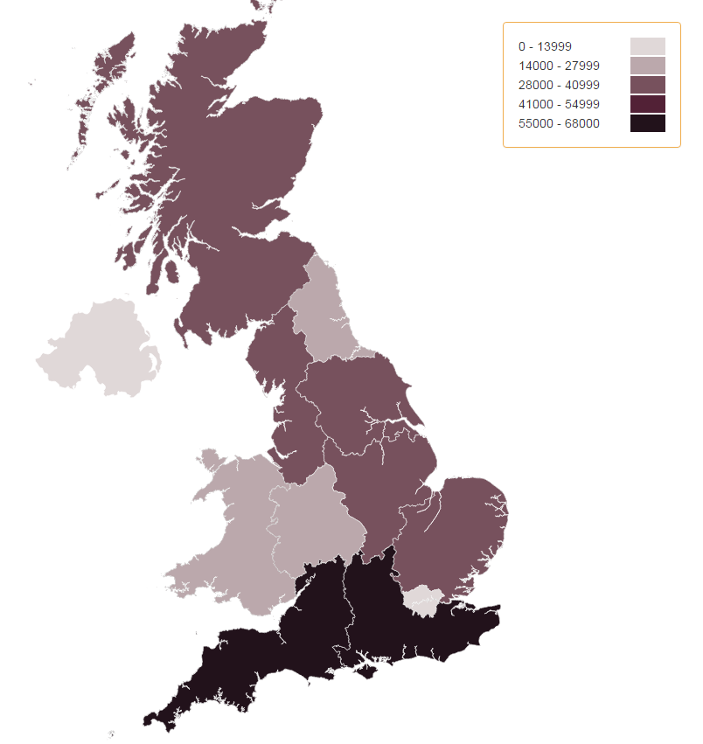
Scotland
Northern Ireland
North East
North West
Yorkshire and the Humber
East Midlands
West Midlands
Wales
London
South East
South West
East of England
Figure 2 presents a map of of individuals in the UK in receipt of an occupational pension under the AFPS1, an ongoing pension under the WPS, and those that have been awarded compensation under the AFCS, by UK region.
As at 31 March 2018

Sources: Compensation and Pension System; War Pension Computer System
1. Includes those in receipt of an occupational pension under the AFPS 75 and AFPS 05.

