Front


 | HM Revenue and Customs KAI Benefits & Credits

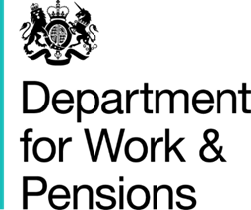
 | Department for Work and Pensions

 | Child Tax Credit and Universal Credit claimants

Coverage: | Statistics related to the policy to provide support for a maximum of two children
United Kingdom

Released:
28 June 2018
 | 2 April 2018
Media contact:
HMRC Press Office
020 7147 2318

Statistical contacts:
Mike Bielby
benefitsandcredits.analysis@hmrc.gsi.gov.uk

Francine Kidd
francine.kidd@dwp.gsi.gov.uk

Ian Doran | An Official Statistics Publication
ian.doran1@dwp.gsi.gov.uk | © Crown Copyright 2018

