Figure 5
Results : Demographic Risk Groups 2007/08 - 2017/18

Figure 5 shows percentage population at risk for UK Armed Forces personnel assessed with a mental disorder at MOD Specialist Mental Health Services by Age group between 2007/08 and 2017/18

Figure 5 : UK Armed Forces personnel assessed with a mental disorder at MOD Specialist Mental Health Services by Age group, percentage of personnel at risk1,2,3
2007/08 - 2017/18
Source: Defence Statistics Health DS Database, DMICP, SSSFT and BFG

Return to Contents
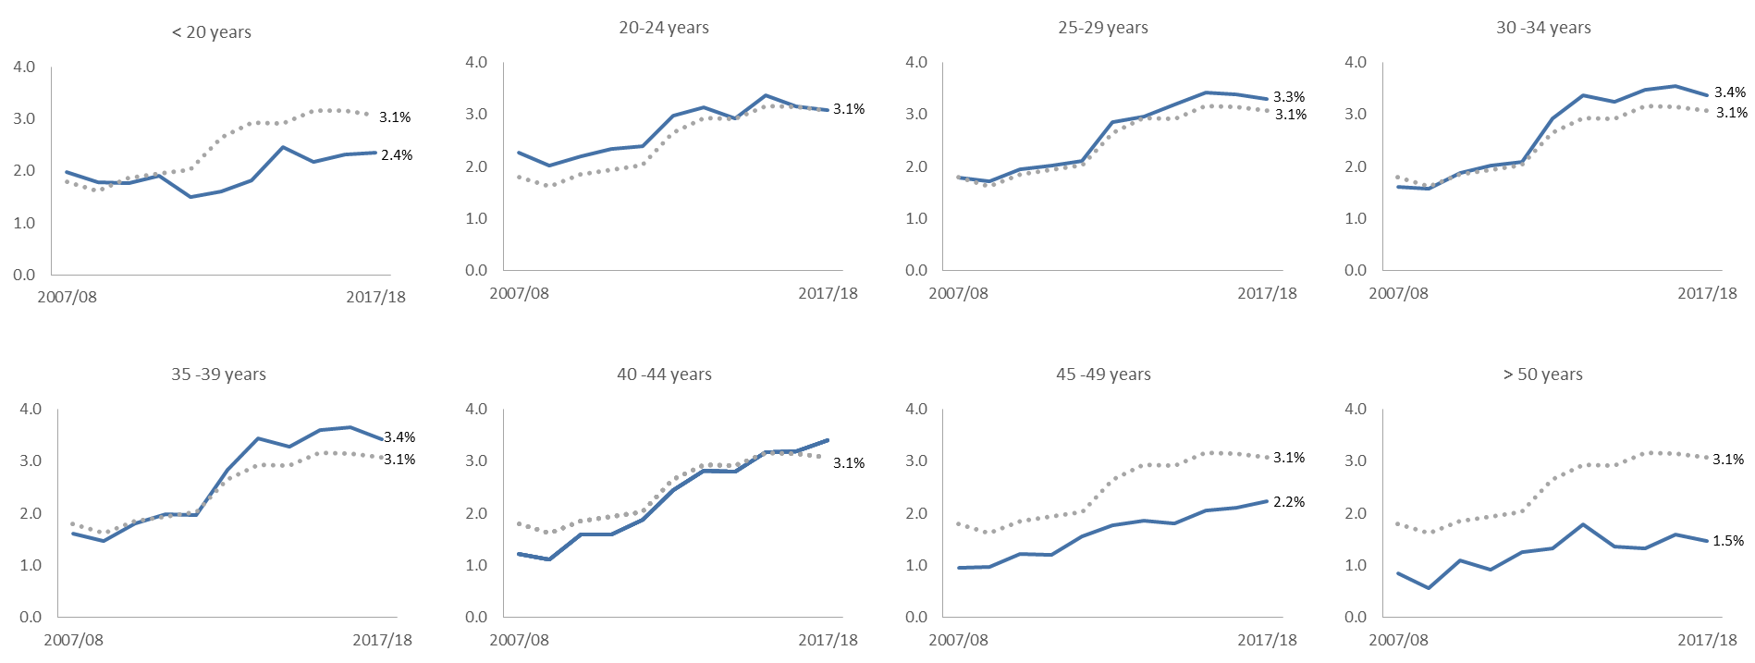
 | Underlying data: |  |  |  |  |  |  |  |  |  |  |  |  | 2007/08 |  |  | 2008/09 |  |  | 2009/10 |  |  |  | 2010/11 |  |  |  | 2011/12 |  |  |  | 2012/13 |  |  |  | 2013/14 |  |  |  | 2014/15 |  |  |  | 2015/16 |  |  | 2016/17 |  |  | 2017/18
 |  | 2007/08 | 2008/09 | 2009/10 | 2010/11 | 2011/12 | 2012/13 | 2013/14 | 2014/15 | 2015/16 | 2016/17 | 2017/18 |  | n | rate | 95% CI | n | rate | 95% CI | n | rate |  | 95% CI | n | rate |  | 95% CI | n | rate |  | 95% CI | n | rate |  | 95% CI | n | rate |  | 95% CI | n | rate |  | 95% CI | n | rate | 95% CI | n | rate | 95% CI | n | rate | 95% CI
 | <20 | 2.0 | 1.8 | 1.8 | 1.9 | 1.5 | 1.6 | 1.8 | 2.5 | 2.2 | 2.3 | 2.4 | <20 | 318 | 19.9 | (17.7 - 22.1) | 281 | 17.8 | (15.7 - 19.8) | 289 | 17.7 | r | (15.6 - 19.7) | 248 | 19.2 | r | (16.8 - 21.6) | 157 | 15.0 |  | (12.7 - 17.4) | 148 | 16.0 |  | (13.4 - 18.6) | 154 | 18.2 |  | (15.3 - 21.0) | 191 | 24.5 |  | (21.0 - 28.0) | 168 | 21.7 | (18.4 - 25.0) | 180 | 23.2 | (19.8 - 26.5) | 184 | 23.6 | (20.1 - 27.0)
 | 20-24 | 2.3 | 2.0 | 2.2 | 2.3 | 2.4 | 3.0 | 3.1 | 2.9 | 3.4 | 3.2 | 3.1 | 20-24 | 1021 | 22.7 | (21.3 - 24.1) | 896 | 20.2 | (18.9 - 21.5) | 1013 | 22.1 | r | (20.7 - 23.4) | 1068 | 23.5 |  | (22.1 - 24.9) | 1038 | 23.9 |  | (22.5 - 25.4) | 1217 | 29.8 |  | (28.2 - 31.5) | 1172 | 31.4 |  | (29.6 - 33.2) | 997 | 29.2 |  | (27.4 - 31.1) | 1080 | 33.8 | (31.7 - 35.8) | 945 | 31.5 | (29.5 - 33.5) | 876 | 30.8 | (28.8 - 32.8)
 | 25-29 | 1.8 | 1.7 | 2.0 | 2.0 | 2.1 | 2.8 | 3.0 | 3.2 | 3.4 | 3.4 | 3.3 | 25-29 | 748 | 17.9 | (16.6 - 19.2) | 727 | 17.2 | (16.0 - 18.5) | 837 | 19.5 |  | (18.2 - 20.8) | 878 | 20.2 | r | (18.9 - 21.6) | 918 | 21.1 |  | (19.8 - 22.5) | 1208 | 28.5 | r | (26.9 - 30.1) | 1208 | 29.6 |  | (28.0 - 31.3) | 1251 | 32.0 |  | (30.2 - 33.7) | 1308 | 34.3 | (32.4 - 36.1) | 1264 | 33.8 | (31.9 - 35.7) | 1183 | 33.0 | (31.2 - 34.9)
 | 30-34 | 1.6 | 1.6 | 1.9 | 2.0 | 2.1 | 2.9 | 3.4 | 3.2 | 3.5 | 3.6 | 3.4 | 30-34 | 466 | 16.1 | (14.6 - 17.6) | 448 | 15.8 | (14.4 - 17.3) | 556 | 18.8 |  | (17.2 - 20.3) | 635 | 20.2 |  | (18.6 - 21.8) | 686 | 20.9 | r | (19.3 - 22.5) | 973 | 29.3 |  | (27.5 - 31.2) | 1083 | 33.7 | r | (31.7 - 35.7) | 987 | 32.5 | r | (30.4 - 34.5) | 1029 | 34.8 | (32.7 - 36.9) | 1043 | 35.6 | (33.4 - 37.7) | 982 | 33.7 | (31.6 - 35.9)
 | 35-39 | 1.6 | 1.5 | 1.8 | 2.0 | 2.0 | 2.8 | 3.4 | 3.3 | 3.6 | 3.7 | 3.4 | 35-39 | 546 | 16.1 | (14.7 - 17.4) | 479 | 14.7 | (13.4 - 16.0) | 557 | 18.0 |  | (16.5 - 19.5) | 580 | 19.9 |  | (18.3 - 21.6) | 523 | 19.7 |  | (18.0 - 21.3) | 688 | 28.4 | r | (26.3 - 30.5) | 775 | 34.5 | r | (32.0 - 36.9) | 721 | 32.8 |  | (30.4 - 35.2) | 807 | 36.0 | (33.5 - 38.5) | 853 | 36.6 | (34.1 - 39.0) | 824 | 34.2 | (31.9 - 36.6)
 | 40-44 | 1.2 | 1.1 | 1.6 | 1.6 | 1.9 | 2.4 | 2.8 | 2.8 | 3.2 | 3.2 | 3.4 | 40-44 | 219 | 12.2 | (10.6 - 13.8) | 205 | 11.1 | (9.6 - 12.6) | 311 | 15.9 |  | (14.1 - 17.7) | 329 | 16.0 |  | (14.3 - 17.7) | 389 | 18.8 | r | (17.0 - 20.7) | 474 | 24.4 | r | (22.2 - 26.6) | 497 | 28.3 | r | (25.8 - 30.8) | 447 | 28.1 | r | (25.5 - 30.7) | 477 | 31.7 | (28.8 - 34.5) | 466 | 32.0 | (29.1 - 34.9) | 489 | 34.0 | (31.0 - 37.0)
 | 45-49 | 1.0 | 1.0 | 1.2 | 1.2 | 1.6 | 1.8 | 1.9 | 1.8 | 2.1 | 2.1 | 2.2 | 45-49 | 91 | 9.6 | (7.6 - 11.5) | 96 | 9.8 | (7.8 - 11.7) | 126 | 12.2 |  | (10.1 - 14.4) | 128 | 12.0 | r | (9.9 - 14.1) | 168 | 15.6 | r | (13.2 - 17.9) | 188 | 17.7 | r | (15.2 - 20.3) | 195 | 18.7 | r | (16.0 - 21.3) | 187 | 18.1 | r | (15.5 - 20.7) | 213 | 20.6 | (17.8 - 23.4) | 227 | 21.2 | (18.4 - 23.9) | 241 | 22.4 | (19.6 - 25.2)
 | 50+ | 0.9 | 0.6 | 1.1 | 0.9 | 1.3 | 1.3 | 1.8 | 1.4 | 1.3 | 1.6 | 1.5 | 50+ | 46 | 8.5 | (6.1 - 11.0) | 32 | 5.6 | (3.6 - 7.5) | 69 | 11.0 |  | (8.4 - 13.6) | 61 | 9.2 |  | (6.9 - 11.5) | 84 | 12.6 | r | (9.9 - 15.2) | 90 | 13.4 | r | (10.6 - 16.1) | 121 | 17.8 |  | (14.6 - 21.0) | 96 | 13.6 | r | (10.9 - 16.3) | 97 | 13.2 | (10.6 - 15.8) | 127 | 15.9 | (13.1 - 18.6) | 126 | 14.7 | (12.1 - 17.3)
 | overall | 1.8 | 1.6 | 1.9 | 1.9 | 2.0 | 2.7 | 2.9 | 2.9 | 3.2 | 3.2 | 3.1

1. Percentages are based on the calculation of the absolute number and are presented to 1dp (paragraph 76).
2. Excludes personnel where Initial diagnosis was not supplied (See BQR)
3. r denotes changes to previously published information (See BQR)

Figure 6
Results : UK Armed Forces mental disorders at MOD DCMH 2007/08-2017/18

Figure 6 shows the proportion of UK Armed Forces personnel seen for an initial assessment at a MOD DCMH in 2017/18

Figure 6: UK Armed Forces personnel mental disorders at initial assessment at MOD DCMH1,2,3,4
2017/18
Source: Defence Statistics Health DS Database, DMICP

Return to Contents
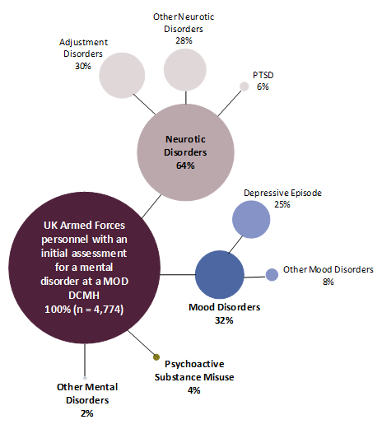
 |  |  |  |  |  |  |  |  |  |  |  |  |  | 2017/18
 |  |  |  |  |  | Underlying data for graphic: | 2017/18 |  |  |  |  |  | Underlying data for bar chart: | Rate | %
 |  |  |  |  |  | Adjustment disorders | 30% |  |  |  |  |  | All disorders | 30.0 | 3.0%
 |  |  |  |  |  | Mood Disorders | 32% |  |  |  |  |  | Psychoactive substance use | 1.1 | 0.1%
 |  |  |  |  |  | Other Neurotic disorders | 28% |  |  |  |  |  | of which disorders due to alcohol | 1.0 | 0.1%
 |  |  |  |  |  | PTSD | 6% |  |  |  |  |  | Mood Disorders | 9.8 | 1.0%
 |  |  |  |  |  | Psychoactive substance use | 4% |  |  |  |  |  | of which depressive episode | 7.5 | 0.8%
 |  |  |  |  |  | Other mental disorders | 2% |  |  |  |  |  | Neurotic disorders | 19.3 | 1.9%
 |  |  |  |  |  |  |  |  |  |  |  |  | of which PTSD | 1.9 | 0.2%
 |  |  |  |  |  |  |  |  |  |  |  |  | of which Adjustment disorders | 9.1 | 0.9%
 |  |  |  |  |  |  |  |  |  |  |  |  | Other mental disorders | 0.5 | 0.0%

1. Percentages may not sum 100% due to some personnel presenting with more than one disorder and thus are counted within each disorder they have presented with.
2. Excludes personnel where Initial diagnosis was not supplied (See BQR)
3. Percentages are based on the calculation of the absolute number and are presented to 1dp (See paragraph 76)
4. The percentage of UK Armed Forces personnel assessed with a mental disorder differs from that presented in Table 1 as this only includes personnel assessed at a MOD DCMH in 2017/18 (See paragraph 24)

Figure 6.1 Underlying data for UK Armed Forces personnel mental disorders at initial assessment at MOD DCMH
2007/08 - 2017/18
 | 2007/08 |  | 2008/09 |  | 2009/10 |  | 2010/11 |  | 2011/12 |  | 2012/13 |  | 2013/14 |  | 2014/15 |  | 2015/16 |  | 2016/17 |  | 2017/18
 | n | % | n | % | n | % | n | % | n | % | n | % | n | % | n | % | n | % | n | % | n | %
All mental disorders | 3,475 | 100 | 3,118 | 100 | 3,683 | 100 | 3,822 | 100 | 3,848 | 100 | 4,876 | 100 | 5,077 | 100 | 4,741 | 100 | 5,040 | 100.0 | 4,976 | 100 | 4,774 | 100.0%
Psychoactive substance use | 385 | 11.1 | 337 | 10.8 | 307 | 8.1 | 317 | 8.0 | 281 | 7.1 | 301 | 6.0 | 260 | 4.9 | 247 | 5.2 | 246 | 4.9 | 220 | 4.4 | 171 | 3.6%
of which disorders due to alcohol | 355 | 10.2 | 321 | 10.3 | 290 | 7.6 | 305 | 7.7 | 273 | 6.9 | 287 | 5.7 | 254 | 4.7 | 241 | 5.1 | 240 | 4.8 | 216 | 4.3 | 163 | 3.4%
Mood Disorders | 810 | 23.3 | 697 | 22.4 | 894 | 23.5 | 880 | 22.1 | 945 | 23.8 | 1,402 | 27.7 | 1,511 | 28.2 | 1,373 | 29.0 | 1,574 | 31.2 | 1,629 | 32.7 | 1,551 | 32.5%
of which depressive episode | 678 | 19.5 | 603 | 19.3 | 816 | 21.4 | 820 | 20.6 | 855 | 21.5 | 1,108 | 21.9 | 1,247 | 23.3 | 1,109 | 23.4 | 1,251 | 24.8 | 1,219 | 24.5 | 1,196 | 25.1%
Neurotic disorders | 2,043 | 58.8 | 1,844 | 59.1 | 2,240 | 58.9 | 2,387 | 59.9 | 2,384 | 60.0 | 3,065 | 60.6 | 3,222 | 60.2 | 3,067 | 64.7 | 3,205 | 63.6 | 3,120 | 62.7 | 3,070 | 64.3%
of which PTSD | 174 | 5.0 | 141 | 4.5 | 188 | 4.9 | 244 | 6.1 | 269 | 6.8 | 330 | 6.5 | 375 | 7.0 | 274 | 5.8 | 297 | 5.9 | 307 | 6.2 | 299 | 6.3%
of which Adjustment disorders | 1,231 | 35.4 | 1,094 | 35.1 | 1,409 | 37.0 | 1,572 | 39.5 | 1,536 | 38.6 | 1,742 | 34.4 | 1,827 | 34.1 | 1,604 | 33.8 | 1,739 | 34.5 | 1,586 | 31.9 | 1,449 | 30.4%
Other mental disorders | 237 | 6.8 | 240 | 7.7 | 283 | 7.4 | 297 | 7.5 | 281 | 7.1 | 176 | 3.5 | 168 | 3.1 | 118 | 2.5 | 102 | 2.0 | 86 | 1.7 | 77 | 1.6%

Figure 11
Results: Differences in mental disorders among those previously deployed to Iraq/Afghanistan compared to those not previously deployed there

Figure 11 shows the rate ratio and CI for UK Armed Forces personnel seen at the MOD’s DCMH’s, for Iraq and/or Afghanistan by mental disorder in 2017/18

Figure 11 : UK Armed Forces personnel seen at the MOD’s DCMH’s, for Iraq and/or Afghanistan by mental disorder, Rate Ratio, 95% Confidence Interval1,2
2017/18
Source: Defence Statistics Health DS Database and DMICP

Return to Contents
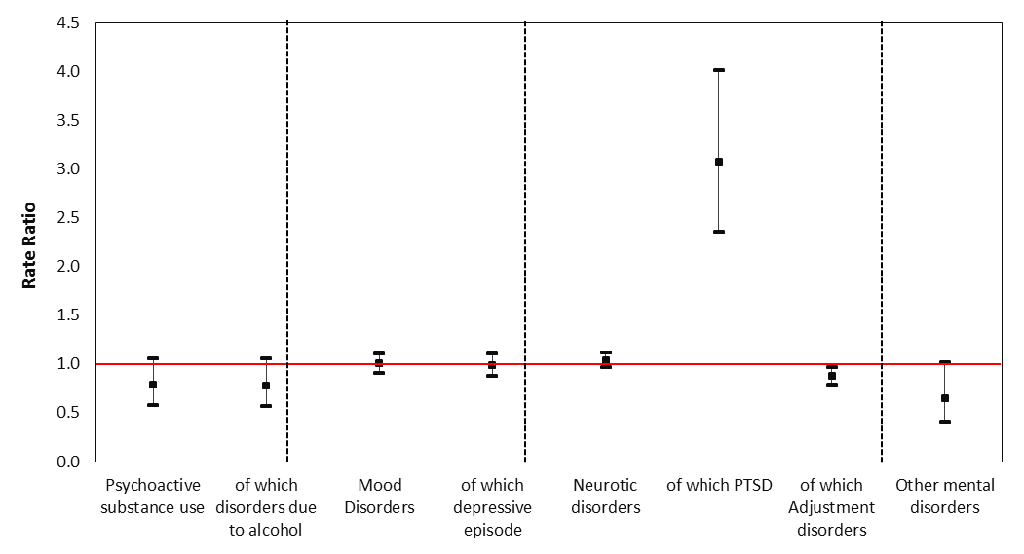
 |  |  |  |  |  |  |  |  |  | Underlying data: | RR | LCI | UCI
 |  |  |  |  |  |  |  |  |  | Psychoactive substance use | 0.8 | 0.6 | 1.1
 |  |  |  |  |  |  |  |  |  | of which disorders due to alcohol | 0.8 | 0.6 | 1.1
 |  |  |  |  |  |  |  |  |  | Mood Disorders | 1.0 | 0.9 | 1.1
 |  |  |  |  |  |  |  |  |  | of which depressive episode | 1.0 | 0.9 | 1.1
 |  |  |  |  |  |  |  |  |  | Neurotic disorders | 1.0 | 1.0 | 1.1
 |  |  |  |  |  |  |  |  |  | of which PTSD | 3.1 | 2.4 | 4.0
 |  |  |  |  |  |  |  |  |  | of which Adjustment disorders | 0.9 | 0.8 | 1.0
 |  |  |  |  |  |  |  |  |  | Other mental disorders | 0.6 | 0.4 | 1.0

1. Deployment to the wider theatre of operation (see BQR)
2. Data for Afghanistan between 1 January 2003 and 14 October 2005 were not available for person level deployment (see BQR).

Table 11 shows the number of patients seen and rate ratios by disorder and deployment 2017/18

Table 11: UK Armed Forces assessed at the MOD’s DCMH by ICD-10 and deployment, number and rate ratios1,2,3.
2017/18
Source: Defence Statistics (Health) DS Database and DMICP

 |  |  | Deployment - Theatres of operation1
 |  |  | Iraq and/or Afghanistan2 |  |  | of which |  |  |  |  |  | Not previously deployed
 |  | All patients seen |  |  |  | Iraq |  |  | Afghanistan3
ICD-10 description |  |  | Patients seen | Rate ratio | 95% CI | Patients seen | Rate ratio | 95% CI | Patients seen | Rate ratio | 95% CI | Patients seen
Psychoactive substance use |  | 171 | 77 | 0.8 | (0.6 - 1.1) | 43 | 0.8 | (0.6 - 1.1) | 65 | 0.8 | (0.6 - 1.1) | 94
of which disorders due to alcohol |  | 163 | 73 | 0.8 | (0.6 - 1.1) | 41 | 0.8 | (0.5 - 1.2) | 61 | 0.8 | (0.6 - 1.1) | 90
Mood disorders |  | 1551 | 794 | 1.0 | (0.9 - 1.1) | 399 | 0.9 | (0.8 - 1.0) | 667 | 1.0 | (0.9 - 1.1) | 757
of which depressive episode |  | 1196 | 607 | 1.0 | (0.9 - 1.1) | 307 | 0.9 | (0.8 - 1.0) | 512 | 1.0 | (0.9 - 1.1) | 589
Neurotic disorders |  | 3070 | 1600 | 1.0 | (1.0 - 1.1) | 821 | 1.0 | (0.9 - 1.1) | 1375 | 1.1 | (1.0 - 1.2) | 1470
of which PTSD |  | 299 | 228 | 3.1 | (2.4 - 4.0) | 118 | 2.9 | (2.2 - 3.9) | 210 | 3.4 | (2.6 - 4.4) | 71
of which Adjustment disorders |  | 1449 | 692 | 0.9 | (0.8 - 1.0) | 347 | 0.8 | (0.7 - 0.9) | 586 | 0.9 | (0.8 - 1.0) | 757
Other mental and behavioural disorders |  | 77 | 31 | 0.6 | (0.4 - 1.0) | 19 | 0.7 | (0.4 - 1.2) | 25 | 0.6 | (0.4 - 1.0) | 46

1. | Deployment to the wider theatre of operation (see BQR).
2. | Rate ratio compares personnel identified as deployed to these theatres of operation with those not identified as deployed to either theatre of operation (see paragraph 38).
3. | Figures for Afghanistan theatre of Operation for period October 2005 – present (see BQR).

Figure 15
Results : UK Armed Forces mental disorders at MOD DCMH 2007/08-2017/18

Figure 15 shows percentage personnel at risk for UK Armed Forces personnel with an initial assessment at the MOD’s DCMH, for psychoactive substance misuse due to alcohol, by gender between 2007/08 and 2017/18

Figure 15: UK Armed Forces personnel with an initial assessment at the MOD’s DCMH, for psychoactive substance misuse due to alcohol, by gender, percentage personnel at risk1,2,3,4.
2007/08 - 2017/18
Source: Defence Statistics Health DS Database and DMICP

Return to contents
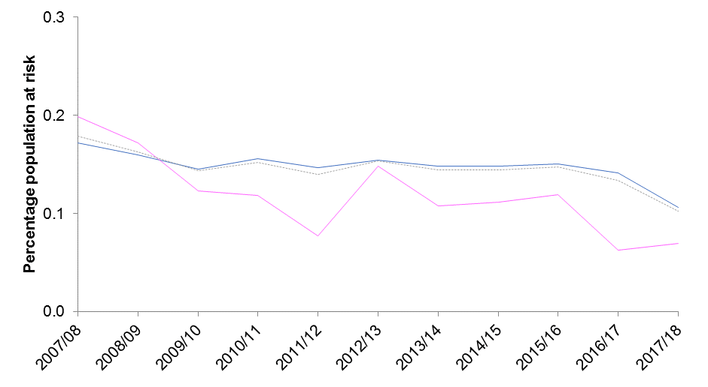
 | Underlying data: |  |  |  |  |  |  |  |  |  |  |  |  | 2007/08 |  |  | 2008/09 |  |  | 2009/10 |  |  | 2010/11 |  |  | 2011/12 |  |  | 2012/13 |  |  | 2013/14 |  |  | 2014/15 |  |  | 2015/16 |  |  | 2016/17 |  |  | 2017/18
 |  | 2007/08 | 2008/09 | 2009/10 | 2010/11 | 2011/12 | 2012/131 | 2013/14 | 2014/15 | 2015/16 | 2016/17 | 2017/18 |  | n | rate | 95% CI | n | rate | 95% CI | n | rate | 95% CI | n | rate | 95% CI | n | rate | 95% CI | n | rate | 95% CI | n | rate | 95% CI | n | rate | 95% CI | n | rate | 95% CI | n | rate | 95% CI | n | rate | 95% CI
 | Male | 0.2 | 0.2 | 0.1 | 0.2 | 0.1 | 0.2 | 0.1 | 0.1 | 0.2 | 0.1 | 0.1 | Male | 310 | 1.7 | (1.5 - 1.9) | 286 | 1.6 | (1.4 - 1.8) | 266 | 1.5 | (1.3 - 1.6) | 283 | 1.6 | (1.4 - 1.7) | 259 | 1.5 | (1.3 - 1.6) | 261 | 1.5 | (1.4 - 1.7) | 236 | 1.5 | (1.3 - 1.7) | 223 | 1.5 | (1.3 - 1.7) | 221 | 1.5 | (1.3 - 1.7) | 206 | 1.4 | (1.2 - 1.6) | 152 | 1.1 | (0.9 - 1.2)
 | Female | 0.2 | 0.2 | 0.1 | 0.1 | 0.1 | 0.1 | 0.1 | 0.1 | 0.1 | 0.1 | 0.1 | Female | 36 | 2.0 | (1.3 - 2.6) | 31 | 1.7 | (1.1 - 2.3) | 23 | 1.2 | (0.8 - 1.9) | 22 | 1.2 | (0.7 - 1.8) | 14 | 0.8 | (0.4 - 1.3) | 26 | 1.5 | (1.0 - 2.2) | 18 | 1.1 | (0.6 - 1.7) | 18 | 1.1 | (0.7 - 1.8) | 19 | 1.2 | (0.7 - 1.9) | 10 | 0.6 | (0.3 - 1.2) | 11 | 0.7 | (0.3 - 1.2)
 | UK Armed Forces | 0.2 | 0.2 | 0.1 | 0.2 | 0.1 | 0.2 | 0.1 | 0.1 | 0.1 | 0.1 | 0.1 | UK Armed Forces | 355 | 1.8 | (1.6 - 2.0) | 321 | 1.6 | (1.4 - 1.8) | 290 | 1.4 | (1.3 - 1.6) | 305 | 1.5 | (1.4 - 1.7) | 273 | 1.4 | (1.2 - 1.6) | 287 | 1.5 | (1.4 - 1.7) | 254 | 1.4 | (1.3 - 1.6) | 241 | 1.4 | (1.3 - 1.6) | 240 | 1.5 | (1.3 - 1.7) | 216 | 1.3 | (1.2 - 1.5) | 163 | 1.0 | (0.9 - 1.2)

1. Dotted lines represent 2012/13 revised methodology to include electronic patient record data source (paragraph 73).
2. Percentages are based on the calculation of the absolute number and are presented to 1dp (See paragraph 76)
3. Excludes personnel where Initial diagnosis was not supplied (See BQR)
4. For some years the sum of males and females will not equal the overall UK Armed Forces total as there were some personnel missing demographic information (See BQR)

Figure 16
Results : UK Armed Forces mental disorders at MOD DCMH 2007/08-2017/18

Figure 16 shows percentage personnel at risk for UK Armed Forces personnel with an initial assessment at the MOD’s DCMH, for PTSD, by gender between 2007/08 and 2017/18

Figure 16: UK Armed Forces personnel with an initial assessment at the MOD’s DCMH, for PTSD, by gender, percentage personnel at risk1,2,3,4.
2007/08 - 2017/18
Source: Defence Statistics Health DS Database and DMICP

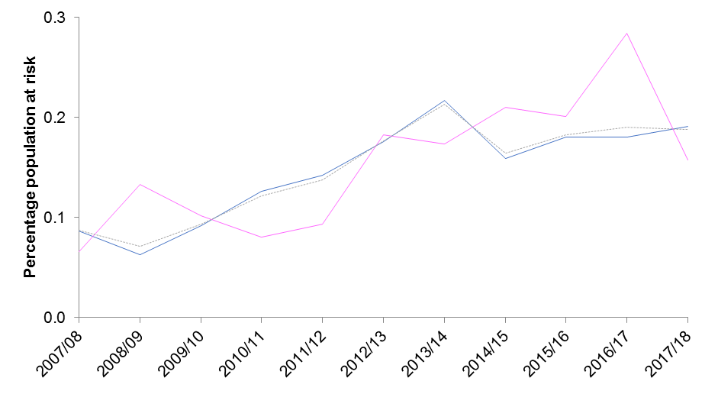
Return to Contents
 | Underlying data: |  |  |  |  |  |  |  |  |  |  |  |  | 2007/08 |  |  | 2008/09 |  |  | 2009/10 |  |  | 2010/11 |  |  | 2011/12 |  |  | 2012/13 |  |  | 2013/14 |  |  | 2014/15 |  |  | 2015/16 |  |  | 2016/17 |  |  | 2017/18
 |  | 2007/08 | 2008/09 | 2009/10 | 2010/11 | 2011/12 | 2012/131 | 2013/14 | 2014/15 | 2015/16 | 2016/17 | 2017/18 |  | n | rate | 95% CI | n | rate | 95% CI | n | rate | 95% CI | n | rate | 95% CI | n | rate | 95% CI | n | rate | 95% CI | n | rate | 95% CI | n | rate | 95% CI | n | rate | 95% CI | n | rate | 95% CI | n | rate | 95% CI
 | Male | 0.1 | 0.1 | 0.1 | 0.1 | 0.1 | 0.2 | 0.2 | 0.2 | 0.2 | 0.2 | 0.2 | Male | 156 | 0.9 | (0.7 - 1.0) | 113 | 0.6 | (0.5 - 0.7) | 168 | 0.9 | (0.8 - 1.1) | 229 | 1.3 | (1.1 - 1.4) | 252 | 1.4 | (1.2 - 1.6) | 298 | 1.8 | (1.6 - 2.0) | 346 | 2.2 | (1.9 - 2.4) | 240 | 1.6 | (1.4 - 1.8) | 265 | 1.8 | (1.6 - 2.0) | 262 | 1.8 | (1.6 - 2.0) | 274 | 1.9 | (1.7 - 2.1)
 | Female | 0.1 | 0.1 | 0.1 | 0.1 | 0.1 | 0.2 | 0.2 | 0.2 | 0.2 | 0.3 | 0.2 | Female | 12 | 0.7 | (0.3 - 1.2) | 24 | 1.3 | (0.9 - 2.0) | 19 | 1.0 | (0.6 - 1.6) | 15 | 0.8 | (0.5 - 1.3) | 17 | 0.9 | (0.5 - 1.5) | 32 | 1.8 | (1.2 - 2.5) | 29 | 1.7 | (1.2 - 2.5) | 34 | 2.1 | (1.4 - 2.8) | 32 | 2.0 | (1.3 - 2.7) | 45 | 2.8 | (2.0 - 3.7) | 25 | 1.6 | (1.0 - 2.3)
 | UK Armed Forces | 0.1 | 0.1 | 0.1 | 0.1 | 0.1 | 0.2 | 0.2 | 0.2 | 0.2 | 0.2 | 0.2 | UK Armed Forces | 174 | 0.9 | (0.7 - 1.0) | 141 | 0.7 | (0.6 - 0.8) | 188 | 0.9 | (0.8 - 1.1) | 244 | 1.2 | (1.1 - 1.4) | 269 | 1.4 | (1.2 - 1.5) | 330 | 1.8 | (1.6 - 2.0) | 375 | 2.1 | (1.9 - 2.3) | 274 | 1.6 | (1.4 - 1.8) | 297 | 1.8 | (1.6 - 2.0) | 307 | 1.9 | (1.7 - 2.1) | 299 | 1.9 | (1.7 - 2.1)

1. Dotted lines represent 2012/13 revised methodology to include electronic patient record data source (paragraph 73).
2. Percentages are based on the calculation of the absolute number and are presented to 1dp (See paragraph 76)
3. Excludes personnel where Initial diagnosis was not supplied (See BQR)
4. For some years the sum of males and females will not equal the overall UK Armed Forces total as there were some personnel missing demographic information (See BQR)

