Contents

Vocational and Other Qualifications Quarterly: January to March (quarter 1) 2018
 |  | England
Summary | Main trends for this quarter

Table 1 | Number of certificates awarded by qualification type

Table 2 | Number of certificates awarded by qualification level

Table 3 | Number of certificates awarded by sector subject area

Table 4 | Number of certificates awarded in the past 5 years

Table 5 | Number of certificates awarded in this quarter by second-tier sector subject area

Table 6 | The 50 qualifications with the most number of certificates issued in this quarter

Table 7 | The 50 awarding organisations with the most number of certificates issued in this quarter

Table 8 | The 50 awarding organisations with the most number of certificates issued in the 12 months to this quarter end

Notes | Notes accompanying this release

Reference: Ofqual/18/6376
Release date: 14 June 2018
Head of Profession: Vikas Dhawan
Contact: statistics@ofqual.gov.uk

Certificates by type
Number of certificates awarded by qualification type
Comparison with the same quarter previous year and previous 12 months

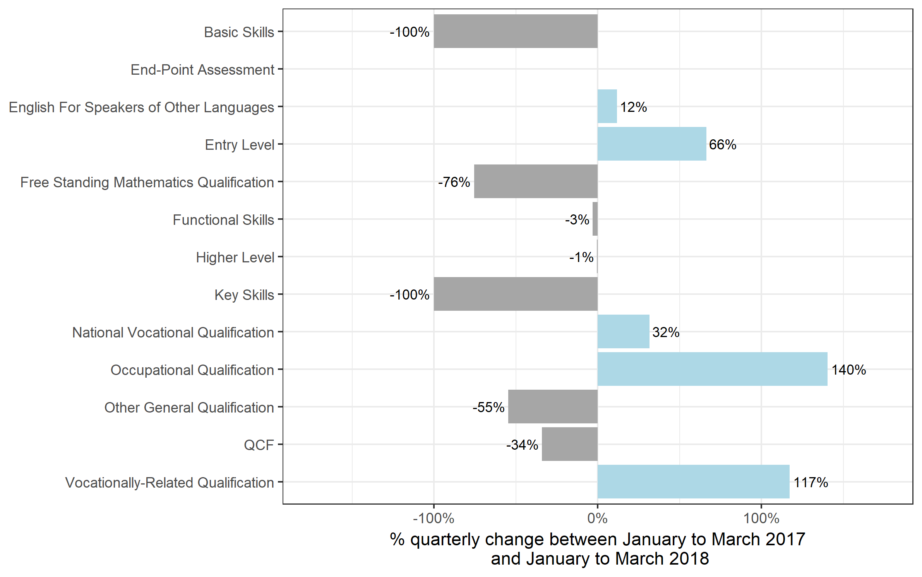
Qualification Type | Jan 2017 to Mar 2017 | Jan 2018 to Mar 2018 | Apr 2016 to Mar 2017 | Apr 2017 to Mar 2018
Basic Skills | 0~ | 0 | 0~ | 0~
End-Point Assessment | 0 | 50 | 0 | 50
English For Speakers of Other Languages | 57,250 | 63,900 | 252,600 | 258,550
Entry Level | 1,650 | 2,750 | 64,000 | 51,900
Free Standing Mathematics Qualification | 450 | 100 | 35,250 | 17,300
Functional Skills | 142,450 | 137,800 | 788,800 | 738,900
Higher Level | 3,250 | 3,200 | 11,050 | 11,350
Key Skills | 50 | 0 | 4,250 | 2,300
National Vocational Qualification | 14,550 | 19,200 | 61,950 | 75,650
Occupational Qualification | 9,600 | 23,000 | 36,600 | 70,950
Other General Qualification | 24,350 | 11,050 | 791,250 | 456,250
QCF | 703,950 | 464,550 | 3,910,250 | 3,204,600
Vocationally-Related Qualification | 144,500 | 313,700 | 564,100 | 1,046,250
Total | 1,102,050 | 1,039,300 | 6,520,000 | 5,934,000

Certificates by level
Number of certificates awarded by qualification level
Comparison with the same quarter previous year and previous 12 months
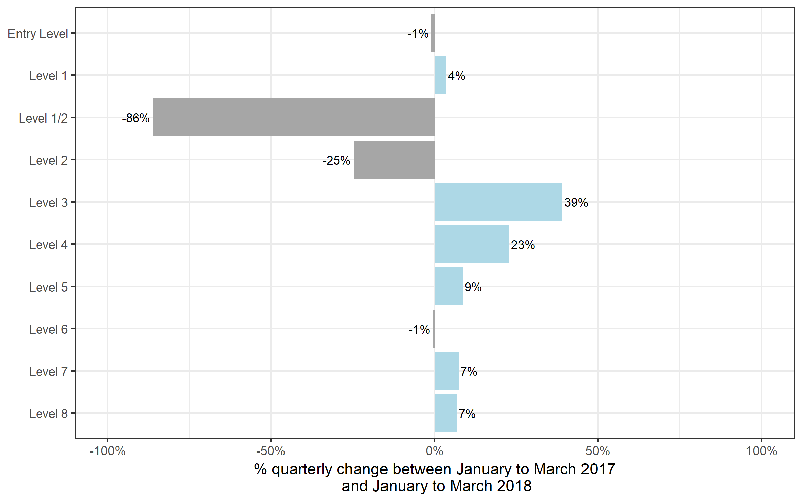
Qualification Level | Jan 2017 to Mar 2017 | Jan 2018 to Mar 2018 | Apr 2016 to Mar 2017 | Apr 2017 to Mar 2018
Entry Level | 119,950 | 118,700 | 791,050 | 720,900
Level 1 | 245,800 | 254,550 | 1,387,150 | 1,337,150
Level 1/2 | 18,850 | 2,600 | 638,250 | 313,450
Level 2 | 512,900 | 385,850 | 2,367,350 | 2,102,400
Level 3 | 177,350 | 246,500 | 1,202,100 | 1,311,300
Level 4 | 13,300 | 16,350 | 69,550 | 77,700
Level 5 | 9,000 | 9,800 | 43,700 | 47,900
Level 6 | 3,400 | 3,350 | 15,200 | 17,000
Level 7 | 1,450 | 1,550 | 5,350 | 6,000
Level 8 | 50 | 50 | 250 | 200
Total | 1,102,050 | 1,039,300 | 6,520,000 | 5,934,000

Certificates by SSA
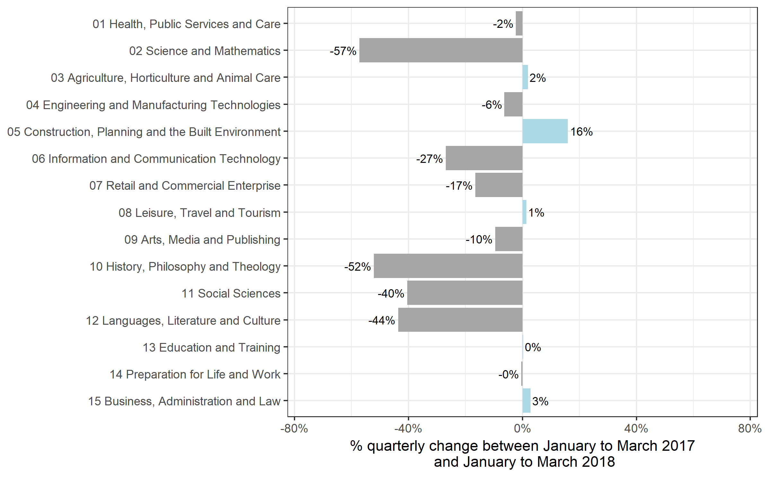
Number of certificates awarded by sector subject area
Comparison with the same quarter previous year and previous 12 months

Sector Subject Area | Jan 2017 to Mar 2017 | Jan 2018 to Mar 2018 | Apr 2016 to Mar 2017 | Apr 2017 to Mar 2018
01 Health, Public Services and Care | 249,750 | 243,850 | 1,071,700 | 1,105,700
02 Science and Mathematics | 8,150 | 3,500 | 197,550 | 151,550
03 Agriculture, Horticulture and Animal Care | 14,550 | 14,850 | 93,700 | 88,750
04 Engineering and Manufacturing Technologies | 61,300 | 57,400 | 327,550 | 305,900
05 Construction, Planning and the Built Environment | 58,600 | 67,950 | 279,600 | 322,650
06 Information and Communication Technology | 65,350 | 47,800 | 384,050 | 305,100
07 Retail and Commercial Enterprise | 100,150 | 83,650 | 481,650 | 411,150
08 Leisure, Travel and Tourism | 45,850 | 46,450 | 345,900 | 325,150
09 Arts, Media and Publishing | 106,500 | 96,350 | 743,650 | 742,300
10 History, Philosophy and Theology | 400 | 200 | 23,550 | 24,300
11 Social Sciences | 100 | 50 | 10,700 | 11,950
12 Languages, Literature and Culture | 34,050 | 19,200 | 472,900 | 168,700
13 Education and Training | 16,350 | 16,400 | 80,150 | 79,500
14 Preparation for Life and Work | 269,800 | 268,650 | 1,581,350 | 1,459,900
15 Business, Administration and Law | 71,150 | 73,150 | 426,050 | 431,350
Total | 1,102,050 | 1,039,300 | 6,520,000 | 5,934,000

Historical trends
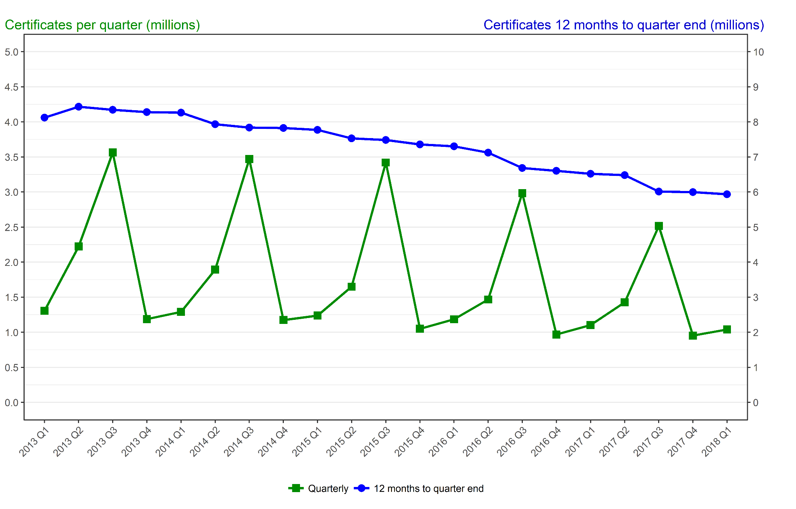
Number of certificates awarded in the past 5 years
Quarterly and 12 months to quarter end

Period | Quarterly | 12 months to quarter end
Jan to Mar 2013 | 1,306,000 | 8,121,350
Apr to Jun 2013 | 2,222,400 | 8,434,750
Jul to Sep 2013 | 3,563,200 | 8,343,550
Oct to Dec 2013 | 1,186,550 | 8,278,150
Jan to Mar 2014 | 1,290,100 | 8,262,300
Apr to Jun 2014 | 1,892,100 | 7,931,950
Jul to Sep 2014 | 3,469,900 | 7,838,650
Oct to Dec 2014 | 1,174,450 | 7,826,550
Jan to Mar 2015 | 1,237,250 | 7,773,650
Apr to Jun 2015 | 1,649,850 | 7,531,450
Jul to Sep 2015 | 3,420,850 | 7,482,400
Oct to Dec 2015 | 1,049,500 | 7,357,500
Jan to Mar 2016 | 1,184,700 | 7,304,900
Apr to Jun 2016 | 1,467,350 | 7,122,400
Jul to Sep 2016 | 2,982,900 | 6,684,450
Oct to Dec 2016 | 967,700 | 6,602,650
Jan to Mar 2017 | 1,102,050 | 6,520,000
Apr to Jun 2017 | 1,426,900 | 6,479,550
Jul to Sep 2017 | 2,515,050 | 6,011,750
Oct to Dec 2017 | 952,700 | 5,996,700
Jan to Mar 2018 | 1,039,300 | 5,934,000

