INDEX
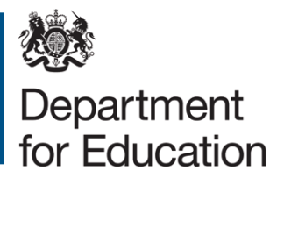

 | Adult Education Survey

 | Contact details
 | Name: | Ali Pareas
 | Telephone: | 0207 340 7490
 | Email: | aliki.pareas@education.gov.uk

Chapter 4: Informal Learning

Table 4.1 | Participation in informal learning in the last 12 months

Table 4.2 | Field of study for informal learning in the last 12 months

Table 4.3 | Time spent on informal learning in the last 12 months

Table 4.4 | Mode of informal learning in the last 12 months

Table 4.5 | Outcomes of informal learning in the 12 months

Chapter 5: Information, Advice and Guidance

Table 5.1 | Whether looked for any information concerning learning possibilities during the last 12 months

Table 5.2 | Whether received any information or advice/help on learning possibilities from institutions/organisations

Table 5.3 | Source of free information or advice/help

Table 5.4 | Type of free information or advice/help concerning learning possibilities

Table 5.5 | Mode of receiving the free information or advice/help on learning possibilities

Chapter 6: Barriers and Incentives

Table 6.1 | Learning needs

Table 6.2 | Perceived barriers to participating in education and training in the last 12 months

Table 6.3 | Likelihood of undertaking job-related learning, training, or education in the next two or three years

Table 6.4 | Likelihood of undertaking non-job-related learning, training, or education in the next two or three years

Table 6.5 | Incentives for future learning

