Information


How to use the School Places Scorecard
Please note: the scorecard is best viewed at 100% zoom at a screen resolution of 1920 X 1080. Viewing the scorecard with settings other than these may result in minor distortion to its appearance. Printing is unaffected.
BANNER Shows the total basic need funding allocation and the growth in pupil numbers since 2009/10 for the selected phase.
1. Select the Local Authority whose data you wish to view: Selecting the arrow in this box opens a list of local authorities. Scroll using the bar to the right of the list to the LA of choice. Alternatively click in the box and type the name of the LA whose data you wish to view.
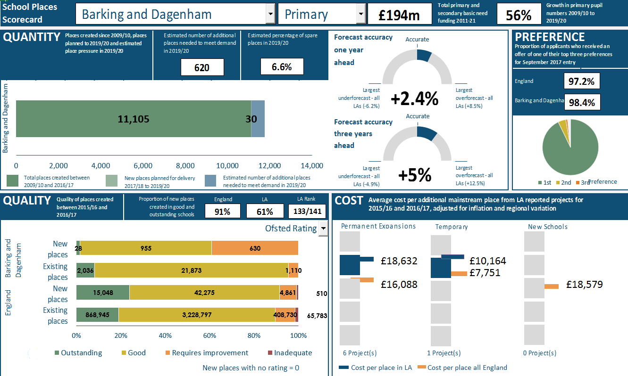

QUANTITY
This measure shows how many places have been created since 2009/10 and how many further places are firmly planned to 2019/20. The estimated number of additional places needed to meet demand in 2019/20 and the estimated percentage of spare places. Alongside, the accuracy of 2016/17 pupil number forecasts, made one year previously and three years previously, are presented.
PREFERENCE
This measure shows the proportion of applicants who received an offer of a place in one of their top three preferences. The chart shows the proportions of applicants offered a place in their first, second and third choices.

2. Select the phase of education for which you wish to view the data: Select the arrow in this box to bring up a selection of 'Primary' or 'Secondary'.

QUALITY
This measure shows the quality of the places created between 2015/16 and 2016/17 in the selected LA. This is compared to the quality of existing places in the selected LA and the overall picture in England.
COST
This measure shows the average cost per place of creating new mainstream places in permanent expansions, temporary expansions and new schools. Adjustments have been applied for inflation and region. Each square box represents a quintile, and the bars represent the position of the LA within the respective quintile and the mean cost per place for England.
3. Select the quality measure you would like to view: Select the arrow here to bring up a selection of 'Ofsted Rating', ' or 'Progress 8 Score'. Please note that selecting Progress 8 score with the Primary phase will result in no information being presented in the Quality measure as it is not applicable for primary.

Scorecard
School Places Scorecard

Accurate
 | 0.07045969052
 | 0.17954030948
 | 0.75
 | 0.75
 | 0.25
 | 0
QUANTITY |  | Forecast accuracy |  |  |  |  | PREFERENCE
 |  | one year
 |  | ahead
Barking and Dagenham | 11105 | 30 | 620

Accurate
1st | 92.8
2nd | 4.5
3rd | 1
 | 1.7
 | 0.75
 | 0.25
 | 0
 | 0.10110894157
 | 0.14889105843
 | 0.75
 |  | Forecast accuracy
 |  | three years
 |  | ahead
=

 |  |  |  |  |  |  | Preference

QUALITY |  | COST

 | Region
2 | 3.3807271571 | 1 | 1 | 1 | 4 | 2 | 4.2622811219
 |  | 1 | 2
 |  | 1 | 3
 |  | 1 | 4
 |  | 1 | 5
 | Region
2 | 3.763590716 | 1 | 1 | 1 | 4 | 2 | 4.4931039807
 |  | 1 | 2
 |  | 1 | 3
 |  | 1 | 4
 |  | 1 | 5
 | Region
2 | 3.08584662 | 1 | 1 | 1 | -1 | 2 | -1
 |  | 1 | 2
 |  | 1 | 3
 |  | 1 | 4
 |  | 1 | 5
 |  | Outstanding | Good | Requires improvement | Inadequate
Existing places | 0 | 868945 | 3228797 | 408730 | 65783
New places | 0 | 15048 | 42275 | 4861 | 510
Existing places | 0 | 2036 | 21873 | 1110 | 0
New places | 0 | 28 | 955 | 630 | 0
Barking and Dagenham

 |  |  |  | £18,632 |  | £10,164
 |  |  |  |  |  | £7,751
England |  |  |  | £16,088 |  |  |  | £18,579

 | New places with no rating = 0 |  | Cost per place in LA |  | Cost per place all England

