Title


 | Smart Meter Statistics:
 | Quarter 1, 2018
 | Great Britain

This workbook was updated on 31 May 2018

Figure 1
Contents

 | Figure 1: Domestic quarterly smart meter installations by large suppliers

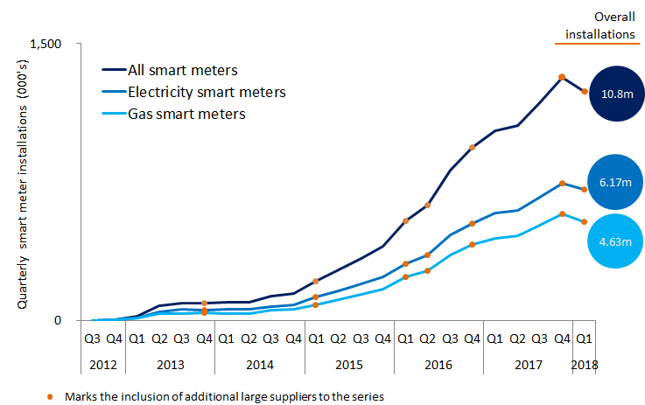

 | Note, the above chart excludes historic data which can be found in the accompanying Excel Table 1a.

Figure 2
Contents

 | Figure 2: Domestic meters in operation by large suppliers, as at 31 March 2018

 | Gas
Smart Meters | 4,189,900
Smart-Type Meters | 309,900
Traditional Meters | 16,665,200
 | Electricity
Smart Meters | 5,599,600
Smart-Type Meters | 520,400
Traditional Meters | 19,297,300

Figure 3
Contents

 | Figure 3: Non-domestic quarterly smart and advanced meter installations by large suppliers
 | Smart gas meters | Advanced gas meters
Q3 | - | 186
Q4 | - | 144
Q1 | - | 1,321
Q2 | - | 290
Q3 | - | 60
Q4 | - | 184
Q1 | - | 24
Q2 | - | 59
Q3 | - | 647
Q4 | 30 | 1,786
Q1 | 72 | 2,497
Q2 | 129 | 4,323
Q3 | 202 | 6,018
Q4 | 257 | 8,071
Q1 | 187 | 5,948
Q2 | 247 | 3,185
Q3 | 264 | 2,797
Q4 | 228 | 2,557
Q1 | 353 | 3,105
Q2 | 290 | 3,185
Q3 | 213 | 2,565
Q4 | 276 | 2,329
Q1 | 241 | 2,521

 | Smart electricity meters | Advanced electricity meters
Q3 | - | 35,455
Q4 | - | 35,834
Q1 | - | 32,529
Q2 | - | 28,722
Q3 | 946 | 24,189
Q4 | 2,590 | 28,300
Q1 | 2,175 | 17,332
Q2 | 1,445 | 10,152
Q3 | 714 | 14,700
Q4 | 1,214 | 15,955
Q1 | 1,369 | 11,534
Q2 | 2,137 | 12,073
Q3 | 2,767 | 13,888
Q4 | 3,347 | 13,832
Q1 | 3,725 | 9,015
Q2 | 5,170 | 7,865
Q3 | 5,545 | 4,972
Q4 | 4,764 | 5,716
Q1 | 4,906 | 5,385
Q2 | 5,029 | 5,307
Q3 | 4,636 | 8,248
Q4 | 6,344 | 7,825
Q1 | 5,439 | 9,114
Electricity

 |  | Note, the above chart excludes historic data which can be found in Tables 3a, 3b and 3c

