Title


 | Smart Meter Statistics:
 | Quarter 4, 2017
 | Great Britain

This workbook was updated on 27 March 2018

Figure 1
Contents

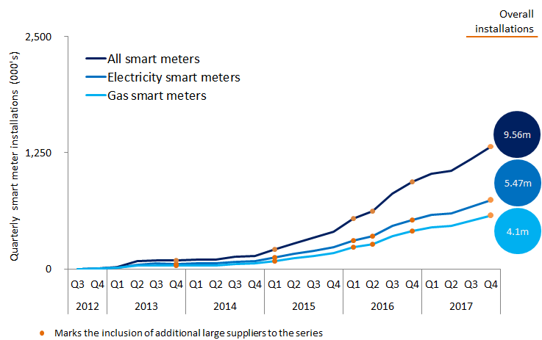

 | Note, the above chart excludes historic data which can be found in the accompanying Excel Table 1a.

Figure 2
Contents

Figure 2: Annual domestic smart meter installations by large and small suppliers

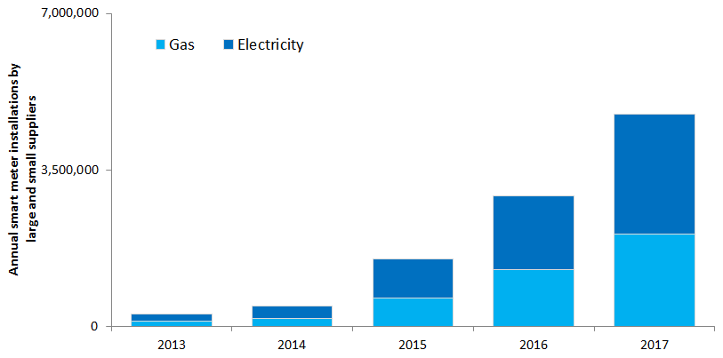

 |  | 2013 |  | 2014 |  | 2015 |  | 2016 |  | 2017
 |  | Gas | Elec | Gas | Elec | Gas | Elec | Gas | Elec | Gas | Elec
 | Small | - | - | - | - | 137,500 | 147,500 | 4,700 | 7,000 | 72,500 | 88,600
 | Large | 121,000 | 171,400 | 189,200 | 279,700 | 504,600 | 718,400 | 1,264,900 | 1,648,600 | 1,998,700 | 2,586,200
 | All | 121,000 | 171,400 | 189,200 | 279,700 | 642,100 | 865,900 | 1,269,600 | 1,655,600 | 2,071,200 | 2,674,800

Figure 3
Contents

 | Figure 3: Non-domestic quarterly smart and advanced meter installations by large suppliers

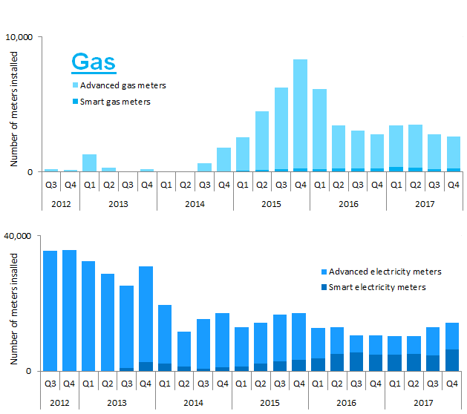

 | Note, the above chart excludes historic data which can be found in Tables 3a, 3b and 3c

