Front - new


HM REVENUE AND CUSTOMS
KAI Benefits & Credits

Child and Working Tax Credits Statistics, UK

Finalised annual awards in
 |  | 2015-16



 | A National Statistics Publication
 | © Crown Copyright 2017

11
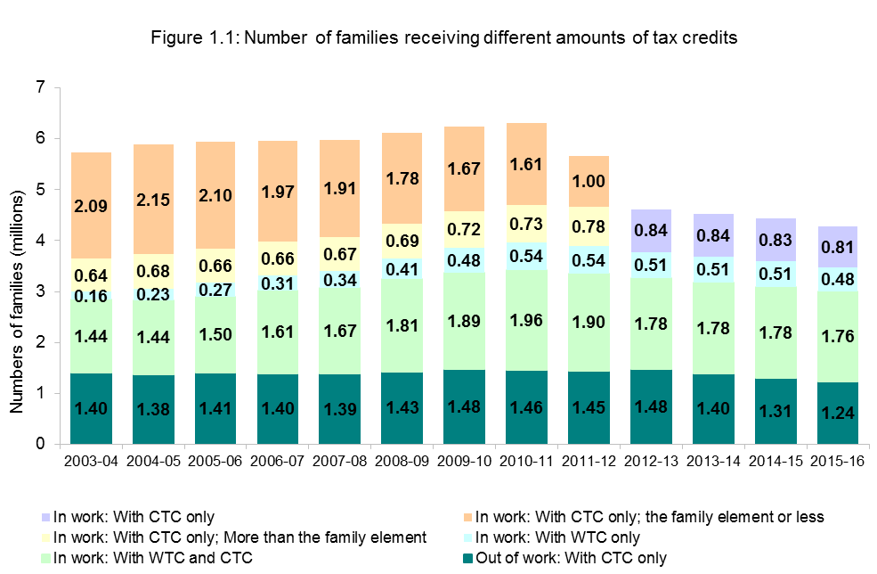
Section 1 : Time series

Section 1 provides statistics on the history of the Tax Credits system, between 2003-04 and 2015-16. This enables comparison across time, across different Tax Credits populations and describes how various parts of the system have changed over time.

Figure 1.1 shows that the overall numbers of families receiving tax credits had gradually risen from 5.74 million in 2003-04 to 6.31 million in 2010-11. The number of families receiveing Tax Credits had decreased since 2010-11 to 4.25 million in 2015-16, primarily as a result of policy changes set out on page 7 and particularly after the reduction and eventual removal of the second threshold. Within this population, the composition of the Tax Credits population has changed over time and will continue to do so.

The numbers of families receiving relatively high awards - that is in-work families receiving WTC and CTC - rose from around 1.4 million in 2003-04 to almost 2 million in 2010-11 before falling slightly in 2011-12. This remained relatively consistent at 1.78 million between 2012-13 and 2014-15 before falling slightly to 1.76 million in 2015-16. With the removal of the second income threshold as at 2012-13 has prompted a drop in the number of qualifying families. The previous CTC family element categories have been removed and replaced by a single "CTC only" category with just over 800,000 qualifying families. The trend in the numbers of in-work families without children - those receiving WTC only - has shown a steady increase from around 164,000 in 2003-04 to 540,000 in 2010-11 and 2011-12 but has fallen to 480,000 in 2015-16 since 2012-13.

The numbers of families receiving tax credits when out-of-work had remained remarkably stable at 1.4 million until the rise in 2009-10. The number decreased in the following years and rose to almost 1.5 million in 2012-13, similar to 2009-10, before decreasing to 1.24 million in 2015-16.

12
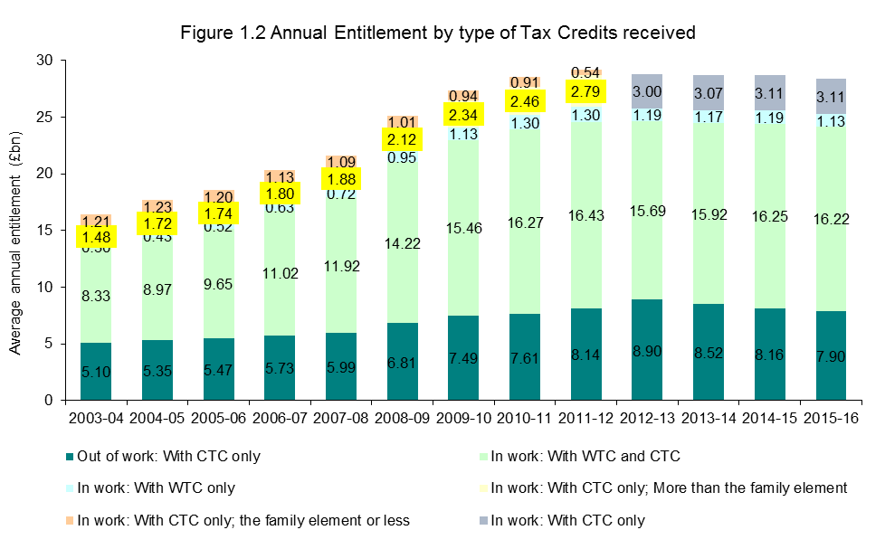
Section 1 : Time series

Figure 1.2 shows that annual entitlement to tax credits has risen over time, increasing from around £16bn in 2003-04 to just over £29bn in 2011-12. It remained relatively consistent until 2015-16 where it stands at just over £28bn. The bulk of entitlement is claimed by families entitled to either the full amount of CTC (when out of work) or families in work and entitled to both WTC and CTC. Over time, the proportion of entitlement covered by those claiming WTC and CTC has risen from around 51% to 57% of entitlement while the proportion covered by out of work families has fluctuated slightly between 27% to 31%.

Figure 1.1: Numbers of families receiving different amounts of tax credits
 | Out of work: With CTC only | In work: With WTC and CTC | In work: With CTC only; More than the family element | In work: With CTC only; the family element or less | In work: With WTC only
2003-04 | 1.4 | 1.4382270765 | 0.64009139344 | 2.0931422404 | 0.16446486339
2004-05 | 1.3791962393 | 1.4446343562 | 0.67877199452 | 2.1514127863 | 0.23364051507
2005-06 | 1.4064088664 | 1.4956998877 | 0.66367064384 | 2.1013179205 | 0.2718916137
2006-07 | 1.3986288 | 1.6143903425 | 0.66396716712 | 1.9723849041 | 0.30536026027
2007-08 | 1.3922865574 | 1.672424694 | 0.66993887158 | 1.9105615164 | 0.33560927322
2008-09 | 1.4339840959 | 1.8103260493 | 0.68874459452 | 1.7819344795 | 0.40509986575
2009-10 | 1.4844042055 | 1.8919341233 | 0.71938260274 | 1.6714047918 | 0.48233255616

15
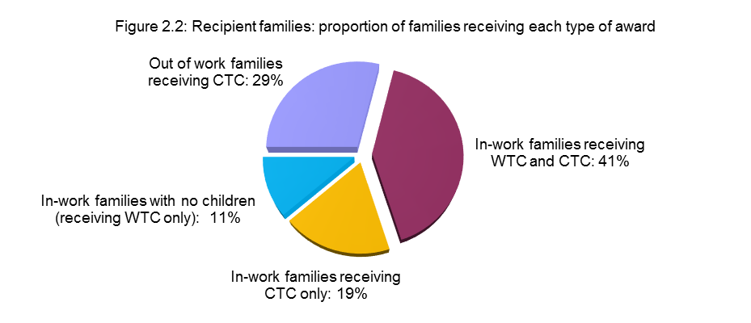
Section 2 : Summary tables

Section 2 provides summary information on the tax credits population in 2015-16 at the higher level of aggregation. Section 3 goes into more detailed breakdowns.

Figure 2.1 shows that the majority of lone parent families with children receive either the full award of CTC (when out-of-work) or WTC and CTC (when in-work). There are just 139,000 In-work lone parent families that are entitled to CTC only. The pattern for couples is less clear with the largest single grouping receiving the WTC and CTC award followed by those receiving CTC only. A majority (72%) of families with no children (receiving WTC only) are single recipients.

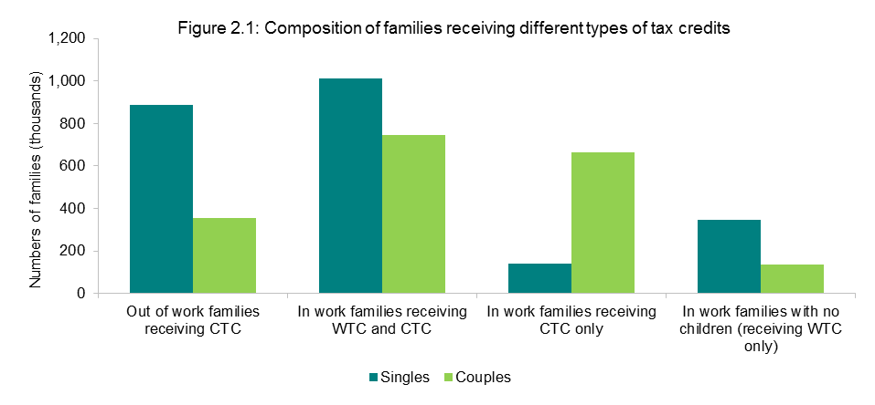

Figure 2.2 shows that 29% of families in receipt of tax credits are out-of-work families with the remaining 71% of families in receipt in-work families. 41% of families in receipt are receiving the higher value in-work awards (WTC and CTC) while 19% are receiving in-work CTC only while the remaining 11% are in-work families with no children (receiving WTC only).

16
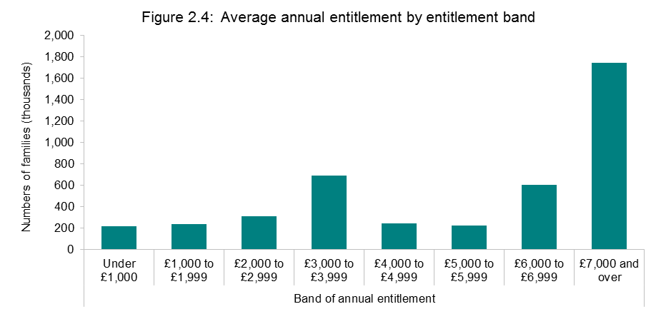
Section 2 : Summary tables

Figure 2.3 shows that the overwhelming majority of families with children are made up of either one or two children with single parent families more likely to have one child than couples. For couples there are almost the same number of families with one child as there are two children. Couples are more likely to have larger family sizes. Out of aprroximately 279,000 families with four or more children, 70% are couple.

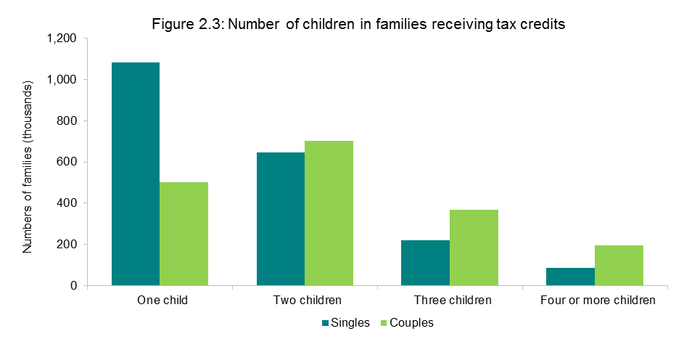

Figure 2.4 shows that the largest proportion of families' (41%) entitlement are of the value of £7,000 and over, followed by those between £3,000 to £3,999.

20
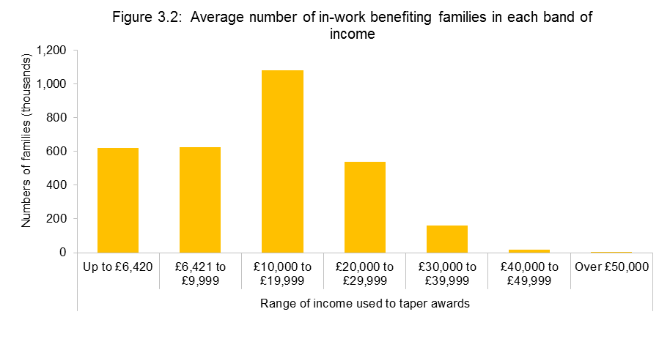
Section 3 : Detailed figures

Section 3 focuses on detailed breakdowns of the tax credits population. It reports the numbers of families entitled to specific elements within tax credits and more detailed information on levels of income.

Figure 3.1 shows the average weekly support with childcare costs for single parent, couple, and all families. The costs are broadly split across the cost bands for each of the categories mostly reflecting the range of different numbers of hours childcare provision is claimed for. That said, the largest category for both lone-parents and couples is the £140 and over per week category. It is also much more likely for lone parents to have childcare costs than couples (23% of eligible population compared to 9%).

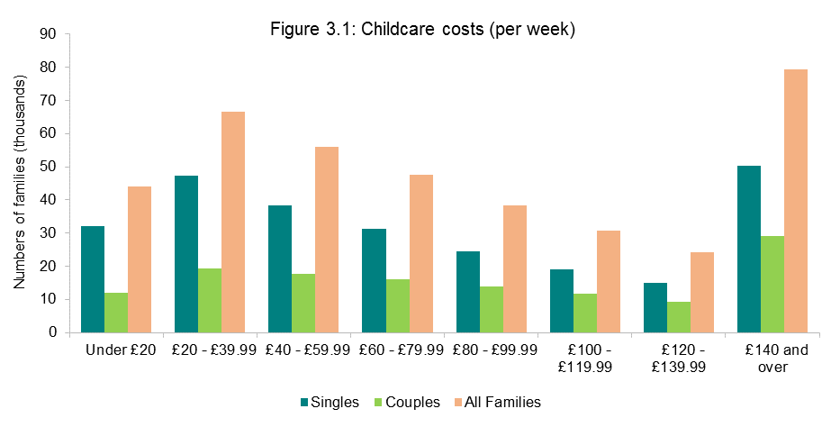

Figure 3.2 shows that tax credits covers a broad range of incomes up to £50,000. Broadly speaking, the higher the income used to taper the award, the fewer the numbers of families in receipt - reflecting the targeted approach to financial support inbuilt in the Tax Credits system.

27
A
A.3
A
A.3
A
A.3
A
A.3
A
A.3
A
A.3
A
A.3
A
A.3
A.1
(continued)
INCOME TAX PERSONAL ALLOWANCES AND RELIEFS, 1987-88 TO 1996-97
A.1
(continued)
INCOME TAX PERSONAL ALLOWANCES AND RELIEFS, 1987-88 TO 1996-97
A.1
(continued)
INCOME TAX PERSONAL ALLOWANCES AND RELIEFS, 1987-88 TO 1996-97
A.1
(continued)
INCOME TAX PERSONAL ALLOWANCES AND RELIEFS, 1987-88 TO 1996-97
A.1
(continued)
INCOME TAX PERSONAL ALLOWANCES AND RELIEFS, 1987-88 TO 1996-97
A.1
(continued)
INCOME TAX PERSONAL ALLOWANCES AND RELIEFS, 1987-88 TO 1996-97
A.1
(continued)
INCOME TAX PERSONAL ALLOWANCES AND RELIEFS, 1987-88 TO 1996-97
A.1
(continued)
INCOME TAX PERSONAL ALLOWANCES AND RELIEFS, 1987-88 TO 1996-97
Appendix B: CTC and WTC elements and thresholds
 |  |  |  |  |  |  |  |  |  |  |  |  | Annual rate (£), except where specified
 | 2003-04 | 2004-05 | 2005-06 | 2006-07 | 2007-08 | 2008-09 | 2009-10 | 2010-11 | 2011-12 | 2012-13 | 2013-14 | 2014-15 | 2015-16
Child Tax Credit
Family element | 545 | 545 | 545 | 545 | 545 | 545 | 545 | 545 | 545 | 545 | 545 | 545 | 545
Family element, baby addition1 | 545 | 545 | 545 | 545 | 545 | 545 | 545 | 545 | - | - | - | - | -
Child element2 | 1,445 | 1,625 | 1,690 | 1,765 | 1,845 | 2,085 | 2,235 | 2,300 | 2,555 | 2,690 | 2,720 | 2,750 | 2,780
Disabled child additional element3 | 2,155 | 2,215 | 2,285 | 2,350 | 2,440 | 2,540 | 2,670 | 2,715 | 2,800 | 2,950 | 3,015 | 3,100 | 3,140
Severely disabled child additional element4 | 865 | 890 | 920 | 945 | 980 | 1,020 | 1,075 | 1,095 | 1,130 | 1,190 | 1,220 | 1,220 | 1,275

Working Tax Credit
Basic element | 1,525 | 1,570 | 1,620 | 1,665 | 1,730 | 1,800 | 1,890 | 1,920 | 1,920 | 1,920 | 1,920 | 1,940 | 1,960
Couples and lone parent element | 1,500 | 1,545 | 1,595 | 1,640 | 1,700 | 1,770 | 1,860 | 1,890 | 1,950 | 1,950 | 1,970 | 1,990 | 2,010
30 hour element5 | 620 | 640 | 660 | 680 | 705 | 735 | 775 | 790 | 790 | 790 | 790 | 800 | 810
Disabled worker element | 2,040 | 2,100 | 2,165 | 2,225 | 2,310 | 2,405 | 2,530 | 2,570 | 2,650 | 2,790 | 2,855 | 2,935 | 2,970
Severely disabled adult element | 865 | 890 | 920 | 945 | 980 | 1,020 | 1,075 | 1,095 | 1,130 | 1,190 | 1,220 | 1,255 | 1,275
50+ return to work payment6
16 but less than 30 hours per week | 1,045 | 1,075 | 1,110 | 1,140 | 1,185 | 1,235 | 1,300 | 1,320 | 1,365 | - | - | - | -
at least 30 hours per week | 1,565 | 1,610 | 1,660 | 1,705 | 1,770 | 1,840 | 1,935 | 1,965 | 2,030 | - | - | - | -
Childcare element
Maximum eligible costs allowed (£ per week)
Eligible costs incurred for 1 child | 135 | 135 | 175 | 175 | 175 | 175 | 175 | 175 | 175 | 175 | 175 | 175 | 175
Eligible costs incurred for 2+ children | 200 | 200 | 300 | 300 | 300 | 300 | 300 | 300 | 300 | 300 | 300 | 300 | 300
Percentage of eligible costs covered | 70% | 70% | 70% | 80% | 80% | 80% | 80% | 80% | 70% | 70% | 70% | 70% | 70%

Common features
First income threshold7 | 5,060 | 5,060 | 5,220 | 5,220 | 5,220 | 6,420 | 6,420 | 6,420 | 6,420 | 6,420 | 6,420 | 6,420 | 6,420
First withdrawal rate | 37% | 37% | 37% | 37% | 37% | 39% | 39% | 39% | 41% | 41% | 41% | 41% | 41%
Second income threshold8 | 50,000 | 50,000 | 50,000 | 50,000 | 50,000 | 50,000 | 50,000 | 50,000 | 40,000 | - | - | - | -
Second withdrawal rate | 1 in 15 | 1 in 15 | 1 in 15 | 1 in 15 | 1 in 15 | 1 in 15 | 1 in 15 | 1 in 15 | 41% | - | - | - | -

First income threshold for those
entitled to Child Tax Credit only9 | 13,230 | 13,480 | 13,910 | 14,155 | 14,495 | 15,575 | 16,040 | 16,190 | 15,860 | 15,860 | 15,910 | 16,010 | 16,105

Income increase disregard | 2,500 | 2,500 | 2,500 | 25,000 | 25,000 | 25,000 | 25,000 | 25,000 | 10,000 | 10,000 | 5,000 | 5,000 | 5,000
Income fall disregard10 |  |  |  |  |  |  |  |  |  | 2,500 | 2,500 | 2,500 | 2,500
Minimum award payable | 26 | 26 | 26 | 26 | 26 | 26 | 26 | 26 | 26 | 26 | 26 | 26 | 26
1 Payable to families for any period during which they have one or more children aged under 1. Abolished 6 April 2011.
2 Payable for each child up to 31 August after their 16th birthday, and for each young person for any period in which they are aged under 20 (under 19 to 2005-06) and in full-time non-advanced education, or under 19 and in their first 20 weeks of registration with the Careers service or Connexions.
3 Payable in addition to the child element for each disabled child.
4 Payable in addition to the disabled child element for each severely disabled child.
5 Payable for any period during which normal hours worked (for a couple, summed over the two partners) is at least 30 per week.
6 Payable for each qualifying adult for the first 12 months following a return to work.Abolished 6 April 2012.
7 Income is net of pension contributions, and excludes Child Benefit, Housing benefit, Council tax benefit, maintenance and the first £300 of family income other than from work or benefits. The award is reduced by the excess of income over the first threshold, multiplied by the first withdrawal rate.
8 For those entitled to the Child Tax Credit, the award is reduced only down to the family element, plus the baby addition where relevant, less the excess of income over the second threshold multiplied by the second withdrawal rate. Abolished 6 April 2012.
9 Those also receiving Income Support, income-based Jobseeker's Allowance or Pension Credit are passported to maximum CTC with no tapering.
10 Introduced from 6 April 2012, this drop in income is disregarded in the calculation of Tax Credit awards.

