Fig1
Immeidate HE progression rates by age group
Age | 2005-06 | 2006-07 | 2007-08 | 2008-09 | 2009-10
17-19 years | 12.9% | 12.7% | 13.8% | 13.2% | 12.1%
20-24 years | 9.2% | 8.2% | 8.5% | 8.6% | 8.1%
25 years+ | 9.1% | 8.0% | 4.3% | 5.0% | 5.3%
Grand Total | 11.7% | 11.2% | 11.0% | 9.9% | 9.5%

Fig 2
Who delivers HE to advanced level apprentices?
Figure 2: Delivery of higher education to advanced level apprentices
 | 2005/06 | 2006/07 | 2007/08 | 2008/09 | 2009/10
FE college | 56% | 56% | 51% | 52% | 48%
University | 44% | 44% | 49% | 48% | 52%

Fig 3
HE progression rates of advanced apprentices who had studied an intermediate apprentice
2005/06 | 33286 | 14730 | 1230 | 8%
2006/07 | 35527 | 17610 | 1315 | 7%
2007/08 | 41372 | 18995 | 1325 | 7%
2008/09 | 49358 | 18930 | 1485 | 8%
2009-10 | 53814 | 27985 |  | 7%
Figure 3: Immediate progression (tracked for three years)
Advanced apprentice cohort | Tracked population | Previous intermediate apprentices | Number tracked to HE | % tracked to HE
2005/06 | 33286 | 14730 | 1230 | 8%
2006/07 | 35527 | 17610 | 1315 | 7%
2007/08 | 41372 | 18995 | 1325 | 7%
2008/09 | 49358 | 18930 | 1485 | 8%
2009-10 | 53814 | 27985 |  | 7%

2005/06 | 2006/07 | 2007/08 | 2008/09 | 2009-10
8% | 7% | 7% | 8% | 7%

Fig4
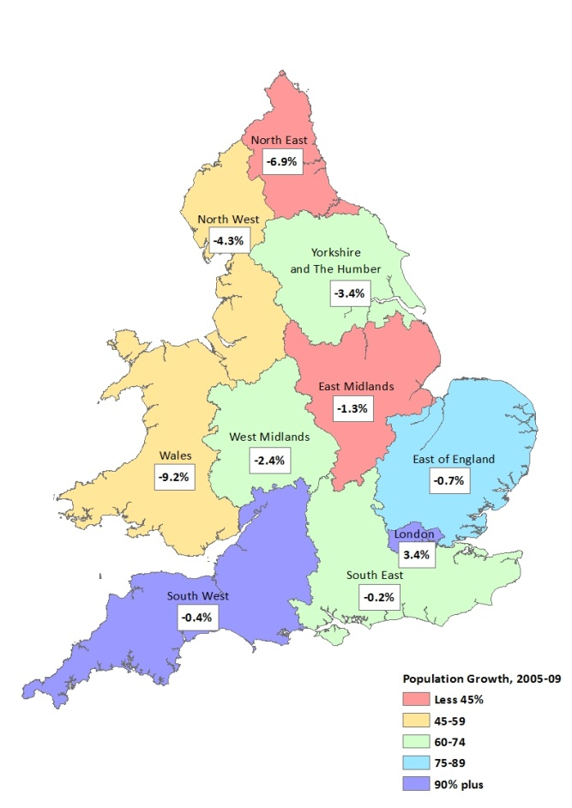
Fig 4: Map illustrating percentage point change in higher education progression between 2005/06 and 2009/10 (and advanced apprentice population growth.

Fig 5
Mode of study of HE entrants
Figure 5: Advanced apprentice cohort higher education entrant comparison by higher education mode of study
Row Labels | Sandwich | Full-time | Part-time
2005 | 1.3% | 19.8% | 79.0%
2006 | 1.5% | 21.4% | 77.2% | 100.00%
2007 | 1.4% | 22.3% | 76.4% | 100.00%
2008 | 1.7% | 24.9% | 73.3% | 100.00%
2009 | 2.9% | 31.5% | 65.6% | 100.00%

Fig 6
HE progression rates and timing of 2005/06 cohort
Figure 6 Chart showing progression rates of 2005-06 cohort
 | Overall HE progression rates |  | HE in FE |  | Non prescribed HE in FE |  | University
 | 1-3 yrs tracked | 7 yrs tracked | 1-3 yrs tracked | 7 yrs tracked | 1-3 yrs tracked | 7 yrs tracked | 1-3 yrs tracked | 7 yrs tracked
Grand Total | 11.7% | 18.8% | 3.6% | 5.3% | 3.0% | 3.5% | 5.1% | 10.0%

Fig7
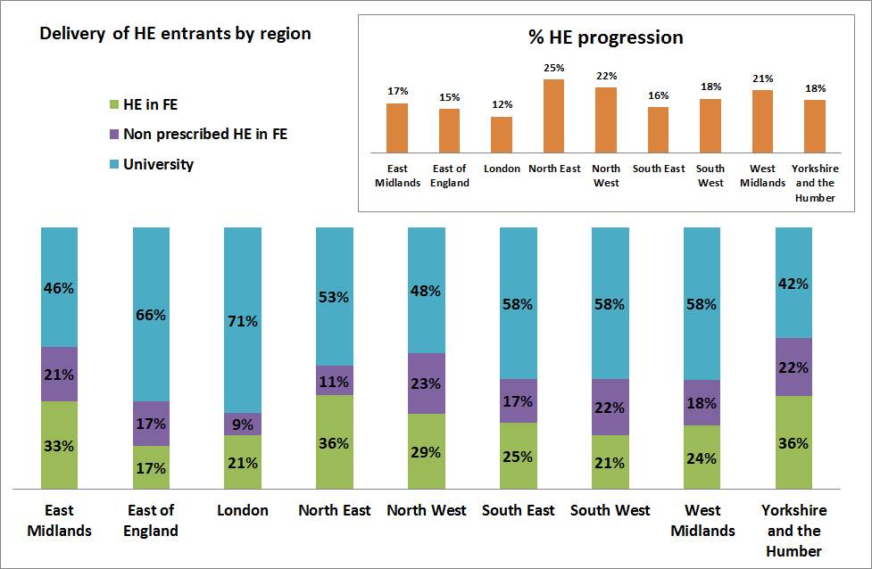
Fig 7: 2005-06 advanced level apprentice cohort and higher education progression by government office region

Fig 8
Timing of HE progression by framework
 | 2005/06 | 2006/07 | 2007/08 | 2008/09 | 2009/10 | 2010/11 | 2011/12 | Grand Total | HE entrants | 2005/06 | 2006/07 | 2007/08
Engineering
Accountancy
Business Administration
Health and Social Care
Childrens Care Learning and Development
Customer Service
Construction
Hospitality and Catering
Electrotechnical
Sporting Excellence
Hairdressing
Dental Nursing
Rail Transport Engineering
IT Services and Development
Active Leisure and Learning
Figure 8: Framework and timing of higher education entry
F_FRAMEWORK | Immediate HE progression - up to 3 years from start of apprentice | HE progression 4-7 years from start of apprentice
Engineering | 79% | 21%
Accountancy | 96% | 4%
Business Administration | 48% | 52%
Health and Social Care | 70% | 30%
Childrens Care Learning and Development | 31% | 69%
Customer Service | 54% | 46%
Construction | 57% | 43%
Hospitality and Catering | 44% | 56%
Electrotechnical | 27% | 73%
Sporting Excellence | 35% | 65%
Hairdressing | 18% | 82%
Dental Nursing | 47% | 53%
Rail Transport Engineering | 18% | 82%
IT Services and Development | 58% | 42%
Active Leisure and Learning | 59% | 41%

Fig 9
Figure 9: Provider breakdown for the 2005/06 cohort
Provider type: cohort share and HE progression
Provider Type | Advanced Apprentice cohort share | HE progression rate
Business | 12% | 20%
FE College | 24% | 19%
Other | 12% | 12%
Public Sector | 4% | 37%
Private Training Provider | 49% | 18%

F10
Fig 10: Higher education qualification aim and gender breakdown of the 2004/05 advanced level apprentice cohort
2005/06 timing of HE progression by gender
HE mode of study and gender
 | Full-time | Part-time
Female | 0.33296296296 | 0.65444444444
Male | 0.17583357082 | 0.80849244799
Row Labels | 2005/06 | 2006/07 | 2007/08 | 2008/09 | 2009/10 | 2010/11 | 2011/12 | Grand Total
F | 166 | 778 | 600 | 393 | 345 | 260 | 180 | 2722
M | 337 | 731 | 1283 | 437 | 300 | 257 | 178 | 3523
Grand Total | 503 | 1509 | 1883 | 830 | 645 | 517 | 358 | 6245
 | Immediate (1-3 years on) | 4-7 years later
Female | 57% | 43%
Male | 67% | 33%

Fig11
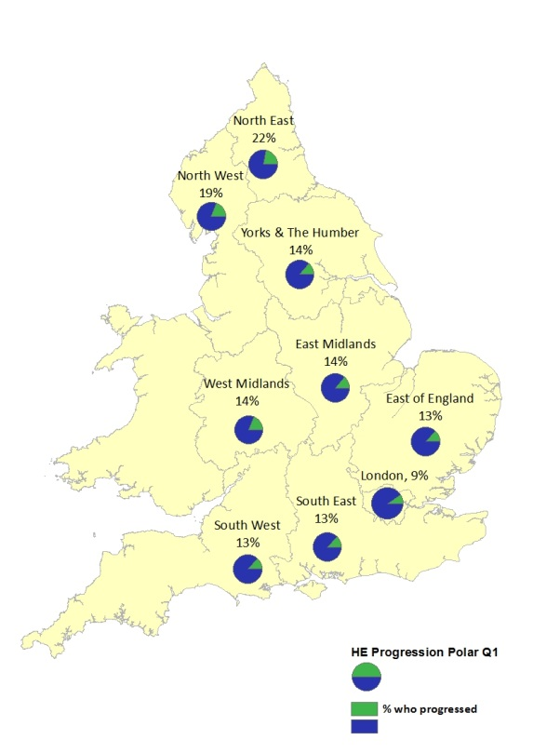
Figure 11: Map showing regional higher education progression of disadvantaged group

Fig12
POLAR3: advanced apprentices progressing to HE and HE delivery type
Figure 12: Delivery of higher education provision and POLAR3 quintile
polar3-YPR | HE in FE | Non prescribed HE | University
1 | 28% | 20% | 52%
2 | 28% | 18% | 54%
3 | 27% | 19% | 54%
4 | 29% | 19% | 52%
5 | 28% | 15% | 57%
Grand Total | 28.09% | 18.39% | 53.52%

