Employment Flows
Employment flows: Employment outcomes of Service personnel who left the UK Armed Forces and used a billable Career Transition Partnership service,
by financial year, 2012/13 to 2015/16

 | Click to view 2015/16 Employment Outcomes

 | Click to view 2014/15 Employment Outcomes

 | Click to view 2013/14 Employment Outcomes

 | Click to view 2012/13 Employment Outcomes

 | Flow 2: UK Regular Service Personnel who used CTP services, Estimated Employment Outcomes1, number, percentage2,3
 | 2015/16

16,682
Armed Forces
Service leavers
15,498
Eligible for Career
Transition Partnership
11,163^{p}
Used the Career
Transition Partnership services
1,120
Not eligible for
CRP or ESP
16,618
Armed Forces
Service leavers, less
those who died
64
Died
1,879^{p,4}
Not recorded on
Adapt⁵
13,619^{p}
Recorded on Adapt⁵
2,143^{p}
Did not use billable Career
Transition Partnership
services
8,935^{p} (80%^{p})
Employed
within six months
1,143^{p} (11%^{p})
Unemployed
within six months
1,085^{p} (10%^{p})
Economically Inactive
within six months
313^{p,6}
Still in Service when contacted by the CTP⁶

 | Data sources: JPA and Right Management
 | 1. Estimated employment outcome within six months of leaving Service.
 | 2. Outflow from the UK Regular Forces including Gurkhas but excludes, Full Time Reserve Service personnel and mobilised reservists. Outflows include personnel leaving the Services and deaths. Figures do not include promotion from ranks to officers or flows between Services, or flow to long term absentee.
 | 3. The numbers and percentages for employment outcomes cannot be summed together, as the unemployment figures were calculated on a different population to the employment and economically inactive figures. Figures fewer than five have been suppressed with a ~.
 | 4. Eligible personnel whose records were either not passed to CTP by MOD, or where Defence Statistics have been unable to match the Service number on Adapt.
 | 5. Adapt is Right Management’s administrative database.
 | 6. ‘Excluded’ personnel did not leave on estimated discharge date passed to Right Management and therefore still in Service at six-month point when contacted.
 | p. Estimated employment outcomes for 2015/16 are provisional (see 'Revisions' section in Statistical Bulletin).

 | Flow 3: UK Regular Service Personnel who used CTP services, Estimated Employment Outcomes1, number, percentage2,3
 | 2014/15
19,130
Armed Forces
Service leavers
15,820
Eligible for Career
Transition Partnership
12,002^{r}
Used the Career
Transition Partnership services
3,239
Not eligible for
CRP or ESP
19,063
Armed Forces
Service leavers, less
those who died
67
Died
1,302^{r,4}
Not recorded on
Adapt⁵
14,518^{r}
Recorded on Adapt⁵
2,345^{r}
Did not use billable Career
Transition Partnership
services
10,218^{r} (10,053^{r} – 10,383^{r})
85%^{r} (84%^{r} - 87%^{r})
Employed
within six months
638^{r} (596^{r} – 814^{r})
6%^{r} (5%^{r} - 7%^{r})
Unemployed
within six months
1,146^{r} (1,010^{r} – 1,282^{r}
10%^{r} (8%^{r} - 11%^{r})
Economically Inactive
within six months
171^{r}
Still in Service when contacted by the CTP⁶

 | Data sources: JPA and Right Management
 | 1. Estimated employment outcome within six months of leaving Service.
 | 2. Outflow from the UK Regular Forces including Gurkhas but excludes, Full Time Reserve Service personnel and mobilised reservists. Outflows include personnel leaving the Services and deaths. Figures do not include promotion from ranks to officers or flows between Services, or flow to long term absentee.
 | 3. The numbers and percentages for employment outcomes cannot be summed together, as the unemployment figures were calculated on a different population to the employment and economically inactive figures. Figures fewer than five have been suppressed with a ~.
 | 4. Eligible personnel whose records were either not passed to CTP by MOD, or where Defence Statistics have been unable to match the Service number on Adapt.
 | 5. Adapt is Right Management’s administrative database.
 | 6. ‘Excluded’ personnel did not leave on estimated discharge date passed to Right Management and therefore still in Service at six-month point when contacted.
 | r. Routine revision since the last publication (see 'Revisions' section in Statistical Bulletin).

 | Flow 4: UK Regular Service Personnel who used CTP services, Estimated Employment Outcomes1, number, percentage2,3
 | 2013/14

23,438
Armed Forces
Service leavers
19,535
Eligible for Career
Transition Partnership
15,112
Used the Career
Transition Partnership services
3,823
Not eligible for
CRP or ESP
23,358
Armed Forces
Service leavers, less
those who died
80
Died
1,320⁴
Not recorded on
Adapt⁵
18,215
Recorded on Adapt⁵
2,927
Did not use billable Career
Transition Partnership
services
12,606 (12,413 – 12,798)
83% (82% - 85%)
Employed
within six months
1,202^{p} (1,170 – 1,462)
9% (8% - 10%)
Unemployed
within six months
1,304 (1,158 – 1,449
9% (8% - 10%)
Economically Inactive
within six months
176
Still in Service when contacted by the CTP⁶

 | Data sources: JPA and Right Management
 | 1. Estimated employment outcome within six months of leaving Service.
 | 2. Outflow from the UK Regular Forces including Gurkhas but excludes, Full Time Reserve Service personnel and mobilised reservists. Outflows include personnel leaving the Services and deaths. Figures do not include promotion from ranks to officers or flows between Services, or flow to long term absentee.
 | 3. The numbers and percentages for employment outcomes cannot be summed together, as the unemployment figures were calculated on a different population to the employment and economically inactive figures. Figures fewer than five have been suppressed with a ~.
 | 4. Eligible personnel whose records were either not passed to CTP by MOD, or where Defence Statistics have been unable to match the Service number on Adapt.
 | 5. Adapt is Right Management’s administrative database.
 | 6. ‘Excluded’ personnel did not leave on estimated discharge date passed to Right Management and therefore still in Service at six-month point when contacted.

 | Flow 5: UK Regular Service Personnel who used CTP services, Estimated Employment Outcomes1, number, percentage2,3
 | 2012/13

23,827
Armed Forces
Service leavers
19,378
Eligible for Career
Transition Partnership
14,043
Used the Career
Transition Partnership services
4,327
Not eligible for
CRP or ESP
23,705
Armed Forces
Service leavers, less
those who died
122
Died
1,563⁴
Not recorded on
Adapt⁵
17,815
Recorded on Adapt⁵
3,591
Did not use billable Career
Transition Partnership
services
11,621 (11,393 – 11,765)
83% (81% - 84%)
Employed
within six months
1,130 (1,102 – 1,382)
9% (8% - 10%)
Unemployed
within six months
1,292 (1,140 – 1,425
9% (8% - 10%)
Economically Inactive
within six months
181
Still in Service when contacted by the CTP⁶

 | Data sources: JPA and Right Management
 | 1. Estimated employment outcome within six months of leaving Service.
 | 2. Outflow from the UK Regular Forces including Gurkhas but excludes, Full Time Reserve Service personnel and mobilised reservists. Outflows include personnel leaving the Services and deaths. Figures do not include promotion from ranks to officers or flows between Services, or flow to long term absentee.
 | 3. The numbers and percentages for employment outcomes cannot be summed together, as the unemployment figures were calculated on a different population to the employment and economically inactive figures. Figures fewer than five have been suppressed with a ~.
 | 4. Eligible personnel whose records were either not passed to CTP by MOD, or where Defence Statistics have been unable to match the Service number on Adapt.
 | 5. Adapt is Right Management’s administrative database.
 | 6. ‘Excluded’ personnel did not leave on estimated discharge date passed to Right Management and therefore still in Service at six-month point when contacted.

Redundancy Flows
Redundancy Flows: UK Regular Service Personnel, Estimated Employment Outcomes, by Redundancy Tranche

 | Click to view Tranche 1 Employment Outcomes

 | Click to view Tranche 2 Employment Outcomes

 | Click to view Tranche 3 Employment Outcomes

 | Click to view Tranche 4 Employment Outcomes

 |  | Flow 1: Tranche 1 UK Regular Service Personnel1 who used a billable CTP service, Employment Outcomes2, numbers3 and percentages3,4
 |  | As at 30 June 2014

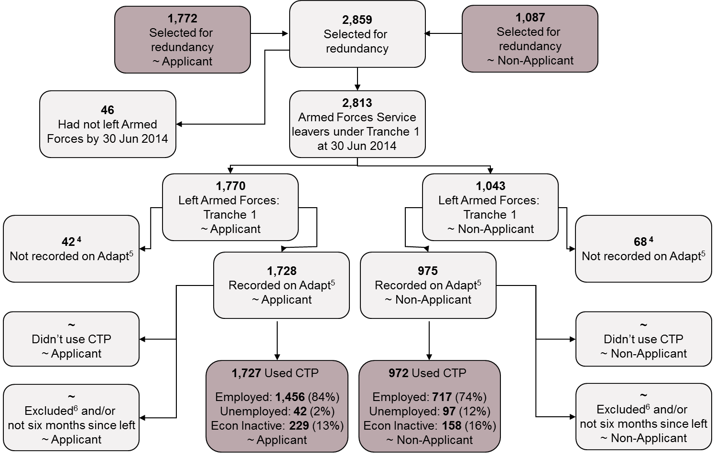

 |  | Data sources: JPA and Right Management
 |  | 1. Employment outcome within six months of leaving Service.
 |  | 2. Outflow from the UK Regular Forces including Gurkhas but excludes, Full Time Reserve Service personnel and mobilised reservists. Outflows include personnel leaving the Services and deaths. Figures do not include promotion from ranks to officers or flows between Services, or flow to long term absentee.
 |  | 3. The numbers and percentages for employment outcomes cannot be summed together, as the unemployment figures were calculated on a different population to the employment and economically inactive figures.
 |  | 4. Percentages for employment outcomes have been weighted to account for non-responder bias. Percentages have also been calculated using ONS definitions resulting in the percentages not summing to 100%. See Methodology in the Statistical Bulletin for further detail.
 |  | ~ Figure has been supressed in line with JSP 200 (April 2016). The suppression methodology has been applied to ensure individuals are not inadvertently identified dependent on the risk of disclosure. Numbers fewer than three have been suppressed. Where there was only one cell in a row or column that was fewer than three, the next smallest number has also been suppressed so that numbers cannot simply be derived from totals.

 |  | Flow 2: Tranche 2 UK Regular Service Personnel1 who used a billable CTP service, Employment Outcomes2, numbers3 and percentages3,4
 |  | As at 31 March 2015

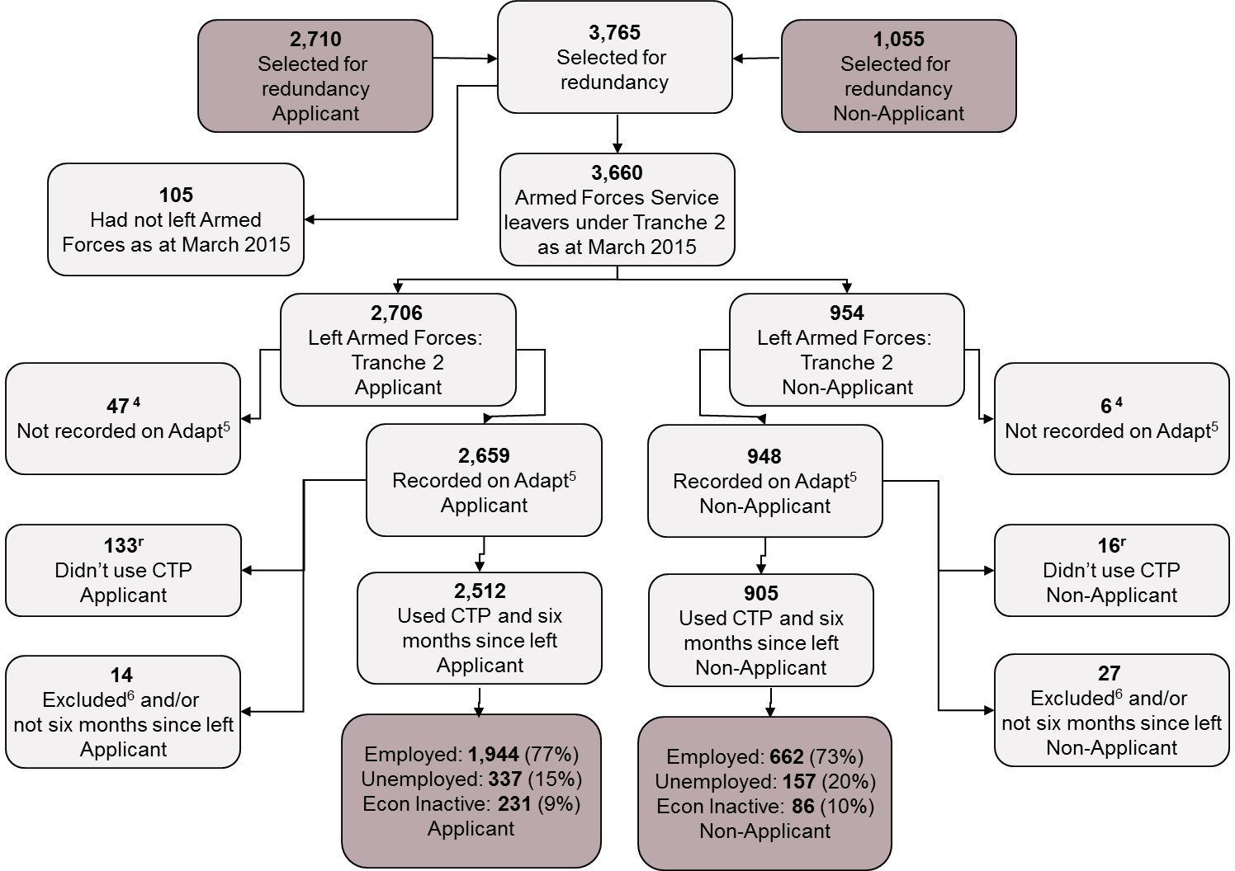

 |  | Data sources: JPA and Right Management
 |  | 1. Employment outcome within six months of leaving Service.
 |  | 2. Outflow from the UK Regular Forces including Gurkhas but excludes, Full Time Reserve Service personnel and mobilised reservists. Outflows include personnel leaving the Services and deaths. Figures do not include promotion from ranks to officers or flows between Services, or flow to long term absentee.
 |  | 3. The numbers and percentages for employment outcomes cannot be summed together, as the unemployment figures were calculated on a different population to the employment and economically inactive figures.
 |  | 4. Percentages for employment outcomes have been weighted to account for non-responder bias. Percentages have also been calculated using ONS definitions resulting in the percentages not summing to 100%. See Methodology in the Statistical Bulletin for further detail.

 |  | Flow 3: Tranche 3 UK Regular Service Personnel1 who used a billable CTP service, Employment Outcomes2, numbers3 and percentages3,4
 |  | As at 31 March 2016
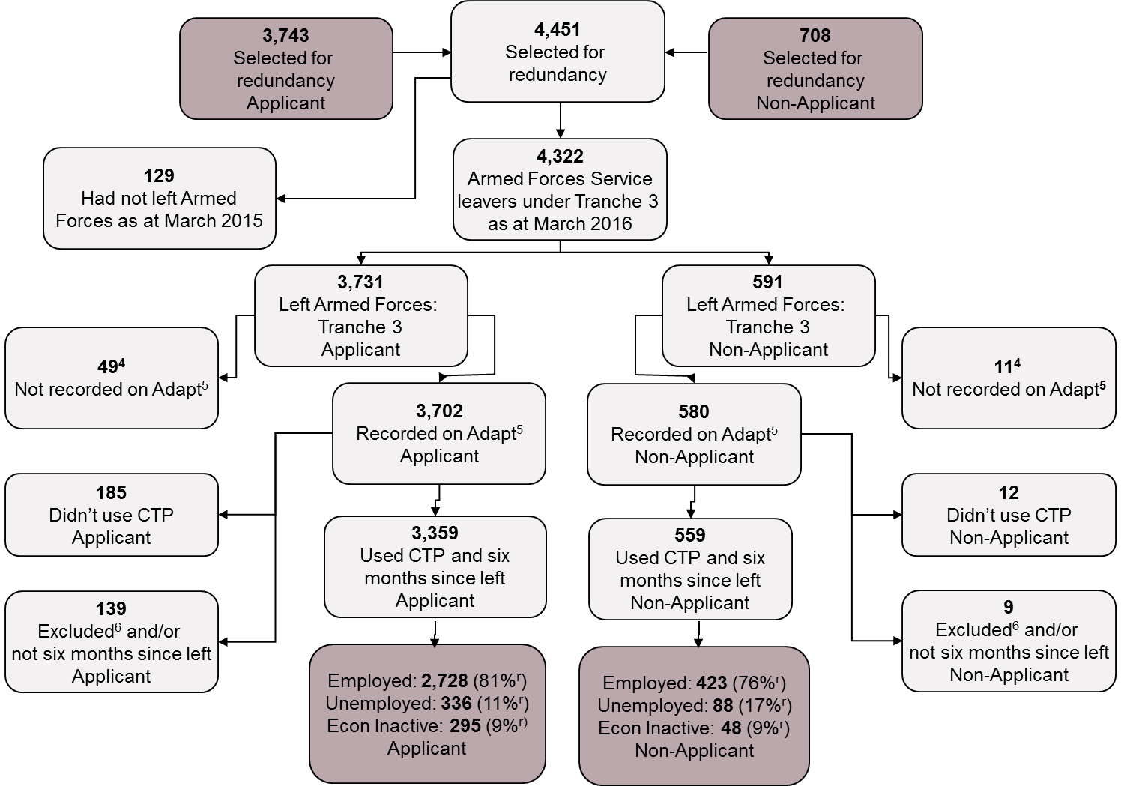

 |  | Data sources: JPA and Right Management
 |  | 1. Employment outcome within six months of leaving Service.
 |  | 2. Outflow from the UK Regular Forces including Gurkhas but excludes, Full Time Reserve Service personnel and mobilised reservists. Outflows include personnel leaving the Services and deaths. Figures do not include promotion from ranks to officers or flows between Services, or flow to long term absentee.
 |  | 3. The numbers and percentages for employment outcomes cannot be summed together, as the unemployment figures were calculated on a different population to the employment and economically inactive figures.
 |  | 4. Percentages for employment outcomes have been weighted to account for non-responder bias. Percentages have also been calculated using ONS definitions resulting in the percentages not summing to 100%. See Methodology in the Statistical Bulletin for further detail.

 |  | Flow 4: Tranche 4 UK Regular Service Personnel1 who used a billable CTP service, Employment Outcomes2, numbers3 and percentages3,4
 |  | As at 1 November 2017

 |  | Data sources: JPA and Right Management
 |  | 1. Employment outcome within six months of leaving Service.
 |  | 2. Outflow from the UK Regular Forces including Gurkhas but excludes, Full Time Reserve Service personnel and mobilised reservists. Outflows include personnel leaving the Services and deaths. Figures do not include promotion from ranks to officers or flows between Services, or flow to long term absentee.
 |  | 3. The numbers and percentages for employment outcomes cannot be summed together, as the unemployment figures were calculated on a different population to the employment and economically inactive figures.
 |  | 4. Percentages for employment outcomes have been weighted to account for non-responder bias. Percentages have also been calculated using ONS definitions resulting in the percentages not summing to 100%. See Methodology in the Statistical Bulletin for further detail.

