Title


 | Smart Meter Statistics:
 | Quarter 4, 2016
 | Great Britain

This workbook was updated on 30 March 2017

Figure 1
Contents

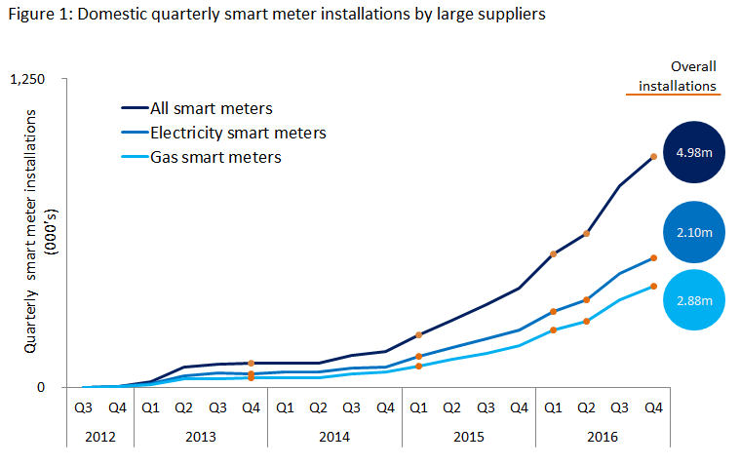

 |  | Marks the inclusion of additional large suppliers to the series

 | Note, the above chart excludes historic data which can be found in the accompanying Excel Table 1a.

Figure 2
Contents

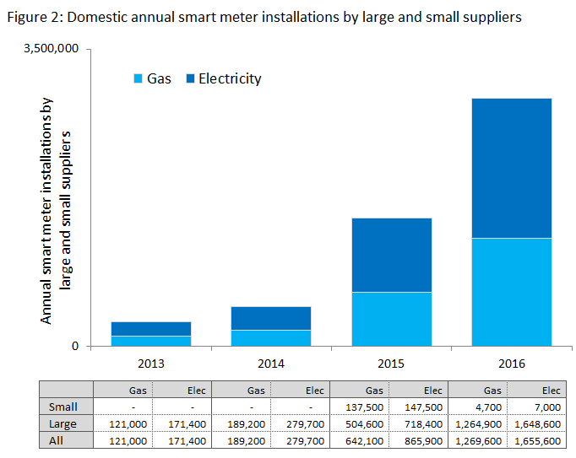

 | 1. Note, the number of small suppliers reported on year to year is subject to change, as some suppliers will change classification to ‘large’ supplier status over the course of the calendar year, while others might enter, or exit the retail energy market.

Figure 3
Contents

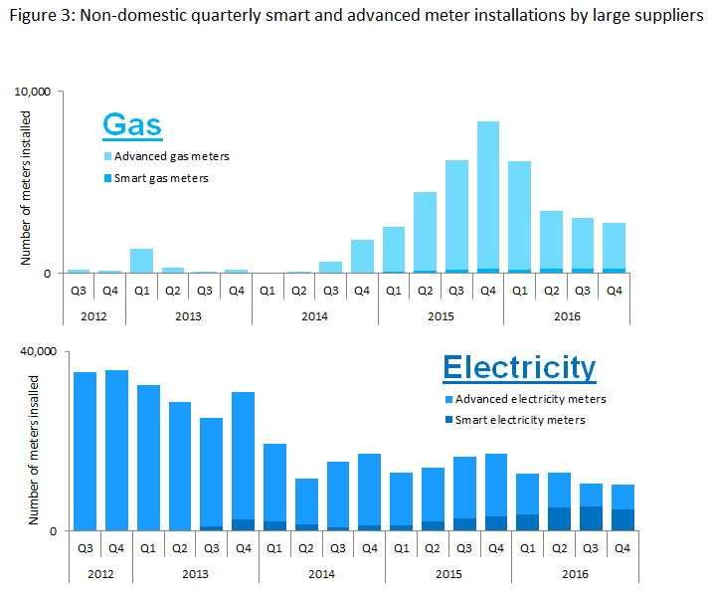

 | Note, the above chart excludes historic data which can be found in Tables 3a, 3b and 3c

