B.1 Established needs
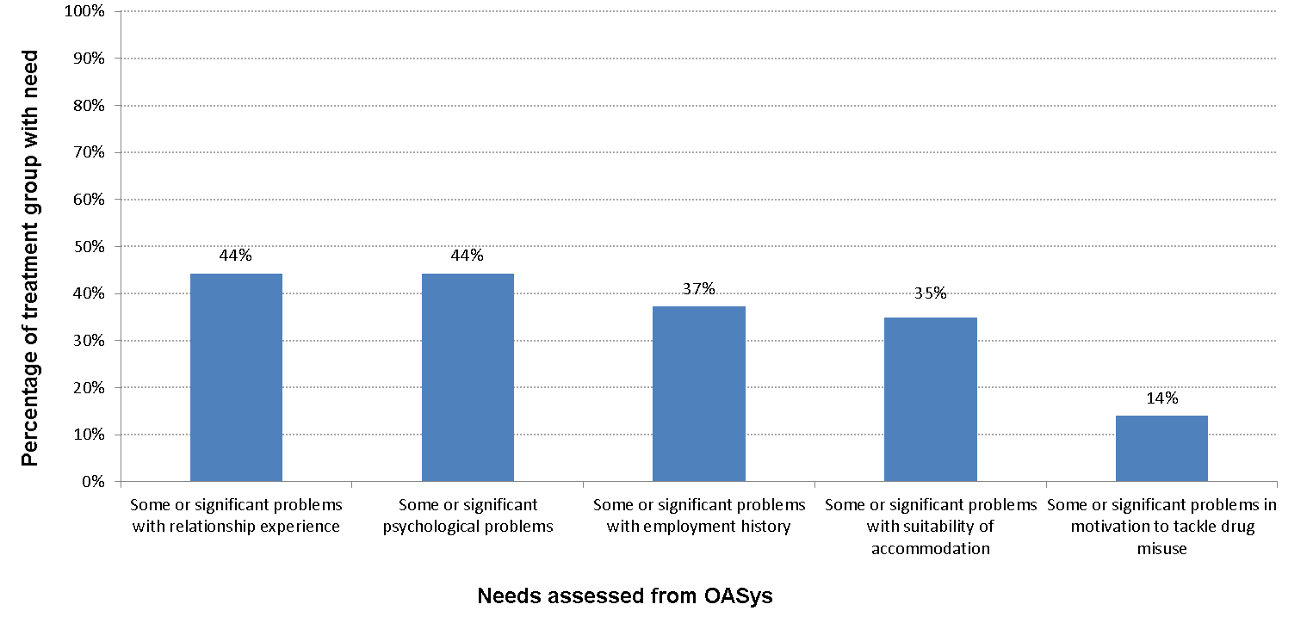
Chart B.1
Profile of treatment group - established needs (for national treatment group offenders with an OASys record)

Established need assessed from OASys | Percentage of treatment group with need
Some or significant problems with relationship experience | 44%
Some or significant psychological problems | 44%
Some or significant problems with employment history | 37%
Some or significant problems with suitability of accommodation | 35%
Some or significant problems in motivation to tackle drug misuse | 14%

B.2 Combined needs
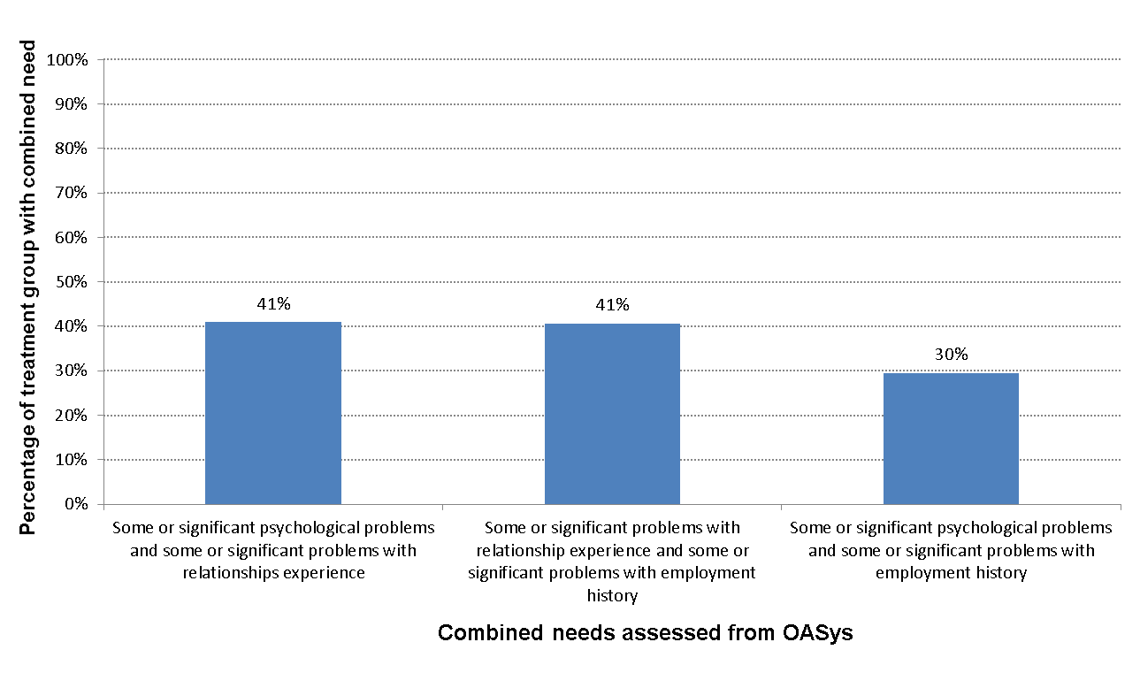
Chart B.2
Profile of treatment group - combined needs (for national complex treatment group offenders with an OASys record)

Combined need assessed from OASys | Percentage of treatment group with combined need
Some or significant psychological problems and some or significant problems with relationships experience | 41%
Some or significant problems with relationship experience and some or significant problems with employment history | 41%
Some or significant psychological problems and some or significant problems with employment history | 30%

