Front
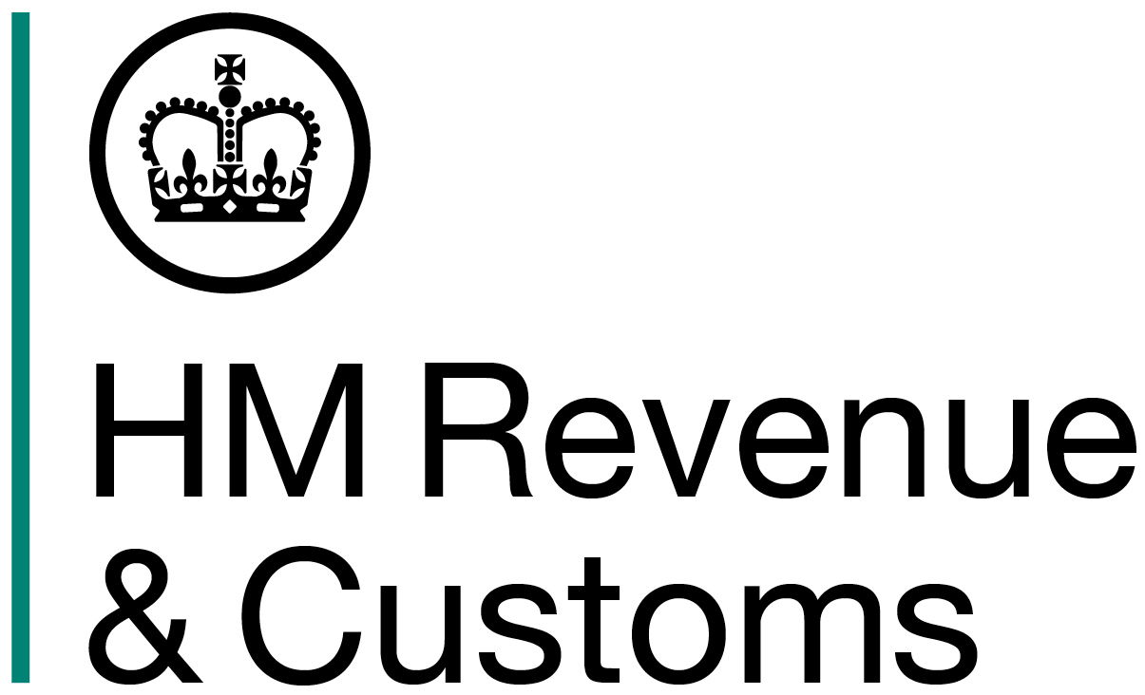

HM REVENUE AND CUSTOMS
 | KAI Benefits & Credits

Child Benefit Statistics

Geographical analysis
at Country, Region, Local Authority and Parliamentary Constituency levels

August 2015

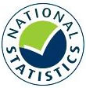

A National Statistics Publication
© Crown Copyright 2016

Commentary
Commentary

Overall Trends in time series of families and children

Ahead of August 2013 there had been significant growth in both the number of families in receipt of Child Benefit and the number of children being claimed for since 2007. The increases between August 2007 and August 2012 across each of the countries of the United Kingdom were between 1% and 7%. However, subsequent to the introduction of the High Income Child Benefit Charge in January 2013, we saw a decrease for the first time (since HMRC began producing these statistics) in the number of families in receipt of Child Benefit and the first decrease in the number of children for whom the Child Benefit is being paid since 2004.
The effects of the introduction of the High Income Child Benefit Charge are still seen in 2015 statistics. Following the comparatively large initial decrease in the number of families in receipt of Child Benefit (and associated children) following its introduction in 2013, there have been further smaller decreases to both numbers in 2014 and 2015. The number of families in receipt of Child Benefit is now similar to the values prior to August 2007. The number of children for whom Child Benefit is being paid is now at its lowest level since HMRC began producing these statistics (in 2003).
The number of families and children attributed to Foreign and unknown has been decreasing since August 2009 but has been quite volatile across the years, which could be due to inaccuracies in the recorded information and also to the net flow of migrant workers. Reductions in the number of claimant families and children in 2015 compared to 2014 are seen for all UK countries between 0.2% and 1.5%. Foreign and Unknown claimants decreased by 7%, with associated children decreasing by 9%.

Figure 1: The number of families and children in receipt of Child Benefit, 2003 to 2015
 | Number of families | Number of children
Aug 2003 | 7.246335 | 13.138075
Aug 2004 | 7.296495 | 13.09676
Aug 2005 | 7.315165 | 13.111665
Aug 2006 | 7.413475 | 13.23332
Aug 2007 | 7.475035 | 13.267355
Aug 2008 | 7.58299 | 13.340565
Aug 2009 | 7.76988 | 13.604375
Aug 2010 | 7.841675 | 13.68525
Aug 2011 | 7.88476 | 13.72116
Aug 2012 | 7.920495 | 13.771635
Aug 2013 | 7.550265 | 13.10746
Aug 2014 | 7.461675 | 12.962175
Aug 2015 | 7.4168 | 12.89553

(Source data: Child Benefit Statistics Table 1)

In August 2015 there were 7.42 million families, responsible for 12.90 million children and qualifying young people ("children"), receiving Child Benefit (CB), compared with 2014, when there were there were 7.46 million families, responsible for 12.96 million children (Figure 1).
Under UK domestic law a claimant is eligible to receive Child Benefit if they are present and ordinarily resident in the UK. For citizens of other countries (such as the European Economic Area, including A2 and A8 countries) they are able to claim Child Benefit as long as they meet the requirements of the "right to reside" test, which amongst other requirements means that they must generally be in registered or authorised employment (as set out in Home Office transitional regulations), in self-employment or be self-sufficient.

Figure 2: The number of families broken down by family size, 2003 to 2015
 | One child | Two children | Three children | Four children or more
Aug 2003 | 3.067495 | 2.90737 | 0.946875 | 0.32459
Aug 2004 | 3.164685 | 2.891065 | 0.926165 | 0.31458
Aug 2005 | 3.187005 | 2.891425 | 0.92076 | 0.31598
Aug 2006 | 3.266355 | 2.910355 | 0.91892 | 0.317845
Aug 2007 | 3.344655 | 2.9038 | 0.909605 | 0.316975
Aug 2008 | 3.468035 | 2.90265 | 0.899445 | 0.312855
Aug 2009 | 3.606005 | 2.93597 | 0.907535 | 0.320375
Aug 2010 | 3.671115 | 2.942985 | 0.90631 | 0.321265
Aug 2011 | 3.72016 | 2.94012 | 0.90225 | 0.32223
Aug 2012 | 3.74823 | 2.94529 | 0.901685 | 0.32529
Aug 2013 | 3.615465 | 2.76029 | 0.85376 | 0.320745
Aug 2014 | 3.576725 | 2.718895 | 0.844435 | 0.32162
Aug 2015 | 3.551205 | 2.702915 | 0.84054 | 0.322135

(Source data: Child Benefit Statistics Table 2)

The number of families, regardless of family size, has decreased since August 2013. Despite this decrease, the number of families with one child in 2015 is higher than the number of families with one child in 2008, whereas, the number of families with more than one child in 2015 is lower than in 2003. This is in keeping with the underlying trend of the number of families with one child increasing each year between 2003 and 2012 and the general decline in families with more than one child during the same period. Changes in the size of families in receipt of Child Benefits could be due to qualifying young people staying on in education or just a reflection of the general rise in birth rates over the same period. The number of qualifying young people (children aged 16 and over) decreased by 2.2% between 2014 and 2015 (Figure 4). The average number of children per family in the United Kingdom for which child benefit is paid had reduced each year between 2003 and 2013 (Figure 3). This trend ended in 2014 where the average number of children per family increased slightly from 1.736 in 2013 to 1.737. In 2015, there is a similar small increase to 1.739.

Figure 3: Average number of children per family broken down by country, 2003 to 2015
 | United Kingdom | England | Wales | Scotland | Northern Ireland
Aug 2003 | 1.8130651996 | 1.8191791005 | 1.7957797123 | 1.7262313047 | 1.9473099382
Aug 2004 | 1.7949386377 | 1.8004562135 | 1.7738475949 | 1.7058650007 | 1.9206086815
Aug 2005 | 1.79239435 | 1.798432357 | 1.7695658809 | 1.7011518228 | 1.9047226423
Aug 2006 | 1.7850360614 | 1.7916595466 | 1.7629965047 | 1.6963339296 | 1.8922404429
Aug 2007 | 1.7748887096 | 1.7811529992 | 1.7520233807 | 1.6862492611 | 1.8774997401
Aug 2008 | 1.7592753992 | 1.7653061723 | 1.7365085771 | 1.6744638708 | 1.8577092002
Aug 2009 | 1.7509115325 | 1.7574621216 | 1.7286822954 | 1.6657678163 | 1.8464252935
Aug 2010 | 1.7451946497 | 1.7516241392 | 1.7238368196 | 1.6598655434 | 1.8387292208
Aug 2011 | 1.7402132392 | 1.746442896 | 1.7209267427 | 1.6559193492 | 1.8335479345
Aug 2012 | 1.7387338796 | 1.7446989664 | 1.7214326535 | 1.6538439163 | 1.8308030134
Aug 2013 | 1.7360269437 | 1.7423616081 | 1.7202188558 | 1.6468034371 | 1.8293479534
Aug 2014 | 1.7371671558 | 1.7435080351 | 1.7223210118 | 1.6461173239 | 1.8290080508
Aug 2015 | 1.7386922227 | 1.7449998121 | 1.7234550601 | 1.6481262549 | 1.8318052108

(Source data: Child Benefit Statistics Table 1)

Figure 4: The number of children broken down by age of child, 2003 to 2015
 | Under 5 | 5-10 | 11-15 | 16 and over
Aug 2003 | 3.30698 | 4.360335 | 3.875345 | 1.595415
Aug 2004 | 3.31166 | 4.308305 | 3.842565 | 1.63423
Aug 2005 | 3.35166 | 4.256145 | 3.83784 | 1.66602
Aug 2006 | 3.415205 | 4.22711 | 3.823075 | 1.767935
Aug 2007 | 3.51147 | 4.159715 | 3.74764 | 1.848535
Aug 2008 | 3.60579 | 4.120005 | 3.71297 | 1.9018
Aug 2009 | 3.718155 | 4.17303 | 3.74005 | 1.97314
Aug 2010 | 3.78947 | 4.187695 | 3.69702 | 2.011065
Aug 2011 | 3.846045 | 4.23349 | 3.64776 | 1.993865
Aug 2012 | 3.88347 | 4.313775 | 3.600345 | 1.974045
Aug 2013 | 3.68623 | 4.197945 | 3.334055 | 1.88923
Aug 2014 | 3.59946 | 4.22552 | 3.260025 | 1.877165
Aug 2015 | 3.5379 | 4.28323 | 3.238795 | 1.835605

(Source data: Child Benefit Statistics Table 2)

In terms of the age distribution of children, the number of children and young people aged 16 to 19 had been increasing steadily for some time and continued to do so up to 2010 but began to decrease slightly in 2011 and 2012. There have also been decreases in this age group each year since 2013, but, as the overall number of children and young people has decreased (and so the numbers of children in the other age categories have also decreased), we cannot say whether this decrease is continuing the trend or due to the policy change that has come into effect since the production of the 2012 statistics- the High Income Child Benefit charge. There was a significant increase in the number of 16-19 year olds between August 2005 and August 2006 following the extension in April 2006 of Child Benefit to qualifying 19 year olds (Figure 4).

Analysis of August 2015 Population

There are higher numbers of children in the North West, London and the South East. (Figure 5)

Figure 5: The number of families and children broken down by country and English region, at 31st August 2015
 | Number of families | Number of children
North East | 305000 | 517125
North West | 857415 | 1494870
Yorkshire and the Humber | 636600 | 1118980
East Midlands | 541540 | 938125
West Midlands | 687010 | 1229805
East | 678260 | 1176055
London | 977940 | 1729510
South East | 951060 | 1639590
South West | 593040 | 1023565
Wales | 356810 | 614945
Scotland | 569260 | 938215
Northern Ireland | 236890 | 433940

(Source data: Child Benefit Statistics Table 3)

Figure 6 shows the average number of children for whom Child Benefit is being claimed for, per family. The average number of children is fairly consistent across many of the regions, where there is an average of between 1.72 and 1.77, but the North East (1.70), Scotland (1.65), West Midlands (1.79) and Northern Ireland (1.83) deviate from this.

Figure 6: Average number of children per family broken down by country and English region, at 31st August 2015
 | Average Number of children
North East | 1.6954885246
North West | 1.7434591184
Yorkshire and the Humber | 1.7577356025
East Midlands | 1.7323382662
West Midlands | 1.7900816582
East | 1.7339349717
London | 1.7685220596
South East | 1.7239613946
South West | 1.7259616114
Wales | 1.7234550601
Scotland | 1.6481262549
Northern Ireland | 1.8318052108

(Source data: Child Benefit Statistics Table 3)

Children aged 16-19 are only included within Child Benefit claims if they meet the eligibility criteria for non-advanced further education or training, therefore you can expect to see the number of children in these categories decline sharply away from the mid-year population projections. This is shown in Figure 7.

Figure 7: The number of children broken down by individual age, at 31st August 2015
 | Children in Child Benefit | 2015 Population Projections
0 | 654.175 | 808.189
1 | 681.02 | 806.481
2 | 709.065 | 800.102
3 | 742.11 | 820.273
4 | 751.525 | 811.047
5 | 739.22 | 797.164
6 | 729.395 | 789.906
7 | 735.255 | 797.26
8 | 712.375 | 770.936
9 | 689.085 | 755.089
10 | 677.895 | 725.465
11 | 664.575 | 712.544
12 | 651.665 | 691.843
13 | 631.035 | 680.71
14 | 639.685 | 699.238
15 | 651.835 | 719.246
16 | 670.71 | 744.771
17 | 571.51 | 758.091
18 | 476.98 | 783.957
19 | 116.405 | 791.505

(Source data: Child Benefit Statistics Table 4 and Population Projections for UK,ONS)

Despite the number of children for whom Child Benefit was received now being lower than the population projections for all ages due to the overall decrease in children, the distribution of children in receipt of Child Benefit generally mirrors the population projections[1]. This is with the exception of 16-19 year olds, for the above mentioned reasons, and for infants under 1 where we know there is a delay in claiming Child Benefit. Both series show the lower volumes of children aged 12 and 13 compared to the other age groups, and the resulting increase in birth rates since 2002.

Families that have opted out of receiving Child Benefit

Within the population of claimants that have opted out of receiving Child Benefit, there are higher numbers of children in the East, London and the South East (Figure 8).

Figure 8: The number of families that have opted out, and the children within those families, broken down by country and region at 31st August 2015
 | Number of families | Number of children
North East | 10.66 | 17.565
North West | 35.5 | 59.315
Yorkshire and the Humber | 25.415 | 42.77
East Midlands | 26.575 | 44.605
West Midlands | 28.415 | 47.685
East | 64.155 | 108.835
London | 92.33 | 152.385
South East | 119.38 | 205.075
South West | 33.32 | 57.665
Wales | 10.805 | 18.215
Scotland | 36.96 | 62.245
Northern Ireland | 6.225 | 11.9

(Source data: Child Benefit Statistics Table 8)

The age distribution of children within families that have opted out of receiving Child Benefit is similar to the age distribution of the children for whom Child Benefit is received. The low number of children at ages 2 or younger is likely to be because families subject to the High Income Child Benefit charge, whose first child was born since January 2013, would have had a choice between either registering for Child Benefit and then opting out, or not registering to begin with. These figures suggest that, some of these families may have chosen not to register after learning about the High Income Child Benefit charge. At the other end of the age scale, there are likely fewer families with 17 to 19 year old children opted out due to the eligibility criteria for such children to receive Child Benefit, as reflected by the lower numbers of similar age children in receipt of Child Benefit compared to respective population estimates for their ages.

Figure 9: The number of children in families that have opted out, by individual age at 31st August 2015
 | #REF!
0 | 9.285
1 | 12.32
2 | 22.585
3 | 46.125
4 | 50.45
5 | 52.065
6 | 54
7 | 55.6
8 | 56.42
9 | 54.99
10 | 54.485
11 | 54.865
12 | 54.15
13 | 51.74
14 | 52.125
15 | 53.015
16 | 54.245
17 | 22.59
18 | 20.035
19 | 0.395

(Source data: Child Benefit Statistics Table 9)

Notes
1 Population Projections are taken from the Office for National Statistics website:
www.ons.gov.uk/ons/rel/npp/national-population-projections/2012-based-projections/rft-table-a3-1-principal-projection---uk-population-single-year-of-age.xls

