Figure_3
Figure 3
Authorised (1) and unauthorised family holiday absence rates (2)
State-funded primary, secondary and special schools
2009/10 to 2013/14, five half terms
England
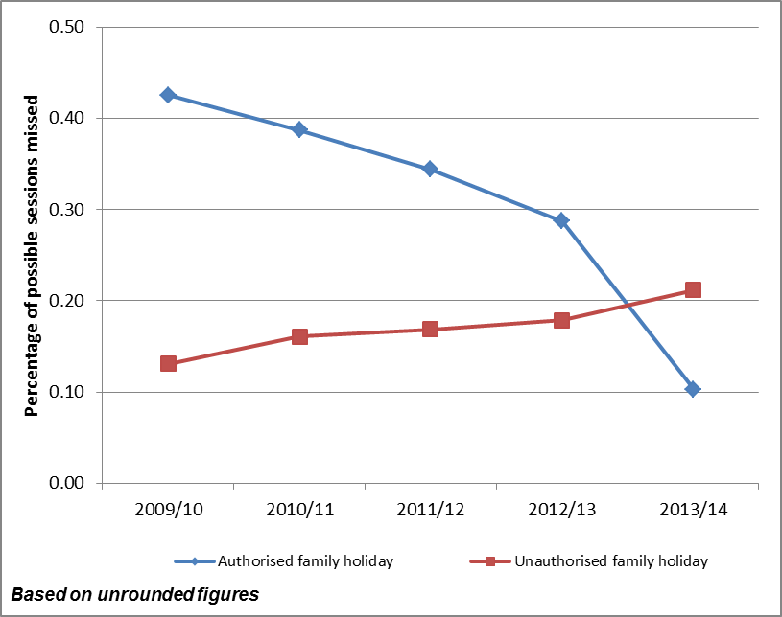

 |  | 2009/10 | 2010/11 | 2011/12 | 2012/13 | 2013/14

 | Authorised family holiday (3) | 0.4 | 0.4 | 0.3 | 0.3 | 0.1

 | Unauthorised family holiday (3) | 0.1 | 0.2 | 0.2 | 0.2 | 0.2
 |  |  |  |  |  | Source: School Census

(1) Authorised family holiday includes "Agreed extended family holiday" absences
(2) The number of sessions absent for authorised/unauthorised absence expressed as a percentage of the total number of sessions possible. See Chapter 3 of the "Guide to absence statistics" for more information.

(3) The figures in the chart are based on unrounded data to show family holiday absence trend over the past five academic years, while the figures in the table are based on rounded data to show as it is published in statistical first releases.

