Title Page
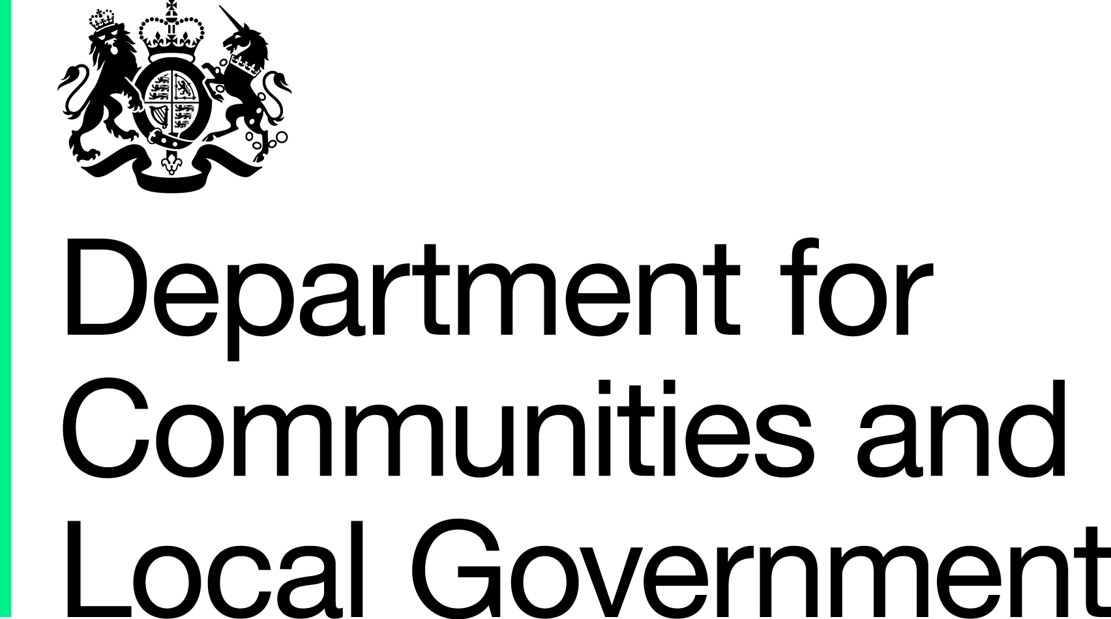

Local Council Tax Support: The number of claimants, amount of council tax foregone and total amounts paid to parishes Revenue Outturn for the financial year April 2014 to March 2015, England Experimental Statistics - Revised
Summary
This publication provides the Revenue Outturn figures for the number of council tax support claimants and the associated council tax foregone for the financial year April 2014 to March 2015. It also provides the outturn figures for the total amount paid to local parishes by the billing authority with respect to their council tax support allocation.
Background Notes
The Local Government Finance Act 2012 brought in arrangements for localised council tax support schemes to replace council tax benefit from April 2013 in England. This is the third year that local authorities have been asked to provided information regarding their Local Council Tax Support schemes. Revised guidance was issued with the Revenue Outturn form 2014-15 which emphasised that lines 991-993 should reflect the number of local council tax support claimants each local authority had on the 31st March 2015 (or as close to that date as possible). A substantial validation exercise has been undertaken to ensure that the figures provided by all local authorities for these 3 lines were on this basis. Since the original Revenue Outturn publication on 14th October 2015, we have worked very closely with local authorities to ensure that they have provided accurate information for all 7 local council tax support lines. These additional checks have led to revisions to the provisional data published for 36 authorities. The affected have been highlighted in the tables. The quality of the information provided by local authorities since last year's Revenue Outturn form has improved significantly with every local authority in England having provided their local council tax support information by the required deadline. However, we have decided to continue branding these statistics as 'Experimental' as we are planning to have further discussions with local authorities about the challenge of providing the financial data series. We will then revisit the ‘experimental’ label of these statistics. We have also consulted local authorities on and plan to move the data items on numbers of claimants to the Quarterly Revenue Collection.
Enquiries
Media enquiries: Email: press.office@communities.gsi.gov.uk Public enquiries and Responsible Statistician: Gavin Sayer 0303 444 2818 Email: lgf1.revenue@communities.gsi.gov.uk This data is part of the 'Local authority revenue expenditure and financing England: 2014 to 2015 provisional outturn statistics release' which was first published on 27 August 2015 and can be found at the following web address: https://www.gov.uk/government/statistics/local-authority-revenue-expenditure-and-financing-england-2014-to-2015-provisional-outturn Information about statistics at DCLG is available via the Department’s website: www.gov.uk/government/organisations/department-for-communities-and-local-government/about/statistics

