Information
Interactive Basic Need Scorecard

How to use the interactive scorecard:

1. | Select a local authority from the dropdown menu.

 | This will populate the scorecard with the relevant local authority's information.

2. | The 'quality' measure is set to report Ofsted ratings by default, but can be changed to Key Stage 2 value added via the drop-down menu. For more information on the measures see below.

3. | The scorecard is formatted to print on A4 paper, and works best in colour.

Click on this box to bring up the arrow on the right and choose from the list. Alternatively type in your local authority of choice.

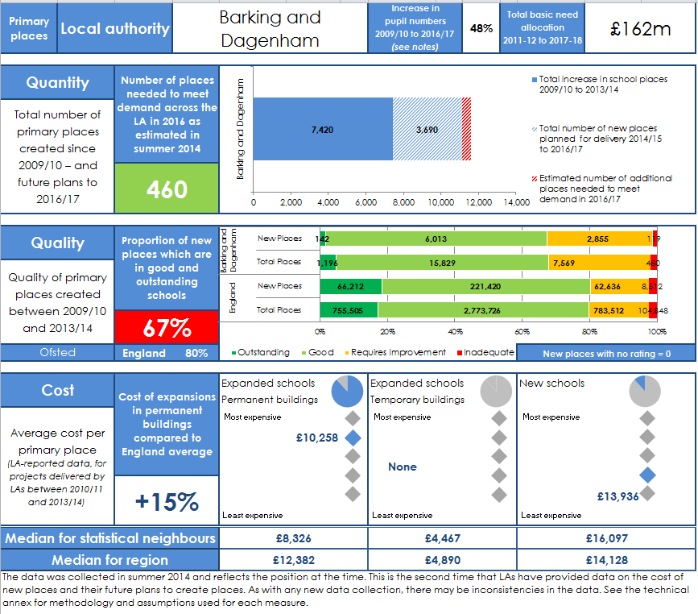
Contextual Information - this gives a sense of the increase in pupil numbers, and sets out the total basic need funding allocated to the local authority.

Click on this box to bring up the arrow on the right and choose the quality measure of interest.
Quantity - this shows how many places have been created, how many more places are planned, and an estimate of how many more places the LA needs to plan and deliver in order to meet demand. LAs are rated red, amber or green to reflect how many more places are needed.

Quality - this shows the quality of new places created, and how it compares to the quality of all places in the area, and to the overall picture in England. If LAs are within 10 percentage points of the English average, they are rated amber - otherwise red or green.

Cost - the pie charts show what proportion of new places have been created in expansions in permanent and temporary buildings, and in new schools. The figures show the average cost-per-place in each type of provision and how this compares to other authorities.

Basic Need Scorecard
Primary places | Local authority |  | Barking and Dagenham |  |  | Increase in pupil numbers 2009/10 to 2016/17 (see notes) | 48% | Total basic need allocation 2011-12 to 2017-18 |  | £162m

 | Total increase in school places 2009/10 to 2013/14 | Total number of new places planned for delivery 2014/15 to 2016/17 | Estimated number of additional places needed to meet demand in 2016/17
Barking and Dagenham | 7,420 | 3,690 | 460
Quantity |  | Number of places needed to meet demand across the LA in 2016 as estimated in summer 2014

Total number of primary places created since 2009/10 – and future plans to 2016/17

 |  | 460

 | Outstanding | Good | Requires Improvement | Inadequate
New Places | 142 | 6013 | 2855 | 119
Total Places | 1196 | 15829 | 7569 | 480
New Places | 66212 | 221420 | 62636 | 8512
Total Places | 755505 | 2773726 | 783512 | 104848
Quality |  | Proportion of new places which are in good and outstanding schools

Quality of primary places created between 2009/10 and 2013/14

 |  | 67%

Ofsted |  | England | 80% |  |  |  |  |  | New places with no rating = 0
 | 5,342
 | 0
 | 714
 | 5,342
 | 0
 | 714
 | 5,342
 | 0
 | 714
 |  |  | £10,258
1 | 1 | 1 | 4
1 | 2
1 | 3
1 | 4
1 | 5
 |  |  | None
1 | 1 | 1 | -1
1 | 2
1 | 3
1 | 4
1 | 5
 |  |  | £13,936
1 | 1 | 1 | 2
1 | 2
1 | 3
1 | 4
1 | 5
Cost |  | Cost of expansions in permanent buildings compared to England average |  | Expanded schools |  | Expanded schools |  |  | New schools
 |  |  |  | Permanent buildings |  | Temporary buildings
Average cost per primary place (LA-reported data, for projects delivered by LAs between 2010/11 and 2013/14) |  |  |  | Most expensive |  | Most expensive |  |  | Most expensive
 |  |  |  |  | £10,258
 |  |  |  |  |  | None
 |  | +15%
 |  |  |  |  |  |  |  |  |  | £13,936
 |  |  |  | Least expensive |  | Least expensive |  |  | Least expensive

Median for statistical neighbours |  |  |  | £8,326 |  | £4,467 |  |  | £16,097
Median for region |  |  |  | £12,382 |  | £4,890 |  |  | £14,128
The data was collected in summer 2014 and reflects the position at the time. This is the second time that LAs have provided data on the cost of new places and their future plans to create places. As with any new data collection, there may be inconsistencies in the data. See the technical annex for methodology and assumptions used for each measure.

