Title
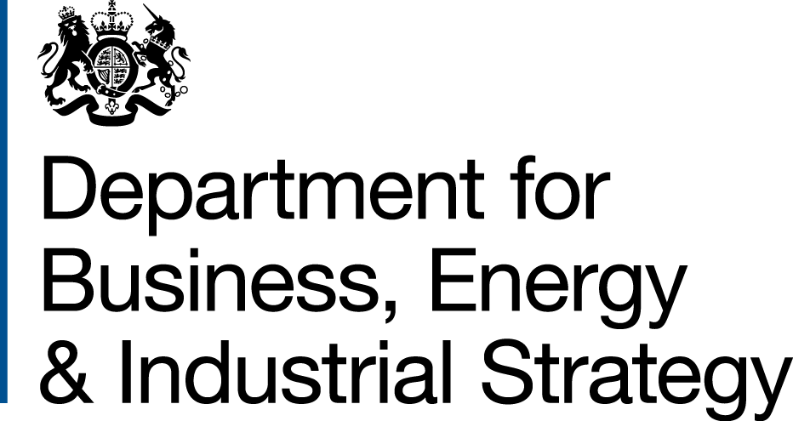

 | Non-Domestic RHI and Domestic RHI
 | monthly deployment data:
 | November 2016

Prepared by:
Nick Simmons
Nicholas.Simmons@beis.gov.uk
0300 068 8491

Statistician responsible:
James White
James.White@beis.gov.uk
0300 068 8185

This workbook was updated on 22 December 2016
This workbook will next be updated on 19 January 2017

Scheme background
Scheme background
Non Domestic RHI
RHI payments are made to the owner of the heat installation, or producer of bio-methane for injection to the gas grid, over a 20 year period and tariff levels have been calculated to bridge the financial gap between the cost of conventional and renewable heat systems. The non-domestic phase of the RHI opened in November 2011.
Currently applicants may apply to receive payments on systems installed and commissioned any time after 15 July 2009 and for heat generated for a prescribed purpose such as space, water or process heating (not for electricity production). Producers of bio-methane for injection can also apply for registration. Installations below 45kW capacity must be certified under the Microgeneration Certification Scheme (MCS).
All participating systems must be fitted with meters to determine the portion of renewable heat production being used for an eligible purpose. Payment is calculated by multiplying this heat output (kWh) by the relevant tariff rate for the technology being used (pence per kWh).
The scheme is administered by Ofgem E-serve. For more information please see the RHI webpage in relation to the policy or the Ofgem E-serve webpage for how to apply, and scheme eligibility and guidance.
Domestic RHI
The domestic RHI is an incentive scheme where participants receive tariff payments for the heat generated from an eligible renewable heating system which is heating a single dwelling. Payments are made over a 7 year period and tariff levels for each eligible technology have been calculated to bridge the financial gap between the cost of renewable and off-gas heating systems.
The eligible technologies are air source heat pumps, ground source heat pumps, biomass boilers, biomass stoves with integrated boilers and solar thermal panels. All systems must be installed under the Microgeneration Certification Scheme (MCS) or an equivalent scheme. MCS is an independent mark of quality assurance for microgeneration products and their proper installation.
In most cases, the amount of renewable heat generated will be estimated (‘deemed’). However, in some cases involving heat pumps and biomass systems, it will be assessed on meter readings, for example, where there is a secondary heating system in place. For heat pumps and biomass systems, the deemed heat generation is estimated using values from the Energy Performance Certificate (EPC) of the relevant residence. An EPC contains values for the space heating and hot water demands of the property which have been calculated based on the physical characteristics of the dwelling. For solar thermal systems, the deemed amount is based on a calculation done by the MCS installer. In cases where metering is required, readings are used as the basis for working out RHI payments, capped at the deemed amount for that dwelling. In all cases, payment is calculated by multiplying the heat demand for the property by the tariff rate (pence per kWh), and for heat pumps the seasonal performance factor is also used in the calculation.
Before applying for the RHI, applicants must install loft and cavity wall insulation where these measures are recommended by their EPC, unless there are valid reasons not to. An updated EPC will be needed as evidence of their installation.
The scheme is administered by Ofgem E-serve. Please see the RHI webpage in relation to the policy or the Ofgem E-serve webpage for how to apply, and scheme eligibility and guidance.
The scheme opened on 9 April 2014 and applicants may claim for eligible systems which were installed after 15 July 2009. Anyone who installs their heating system after 9 April 2014 can apply at any point, provided it is within 12 months of the commissioning of the system. Those who installed their heating system prior to 9 April 2014 had until 9 April 2015 to make their application.
In March 2016, HMG consulted on proposals to reform the scheme.

