Title


 | Non-Domestic RHI and Domestic RHI
 | monthly deployment data:
 | June 2016

Prepared by:
Nick Simmons
Nicholas.Simmons@decc.gsi.gov.uk
0300 068 8491

Statistician responsible:
James White
James.White@decc.gsi.gov.uk
0300 068 8185

This workbook was updated on 21 July 2016

Key Statistics
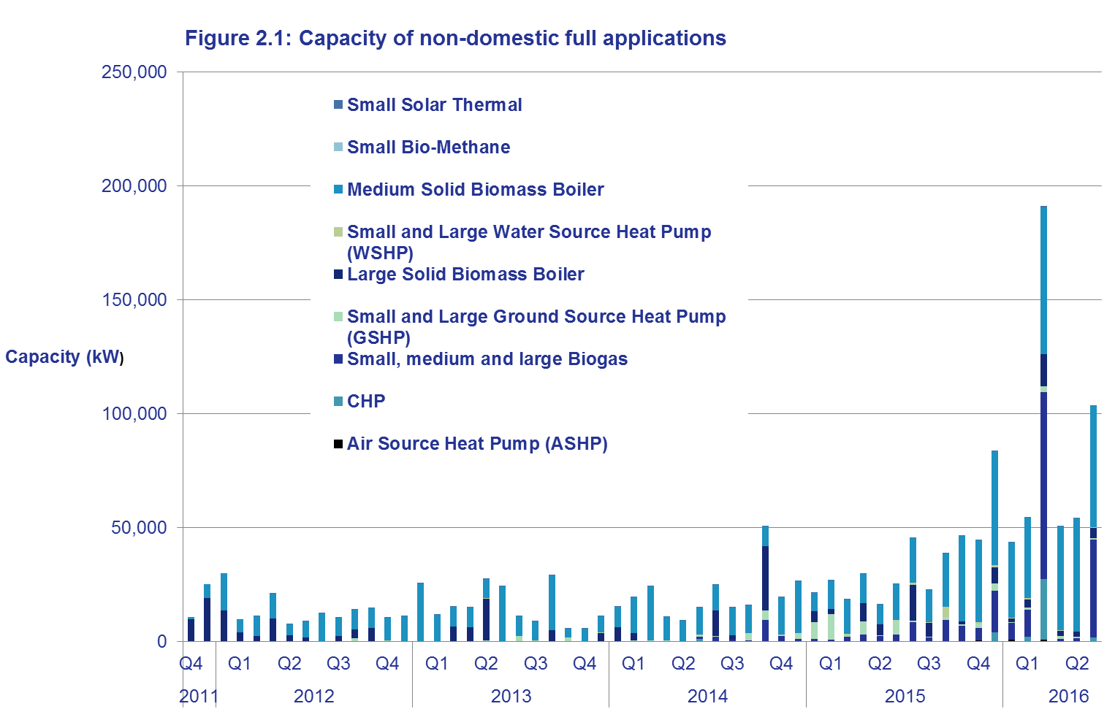
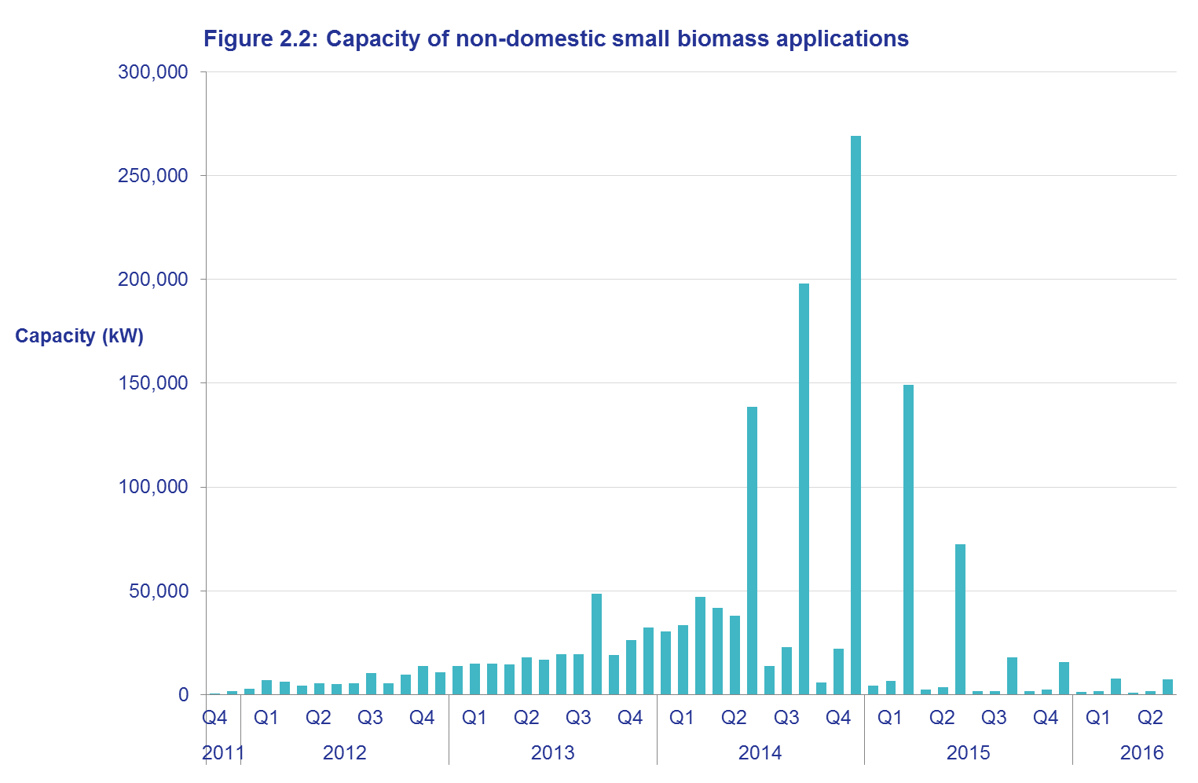
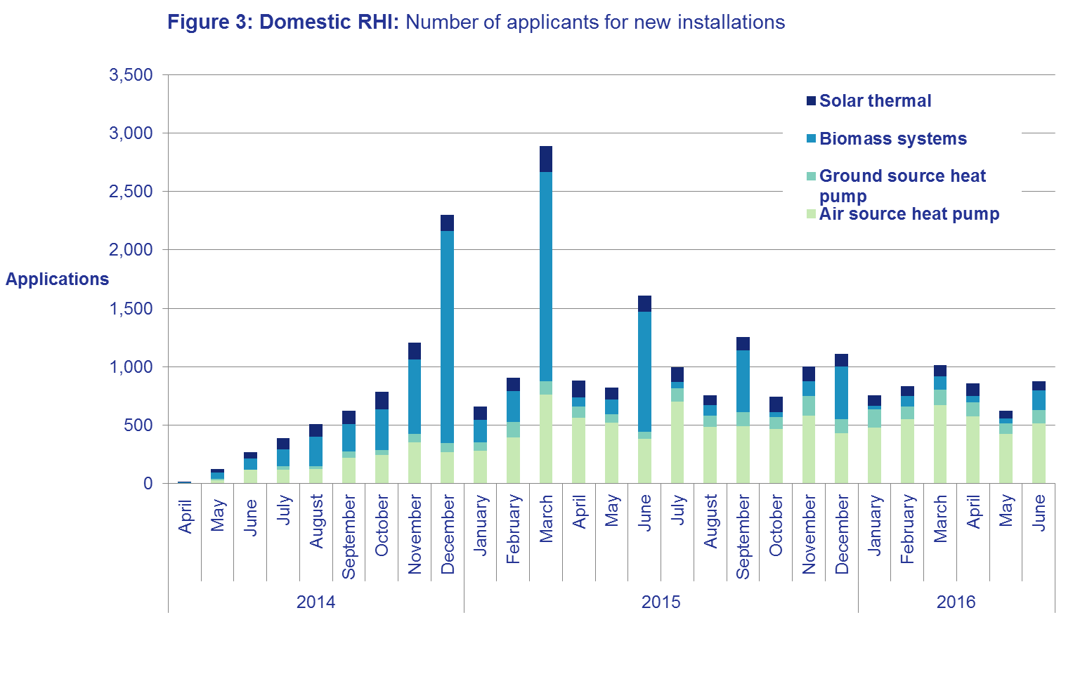
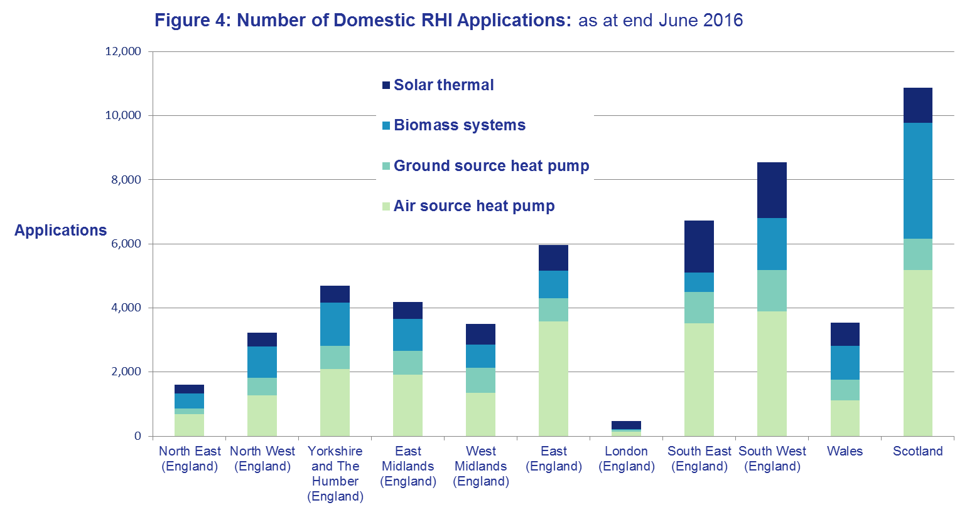
Key Statistics

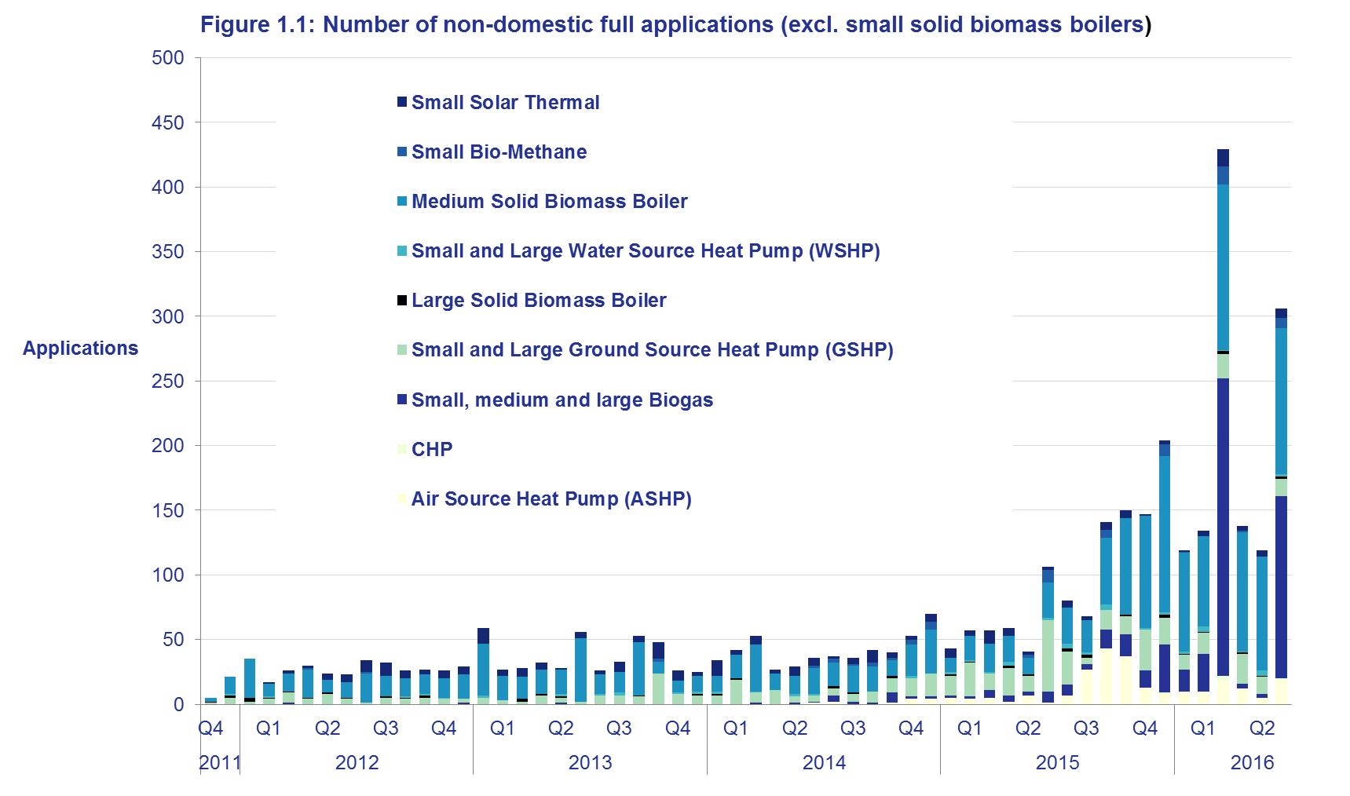
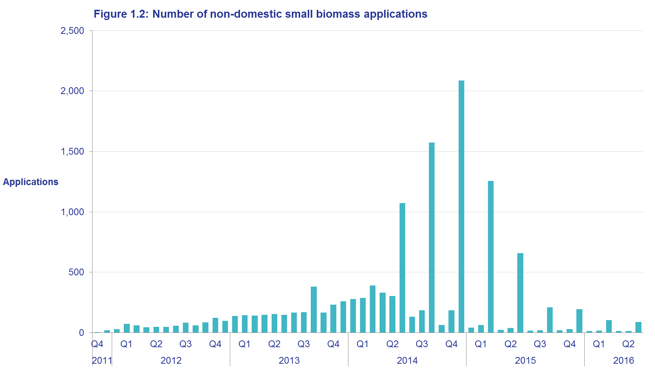
 | Renewable Heat Incentive, November 2011 - June 2016
 |  | Non-domestic scheme | Domestic scheme (new & legacy)
 | Full applications | 16,478 | 53,322
 | Full accreditations | 14,919 | 49,825
 | Installations receiving payment | 14,123 | 48,448
 | Heat generated and paid for (GWh) | 8,763 (including Biomethane injected to grid) | 998.6

In the calendar year 2015, the RHI accounted for approximately 11 per cent of UK renewable heat generation (based on heat generated and paid for at the end of December 2015). Further details and analysis can be found in the publication Energy Trends (June 2016). Of this 11 per cent of heat generated and paid for, 87 per cent was from the non-domestic RHI scheme, with approximately 13 per cent coming from the domestic RHI scheme.
Comparing the total heat generated and paid for across the RHI as at the end of June 2016, the non-domestic RHI accounts for around 90 per cent of heat generated and paid for, with the domestic RHI contributing around 10 per cent.
Non-domestic summary
In Q1 and Q2 of 2016, under the non-domestic RHI, there were 1,494 full applications, of which 677 were in the second quarter of 2016 (Table 1.7). This compares to 2,442 full applications for Q1 and Q2 of 2015, of which 924 were in the second quarter of 2015.
The technology with the highest number of full applications is Small Solid Biomass Boilers, with 78 per cent of full applications up to the end of June 2016. This contributes 49 per cent of the total capacity of full applications. More detail can be found on Table 1.1 of this publication.
Although the first two quarters of 2016 have shown lower application numbers than the first two quarters of 2015, there have been some large recent applications (e.g. biogas, CHP and large biomass). Total capacity from applications in Q1/Q2 2016 was around 518MW, with total capacity from new applications in Q1/2 of 2015 around 377MW (Figures 2.1 and 2.2).
Figure 1.2 shows that there has been a significant fall in the number of new Small Solid Biomass Boiler applications in the last year. In the previous twelve months, Small Solid Biomass Boilers have contributed 28 per cent of full applications, compared to 88 per cent at the end of June 2015. This fall in the number of applications is mainly attributed to degression, which reduces tariffs paid to applicants as a means of keeping the RHI scheme within budget over time. Degression has resulted in a 25 per cent reduction for tariffs paid for Small Solid Biomass Boilers effective from 1 July 2015 and subsequent tariff rate decreases in each quarter for the technology.
The decrease over the previous twelve months in Small Solid Biomass Boiler applications has coincided with an increase in applications for both Medium Solid Biomass Boilers and Biogas (Figure 1.1). Of the 1,789 Medium Solid Biomass Boiler applications up to the end of June 2016, 955 were in the previous twelve months. This could suggest that tariff reductions for Small Solid Biomass Boilers have led to a shift towards Medium Solid Biomass Boilers.
Biogas has experienced a more recent rise - of the 571 Biogas applications up to the end of June 2016, the majority (424) were in the last six months. May 2016 also saw the first CHP installations accredited to the scheme.
Of the 14,919 accreditations in Great Britain up until the end of June 2016, 72 per cent were in England (10,677), with Scotland accounting for 19 per cent of accreditations (2,759) and Wales accounting for 10 per cent of accreditations (1,472) (Table 1.3). The highest number of accreditations in a local authority in England is Shropshire (431 accreditations), in Scotland is Dumfries and Galloway (472) and in Wales is Powys (480). More detail can be found on Table 1.6 of this publication.
Over half of all non-domestic accreditations (59.8%) are in two industrial sectors - Crop and animal production, hunting and related service activities (SIC code: 01) and Accommodation (SIC code: 55). The distribution of applications between sectors has changed little over the last twelve months. More detail can be found on Table 1.8 of this publication.
Domestic summary
In Q1 and Q2 of 2016, under the domestic RHI, there were 5,066 full applications, of which 2,419 were in the second quarter of 2016. This compares to 20,420 full applications for Q1 and Q2 of 2015, of which 6,453 were in the second quarter of 2015 (Table 2.8).
In Q1 and Q2 of 2016, there were 5,073 accreditations. This compares to 18,154 accreditations for Q1 and Q2 of 2015. The technology mix of applications has also changed in recent quarters (see Figure 3 opposite). Biomass applications have decreased since March 2015, which may be due to the domestic biomass tariff having been subject to several tariff reductions due to degression. Applications from other technologies have been relatively consistent. More detail on applications over time can be found on Table 2.9 of this publication.
Figure 4 shows the distribution of domestic applications by technology across UK regions. Most regions have a reasonably similar technology mix. However, Scotland has a higher proportion of biomass applications (33 per cent of applications in Scotland) than other regions. London has the fewest domestic RHI applications of any region and is the only region for which solar thermal is the dominant technology. England is broken down into its constituent regions for the purpose of Figure 4; overall, England accounts for 73 per cent of domestic RHI applications. More detail on regional distributions can be found on Table 2.3 of this publication.
The total heat generated and paid for under the domestic RHI is around 1TWh (998.6 GWh).

Scheme background
Scheme background
Non Domestic RHI
RHI payments are made to the owner of the heat installation, or producer of bio-methane for injection to the gas grid, over a 20 year period and tariff levels have been calculated to bridge the financial gap between the cost of conventional and renewable heat systems. The non-domestic phase of the RHI opened in November 2011.
Currently applicants may apply to receive payments on systems installed and commissioned any time after 15 July 2009 and for heat generated for a prescribed purpose such as space, water or process heating (not for electricity production). Producers of bio-methane for injection can also apply for registration. Installations below 45kW capacity must be certified under the Microgeneration Certification Scheme (MCS).
All participating systems must be fitted with meters to determine the portion of renewable heat production being used for an eligible purpose. Payment is calculated by multiplying this heat output (kWh) by the relevant tariff rate for the technology being used (pence per kWh).
The scheme is administered by Ofgem E-serve. For more information please see the RHI webpage in relation to the policy or the Ofgem E-serve webpage for how to apply, and scheme eligibility and guidance.
Domestic RHI
The domestic RHI is an incentive scheme where participants receive tariff payments for the heat generated from an eligible renewable heating system which is heating a single dwelling. Payments are made over a 7 year period and tariff levels for each eligible technology have been calculated to bridge the financial gap between the cost of renewable and off-gas heating systems.
The eligible technologies are air source heat pumps, ground source heat pumps, biomass boilers, biomass stoves with integrated boilers and solar thermal panels. All systems must be installed under the Microgeneration Certification Scheme (MCS) or an equivalent scheme. MCS is an independent mark of quality assurance for microgeneration products and their proper installation.
In most cases, the amount of renewable heat generated will be estimated (‘deemed’). However, in some cases involving heat pumps and biomass systems, it will be assessed on meter readings, for example, where there is a secondary heating system in place. For heat pumps and biomass systems, the deemed heat generation is estimated using values from the Energy Performance Certificate (EPC) of the relevant residence. An EPC contains values for the space heating and hot water demands of the property which have been calculated based on the physical characteristics of the dwelling. For solar thermal systems, the deemed amount is based on a calculation done by the MCS installer. In cases where metering is required, readings are used as the basis for working out RHI payments, capped at the deemed amount for that dwelling. In all cases, payment is calculated by multiplying the heat demand for the property by the tariff rate (pence per kWh), and for heat pumps the seasonal performance factor is also used in the calculation.
Before applying for the RHI, applicants must install loft and cavity wall insulation where these measures are recommended by their EPC, unless there are valid reasons not to. An updated EPC will be needed as evidence of their installation.
The scheme is administered by Ofgem E-serve. Please see the RHI webpage in relation to the policy or the Ofgem E-serve webpage for how to apply, and scheme eligibility and guidance.
The scheme opened on 9 April 2014 and applicants may claim for eligible systems which were installed after 15 July 2009. Anyone who installs their heating system after 9 April 2014 can apply at any point, provided it is within 12 months of the commissioning of the system. Those who installed their heating system prior to 9 April 2014 had until 9 April 2015 to make their application.

