Title


 | Non-Domestic RHI and Domestic RHI
 | monthly deployment data:
 | September 2016

Prepared by:
Nick Simmons
Nicholas.Simmons@beis.gov.uk
0300 068 8491

Statistician responsible:
James White
James.White@beis.gov.uk
0300 068 8185

This workbook was updated on 20 October 2016
This workbook will next be updated on 17 November 2016

Key Statistics
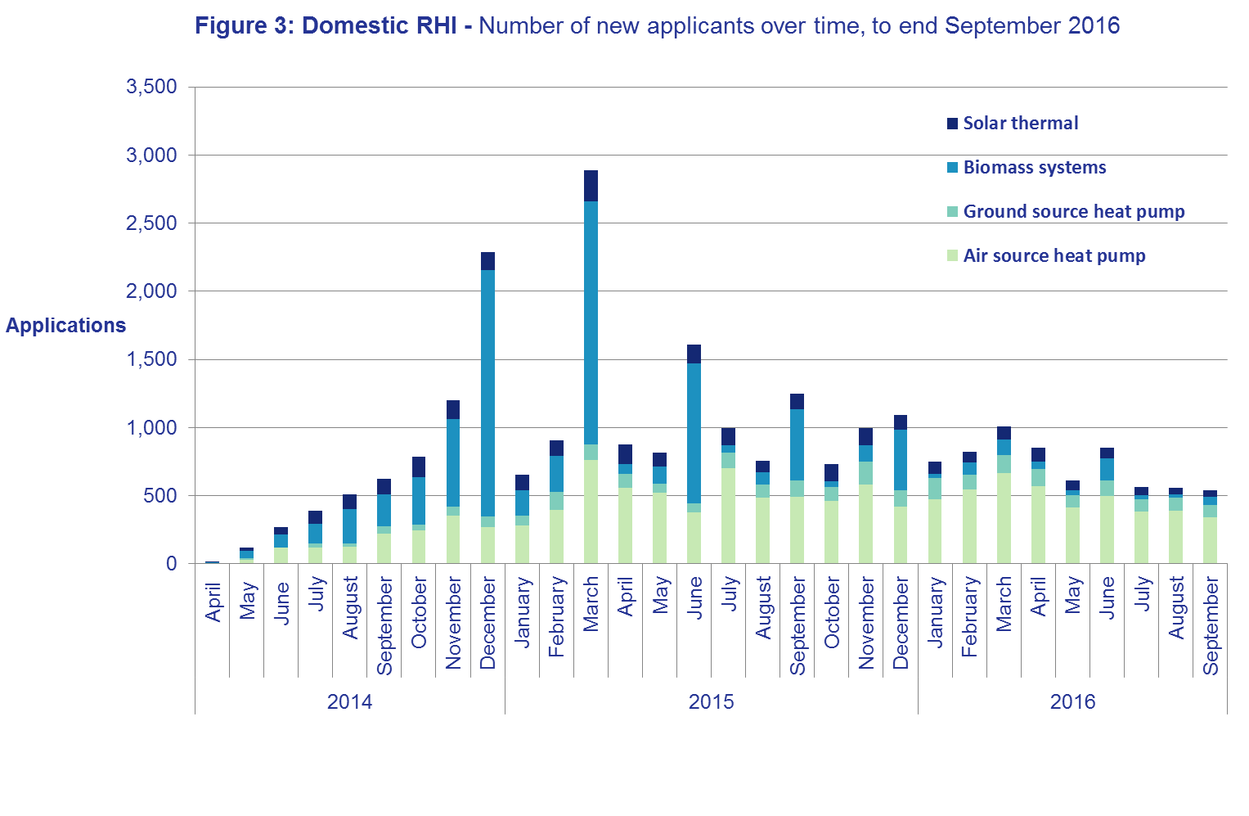
Key Statistics

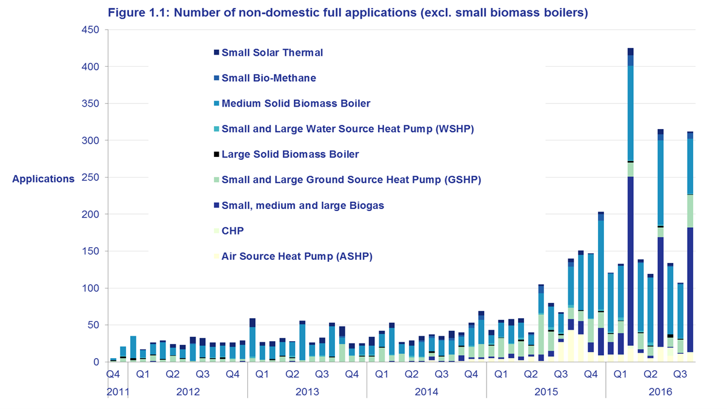
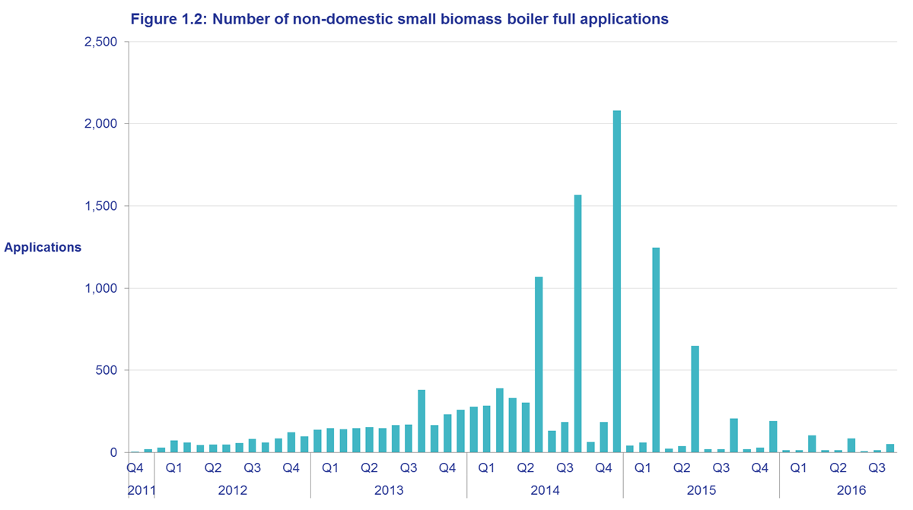
 | Renewable Heat Incentive, November 2011 - September 2016
 |  | Non-domestic scheme | Domestic scheme (new & legacy)
 | Full applications | 17,047 | 54,849
 | Full accreditations | 15,561 | 51,419
 | Installations receiving payment | 14,792 | 50,829
 | Heat generated and paid for (GWh) | 10,396 (including Biomethane injected to grid) | 1,201

RHI Quarterly Deployment Statistics, September 2016
The non-domestic scheme has generated over 10 TWh of heat to date and the domestic-scheme has generated over 1 TWh.
In the calendar year 2015, the RHI accounted for approximately 11 per cent of UK renewable heat generation (based on heat generated and paid for at the end of December 2015). Of this 11 per cent of heat generated and paid for, 87 per cent was from the non-domestic RHI scheme, with approximately 13 per cent coming from the domestic RHI scheme. Further details and analysis on UK Renewable Heat be found in the Digest of UK Energy Statistics publication: https://www.gov.uk/government/statistics/digest-of-united-kingdom-energy-statistics-dukes-2016-main-chapters-and-annexes
The next monthly RHI statistics release will be published on Thursday 17th November.
We welcome feedback from the users of our statistics. If you have any questions or comments on the statistics, please contact the RHI Statistics team using the contact details on the Title tab.

Non-domestic summary
Table 1.1 of this publication summarises applications and accreditations by technology. In Q3 of 2016 there were 623 new full applications to the non-domestic RHI, contributing an estimated 203 MW of new capacity (see Table 1.7). 10 of these were biomethane plants, which do not generate power and therefore do not have an associated capacity. The first three quarters of 2016 have shown lower application numbers than the first three quarters of 2015 but there have been some large recent applications (e.g. biogas, CHP and large biomass). Figures 1.1 and 1.2 show applications by technology and Figures 2.1 and 2.2 show new capacity by technology.
Solid Biomass Boilers account for 75 per cent of full applications up to the end of September 2016. This contributes 46 per cent of the total capacity of full applications. However, there has been a significant fall in the number of new Small Solid Biomass boilers applying to the scheme in the last year. Small biomass contributed 11% of new applications in Q3 2016, compared to 46% in Q3 2015.
The most recent tariff changes on the non-domestic scheme due to degression came into effect on 1st October 2016 (announced in August 2016). Biogas, biomethane and small biomass had tariff reductions for new applications after this date (see the Degression announcements tab for more information). Degression is a means of controlling the budget of the scheme by reducing the tariff of new applications to technologies for which forecast spend passes triggers defined in Regulations. There has been a "spike" of new biogas and biomethane applications in September 2016. This may represent applications lodging with Ofgem before the tariff change came into effect in October.
New regulations which apply to biomass-CHP plant which qualify for the scheme from 1st August 2016 mean plants with a power efficiency below a given level will receive the biomass-CHP tariff for a proportion of their annual heat generated, and the relevant solid biomass heat-only tariff for the remainder. In July 2016, the scheme received the largest number of CHP applications within one month to date - 11 new applications with a total capacity of 20,038 KW. This relatively high month of deployment may have been partly driven by installers wishing to apply before the regulations came into effect, in a pattern similar to degression.

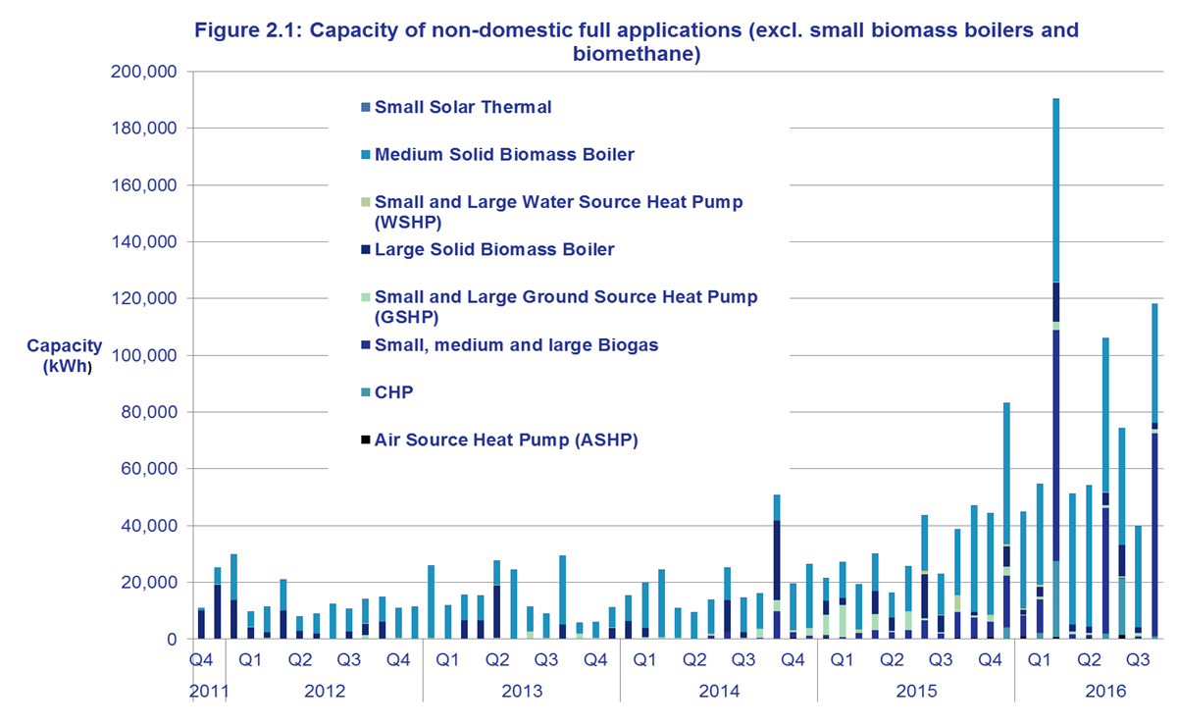
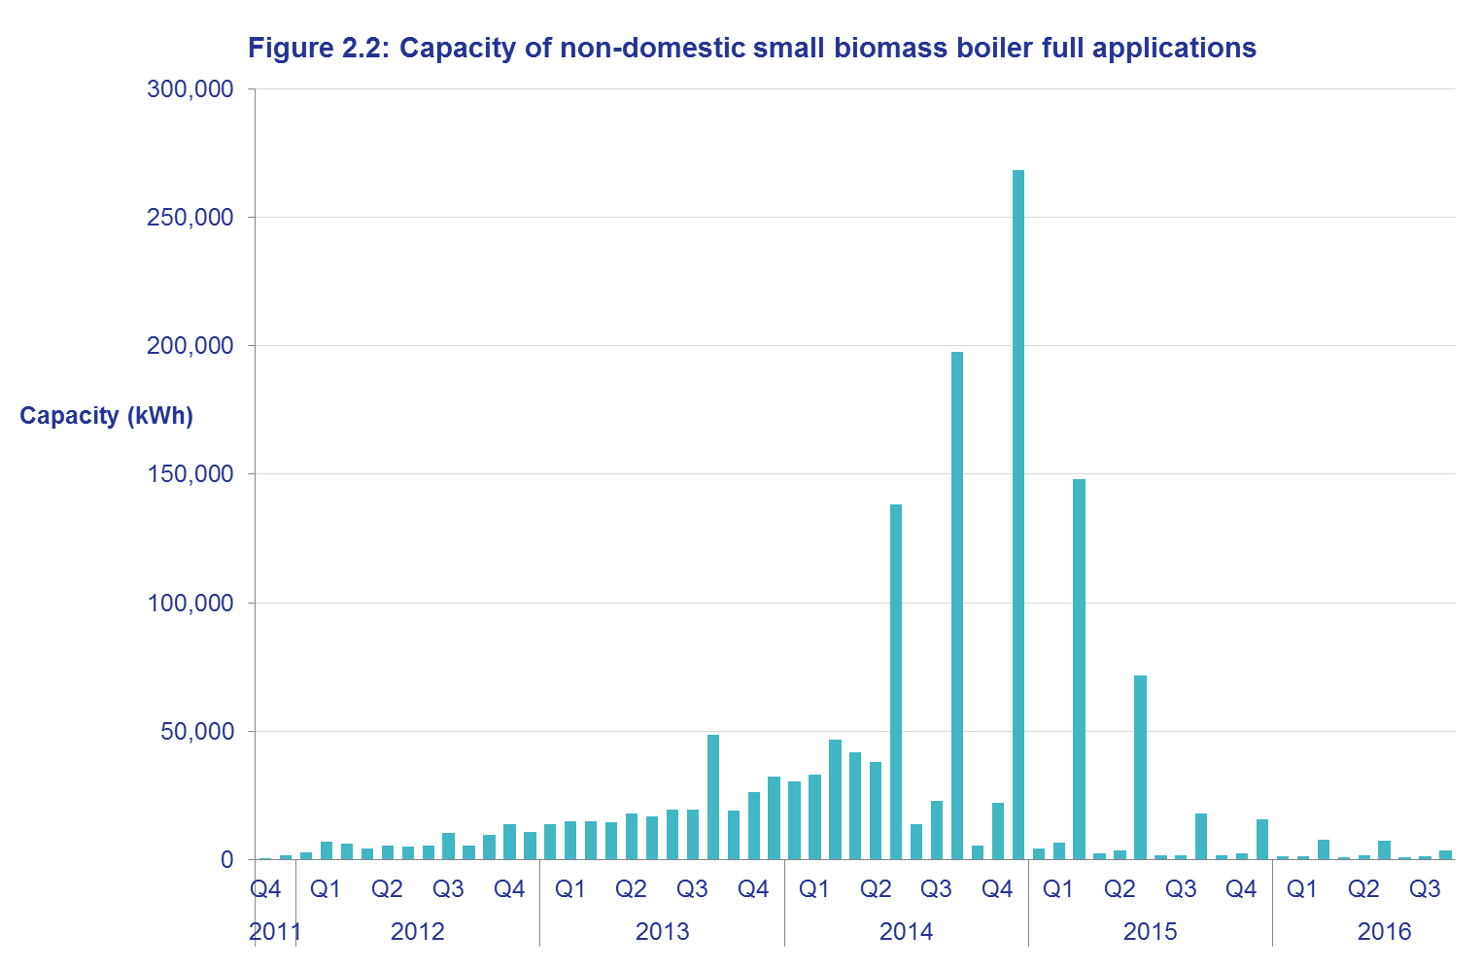

Domestic summary
In Q3 of 2016 there were 1,753 applications to the domestic RHI scheme. The same period in 2015 had 3,241 new applications. You can see applications over time in Table 2.8 of this publication and Figure 3 opposite.
Table 2.10 shows the proportion of heat generated and paid for to the end of September by technology. The largest proportion of installations in payment are air source heat-pumps (ASHPs), which account for 45% of installations in payment and 27% of heat generated and paid for. Biomass accounts for over half of heat generated and paid for to date, but only about a quarter of installations in payment.
Figure 3 (opposite) shows new domestic applications over time. Q3 2016 saw the lowest number of new domestic biomass applications since the domestic RHI scheme began (115 new applications). The most recent degression tariff change on the domestic scheme was a reduction in the biomass tariff, which was announced in May 2016 and became effective in July 2016. Q3 2016 has shown relatively equal deployment between months, rather than the pattern of quarterly peaks that can be seen in prior months. This may be because there were no tariff changes announced for October. See Table 2.9 for more information.
"Legacy" refers to all applications for systems installed before the launch of the domestic RHI scheme on 9 April 2014. Table 2.9 shows that there were 99 legacy applications in Q3 2016. These are actually the result of transfers of ownership of existing installations. When ownership of an accredited installation is transferred, for example during a house sale, the new incoming owner inherits the MCS certificate, commissioning date and tariff of the original legacy applicant. The new incoming applicant will only receive any remaining payments up to a total of 7 years per installation.
In September, we updated our estimates of the average installation capacity and design SPF on the domestic scheme (using data up to the end of August 2016). SPF is an indicator of the efficiency of heat pumps. You can see the new estimates on Table 2.12 of this publication.

Scheme background
Scheme background
Non Domestic RHI
RHI payments are made to the owner of the heat installation, or producer of bio-methane for injection to the gas grid, over a 20 year period and tariff levels have been calculated to bridge the financial gap between the cost of conventional and renewable heat systems. The non-domestic phase of the RHI opened in November 2011.
Currently applicants may apply to receive payments on systems installed and commissioned any time after 15 July 2009 and for heat generated for a prescribed purpose such as space, water or process heating (not for electricity production). Producers of bio-methane for injection can also apply for registration. Installations below 45kW capacity must be certified under the Microgeneration Certification Scheme (MCS).
All participating systems must be fitted with meters to determine the portion of renewable heat production being used for an eligible purpose. Payment is calculated by multiplying this heat output (kWh) by the relevant tariff rate for the technology being used (pence per kWh).
The scheme is administered by Ofgem E-serve. For more information please see the RHI webpage in relation to the policy or the Ofgem E-serve webpage for how to apply, and scheme eligibility and guidance.
Domestic RHI
The domestic RHI is an incentive scheme where participants receive tariff payments for the heat generated from an eligible renewable heating system which is heating a single dwelling. Payments are made over a 7 year period and tariff levels for each eligible technology have been calculated to bridge the financial gap between the cost of renewable and off-gas heating systems.
The eligible technologies are air source heat pumps, ground source heat pumps, biomass boilers, biomass stoves with integrated boilers and solar thermal panels. All systems must be installed under the Microgeneration Certification Scheme (MCS) or an equivalent scheme. MCS is an independent mark of quality assurance for microgeneration products and their proper installation.
In most cases, the amount of renewable heat generated will be estimated (‘deemed’). However, in some cases involving heat pumps and biomass systems, it will be assessed on meter readings, for example, where there is a secondary heating system in place. For heat pumps and biomass systems, the deemed heat generation is estimated using values from the Energy Performance Certificate (EPC) of the relevant residence. An EPC contains values for the space heating and hot water demands of the property which have been calculated based on the physical characteristics of the dwelling. For solar thermal systems, the deemed amount is based on a calculation done by the MCS installer. In cases where metering is required, readings are used as the basis for working out RHI payments, capped at the deemed amount for that dwelling. In all cases, payment is calculated by multiplying the heat demand for the property by the tariff rate (pence per kWh), and for heat pumps the seasonal performance factor is also used in the calculation.
Before applying for the RHI, applicants must install loft and cavity wall insulation where these measures are recommended by their EPC, unless there are valid reasons not to. An updated EPC will be needed as evidence of their installation.
The scheme is administered by Ofgem E-serve. Please see the RHI webpage in relation to the policy or the Ofgem E-serve webpage for how to apply, and scheme eligibility and guidance.
The scheme opened on 9 April 2014 and applicants may claim for eligible systems which were installed after 15 July 2009. Anyone who installs their heating system after 9 April 2014 can apply at any point, provided it is within 12 months of the commissioning of the system. Those who installed their heating system prior to 9 April 2014 had until 9 April 2015 to make their application.
In March 2016, HMG consulted on proposals to reform the scheme.

