Title Page
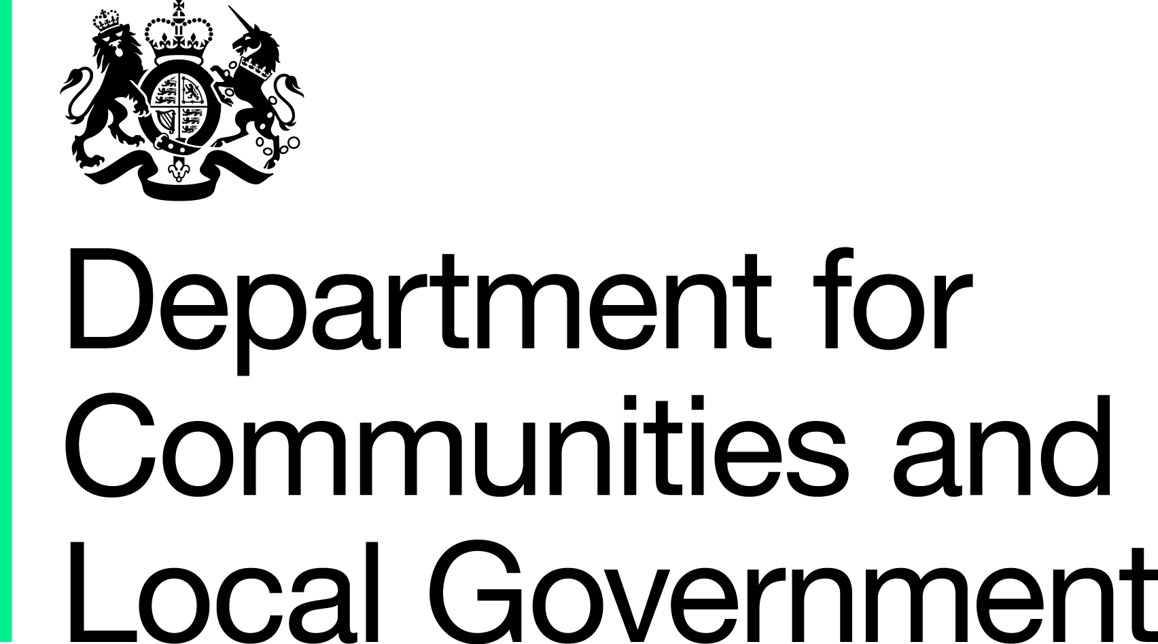

Local Council Tax Support: Number of Claimants, Amount of Council Tax Foregone, Total amounts paid to parishes and Number of changes in circumstances Budget Estimates for the financial year April 2015 to March 2016, England Experimental Statistics
Summary
These experimental statistics provide budget estimates of the number of council tax support claimants and the associated council tax foregone for the financial year April 2015 to March 2016. They also provide budget estimates of the total amount paid to local parishes by the billing authority with respect to their council tax support allocation. In addition, 3 new voluntary lines have been added to this year's Revenue Account 2015-16 form. These new lines are budget estimates for the number of people (split by pensioners and working-age people) likely to experience a change in circumstances affecting their Local Council Tax Support claim.
Background Notes
The Local Government Finance Act 2012 brought in arrangements for localised council tax support schemes to replace council tax benefit from April 2013 in England. This is the third year that local authorities have been asked to provide information regarding their Local Council Tax Support schemes on the Revenue Account (RA) form. There are 2 authorities who have not been able to provide all of the information requested regarding the number of people in receipt of council tax support or the amount of council tax they expect to forgo in 2015-16. England estimates for these variables have been calculated by imputing for these missing data using the methodology outlined on the LA data tab. These statistics are still badged as experimental because of ongoing work to improve the quality and consistency of data provided by Local Authorities. Nine authorities have not confirmed how much money they intend to pass on to parishes in 2015-16. Because these values may be zero they have not be imputed for when calculating the England total. This is the first year the Department has asked local authorities to report on the number of changes of circumstance they expect to process during the course of the year. This year these questions were voluntary and 130 authorities did not complete these questions. Because this is the first time the department has collected this information and due to the number of missing items it has not been possible to calculate reliable figures for England. The department will be working with local authorities to improve the quality of the data collected by these questions in the future.
Enquiries
Media enquiries: office hours: 0303 444 1157 0303 444 1159 out of hours: 0303 444 1201 Email: press.office@communities.gsi.gov.uk Public Enquiries and Responsible Statistician: Ian Rose 0303 444 1628 General Enquiries: Helen Sleight 0303 444 3139 Email: lgf1.revenue@communities.gsi.gov.uk The full statistical release relating to the RA Budget form was published on 15th July and can be found at the following web address: https://www.gov.uk/government/organisations/department-for-communities-and-local-government/series/local-authority-revenue-expenditure-and-financing Information on Official Statistics is available via the UK Statistics Authority website: www.statistics.gov.uk/hub/browse-by-theme/index.html Information about statistics at DCLG is available via the Department’s website: www.gov.uk/government/organisations/department-for-communities-and-local-government/about/statistics

