Front sheet
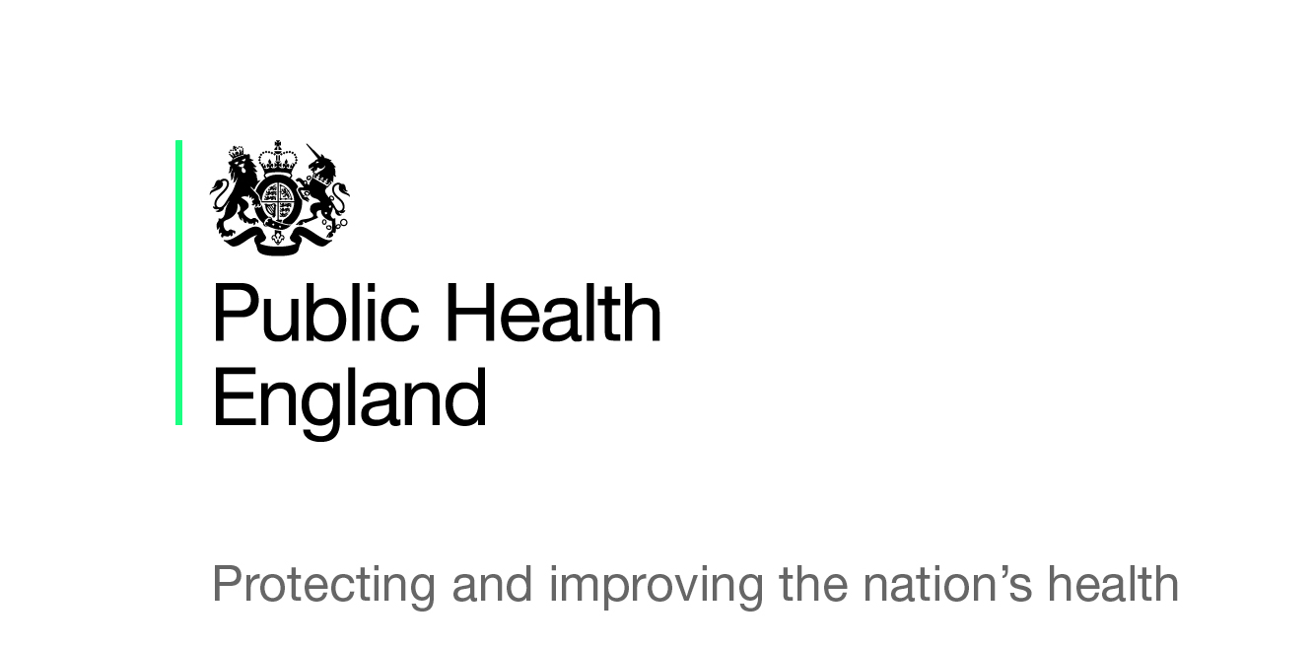
Statistical Release
Breastfeeding prevalence at 6-8 weeks
after birth (by local authority)
Experimental Statistics 2015-16 Quarter 1
© Crown copyright 2015 You may re-use this information (excluding logos) free of charge in any format or medium, under the terms of the Open Government Licence v2.0. To view this licence, visit OGL or email psi@nationalarchives.gsi.gov.uk. Where we have identified any third party copyright information you will need to obtain permission from the copyright holders concerned. Any enquiries regarding this publication should be sent to interimreporting@phe.gov.uk.

Summary
Summary of Results
Background
The breastfeeding information within this publication has been obtained via a new interim reporting system to collect health visiting activity at a local authority resident level. Quarter 1 of 2015-16 is the first reporting period and the reporting by local authorities to Public Health England is voluntary.
Caution should be exercised when interpreting these figures as it is a new data collection and there is not full coverage. Any figures shown at a PHE Centre or England level are based on an aggregate total of local authorities within those areas who supplied data items which complied with national validation criteria for the breastfeeding indicator.
The statistics produced are still experimental and undergoing evaluation and development. Therefore they are subject to modifications in future editions.
Summary of Quarter 1
Out of 152 local authorities 114 submitted a return for the interim reporting collection for Quarter 1 (Q1) - a response rate of 75%.
25 of the 114 local authorities who made a submission failed stage 1 validation (failing to provide either the number of infants due a 6-8 week review or the number of infants totally/partially being breastfed). The aggregated totals for each PHE centre and the England value is therefore based on the values of 89 local authorities.
Breastfeeding rates at a PHE centre level cannot be published as they all fail to meet the validation at stage 3 (known breastfeeding status for infants age 6-8 weeks does not meet the 95% quality standard - please refer to 'Validation Rules' for more information).
An aggregate England value can however be published based on the 89 local authorities that submitted a return and passed stage 1 validation due to the England threshold being lower at 85%.
The aggregate breastfeeding rate for England based on 89 local authorities is 43.4% (with confidence intervals of 43.1 – 43.7%)
Full information (percentages and confidence intervals) can only be published for 43 local authorities as 2 areas failed validation checks at stage 2 (children due 6-8 week reviews not within 20% of the resident population of babies aged 0) and 44 failed validation checks at stage 3 (breastfeeding status not known for 95% of infants due 6-8 week reviews - please refer to 'Validation Rules' for more information).
Note: This publication should be read in conjunction with the Statistical Commentary.

Validation Rules
Definitions and Validation Rules
Definitions Information has historically been published by NHS England at CCG level based on registered population, however on 1 October 2015 the commissioning of health visiting services transferred to local authorities.
Public Health England has established an interim reporting system to collate the breastfeeding information until the Maternity and Children's Dataset (MCDS) is in a position to report more fully. Local authorities have been asked to report a number of health visiting metrics at a resident population level (for each quarter of 2015/16 and 2016/17). The following four data items are key:
The number of infants due 6-8 weeks reviews in each quarter.
The number of infants being “totally” breastfed (defined as infants who are exclusively receiving breast milk at 6-8 weeks of age - that is, they are NOT receiving formula milk, any other liquids or food).
The number of infants being “partially” breastfed (defined as infants who are currently receiving breast milk at 6-8 weeks of age and who are also receiving formula milk or any other liquids or food).
The number of infants being “not at all” breastfed (defined as infants who are not currently receiving any breast milk at 6-8 weeks of age).
Validation Rules
Local authorities submitting a nil return will be classed as a non-submission.
The submissions will then go through a number of validation stages:
Each local authority has to pass all 3 stages in order for all of the calculations to be made and percentages shown. If they fail any stage the values the local authority submitted will be presented but the percentages and confidence intervals will not be calculated for their area (cells will be left blank).
In order to be included in the aggregated totals for each PHE Centre and the aggregated England total local authorities only have to pass stage 1 of the validation as the PHE Centres and England have to pass their own validation (based on the aggregate population estimates and values given for the areas submitting).

Contacts
Contacts
Media Enquiries Please contact:
Sean Kelleher
Press Officer
Public Health England
Telephone: 0207 654 8096
Email: sean.kelleher@phe.gov.uk.
Other Enquiries For all other enquiries relating to the statistics or to offer feedback on the publication please contact: Helene Brechin or Kate Thurland Public Health England Email: interimreporting@phe.gov.uk

