B.2 Combined needs
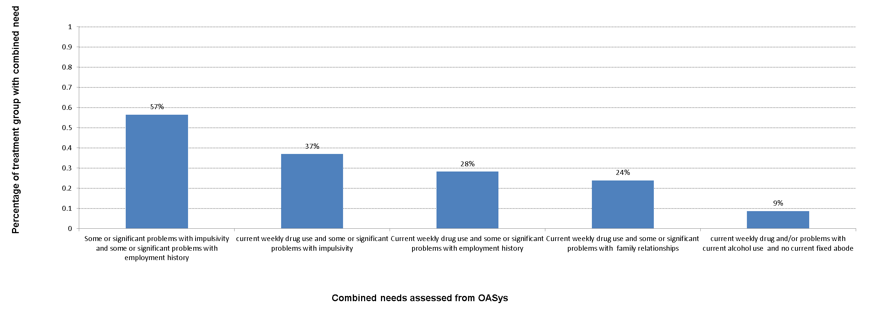
Chart B.2
Profile of treatment group - combined needs (for national complex treatment group offenders with an OASys record)

 | Percentage of treatment group with combined need
Some or significant problems with impulsivity and some or significant problems with employment history | 57%
Current weekly drug use and some or significant problems with impulsivity | 37%
Current weekly drug use and some or significant problems with employment history | 28%
Current weekly drug use and some or significant problems with family relationships | 24%
Current weekly drug use and no current fixed abode | 9%

B3. Substance misuse comparison
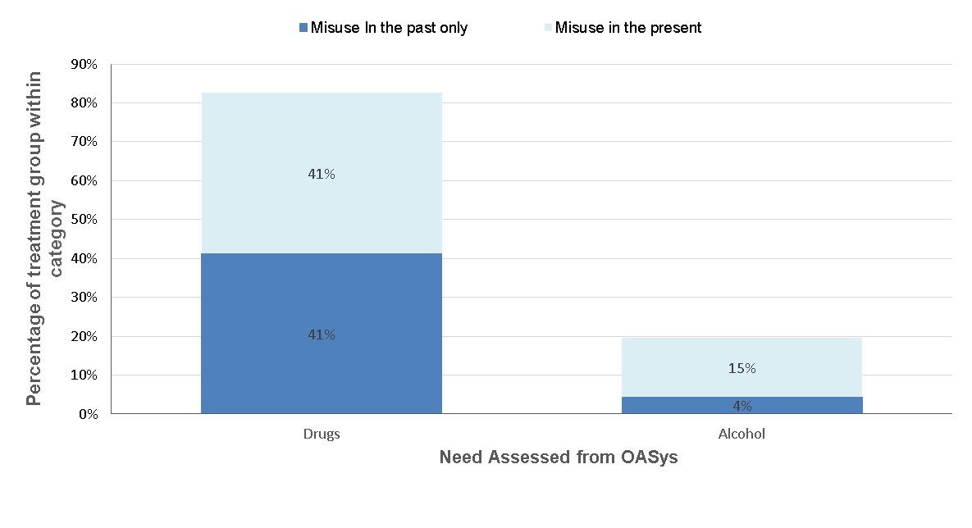
Chart B.3
Profile of treatment group - comparison between current and previous substance misuse (for national complex treatment group offenders with an OASys record)

 |  | Percentage of treatment group within category
Drugs | Drugs currently used at least weekly | 41%
 | Drugs misused in the past but not currently used at least weekly | 41%
Alcohol | Current use of alcohol a significant problem | 15%
 | Significant past misuse of alcohol but current use not a significant problem | 4%

