Contents


Family Resources Survey, 2014/15
Income and State Support

Published: 28 June 2016
Next Publication: February / March 2017
Coverage: United Kingdom
Frequency: Annual

Contents

To access data tables, select the table headings or tabs.
To return to contents click "Back to contents" link at the top of each page.

Table | Table Description
2.1 | Sources of total gross household income, 2004/05 to 2014/15, United Kingdom
2.2 | Sources of total gross household income by region/country, 2014/15, United Kingdom
2.3 | Sources of total gross household income by ethnic group of head, average of 2012/13, 2013/14 and 2014/15, United Kingdom
2.4 | Sources of total gross household income by age of head, 2014/15, United Kingdom
2.5 | Households by composition and total weekly gross household income, 2014/15, United Kingdom
2.6 | Households by region/country and total weekly gross household income, 2014/15, United Kingdom
2.7 | Households by ethnic group of head and total weekly gross household income, average of 2012/13, 2013/14 and 2014/15, United Kingdom
2.8 | Benefit units by state support receipt and region/country, 2014/15, United Kingdom
2.9 | Benefit units by state support receipt and benefit unit type, 2014/15, United Kingdom
2.10 | Benefit units by state support receipt and ethnic group of head, average of 2012/13, 2013/14 and 2014/15, United Kingdom
2.11 | Benefit units by state support receipt and age of head, 2014/15, United Kingdom
2.12 | Benefit units by state support receipt and tenure, 2014/15, United Kingdom
2.13 | Benefit units by state support receipt and economic status, 2014/15, United Kingdom
2.14 | Benefit units by amount of annual state support received, 2012/13 to 2014/15, United Kingdom

Contacts

Statistician: Donncha Burke
Telephone: 0207 449 7332
Email: team.frs@dwp.gsi.gov.uk
Family Resources Survey
DWP Surveys Branch
2nd Floor, Caxton House
Tothill Street
London
SW1H 9NA
Press enquiries: 0203 267 5129

Further Information

Website for this release, including supporting guides:
https://www.gov.uk/government/statistics/family-resources-survey-financial-year-201415

2_1
Back to Contents

Table 2.1: Sources of total gross household income, 2004/05 to 2014/15, United Kingdom |  |  |  |  |  |  | Sources of total gross household income, 2004/05 to 2014/15, United Kingdom
 |  |  |  |  |  | Percentage of total household income

 | Source of income
Year | Employment | State support | Private pensions1 | Other sources | All | Sample Size

2004/05 | 74 | 15 | 7 | 4 | 100 | 28,041
2005/06 | 73 | 15 | 7 | 5 | 100 | 28,029
2006/07 | 74 | 15 | 7 | 5 | 100 | 25,792
2007/08 | 73 | 15 | 7 | 5 | 100 | 24,982
2008/09 | 74 | 15 | 7 | 5 | 100 | 25,092
2009/10 | 72 | 16 | 7 | 5 | 100 | 25,205
2010/11 | 72 | 16 | 7 | 5 | 100 | 25,356
2011/12 | 73 | 16 | 8 | 4 | 100 | 20,763
2012/13 | 71 | 16 | 8 | 5 | 100 | 20,201
2013/14 | 72 | 15 | 8 | 4 | 100 | 20,142
2014/15 | 72 | 15 | 8 | 5 | 100 | 19,538

1 All non-state pensions; this includes both occupational and personal pensions. People can have several different private pensions at once.

2_2
Back to Contents

Table 2.2: Sources of total gross household income by region/country, 2014/15, United Kingdom |  |  |  |  |  |  |  |  |  |  |  | Percentage of total gross household income from employment by region/country, 2014/15, United Kingdom
 |  |  |  |  |  |  |  |  |  |  | Percentage of total household income
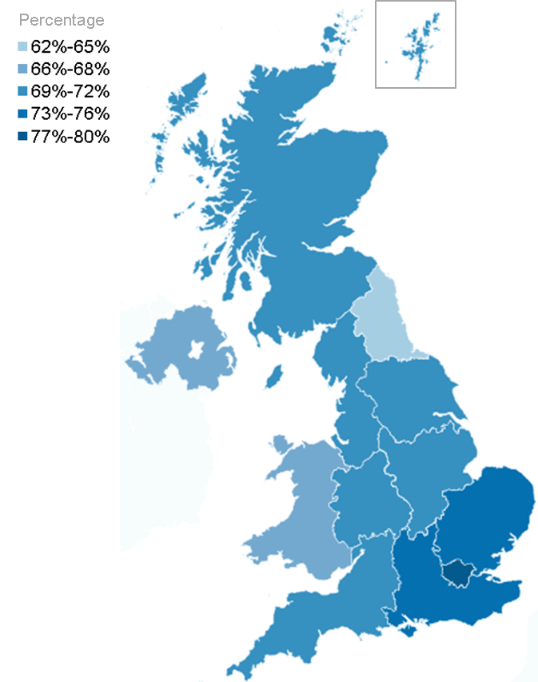
 | Source of income
Region/Country | Wages and salaries | Self-employed income | Investments | Tax Credits | State Pension plus any IS/PC1,2 | Private pensions3 | Disability benefits | Other benefits | Other sources | All | Sample size

United Kingdom | 64 | 8 | 2 | 2 | 7 | 8 | 1 | 5 | 3 | 100 | 19,538

Country
England | 64 | 9 | 2 | 2 | 7 | 8 | 1 | 5 | 3 | 100 | 13,975
Wales | 61 | 6 | 1 | 2 | 9 | 9 | 2 | 6 | 4 | 100 | 823
Scotland | 64 | 7 | 2 | 2 | 7 | 9 | 1 | 5 | 3 | 100 | 2,871
Northern Ireland | 60 | 8 | 1 | 3 | 8 | 7 | 3 | 8 | 2 | 100 | 1,869
Great Britain | 64 | 8 | 2 | 2 | 7 | 8 | 1 | 5 | 3 | 100 | 17,669
Region
North East | 55 | 8 | 2 | 2 | 9 | 9 | 2 | 8 | 5 | 100 | 803
North West | 62 | 7 | 1 | 2 | 8 | 9 | 2 | 6 | 3 | 100 | 2,017
Yorkshire and the Humber | 64 | 6 | 1 | 2 | 8 | 9 | 2 | 5 | 3 | 100 | 1,392
East Midlands | 66 | 5 | 2 | 2 | 8 | 9 | 1 | 4 | 2 | 100 | 1,291
West Midlands | 64 | 7 | 1 | 2 | 8 | 8 | 1 | 5 | 2 | 100 | 1,509
East of England | 63 | 9 | 2 | 1 | 7 | 9 | 1 | 4 | 3 | 100 | 1,609
London | 69 | 11 | 1 | 2 | 4 | 5 | 1 | 5 | 4 | 100 | 1,599
Inner London | 70 | 12 | 1 | 2 | 2 | 3 | 1 | 5 | 5 | 100 | 552
Outer London | 68 | 10 | 1 | 2 | 5 | 6 | 1 | 5 | 3 | 100 | 1,047
South East | 64 | 10 | 2 | 1 | 6 | 9 | 1 | 3 | 4 | 100 | 2,307
South West | 59 | 10 | 2 | 2 | 8 | 11 | 1 | 4 | 4 | 100 | 1,448

1 From 6 April 2010, the State Pension age for women has been gradually increasing. FRS data contained in this report were collected throughout the financial year 2014/15, during which the State Pension age for women increased from 62 years and 0 months to 62 years 6 months. The changes do not affect the State Pension age for men, currently 65 years.
2 State Pension and any Income Support or Pension Credit paid with it.
3 All non-state pensions; this includes both occupational and personal pensions. People can have several different private pensions at once.

Region/Country | Employment | State support | Private pensions1 | Other sources | All | Sample size

United Kingdom | 72 | 15 | 8 | 5 | 100 | 19,538

Country
England | 73 | 14 | 8 | 5 | 100 | 13,975
Wales | 67 | 20 | 9 | 5 | 100 | 823
Scotland | 71 | 15 | 9 | 5 | 100 | 2,871
Northern Ireland | 68 | 21 | 7 | 3 | 100 | 1,869
Great Britain | 72 | 15 | 8 | 5 | 100 | 17,669
Region
North East | 63 | 22 | 9 | 6 | 100 | 803
North West | 69 | 19 | 9 | 4 | 100 | 2,017
Yorkshire and the Humber | 70 | 17 | 9 | 5 | 100 | 1,392
East Midlands | 71 | 16 | 9 | 4 | 100 | 1,291
West Midlands | 71 | 17 | 8 | 4 | 100 | 1,509
East of England | 73 | 13 | 9 | 5 | 100 | 1,609
London | 80 | 11 | 5 | 5 | 100 | 1,599
Inner London | 82 | 10 | 3 | 6 | 100 | 552
Outer London | 78 | 12 | 6 | 4 | 100 | 1,047
South East | 74 | 11 | 9 | 6 | 100 | 2,307
South West | 69 | 15 | 11 | 5 | 100 | 1,448

2_11
Back to Contents

All | 57
16-24 | 18
25-34 | 40
35-44 | 62
45-54 | 48
55-59 | 37
60-64 | 74
65-74 | 100
75-84 | 100
85+ | 100
All | 19
16-24 | 13
25-34 | 16
35-44 | 20
45-54 | 17
55-59 | 17
60-64 | 22
65-74 | 24
75-84 | 29
85+ | 35
All | 53
16-24 | 10
25-34 | 35
35-44 | 57
45-54 | 41
55-59 | 30
60-64 | 70
65-74 | 100
75-84 | 100
85+ | 100
Table 2.11: Benefit units by state support receipt and age of head, 2014/15, United Kingdom |  |  |  |  |  |  |  |  |  |  | Receipt of state support receipt by age of head of family, 2014/15, United Kingdom
 |  |  |  |  |  |  |  |  |  | Percentage of benefit units

 |  | Age of head
State support received | All | 16-24 | 25-34 | 35-44 | 45-54 | 55-59 | 60-64 | 65-74 | 75-84 | 85+

All in receipt of state support | 57 | 18 | 40 | 62 | 48 | 37 | 74 | 100 | 100 | 100
All in receipt of benefit | 57 | 18 | 39 | 61 | 47 | 36 | 73 | 100 | 100 | 100
All in receipt of Tax Credits | 11 | 6 | 18 | 25 | 14 | 7 | 2 | 1 | - | 0

On any income-related benefit1 | 19 | 13 | 16 | 20 | 17 | 17 | 22 | 24 | 29 | 35
On any non-income-related benefit | 53 | 10 | 35 | 57 | 41 | 30 | 70 | 100 | 100 | 100

Working Tax Credit | 5 | 2 | 8 | 12 | 8 | 4 | 1 | - | 0 | 0
Child Tax Credit | 10 | 6 | 17 | 24 | 12 | 4 | 1 | - | - | 0

Child Benefit | 20 | 7 | 31 | 52 | 30 | 9 | 3 | 1 | - | 0

Income Support | 3 | 4 | 4 | 4 | 4 | 4 | 2 | - | 0 | 0
Pension Credit | 4 | 0 | 0 | 0 | - | - | 7 | 15 | 18 | 23
Housing Benefit | 13 | 7 | 12 | 16 | 13 | 13 | 15 | 15 | 14 | 15
Council Tax Reduction2 | 14 | 5 | 11 | 15 | 13 | 14 | 17 | 19 | 25 | 26

State Pension3 | 25 | 0 | 0 | - | 1 | 4 | 31 | 97 | 99 | 100
Widow's Benefits | - | 0 | - | - | - | 1 | 1 | - | - | -
Jobseeker's Allowance | 2 | 6 | 4 | 3 | 2 | 2 | 1 | - | 0 | 0
Employment and Support Allowance | 4 | 2 | 3 | 5 | 7 | 8 | 7 | - | 0 | 0
Incapacity Benefit | - | 0 | - | - | 1 | 1 | 1 | - | - | 0

Severe Disablement Allowance | - | 0 | - | - | - | - | - | - | - | 0
Attendance Allowance | 2 | 0 | 0 | 0 | 0 | - | - | 4 | 13 | 26
Carer's Allowance | 1 | - | 1 | 2 | 3 | 3 | 2 | - | - | -
Disability Living Allowance / Personal Independence Payment (care / daily living component) | 7 | 2 | 3 | 6 | 8 | 10 | 12 | 10 | 7 | 6
Disability Living Allowance / Personal Independence Payment (mobility component) | 6 | 1 | 2 | 5 | 7 | 9 | 11 | 11 | 6 | 3

Industrial Injuries Disablement Benefit | - | 0 | - | - | - | 1 | 1 | 2 | 1 | -
Armed Forces Compensation Scheme | - | 0 | - | - | - | - | - | - | 1 | 1

Sample size | 23,040 | 2,404 | 3,423 | 3,596 | 3,920 | 1,776 | 1,746 | 3,343 | 2,144 | 688

1 Universal Credit is not shown separately due to small sample sizes for recipients, but is included in the "On any income-related benefit" category.
2 This includes support for Rates payable to those receiving Housing Benefit in Northern Ireland.
3 From 6 April 2010, the State Pension age for women has been gradually increasing. FRS data contained in this report were collected throughout the financial year 2014/15, during which the State Pension age for women increased from 62 years and 0 months to 62 years 6 months. The changes do not affect the State Pension age for men, currently 65 years.

2_14
Back to Contents

Table 2.14: Benefit units by amount of annual state support received1, 2012/13 to 2014/15, United Kingdom |  |  |  | Families by amount of state support received, 2014/15, United Kingdom
 |  |  | Millions of benefit units

Annual amount | 2012/13 | 2013/14 | 2014/15

All benefit units | 33.6 | 33.7 | 34.0

Not in receipt of any state support | 13.4 | 14.1 | 14.6

In receipt of state support
less than £10,000 | 12.3 | 11.8 | 11.6
between £10,000 and £15,000 | 4.6 | 4.8 | 4.7
between £15,000 and £20,000 | 2.2 | 2.0 | 2.1
between £20,000 and £25,000 | 0.8 | 0.7 | 0.7
over £25,000 | 0.3 | 0.3 | 0.3

Sample size | 23,709 | 23,654 | 23,040

 |  |  | Percentage of benefit units

Annual amount | 2012/13 | 2013/14 | 2014/15

All benefit units | 100 | 100 | 100

Received no state support | 40 | 42 | 43
Received less than £10,000 a year | 37 | 35 | 34
Received £10,000 - £20,000 a year | 20 | 20 | 20
Received £20,000 or more a year | 3 | 3 | 3

Sample size | 23,709 | 23,654 | 23,040

1 Monetary amounts have been adjusted to 2014/15 prices using the Consumer Prices Index.

