B.1 Established needs
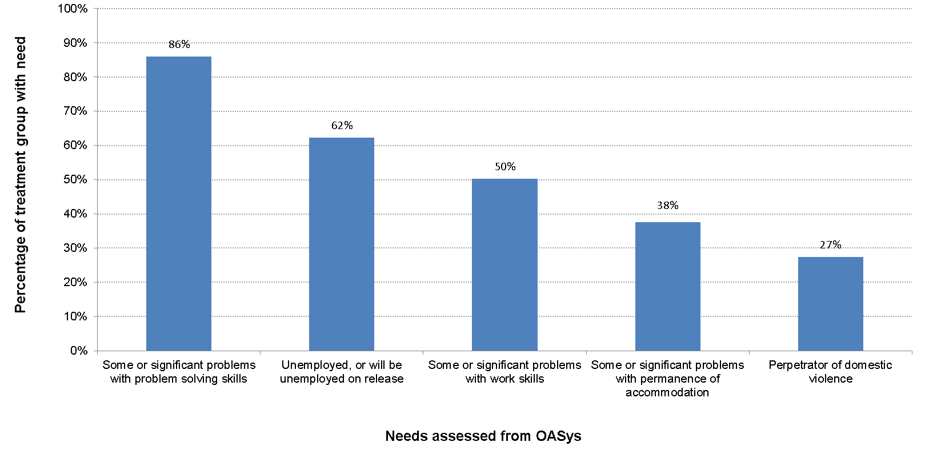
Chart B.1
Profile of treatment group - established needs (for national complex treatment group offenders with an OASys record)

 | Percentage of treatment group with need
Some or significant problems with problem solving skills | 86%
Unemployed, or will be unemployed on release | 62%
Some or significant problems with work skills | 50%
Some or significant problems with permanence of accommodation | 38%
Perpetrator of domestic violence | 27%

B.2 Combined needs
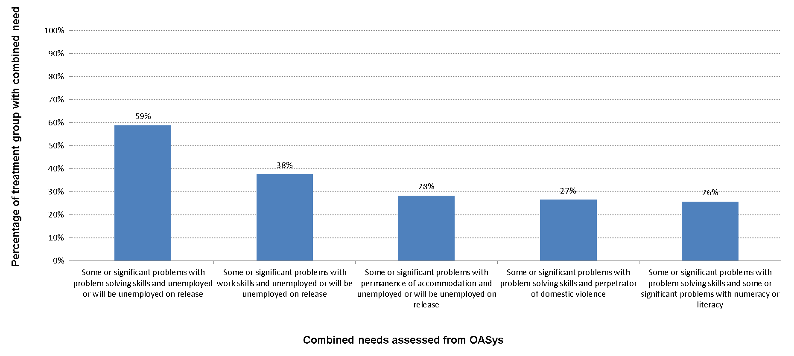
Chart B.2
Profile of treatment group - combined needs (for national complex treatment group offenders with an OASys record)

 | Percentage of treatment group with combined need
Some or significant problems with problem solving skills and unemployed or will be unemployed on release | 59%
Some or significant problems with work skills and unemployed or will be unemployed on release | 38%
Some or significant problems with permanence of accommodation and unemployed or will be unemployed on release | 28%
Some or significant problems with problem solving skills and perpetrator of domestic violence | 27%
Some or significant problems with problem solving skills and some or significant problems with numeracy or literacy | 26%

